Executive Summary
RETAILCORE MIS DASHBOARD
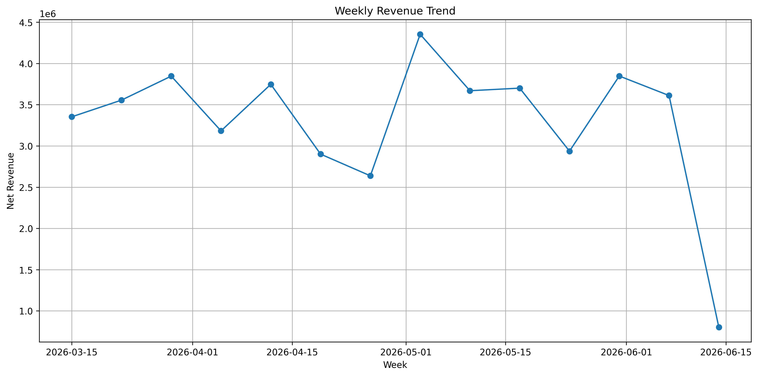
Report Date | 09-Jun-2026

Metric | Value
Total Revenue | ₹46,144,838.45
Return Rate (%) | 0.41
Top Region | South
Stockout Products | 42

Charts
