Sheet1
NAMES | SERVICE NUMBER AND BRANCH | appointment unit | COMMISSIONED | STREAM | PROMOTIONS GAZETTED | Training and other courses | BADGES QULIFIED | AWARDS | IMAGES | RETIRED ON
Air Marshal Sanderraman Neelakantan | 15184 F(P) | Trivandrum | 1977-12-28 | Fighters | •Wg Cdr : 01 Oct 1994 •Gp Capt : 05 Nov 2001 •Acting Air Cmde : 25 Oct 2007 •Air Cmde : 11 Jun 2007 •Acting AVM : 30 Mar 2011 •AVM : 09 Aug 2010 •Air Marshal : 01 Jul 2014 •C-in-C : 01 Aug 2016 | 51 NDA (Cadet) - 01 Dec 1976 |  | Vayu Sena Medal Yudh Seva Medal Param Vishist Seva Medal | 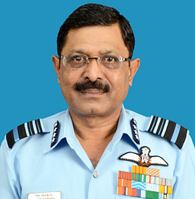 | 28 Feb 2017 Superannuated
Air Marshal Ajit Shankarrao Bhonsle | 15327 F(N) | New Delhi | 08 Jun 1978 | --- | •Sqn Ldr : 08 Jun 1989 •Wg Cdr : 12 Jun 1995 •Gp Capt : 01 Aug 2002 •Air Cmde : 01 Sep 2007 •AVM : 17 May 2010 •Air Marshal : 01 Jan 2013 | 50 NDA (Cadet) - 01 Jun 1976 29 LDMC (Wg Cdr) - 31 Mar 1999 |  | Vishist Seva Medal Ati Vishist Seva Medal | 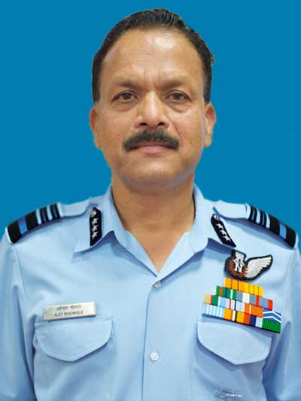 | 28 Feb 2017 Superannuated
Air Chief Marshal Birender Singh Dhanoa | 15405 F(P) | Delhi | 1978-07-07 | Fighters | •Flt Lt : 08 Jun 1983 • Sqn Ldr : 08 Jun 1989 •Wg Cdr : 12 Jun 1995 •Gp Capt : 27 May 2002 •Acting Air Cmde : 24 Nov 2008 •Air Cmde : 01 Sep 2007 •Acting AVM : 14 Jun 2010 •AVM : 17 May 2010 •Air Marshal : 01 Jan 2013 •C-in-C : 01 Nov 2014 •Air Chief Marshal : 31 Dec 2016 | 52 NDA (Cadet) - 01 Jun 1977 |  | Vayu Sena Medal Yudh Seva Medal Param Vishist Seva Medal Ati Vishist Seva Medal | 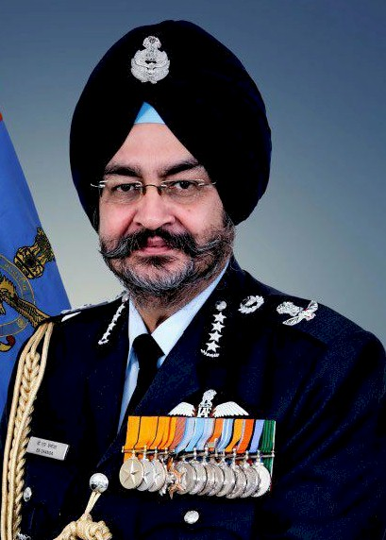 | 30 Sep 2019 Superannuated
Air Marshal Ravinder Kumar Dhir | 15678 F(P) | Gandhinagar | 1979-06-15 | Fighters | •Sqn Ldr : 15 Jun 1990 •Wg Cdr : 26 Aug 1996 •Gp Capt : 16 Dec 2002 •Air Cmde : 01 Jan 2008 •AVM : 14 Jun 2010 •Air Marshal : 01 Jul 2013 •C-in-C : 01 Jun 2015 | 54 NDA (Cadet) - 01 Jun 1978 |  | Vayu Sena Medal Param Vishist Seva Medal Ati vishist Seva Medal | 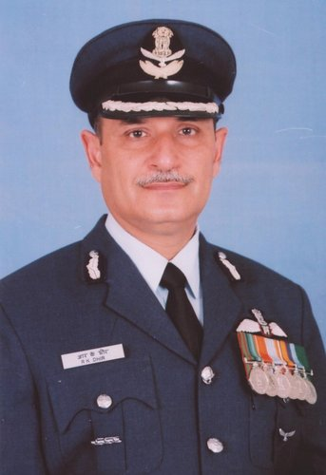 | 30 Sep 2018 Superannuated
Air Marshal Shirish Baban Deo | 15681 F(P) | Delhi | 1979-06-15 | Fighters | •Sqn Ldr : 15 Jun 1990 •Wg Cdr : 26 Aug 1996 •Gp Capt : 16 Dec 2002 •Air Cmde : 01 Jan 2008 •AVM : 01 Jul 2010 •Air Marshal : 01 Mar 2013 •C-in-C : 01 Jan 2015 | 54 NDA (Cadet) - 01 Jun 1978 |  | Vayu Sena Medal Vishist Seva Medal Param Vishist Seva Medal Ati vishist Seva Medal | 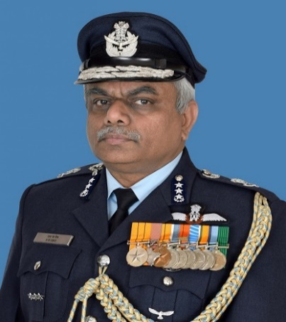 | 30 Sep 2018 Superannuated
Air Marshal Jasbir Singh Walia | 15684 F(P) | Delhi | 1979-06-15 | Fighters | •Sqn Ldr : 15 Jun 1990 •Wg Cdr : 26 Aug 1996 •Gp Capt : 23 Dec 2002 •Air Cmde : 01 Jan 2008 •Acting AVM : 01 Aug 2011 •AVM : 01 Dec 2010 •Air Marshal : 01 Oct 2013 •C-in-C : 01 Jun 2015 | 54 NDA (Cadet) - 01 Jun 1978 |  | Vayu Sena Medal Vishist Seva Medal Param Vishist Seva Medal | 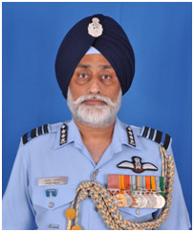 | 31 Mar 2019 Superannuated
Air Marshal Mahesh Kumar Malik | 15743 ADM | Delhi | 1979-06-15 | ---- | •Sqn Ldr : 15 Jun 1990 •Gp Capt : 20 Nov 2006 •Air Cmde : 04 May 2009 •AVM : 01 Jul 2011 •Air Marshal : 01 May 2015 | 33 LDMC (Wg Cdr) - 31 Mar 2003 | ---- | Vishist Seva Medal Param Vishist Seva Medal Ati vishist Seva Medal | 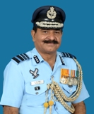 | 31 Jul 2017 Superannuated
Air Marshal Sanjay Sharma | 15839 AE(L) | Delhi | 1979-07-12 | ----- | •Wg Cdr : 01 Jun 1998 •Air Cmde : 01 Dec 2008 •AVM : 02 May 2011 •Air Marshal : 01 Dec 2014 | 47 NDC (Gp Capt) - 01 Dec 2007 | ---- | Ati vishist Seva Medal | 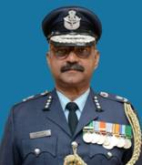 | 28 Feb 2018 Superannuated
Air Marshal Anil Khosla | 15871 F(P) | Shilong | 1979-12-14 | Fighters | •Sqn Ldr : 14 Dec 1990 •Wg Cdr : 26 Aug 1996 •Gp Capt : 15 Feb 2003 •Air Cmde : 01 Jan 2008 •AVM : 01 Dec 2010 •Air Marshal : 01 Jul 2014 •C-in-C : 01 Jan 2017 | 55 NDA (Cadet) - 01 Dec 1978 48 NDC (Air Cmde) - 01 Dec 2008 |  | Vayu Sena Medal Ati vishist Seva Medal Param Vishist Seva Medal | 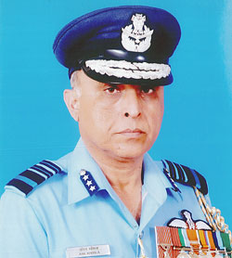 | 30 Apr 2019 Superannuated
Air Marshal Chandrashekharan Hari Kumar | 15881 F(P) | Delhi | 1979-12-14 | Fighters | •Sqn Ldr : 14 Dec 1990 •Wg Cdr : 26 Aug 1996 •Gp Capt : 15 Feb 2003 •Air Cmde : 01 Jan 2008 •AVM : 24 Dec 2010 •Air Marshal : 01 Jan 2014 •C-in-C : 01 Sep 2015 | 55 NDA (Cadet) - 01 Dec 1978 50 NDC (Air Cmde) - 01 Dec 2010 |  | Vishist Seva Medal Vayu Sena Medal Ati vishist Seva Medal Param Vishist Seva Medal | 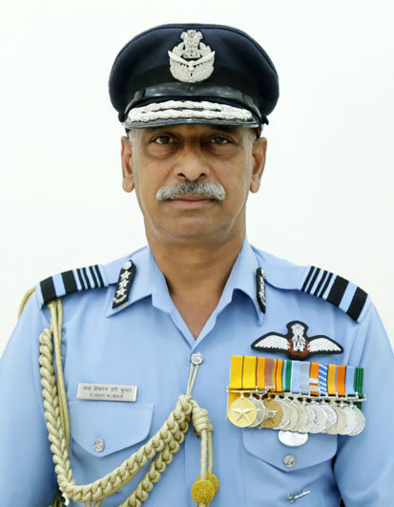 | 28 Feb 2019 Superannuated
Air Marshal Hemant Sharma | 15941 AE(L) | Nagpur | 1980-01-07 | ---- | •Wg Cdr : 01 May 1999 •Air Cmde : 01 Jun 2009 •AVM : 01 Oct 2011 •Air Marshal : 02 Apr 2016 •C-in-C : 01 Jun 2017 | ---- | ---- | Vishist Seva Medal Ati vishist Seva Medal Param Vishist Seva Meda | 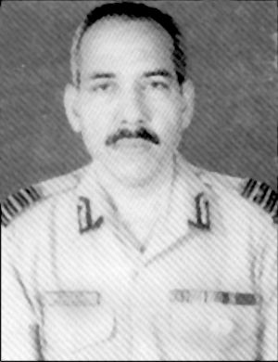 | 31 Jan 2019 Superannuated
Air Vice Marshal Praveen Kumar | 15970 AE(M) | Delhi | 1980-01-07 | --- | •Wg Cdr : 01 Feb 1999 •Acting Gp Capt : 07 May 2004 •Gp Capt : 01 Dec 2003 •Air Cmde : 01 Dec 2008 •AVM : 16 Apr 2012 | ---- | ---- | Vishist Seva Medal Ati vishist Seva Medal | 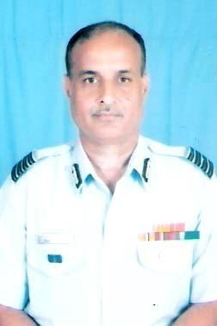 | 29 Feb 2016 Superannuated
Air Marshal Pankaj Aneja | 15975 AE(M) | Nagpur | 1980-01-09 | ---- | •Wg Cdr : 01 Apr 1999 •Air Cmde : 01 Apr 2009 •AVM : 01 Apr 2011 •Air Marshal : 01 Oct 2014 •C-in-C : 01 Apr 2016 | ---- | ---- | vishist Seva Medal Param Vishist Seva Medal | 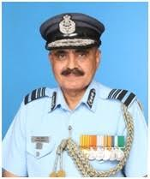 | 31 May 2017 Superannuated
Air Marshal Chambala Karai Ranjan | 16015 MED MR-04162 | Pune | 1980-03-03 | --- | •Wg Cdr : 03 Dec 1994 •Gp Capt : 01 Nov 2005 •Gp Capt (TS) : 16 Dec 2004 •Acting Air Cmde : 05 Jan 2010 •Air Cmde : 03 Jan 2010 •Acting AVM : 01 Aug 2014 •AVM : 02 Jul 2014 •Air Marshal : 01 Oct 2016 | --- | --- | Vishist Seva Medal Ati Vishist Seva Medal | 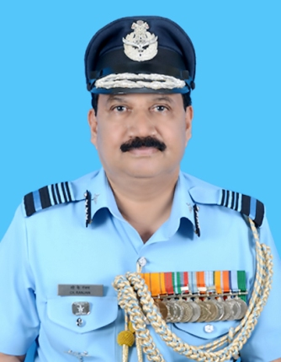 | 30 Sep 2018 Superannuated
Air Marshal Sridharan Panicker Radha Krishnan Nair | 16040 F(P) | Bangalore | 1980-06-05 | Transport | •Sqn Ldr : 15 Jun 1991 •Wg Cdr : 05 May 1997 •Gp Capt : 01 Jun 2003 •Air Cmde : 07 Jan 2008 •AVM : 01 Jan 2011 •Air Marshal : 01 Mar 2014 •C-in-C : 01 Sep 2015 | 56 NDA (Cadet) - 01 Jun 1979 50 NDC (Air Cmde) - 01 Dec 2010 |  | Mention in Dispatches Vayu Sena Medal Vishist Seva Medal Param Vishist Seva Medal | 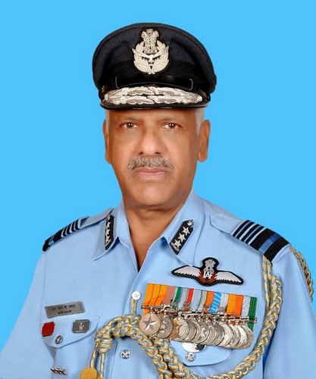 | 31 Jul 2018 Superannuated
Air Marshal Shyam Bihari Prasad Sinha | 16053 F(P) | Allahabad | 1980-06-15 | Fighters | •Sqn Ldr : 15 Jun 1991 •Wg Cdr : 05 May 1997 •Gp Capt : 01 Jul 2003 •Air Cmde : 07 Jan 2008 •AVM : 01 Feb 2011 •Air Marshal : 30 Apr 2014 •C-in-C : 01 Jan 2016 | 56 NDA (Cadet) - 01 Jun 1979 |  | Vayu Sena Medal Ati Vishist Seva Medal Param Vishist Seva Medal | 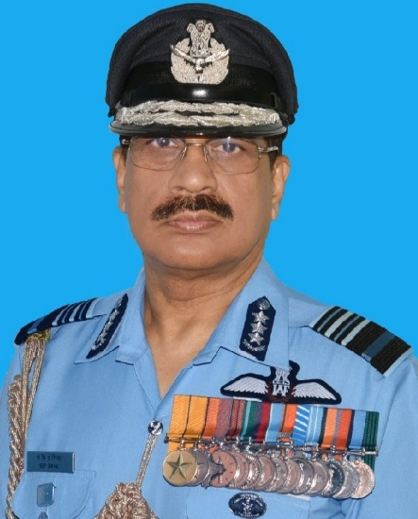 | 31 Dec 2018 Superannuated
Air Marshal Upkarjit Singh | 16204 F(P) | Secunderabad | 1980-12-13 | Fighters | •Sqn Ldr : 13 Dec 1991 •Wg Cdr : 05 May 1997 •Gp Capt : 10 May 2004 •Air Cmde : 12 Nov 2008 •AVM : 02 Jul 2012 •Air Marshal : 01 Mar 2017 | 57 NDA (Cadet) - 01 Dec 1979 49 NDC (Air Cmde) - 01 Dec 2009 |  | Ati Vishist Seva Medal | 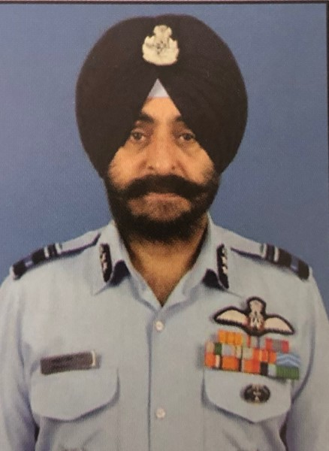 | 30 Jun 2020 Superannuated
Air Marshal Jasjit Singh Kler | 16225 F(P) | Khadakvasla | 1980-12-13 | Helicopters | •Sqn Ldr : 13 Dec 1991 •Wg Cdr : 05 May 1997 •Gp Capt : 01 May 2004 •Air Cmde : 07 Jan 2008 •AVM : 13 Jun 2011 •Air Marshal : 02 Feb 2015 | 32 LDMC (Wg Cdr) - 31 Mar 2002 |  | Vayu Sena Medal Ati Vishist Seva Medal | 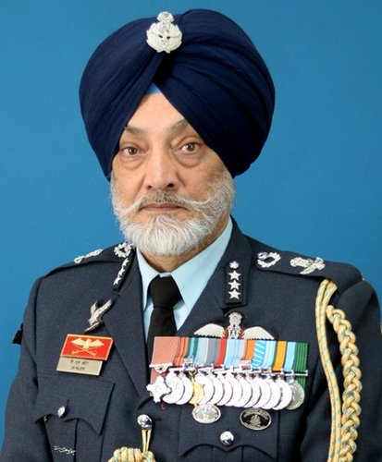 | 31 Mar 2018 Superannuated
Air Marshal Amit Tiwari | 16806 F(P) | Dundigal | 1982-06-04 | Fighters | •Sqn Ldr : 04 Jun 1993 •Wg Cdr : 17 May 1999 •Gp Capt : 01 Dec 2005 •Air Cmde : 01 Sep 2009 •AVM : 01 Jun 2012 •Air Marshal : 01 Dec 2016 •C-in-C : 01 Nov 2019 | 60 NDA (Cadet) - 01 Jun 1981 51 NDC (Air Cmde) - 01 Dec 2011 |  | Vayu Sena Medal Ati Vishist Seva Medal | 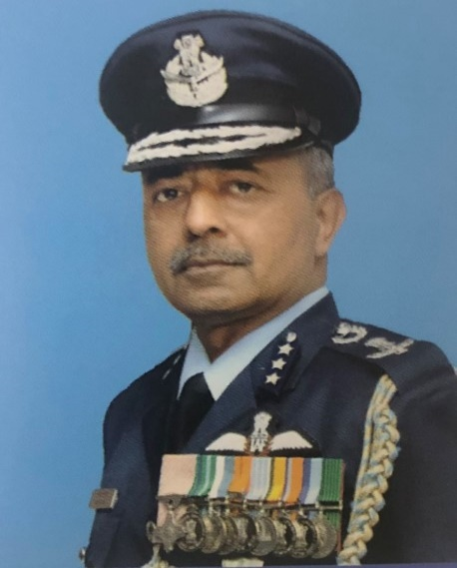 | 31 May 2021 Superannuated
Air Vice Marshal Suresh Singh | 16941 AE(L) | Delhi | 1982-08-19 | --- | •Wg Cdr : 01 Mar 2001 •Gp Capt : 01 Dec 2006 •Air Cmde : 02 May 2011 •AVM : 13 Apr 2016 | 22 AEC Course | ---- | vishist Seva Medal Ati Vishist Seva Medal | 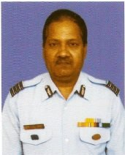 | 31 Jul 2017 Superannuated
Air Marshal Thazhathupulikunnel Devasia Joseph | 16964 F(P) | Delhi | 1982-12-29 | Fighters | •Sqn Ldr : 29 Dec 1993 •Wg Cdr : 17 May 1999 •Gp Capt : 01 Mar 2006 •Air Cmde : 01 Sep 2009 •AVM : 01 Jan 2013 •Air Marshal : 01 May 2019 | 61 NDA (Cadet) - 01 Dec 1981 53 DSSC (Sqn Ldr) - 02 May 1998 |  | Vayu Sena Medal Vishist Seva Medal Ati Vishist Seva Medal | 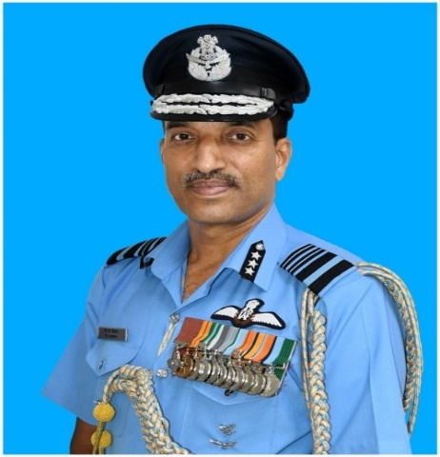 | 31 Jul 2021 Superannuated
Air Vice Marshal Rajesh Isser | 16968 F(P) | Allahabad | 1982-12-29 | Helicopters | •Sqn Ldr : 29 Dec 1993 •Wg Cdr : 17 May 1999 •Gp Capt : 01 Mar 2006 •Air Cmde : 10 May 2010 •AVM : 01 Jul 2014 | 61 NDA (Cadet) - 01 Dec 1981 |  | Vayu Sena Medal Ati Vishist Seva Medal | 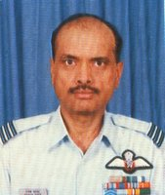 | 30 Jun 2019 Superannuated
Air Marshal Amit Dev | 16972 F(P) | Delhi | 29 Dec 1982 | Fighters | •Sqn Ldr : 29 Dec 1993 •Wg Cdr : 17 May 1999 •Gp Capt : 01 Mar 2006 •Air Cmde : 01 Sep 2009 •AVM : 03 Jun 2013 •Air Marshal : 01 Oct 2018 •C-in-C : 01 Oct 2020 | 61 NDA (Cadet) - 01 Dec 1981 52 DSSC (Sqn Ldr) - 26 Apr 1997 51 NDC (Air Cmde) - 01 Dec 2011 |  | Vishist Seva Medal Ati Vishist Seva Medal Param Vishist Seva Medal | 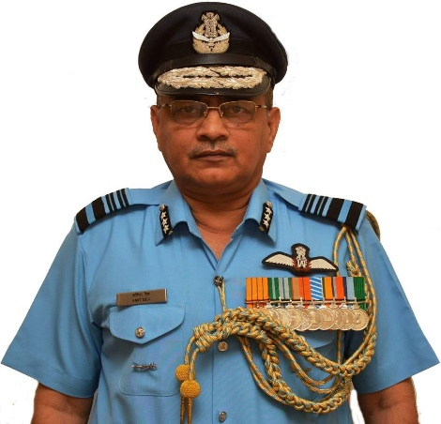 | 28 Feb 2022 Superannuated
Air Chief Marshal Vivek Ram Chaudhari | 16978 F(P) | Delhi | 1982-12-29 | Fighters | •Fg Offr : 29 Dec 1983 •Sqn Ldr : 29 Dec 1993 •Wg Cdr : 17 May 1999 •Gp Capt : 01 Mar 2006 •Air Cmde : 01 Sep 2009 •AVM : 01 Apr 2013 •Air Marshal : 01 Oct 2018 •C-in-C : 01 Aug 2020 •Air Chief Marshal : 30 Sep 2021 | 61 NDA (Cadet) - 01 Dec 1981 |  | Vayu Sena Medal Ati Vishist Seva Medal Param Vishist Seva Medal | 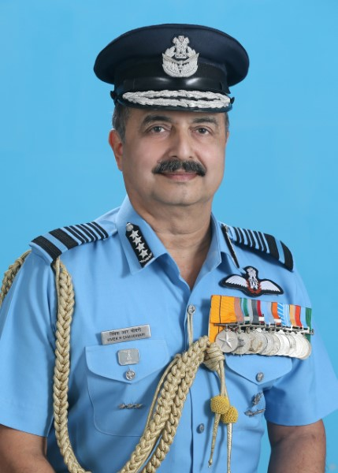 | 30 Sep 2024 Superannuated
Air Marshal Manavendra Singh | 16983 F(P) | Shillong | 1982-12-29 | Helicopters | •Sqn Ldr : 29 Dec 1993 •Wg Cdr : 17 May 1999 •Gp Capt : 01 Mar 2006 •Acting Air Cmde : 02 Aug 2010 •Air Cmde : 01 Sep 2009 •AVM : 01 Aug 2013 •Air Marshal : 14 Dec 2018 •C-in-C : 01 Feb 2021 | 61 NDA (Cadet) - 01 Dec 1981 |  | Vir chakra Vishist Seva Medal Ati Vishist Seva Medal Param Vishist Seva Medal | 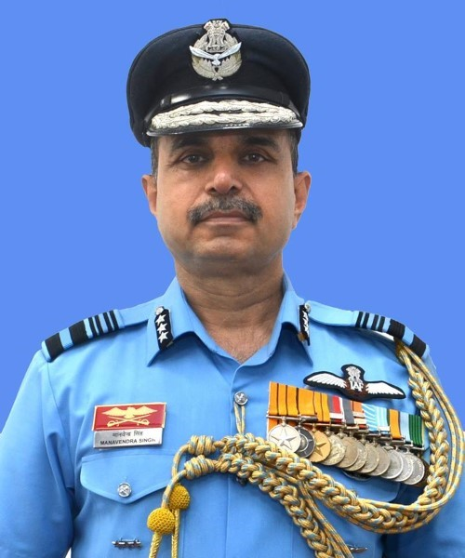 | 31 Dec 2022 Superannuated
Air Vice Marshal Anil Golani | 16986 F(P) | Wellington | 1982-12-29 | Fighters | •Sqn Ldr : 29 Dec 1993 •Wg Cdr : 17 May 1999 •Gp Capt : 01 Sep 2006 •Air Cmde : 01 Jan 2010 •AVM : 01 Oct 2013 | 61 NDA (Cadet) - 01 Dec 1981 50 DSSC (Sqn Ldr) - 29 Apr 1995 |  | ---- | 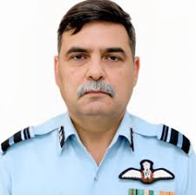 | 30 Nov 2019 Superannuated
Air Vice Marshal Suryakant Chintaman Chafekar | 17013 F(P) | Nagpur | 1982-12-29 | Transport | •Sqn Ldr : 29 Dec 1993 •Wg Cdr : 17 May 1999 •Gp Capt : 20 Nov 2006 •Air Cmde : 10 May 2010 •AVM : 01 Sep 2015 | 130 Course |  | Shaurya chakra Vishist Seva Medal | 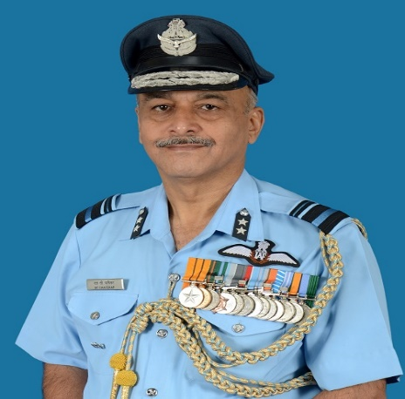 | 30 Sep 2017 Superannuated
Air Vice Marshal Kalarikal Puttur Unnikrishnan Nair | 17023 F(N) | Gandhinagar | 1982-12-29 | --- | •Sqn Ldr : 29 Dec 1993 •Wg Cdr : 17 May 1999 •Gp Capt : 01 Mar 2006 •Air Cmde : 01 Jan 2010 •AVM : 01 Oct 2013 | 63 NAV Course |  | Vishist Seva Medal | 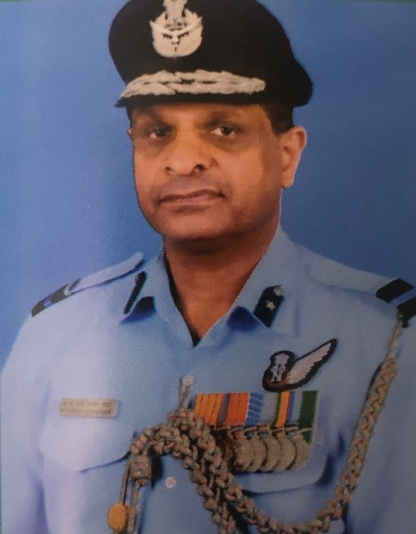 | 31 Aug 2017 Superannuated
Air Marshal Mothlamnet Sabari Gireen Menon | 17035 ADM | Delhi | 1982-12-29 | ---- | •Sqn Ldr : 29 Dec 1993 •Wg Cdr : 01 Sep 2003 •Gp Capt : 14 Jan 2008 •Air Cmde : 01 Jun 2011 •AVM : 01 Aug 2016 •Air Marshal : 01 Nov 2018 | 50 NDC (Gp Capt) - 01 Dec 2010 | --- | Vishist Seva Medal Param Vishist Seva Medal | 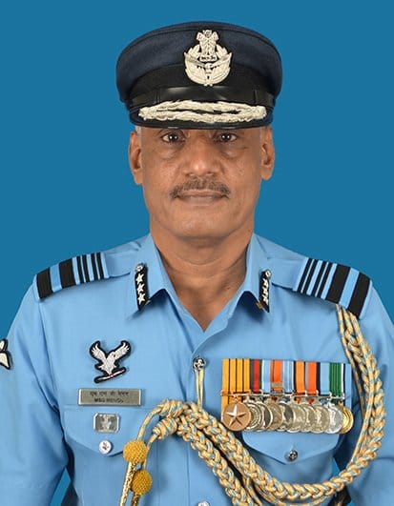 | 31 Jan 2021 Superannuated
Air Vice Marshal Atul Kumar Singh | 17041 ADM | Delhi | 1982-12-29 | --- | •Sqn Ldr : 29 Dec 1993 •Wg Cdr : 28 Oct 2003 •Gp Capt : 01 Oct 2008 •AVM : 01 Aug 2016 | 71 GDOC Course | --- | Vishist Seva Medal Ati Vishist Seva Medal | 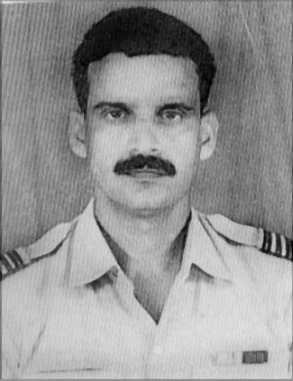 | 31 Dec 2018 Superannuated
Air Marshal Richard John Duckworth | 17136 F(P) | Trivandrum | 1983-05-28 | Fighters | •Sqn Ldr : 28 May 1994 •Wg Cdr : 15 May 2000 •Gp Capt : 01 Feb 2007 •Air Cmde : 01 Jan 2010 •AVM : 01 Mar 2014 •Air Marshal : 01 May 2019 •C-in-C : 01 Jul 2021 | 62 NDA (Cadet) - 01 Jun 1982 52 NDC (Air Cmde) - 01 Dec 2012 |  | Vishist Seva Medal Ati Vishist Seva Medal | 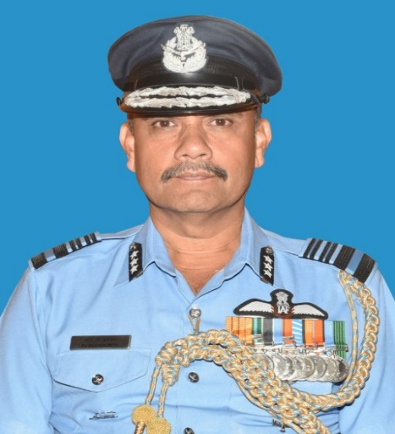 | 30 Jun 2022
Air Vice Marshal Rajeev Hora | 17141 F(P) | Dundigal | 28 May 1983 | Fighters | •Sqn Ldr : 28 May 1994 •Wg Cdr : 15 May 2000 •Acting Gp Capt : 12 May 2008 •Gp Capt : 01 Feb 2007 •Air Cmde : 01 Jan 2010 •AVM : 01 Jul 2014 | 62 NDA (Cadet) - 01 Jun 1982 53 NDC (Air Cmde) - 01 Dec 2013 |  | ---- | 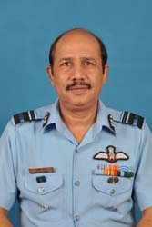 | 30 Sep 2020 Superannuated
Air Vice Marshal Nitin Shankar Vaidya | 17208 ADM | Bangalore | 1983-05-28 | --- | •Sqn Ldr : 28 May 1994 •Wg Cdr : 01 Nov 2004 •Gp Capt : 03 Nov 2008 •Air Cmde : 31 Dec 2012 •AVM : 01 Oct 2016 | 72 GDOC Course | --- | Vishist Seva Medal | 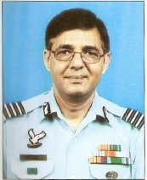 | 30 Apr 2018 Superannuated
Air Marshal Pradeep Padmakar Bapat | 17227 ADM | Delhi | 1983-05-28 | Fighter Controller | •Sqn Ldr : 28 May 1994 •Wg Cdr : 15 Dec 2004 •Gp Capt : 03 Nov 2008 •Air Cmde : 01 Dec 2011 •AVM : 01 Aug 2015 •Air Marshal : 01 Aug 2017 | 72 GDOC Course | --- | Vishist Seva Medal Param Vishist Seva Medal | 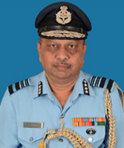 | 31 Dec 2019 Superannuated
Air Marshal Avinash Gopal Kshirsagar | 17277 AE(M) | Bangalore | 1983-08-22 | --- | •Wg Cdr : 01 Oct 2001 •Gp Capt : 05 Feb 2007 •Air Cmde : 01 Nov 2011 •AVM : 13 Apr 2016 •Air Marshal : 01 Jul 2019 | 53 NDC (Air Cmde) - 01 Dec 2013 | --- | Vishist Seva Medal Ati Vishist Seva Medal | 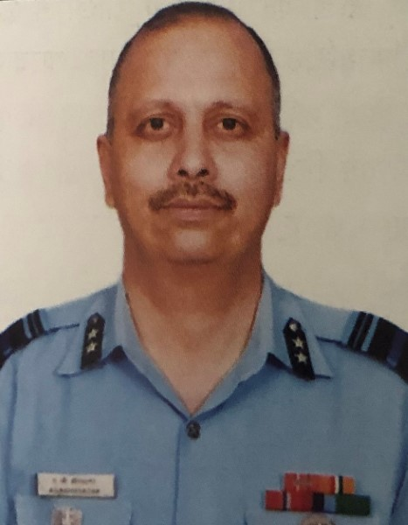 | 31 Jul 2022 Superannuated
Air Vice Marshal Sudhanshu Saxena | 17278 AE(M) | Delhi | 1983-08-22 | --- | •Wg Cdr : 09 Dec 2001 •Gp Capt : 27 Feb 2007 •Air Cmde : 01 Nov 2011 •AVM : 01 Jul 2017 | 24 AEC Course | --- | Vishist Seva Medal | 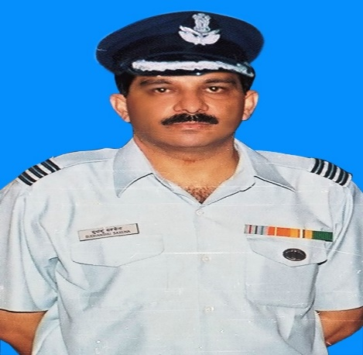 | 30 Sep 2018 Superannuated
Air Vice Marshal Pramod Kumar Shrivastava | 17283 AE(M) | Allahabad | 1983-08-31 | --- | •Wg Cdr : 01 Nov 2001 •Gp Capt : 05 Feb 2007 •Air Cmde : 01 Nov 2011 •AVM : 13 Apr 2001 | 24 AEC Course | --- | Vishist Seva Medal | 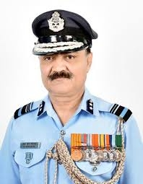 | 30 Nov 2018 Superannuated
Air Marshal Diptendu Choudhury | 17335 F(P) | Gwalior | 1983-12-22 | Fighters | •Sqn Ldr : 22 Dec 1994 •Wg Cdr : 15 May 2000 •Gp Capt : 17 Mar 2007 •Acting Air Cmde : 01 Aug 2011 •Air Cmde : 30 Dec 2010 •AVM : 01 Dec 2014 •Air Marshal : 01 Apr 2019 | 63 NDA (Cadet) - 01 Dec 1982 |  | Vishist Seva Medal Vayu Sena Medal Ati Vishist Seva Medal Param Vishist Seva Medal | 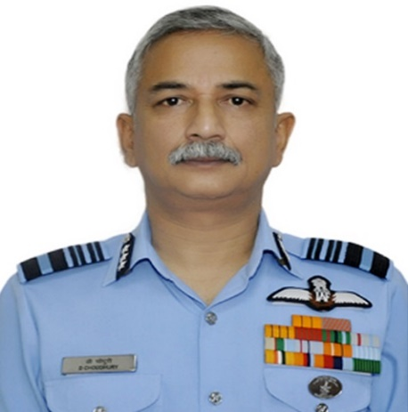 | 30 Nov 2021 Superannuated
Air Vice Marshal Sanjay Bhatnagar | 17363 F(P) | Shillong | 1983-12-22 | Fighters | •Sqn Ldr : 22 Dec 1994 •Wg Cdr : 15 May 2000 •Gp Capt : 03 Aug 2007 •Acting Air Cmde : 28 Sep 2011 •Air Cmde : 09 Jul 2011 •AVM : 01 Sep 2017 | 64 NDA (Cadet) - 01 Dec 1982 |  | Vayu Sena Medal Vishist Seva Medal | 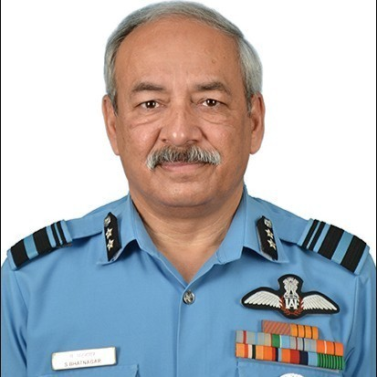 | 30 Aug 2020 Superannuated
Air Marshal Gurcharan Singh Bedi | 17448 F(P) | Delhi | 1984-06-08 | Fighters | •Sqn Ldr : 08 Jun 1995 •Wg Cdr : 14 May 2001 •Gp Capt : 01 Sep 2007 •Air Cmde : 30 Dec 2010 •Acting AVM : 05 Jun 2016 •AVM : 01 Dec 2015 •Air Marshal : 03 Apr 2020 | 51 NDC (Air Cmde) - 01 Dec 2011 |  | Vayu Sena Medal Vishist Seva Medal Ati Vishist Seva Medal | 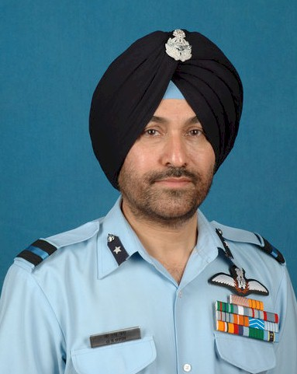 | 30 Apr 2022 Superannuated
Air Vice Marshal Nicodemus Manohar Samuel | 17449 F(P) | Delhi | 1984-06-08 | Helicopters | •Sqn Ldr : 08 Jun 1995 •Wg Cdr : 14 May 2001 •Gp Capt : 01 Sep 2007 •Air Cmde : 30 Dec 2010 •AVM : 01 Aug 2016 | 64 NDA (Cadet) - 01 Jun 1983 5HDMC (Gp Capt) - 31 Mar 2010 |  | Vir chakra Vishist Seva Medal | 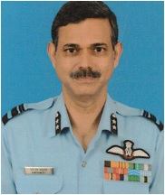 | 30 Sep 2020 Superannuated
Air Marshal Dilip Kumar Patnaik | 17464 F(P) | Delhi | 1984-06-08 | Fighters | •Sqn Ldr : 08 Jun 1995 •Wg Cdr : 14 May 2001 •Gp Capt : 01 Oct 2007 •Air Cmde : 30 Dec 2010 •AVM : 01 Dec 2015 •Air Marshal : 01 Aug 2020 •C-in-C : 03 Oct 2021 | 64 NDA (Cadet) - 01 Jun 1983 |  | Vayu Sena Medal Ati Vishist Seva Medal | 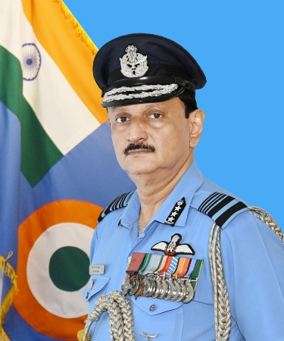 | 30 Sep 2022 Superannuated
Air Vice Marshal Suresh Babu Kantipudi | 17588 MET | Delhi | 1984-06-28 | --- | •Sqn Ldr : 14 Jun 1996 •Wg Cdr : 16 Dec 2004 •Gp Capt : 20 Apr 2009 •Air Cmde : 01 Jul 2011 •AVM : 01 Jan 2013 | 6 HDMC (Gp Capt) - 31 Mar 2011 | ---- | Vishist Seva Medal | 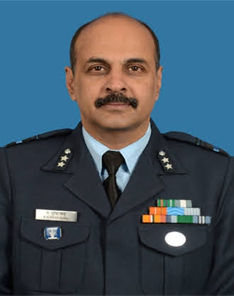 | 31 Mar 2018 Superannuated
Air Chief Marshal Amar Preet Singh | 17695 F(P) | Bangalore | 1984-12-21 | Fighters | •Sqn Ldr : 21 Dec 1995 •Wg Cdr : 14 May 2001 •Gp Capt : 05 Nov 2007 •Acting Air Cmde : 01 Apr 2011 •Air Cmde : 30 Dec 2010 •AVM : 01 Aug 2016 •Air Marshal : 01 Feb 2021 •C-in-C : 01 Jul 2022 •Air Chief Marshal : 30 Sep 2024 | 65 NDA (Cadet) - 01 Dec 1983 54 NDC (Air Cmde) - 01 Dec 2014 |  | Ati Vishist Seva Medal | 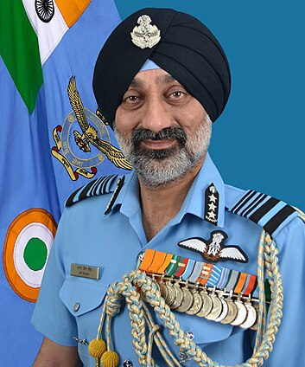 | -----
Air Vice Marshal Vikram Singh | 17699 F(P) | Calcutta | 1984-12-21 | Fighters | •Sqn Ldr : 21 Dec 1995 •Wg Cdr : 14 May 2001 •Gp Capt : 05 Nov 2007 •Air Cmde : 30 Dec 2010 •AVM : 01 Jan 2016 •Air Marshal : 01 Oct 2020 •C-in-C : 03 Oct 2021 | 34 Course |  | Vishist Seva Medal Ati Vishist Seva Medal | 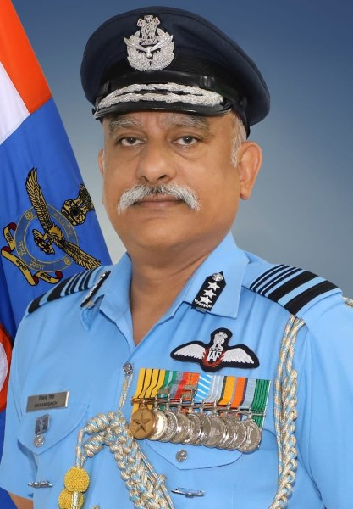 | 30 Apr 2023 Superannuated
Air Vice Marshal Guttikonda Amara Prasad Babu | 17714 F(P) | Trivandrum | 1984-12-21 | Helicopters | •Sqn Ldr : 21 Dec 1995 •Wg Cdr : 14 May 2001 •Gp Capt : 01 Jan 2008 •Air Cmde : 30 Dec 2010 •AVM : 05 Mar 2016 | 65 NDA (Cadet) - 01 Dec 1983 |  | Vayu Sena Medal Ati Vishist Seva Medal | 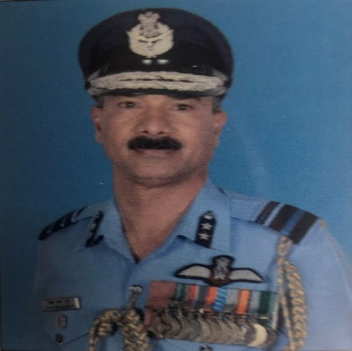 | 31 Jul 2021 Superannuated
Air Marshal Bavisetti Chandrasekhar | 17726 F(P) | Trivandrum | 1984-12-21 | Helicopters | •Sqn Ldr : 21 Dec 1995 •Wg Cdr : 14 May 2001 •Gp Capt : 07 Jan 2008 •Air Cmde : 01 Feb 2011 •AVM : 02 Jan 2017 •Air Marshal : 01 Jun 2021 | 65 NDA (Cadet) - 01 Dec 1983 4 HDMC (Gp Capt) - 31 Mar 2009 54 NDC (Air Cmde) - 01 Dec 2014 |  | Ati Vishist Seva Medal | 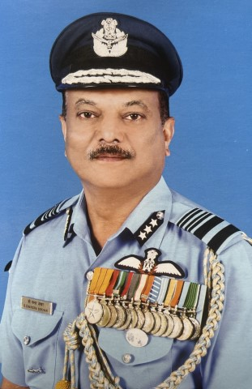 | 31 Aug 2023 Superannuated
Air Vice Marshal Kalvakuntla Shekhar Reddy | 17774 LGS | Delhi | 1984-12-21 | --- | •Sqn Ldr : 21 Dec 1995 •Wg Cdr : 15 Dec 2004 •Gp Capt : 01 Sep 2009 •Air Cmde : 01 May 2012 •AVM : 01 Jul 2015 | 5 HDMC (Gp Capt) - 31 Mar 2010 54 NDC (Air Cmde) - 01 Dec 2014 | --- | Vishist Seva Medal Ati Vishist Seva Medal | 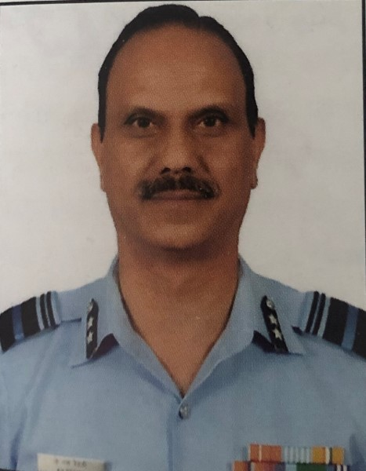 | 31 Jul 2021 Superannuated
Air Marshal Sanjeev Kapoor | 18089 F(P) | Delhi | 1985-12-06 | Transport | •Sqn Ldr : 06 Dec 1996 •Gp Capt : 15 Sep 2008 •Air Cmde : 28 Dec 2011 •AVM : 01 Sep 2017 •Air Marshal : 01 Aug 2021 | 67 NDA (Cadet) - 01 Dec 1984 5 HDMC (Gp Capt) - 31 Mar 2010 53 NDC (Air Cmde) - 01 Dec 2013 |  | Vayu Sena Medal Ati Vishist Seva Medal | 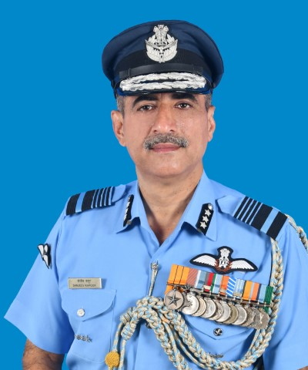 | 30 Nov 2023 Superannuated

