Pivot Table
AVERAGE of Fuel Efficiency vs Manufacturer

SUM of Unit Sales vs Months

SUM of Unit Sales vs Year

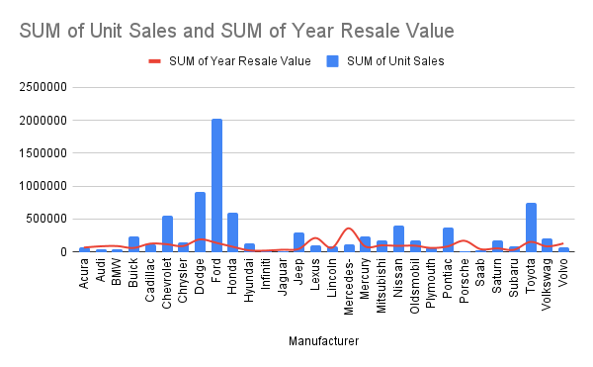
SUM of Unit Sales vs Manufacturer
SUM of Unit Sales vs Retention %

Dashborad
CAR SALES DASHBOARD

Total Sales | 8253104
Average Price | £27,455.27
Total Revenue | 180171766875

SUM of Unit Sales vs Manufacturer
SUM of Unit Sales vs Months

SUM of Unit Sales vs Retention %
SUM of Unit Sales vs Year

AVERAGE of Fuel Efficiency vs Manufacturer
SUM of Unit Sales vs Manufacturer

SUM of Unit Sales

