Import
Total Revenue | Average Order Value | Total Pizza Sold | Total_Orders | Average Pizza Per Order
71402.75 | 38.53 | 4328.00 | 1853.00 | 2.34
$71402.75 | $38.53 | 4328 | 1853 | 2.3356718834
71402.750072

 |  |  |  |  |  | Daily trend For Total Orders

 |  |  |  |  |  | Row Labels | Total_Orders
 |  |  |  | Row Labels | Sum of total_price | Friday | 379.00 | Row Labels | Sum of quantity | Sum of total_price | Average Order Value
 |  |  |  | Classic | 19423.100002 | Saturday | 303.00 | Large | 1668 | 32970.500088 | 29.39
 |  |  |  | Supreme | 18315.649982 | Sunday | 262.00 | Medium | 1338 | 21302.5 | 21.65
 |  |  |  | Veggie | 16911.750088 | Thursday | 239.00 | Small | 1265 | 15644.899982 | 16.91
 |  |  |  | Chicken | 16752.25 | Wednesday | 237.00 | XLarge | 54 | 1377 | 25.50
 |  |  |  | Grand Total | 71402.750072 | Monday | 228.00 | XXLarge | 3 | 107.85000229 | 35.95
 |  |  |  |  |  | Tuesday | 205.00 | Grand Total | 4328 | 71402.750072 | 38.53
 |  |  |  |  |  | Grand Total | 1853.00

 | Daily trend For Total Orders

 | Total
12 | 1.00
 | 99.00
 | 199.00
 | 204.00
 | 121.00
 | 127.00
 | 170.00
 | 218.00
 | 187.00
 | 194.00
 | 157.00
 | 120.00
 | 55.00
 | 1.00
 | Row Labels | Total_Orders
 | 10
 | 12 | 1.00
 | 11 | 99.00
 | 12 | 199.00
 | 13 | 204.00
 | 14 | 121.00
 | 15 | 127.00
 | 16 | 170.00
 | 17 | 218.00
 | 18 | 187.00
 | 19 | 194.00
 | 20 | 157.00
 | 21 | 120.00
 | 22 | 55.00
 | 23 | 1.00
 | Grand Total | 1853.00

 | Sales By Pizza Category

 | Row Labels | Sum of total_price
 | Chicken | 23.46%
 | Classic | 27.20%
 | Supreme | 25.65%
 | Veggie | 23.69%
 | Grand Total | 100.00%

 | Sales By Pizza Size

 | Row Labels | Sum of total_price
 | Large | 46.18%
 | Medium | 29.83%
 | Small | 21.91%
 | XLarge | 1.93%
 | XXLarge | 0.15%
 | Grand Total | 100.00%

 | Total Pizza Sold By Pizza Category |  | Total Pizza Sold By Pizza Category
 |  |  |  |  | Pizza Category
 |  | Row Labels | Total Pizza Sold | Pizza Category | Total Pizza Sold
 |  | Classic | 1324 | Classic | 1324
 |  | Supreme | 1045 | Supreme | 1045
 |  | Veggie | 1020 | Veggie | 1020
 |  | Chicken | 939 | Chicken | 939
 |  | Grand Total | 4328

 |  | Top 5 Best Sellers
 |  | Row Labels | Total Pizza Sold
 |  | The Pepperoni Pizza | 241.00
 |  | The Barbecue Chicken Pizza | 226.00
 |  | The Classic Deluxe Pizza | 218.00
 |  | The California Chicken Pizza | 199.00
 |  | The Hawaiian Pizza | 198.00
 |  | Grand Total | 1082.00

 |  | Bottom 5 Best Sellers

 |  | Row Labels | Total Pizza Sold
 |  | The Brie Carre Pizza | 46.00
 |  | The Chicken Alfredo Pizza | 85.00
 |  | The Calabrese Pizza | 84.00
 |  | The Chicken Pesto Pizza | 79.00
 |  | The Spinach Supreme Pizza | 85.00
 |  | Grand Total | 379.00

Dashboard
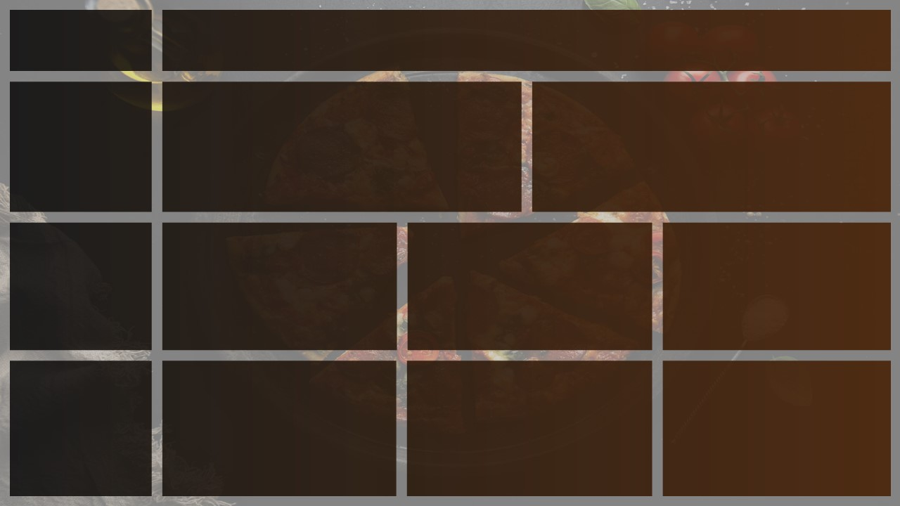

Pizza
Total Revenue
Average Order Value
Total Pizza Sold
Total Orders
Average Pizza Per Order

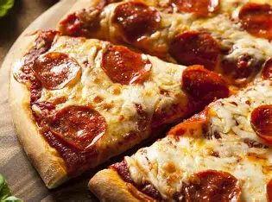

Sales

$71402.75

$71402.75
$71402.75
$38.31
49574
21350
2.32
$38.53

Busiest Days & Time

Hourly
Trend

 | Total
Friday | 379.00
Saturday | 303.00
Sunday | 262.00
Thursday | 239.00
Wednesday | 237.00
Monday | 228.00
Tuesday | 205.00

Days
orders are highiest on weekends,Friday&Saturday
Times
There are Maximum Orders
from 12-1 pm & aftter 5-8pm

Daily Trend

 | Total
12 | 1.00
 | 99.00
 | 199.00
 | 204.00
 | 121.00
 | 127.00
 | 170.00
 | 218.00
 | 187.00
 | 194.00
 | 157.00
 | 120.00
 | 55.00
 | 1.00

% Of Sales By Pizza Category

Daily Trend For Total Orders

Sales By Category & Size
% Of Sales By Pizza Size

Category
Classic Category
contribute to Maximum
Sales & Total Orders
Size
Large Size Pizza contribute to Maximum Sales

 | Total
Chicken | 23.46%
Classic | 27.20%
Supreme | 25.65%
Veggie | 23.69%
urly
Trend

 | Total
Large | 46.18%
Medium | 29.83%
Small | 21.91%
XLarge | 1.93%
XXLarge | 0.15%

Best & Wrost Sellers

 | Total
The Pepperoni Pizza | 241.00
The Barbecue Chicken Pizza | 226.00
The Classic Deluxe Pizza | 218.00
The California Chicken Pizza | 199.00
The Hawaiian Pizza | 198.00

Best
Classic Deluxe & Chicken
Are the Best Sellers
Wrost
THe Brie Carre Pizza
is at The bottom

 | Total
The Brie Carre Pizza | 46.00
The Chicken Alfredo Pizza | 85.00
The Calabrese Pizza | 84.00
The Chicken Pesto Pizza | 79.00
The Spinach Supreme Pizza | 85.00

