API RP-505 Figure 1
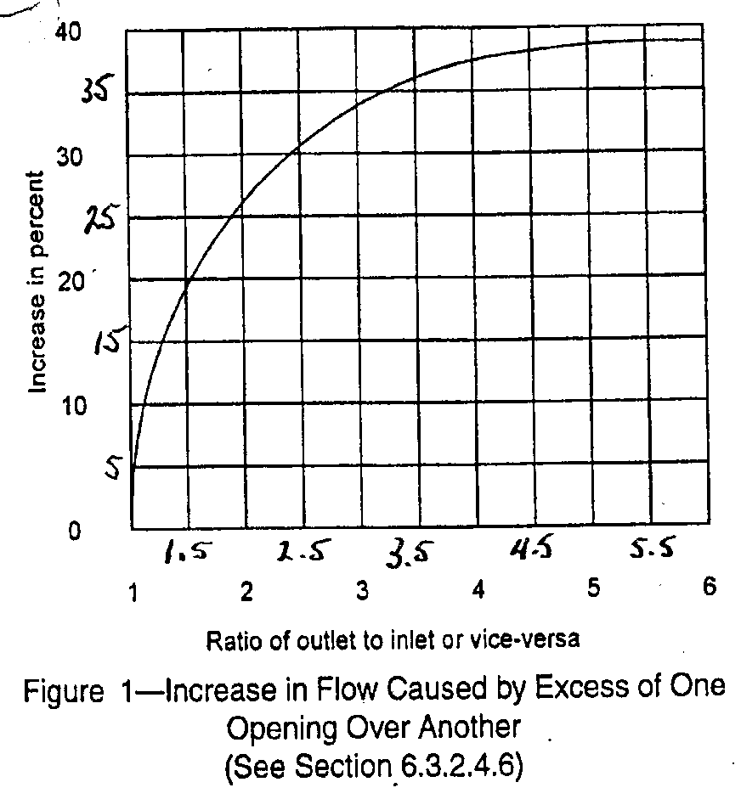
Ratio of
Outlet to | Increase
Inlet Area | (%)
1 | 0
1.01 | 2.5
1.02 | 5
1.035 | 6.15
1.05 | 7.3
1.075 | 8.15
1.1 | 9
1.125 | 10
1.15 | 11
1.175 | 12
1.2 | 13
1.225 | 13.6
1.25 | 14.2
1.275 | 14.85
1.3 | 15.5
1.325 | 16.05
1.35 | 16.6
1.375 | 17.2
1.4 | 17.8
1.425 | 18.15
1.45 | 18.5
1.475 | 18.8
1.5 | 19.1
1.525 | 19.55
1.55 | 20
1.575 | 20.5
1.6 | 21
1.625 | 21.4
1.65 | 21.8
1.675 | 22.15
1.7 | 22.5
1.725 | 22.9
1.75 | 23.3
1.775 | 23.65
1.8 | 24
1.85 | 24.5
1.9 | 25
1.95 | 25.6
2 | 26.2
2.05 | 26.8
2.1 | 27.4
2.15 | 27.8
2.2 | 28.2
2.25 | 28.7
2.3 | 29.2
2.35 | 29.6
2.4 | 30
2.45 | 30.4
2.5 | 30.8
2.55 | 31.1
2.6 | 31.4
2.65 | 31.7
2.7 | 32
2.75 | 32.35
2.8 | 32.7
2.9 | 33.25
3 | 33.8
3.125 | 34.4
3.25 | 35
3.325 | 35.35
3.4 | 35.7
3.45 | 35.95
3.5 | 36.2
3.6 | 36.5
3.7 | 36.8
3.85 | 37.15
4 | 37.5
4.25 | 37.9
4.5 | 38.3
4.75 | 38.5
5 | 38.7
5.25 | 38.85
5.5 | 39
5.6 | 39
5.7 | 39
5.8 | 39
6 | 39
7 | 39
8 | 39
9 | 39
10 | 39

