Sheet1
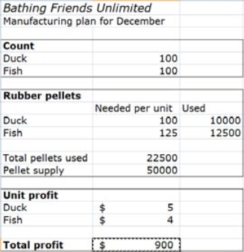

150
50

100 | 15000
125 | 6250

21250
50000

5
4

950

