Sheet1
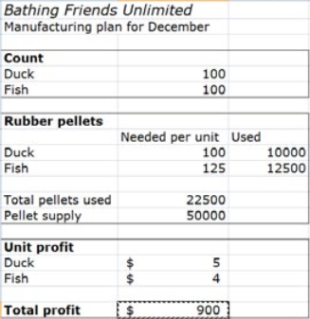

400
80

100 | 40000
125 | 10000

50000
50000

5
4

2320

