Cnts_Alert01_PartA
Particpant Comprehension Counts
 | Sri Lanka
Group | Participants | Rain/Raining | Flood/Flooding | Running | I need to Evacuate | Somebody Watching | I need to Watch | Observe | Group | Rain/Raining | Flood/Flooding | Running | I need to Evacuate | Somebody Watching | I need to Watch | Observe
A | 16 | 11 | 9 | 0 | 0 | 1 | 1 | 1 | A | 11 | 9 | 0 | 0 | 1 | 1 | 1
B | 15 | 9 | 10 | 0 | 0 | 0 | 0 | 0 | B | 9 | 10 | 0 | 0 | 0 | 0 | 0
C | 14 | 14 | 5 | 0 | 0 | 0 | 0 | 0 | C | 14 | 5 | 0 | 0 | 0 | 0 | 0
D | 15 | 9 | 7 | 2 | 0 | 0 | 0 | 0 | D | 9 | 7 | 2 | 0 | 0 | 0 | 0

Comprehension by Group - Philippines (n=20)
 | Philippines |  |  |  |  |  |  |  | Group | Rain/Raining | Flood/Flooding | Running | I need to Evacuate | Somebody Watching | I need to Watch | Observe
A | 5 | 3 | 5 | 0 | 0 | 0 | 0 | 0 | A | 3 | 5 | 0 | 0 | 0 | 0 | 0
B | 5 | 3 | 4 | 1 | 0 | 0 | 0 | 0 | B | 3 | 4 | 1 | 0 | 0 | 0 | 0
C | 5 | 5 | 5 | 0 | 0 | 0 | 2 | 2 | C | 5 | 5 | 0 | 0 | 0 | 2 | 2
D | 5 | 5 | 4 | 3 | 1 | 0 | 0 | 0 | D | 5 | 4 | 3 | 1 | 0 | 0 | 0

Group | Rain/Raining | Flood/Flooding | Running | I need to Evacuate | Somebody Watching | I need to Watch | Observe
A (21) | 14 | 14 | 0 | 0 | 1 | 1 | 1
B (20) | 12 | 14 | 1 | 0 | 0 | 0 | 0
Comprehension by Group - Sri Lanka (n=60)
C (19) | 19 | 10 | 0 | 0 | 0 | 2 | 2
D (20) | 14 | 11 | 5 | 1 | 0 | 0 | 0

Comprehension and Context
A - house | 66.67% | 66.67% | 0.00% | 0.00% | 4.76% | 4.76% | 4.76%
B - house + car | 60.00% | 70.00% | 5.00% | 0.00% | 0.00% | 0.00% | 0.00%
C - no context | 100.00% | 52.63% | 0.00% | 0.00% | 0.00% | 10.53% | 10.53%
D - house, car, action | 70.00% | 55.00% | 25.00% | 5.00% | 0.00% | 0.00% | 0.00%

 |  | A | B | C | D
 | LK | 29.03% | 32.26% | 16.13% | 22.58%
 | PH | 27.78% | 22.22% | 27.78% | 22.22%
Comprehension of Incident

B - house + car | 70.00% | 35.00%
D - house, car, action | 55.00% | 30.00%
D - house, car, action & INCIDENT UNDERSTOOD |  | 45.45%

Comprehension of Response Action
 |  | Total | Sri Lanka | Philippines
Understood Flood (Group D) |  | 11 | 7 | 4
Also Understood "Evacuate" |  | 5 | 2 | 3

Understood Evacuate when Understood Flood |  |  | 45.45%

Cnts_Alert02(Landslide)_PartA
 | Sri Lanka
 | Participants | Rain/Raining | Time | Landslide | Blocked | Watch | Observe | Threat
A | 16 | 7 | 1 | 11 | 2 | 0 | 0 | 0
Particpant Comprehension Counts
B | 15 | 9 | 2 | 6 | 0 | 0 | 0 | 0
C | 14 | 12 | 0 | 10 | 3 | 1 | 2 | 1
D | 15 | 10 | 1 | 8 | 1 | 0 | 0 | 0

 | Philippines
A | 5 | 3 | 1 | 2 | 0 | 0 | 0 | 1
B | 5 | 4 | 0 | 2 | 1 | 0 | 0 | 0
C | 5 | 5 | 1 | 3 | 0 | 1 | 4 | 2
D | 5 | 5 | 0 | 4 | 0 | 0 | 2 | 1

Group | Rain/Raining | Time | Landslide | Blocked | Watch | Observe | Threat
A (21) | 10 | 2 | 13 | 2 | 0 | 0 | 1
B (20) | 13 | 2 | 8 | 1 | 0 | 0 | 0
C (19) | 17 | 1 | 13 | 3 | 2 | 6 | 3
D (20) | 15 | 1 | 12 | 1 | 0 | 2 | 1

A - car, glass, time | 47.62% | 9.52% | 61.90% | 9.52% | 0.00% | 0.00% | 4.76%
B - car, eye | 65.00% | 10.00% | 40.00% | 5.00% | 0.00% | 0.00% | 0.00%
C - house, glass | 89.47% | 5.26% | 68.42% | 15.79% | 10.53% | 31.58% | 15.79%
D - house, eye | 75.00% | 5.00% | 60.00% | 5.00% | 0.00% | 10.00% | 5.00%
Total: | 79.71% | 8.70% | 66.67% | 10.14% | 2.90% | 11.59% | 7.25%

 | A | B | C | D
LK | 31% | 17% | 29% | 23%
PH | 18% | 18% | 27% | 36%
Comprehension of Landslide Incident
Comprehension of Landslide Incident

with car | 50.95%
with house | 64.21%
with looking glass | 65.16%
with eye | 50.00%

watch/observe | 16.67%

Cnts_Alert02(Landslide)_PartB
What will you do?
 | SRI LANKA
Group | Participants | Tell | Help | Evacuate | Time | Watch | Nothing
A | 16 | 6 | 6 | 5 | 0 | 1 | 0
B | 15 | 5 | 5 | 6 | 0 | 1 | 0
C | 14 | 9 | 3 | 9 | 0 | 1 | 0
D | 15 | 6 | 5 | 4 | 0 | 0 | 1

 | PHILIPPINES
Group | Participants | Tell | Help | Evacuate | Time | Watch | Nothing
A | 5 | 0 | 1 | 0 | 1 | 1 | 0
B | 5 | 0 | 1 | 1 | 0 | 0 | 0
C | 5 | 0 | 2 | 0 | 0 | 4 | 2
D | 5 | 3 | 3 | 3 | 0 | 3 | 1

Group | Tell Others | Ask for Help | Evacuate | Time | Watch/Observe | Do Nothing
A (21) | 6 | 7 | 5 | 1 | 2 | 0
B (20) | 5 | 6 | 7 | 0 | 1 | 0
C (19) | 9 | 5 | 9 | 0 | 5 | 2
D (20) | 9 | 8 | 7 | 0 | 3 | 2
Understanding of "Observe" Action

looking glass | 17.50%
eye | 10.00%

Cnts_Alert01_PartB
Counts of What will be the action - Sri Lanka (n=60)
SRI LANKA
Participants | Group | Tell others | Ask fo Help | Evacuate | Shelter | Watch | Nothing | Shelter/Evacuate
16 | A | 8 | 6 | 1 | 1 | 3 | 0 | 2
15 | B | 6 | 5 | 4 | 1 | 1 | 0 | 5
14 | C | 9 | 5 | 3 | 1 | 1 | 0 | 4
15 | D | 4 | 8 | 2 | 1 | 0 | 0 | 3

PHILIPPINES
Participants | Group | Tell others | Ask fo Help | Evacuate | Shelter | Watch | Nothing | Shelter/Evacuate
5 | A | 0 | 0 | 0 | 0 | 1 | 0 | 0
5 | B | 0 | 3 | 2 | 0 | 0 | 0 | 2
5 | C | 0 | 1 | 0 | 0 | 3 | 1 | 0
5 | D | 2 | 2 | 3 | 2 | 0 | 2 | 3

What will you do?
Tell Others | Group | Ask for Help | Run/Evacuate | Find Shelter | Watch/Observe | Do Nothing | Shelter/Evacuate
8 | A (21) | 6 | 1 | 1 | 4 | 0 | 2
6 | B (20) | 8 | 6 | 1 | 1 | 0 | 7
9 | C (19) | 6 | 3 | 1 | 4 | 1 | 4
6 | D (20) | 10 | 5 | 3 | 0 | 2 | 6
Counts of What will be the action - Philippines (n=20)

Time Comprehension
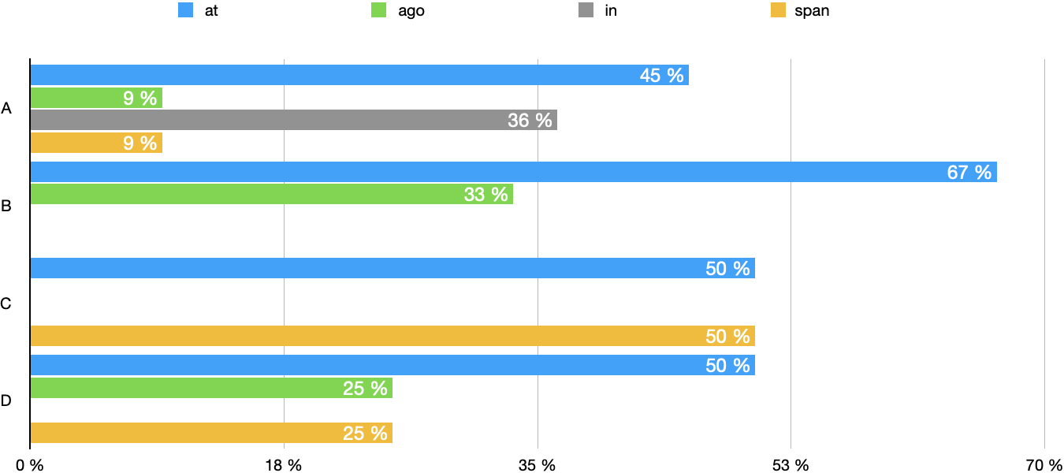
 | Participants | Understand Time | 6 hours / 30 min | At ___ o'clock | ___ hours Ago | In ___ hours | Time Span of ___ | Derive a meaning
A | 16 | 16 | 7 | 3 | 0 | 4 | 0
 | 5 | 5 | 4 | 2 | 1 |  | 1
B | 15 | 11 | 0 | 0 | 0 |  | 0
 | 5 | 5 | 3 | 2 | 1 |  | 0
C | 14 | 14 | 4 | 3 | 0 |  | 2
 | 5 | 3 | 1 | 0 | 0 |  | 1
D | 15 | 15 | 6 | 3 | 2 |  | 1
 | 5 | 4 | 2 | 1 | 0 |  | 1

Understand "time" and Derive a meaning
A | 21 | 21 | 11 | 5 | 1 | 4 | 1 | 0
B | 20 | 16 | 3 | 2 | 1 | 0 | 0 | 0
C | 19 | 17 | 5 | 3 | 0 | 0 | 3 | 0
D | 20 | 19 | 8 | 4 | 2 | 0 | 2 | 0

 |  | Understand "time" | Derive a meaning
A | A | 100% | 52% | 24 % | 5 % | 19 % | 5 % | 52 %
B | B | 80% | 15% | 10 % | 5 % | 0 % | 0 % | 15 %
C | C | 89% | 26% | 16 % | 0 % | 0 % | 16 % | 32 %
D | D | 95% | 40% | 20 % | 10 % | 0 % | 10 % | 40 %

 |  |  |  | At ___ o'clock | ___ hours Ago | In ___ hours | Time Span of ___
A |  |  | A | 45% | 90% | 36% | 90%
B |  |  | B | 67% | 33% | 0% | 0%
C |  |  | C | 50% | 0% | 0% | 50%
D |  |  | D | 50% | 25% | 0% | 25%

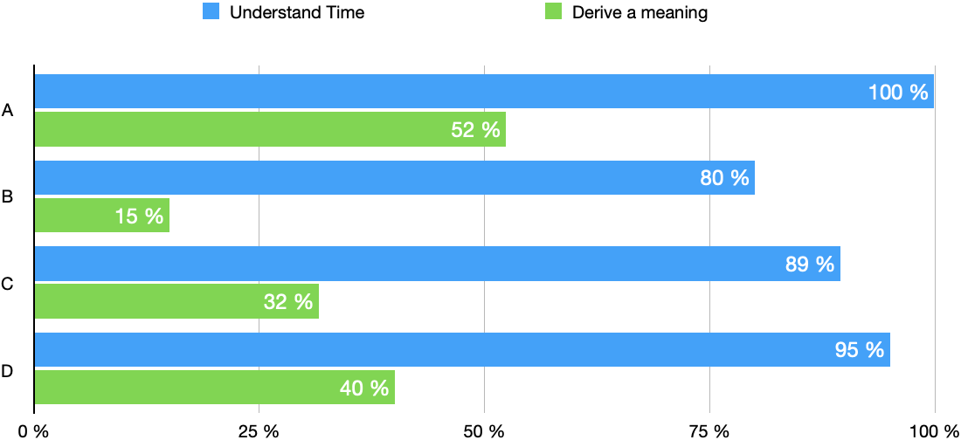
Interpreting the meaning of number with respect to time

Alert_Severity
 |  | Sri Lanka |  |  |  |  |  | Philippines
Severity | A | B | C | D | E | Severity | A | B | C | D | E
Most Severe | 13 | 22 | 8 | 12 | 5 | Most Severe | 4 | 2 | 2 | 9 | 3
Severe | 15 | 13 | 17 | 13 | 2 | Severe | 3 | 7 | 7 | 1 | 2
Moderate | 11 | 12 | 14 | 18 | 5 | Moderate | 7 | 4 | 3 | 5 | 1
Not Severe | 17 | 7 | 18 | 15 | 3 | Not Severe | 4 | 4 | 5 | 4 | 3
Least Severe | 4 | 6 | 3 | 2 | 45 | Least Severe | 2 | 3 | 3 | 1 | 11

 | A | B | C | D | E
Most Severe | 17 | 24 | 10 | 21 | 8
Severe | 18 | 20 | 24 | 14 | 4
Moderate | 18 | 16 | 17 | 23 | 6
Not Severe | 21 | 11 | 23 | 19 | 6
Relative Severity Scores
Least Severe | 6 | 9 | 6 | 3 | 56
Severity understanding - Sri Lanka (n=60)
Severity understanding - Philippines (n=20)

Rated Most Severe
Rated Least Severe

ReportingAllData
 |  |  | 42
Country | Report Test 01 | Report Test 01 Additional Information | Report Test 02 | Report Test 02 Additional Information | Report Test 03 | Report Test 03 Additional Information | Report Test 04 - Icon | Report Test 04 - Meaning
Philippines | B | Big Wave | C | Add water level indicator, Emergency color signal/code | C | Drainage, Contact rescue | C | Family
Philippines | B |  | B |  | C |  | C | Family
Philippines | B | Need escaping | A |  | C |  | B | Family
Philippines | B |  | C |  | C |  | B | Family
Philippines | A |  | B |  | A |  | B | Family
Philippines |  |  | C |  | B |  | A | People
Philippines | A |  | B |  | C |  | B | Family
Philippines | A | Water level gauge | B | Water level gauge | C | Water level gauge | B | Family
Philippines | B |  | B |  | C |  | B | Family
Philippines | B |  | B |  | B |  | B | Family
Unit of measure for victom counts
Philippines | A | Stay at home / Place | B | See the flood | A | Stay at home | A | Family
Philippines | A | Stay at home | A |  | B | Just watch | C | Family
Philippines | B | Just see and watch | B | Observe first how deep the flood is | B | Just see first | B | Family
Philippines | B | Stay to find safety | B | See the flood | B | See the flood | B | Family
Philippines | B | Follow for safety and stay at home | B | See the flood | B | See the flood | B | Family
Philippines | C |  | C |  | B | See water high | B | Family
Philippines | A | Depend inform LGU | B |  | C |  | B | Family
Philippines | A |  | B |  | C |  | C | Family
Philippines | C | Run then jump then swim | B |  | C | Look at high flooding then run escaped | C | People
Philippines | B |  | A |  | C |  | B | Family
Sri Lanka | A |  | B |  | C |  | B | Family
Sri Lanka | C |  | C |  | B |  | C | People
Sri Lanka | B |  | B |  | C |  | C | People |  | People | Family
Sri Lanka | B |  | C |  | C |  | B | Family | Philippines | 2 | 18
Sri Lanka | B |  | A |  | C |  | B | Family | Sri Lanka | 42 | 18
Sri Lanka | C |  | B |  | A |  | B | Family
Sri Lanka | B |  | B |  | C |  | B | Family |  | People | Family
Sri Lanka | A |  | A |  | A |  | C | People | Philippines | 10% | 90%
Sri Lanka | C | get help | B | focus on others | B | saving lives / run | C | Family | Sri Lanka | 70% | 30%
Sri Lanka | C | running land to save lives | B | observe the water level | C | running safty place to save lives | C | People
Sri Lanka | C | run to minimize the loss of life | B | keeping eye on the risk | C | running save lives | B | People
Sri Lanka | B | show your life's message ( boat ) | C | go safty place | B | take action to save lives from a boat | C | People
Sri Lanka | C | go land | B | checking well | C | run with children | C | Family
Sri Lanka | B | take a good look | C | running a safty place | C | run | C | Family
Sri Lanka | C | defending the help from others | B | see / run | C | exit | C | People
Sri Lanka | C | running two people | C |  | C | running two people | B | Family
Sri Lanka | C | run | C | running two people | C | running people | B | Family
Sri Lanka | B | looks like that | A | do not do anything because do not have water | C | running family | C | People
Sri Lanka | C | running two people for the safty place | C | running two people | C | two of us run | B | Family
Sri Lanka | B | somebody reports | C | two man run to say something | B | the message is going on | B | Family
Sri Lanka | C | running two people | C | running two people | C | two have run and gone | C | People
Sri Lanka | C |  | B |  | B | helping to save lives | A | People
Sri Lanka | B |  | C |  |  | going to a sheltered place | B | Family
Sri Lanka | B |  | B |  | C |  | B | People
Sri Lanka | B |  | C | safty place | B | run faster than ever | B | Family
Sri Lanka | C | take the baggage | C |  |  | its gone | C | People
Sri Lanka | B |  | C |  |  | to rescue | B | Family
Sri Lanka | B |  | B |  | C |  | C | People
Sri Lanka | B | two people | B |  | B |  | C | People
Sri Lanka | A |  | B |  | B |  | C | People
Sri Lanka | B | two people | B |  | B |  | C | People
Sri Lanka | B | two people | B |  | B |  | C | People
Sri Lanka | B | two people | B |  | B |  | C | People
Sri Lanka | B |  | B |  | B |  | C | People
Sri Lanka | B |  | C |  | B |  | C | People
Sri Lanka | C |  | C |  | B |  | C | People
Sri Lanka | C |  | B |  | B |  | C | People
Sri Lanka | B |  | B |  | B |  | C | People
Sri Lanka | B |  | B |  | B |  | C | People
Sri Lanka | B |  | B |  | B |  | C | People
Sri Lanka | B |  | B |  | B |  | C | People
Sri Lanka | B |  | B |  | B |  | C | People
Sri Lanka | C |  | C |  | C |  | C | People
Sri Lanka | B |  | B |  | B |  | C | People
Sri Lanka | B |  | B |  | B |  | B | Family
Sri Lanka | B |  | B |  | B |  | C | People
Sri Lanka | B |  | C |  | B |  | C | People
Sri Lanka | B |  | B |  | B |  | C | People
Sri Lanka | C |  | C |  | C |  | C | People
Sri Lanka | C |  | C |  | C |  | C | People
Sri Lanka | B |  | C |  | C |  | C | People
Sri Lanka | C |  | C |  | C |  | C | People
Sri Lanka | C |  | C |  | C |  | C | People
Sri Lanka | C |  | C |  | C |  | C | People
Sri Lanka | B |  | C |  | C |  | C | People
Sri Lanka | C |  | C |  | C |  | C | People
Sri Lanka | C |  | B |  | C |  | B | Family
Sri Lanka | C |  | C |  | C |  | C | People
Sri Lanka | C |  | C |  | C |  | C | People
Sri Lanka | B |  | C |  | C |  | B | Family

ReportingAnalysis
Choice of Icon for Immediate Response Needs
 | Counts |  |  |  | Percentages
 | Rising | Danger | Flooding |  | Rising | Danger | Flooding
Do Nothing | 10 | 6 | 4 | Do Nothing | 12.66% | 7.50% | 5.19%
Selection Transitionfrom Rising to Danger
Observe | 42 | 42 | 32 | Observe | 53.16% | 52.50% | 41.56%
Evacuate | 27 | 32 | 41 | Evacuate | 34.18% | 40.00% | 53.25%

 |  | Rising to Danger Counts |  |  | Rising to Danger Percentages
 | Do Nothing | Observe | Evacuate |  | Rising | Danger | Flooding
Do Nothing | 2 | 8 | 0 | Do Nothing | 2.53% | 10.13% | 0.00%
Observe | 4 | 24 | 14 | Observe | 5.06% | 30.38% | 17.72%
Evacuate | 0 | 10 | 17 | Evacuate | 0.00% | 12.66% | 21.52%

 |  | Danger to Critical Counts |  |  | Danger to Critical Counts Percentages
 | Do Nothing | Observe | Evacuate |  | Rising | Danger | Flooding
Do Nothing | 1 | 1 | 4 | Do Nothing | 1.27% | 1.27% | 5.06%
Observe | 3 | 22 | 17 | Observe | 3.80% | 27.85% | 21.52%
Evacuate | 0 | 9 | 20 | Evacuate | 0.00% | 11.39% | 25.32%

Selection Transition from Danger to Rising

