METADATA
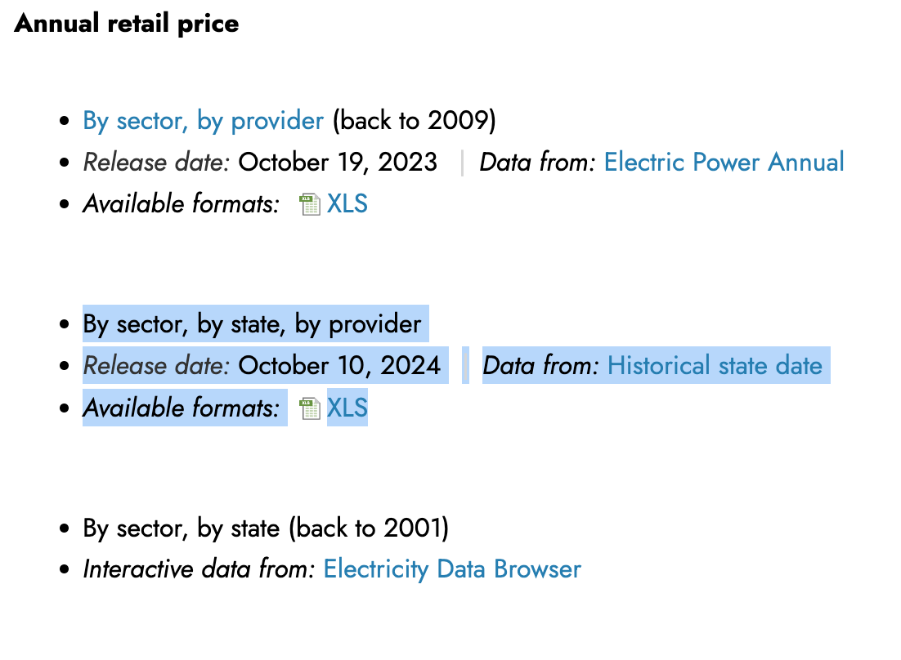
Author | Sahar El Abbadi
Data Source | EIA
Download location | https://www.eia.gov/electricity/data.php
File name upon download | HS861 2010-
Download date | 2025-02-19
Data release date | 2025-10-10

Screenhot:

