Metadata
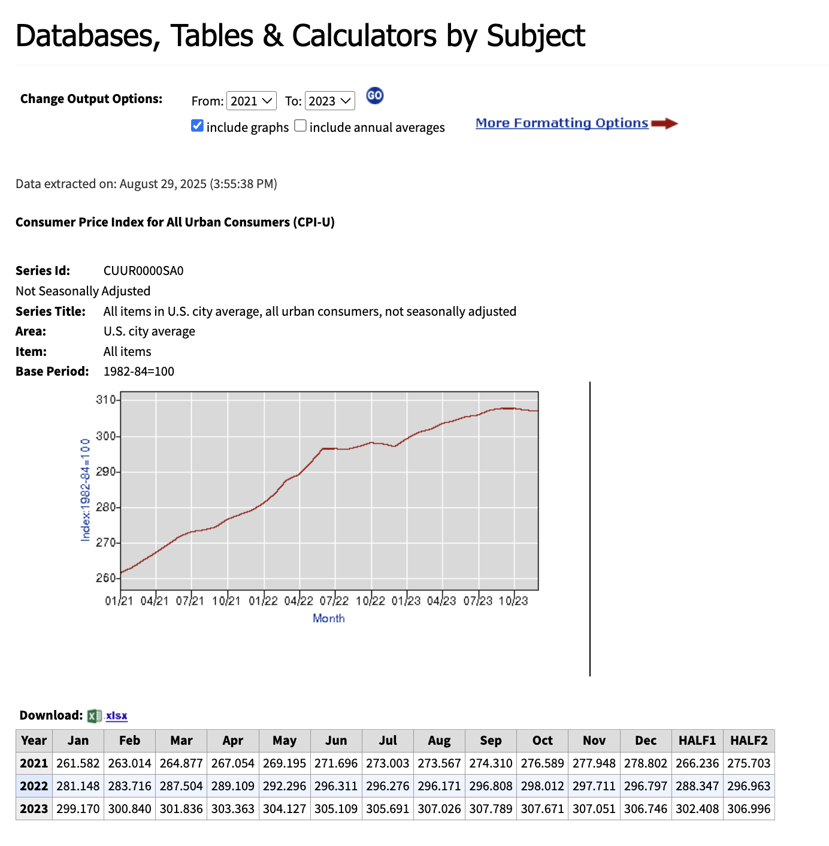
Download data | 29-Aug-25
Downloaded by | Sahar El Abbadi
Download URL: | https://data.bls.gov/timeseries/CUUR0000SA0

