missing_value_solution
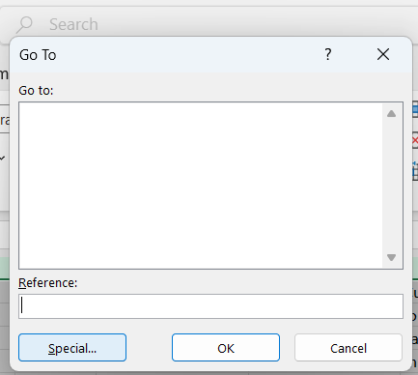
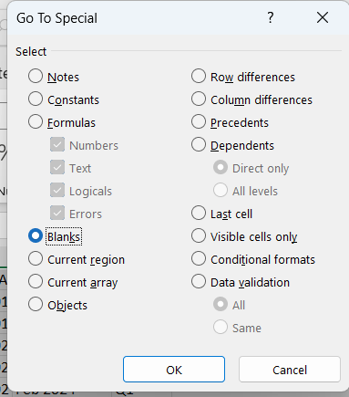
First step of this part of the exercise is to identify the missing value.
1) The entire spread sheet contain data was highlighted.
2)ctrl+gwas selected and it was led to a dialog box
3)The special tab was selected
4)The option blank was chosen
5) The missing values are highlighted in orange color

Replacing_missing_solutionDecid
Decide whether to delete, ignore, or replace missing values.
The decision is to replace the missing values.
Why replacing is a good option:
Deleting is the worst option because by deleting the missing value the entire row containing valid information such as VIN number will be deleted
Ignoring is not a good option either. it creates confusion for some one else who is studying this spread sheet. Why are theses cells left blank? Is this due to error?
Best option is to replace the empty cells with some logical explanations such as “ unknown”, “Not Defined” . The empty cells should be filled with something meaning full . The best reason is to replace the empty values is keeps the row constants accurate and provides a valid explanation that why there is no data in the blank cells.

The column that the “unknown “ text is going to replace the empty cell
The first missing value is customers' name in cell I9.
The same process was used to replace the missing value for all the blank cells.
The process is as follows:
•Isblank() is used to replace the duplicated values with a text
•Isblank() was written in a separate column
•If(isblank(n2),”unknown”,n2)
•Double clicked on the small fill handle at the bottom right corner of the designated column and dragged down to copy the formula
•The result was copied and pasted (special value) .
•The same process was repeated for every column.
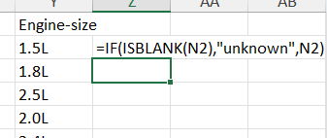
•Please look at the ex_1_part_3_missing_value (opti data sheet

fix_spell_solution
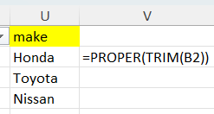
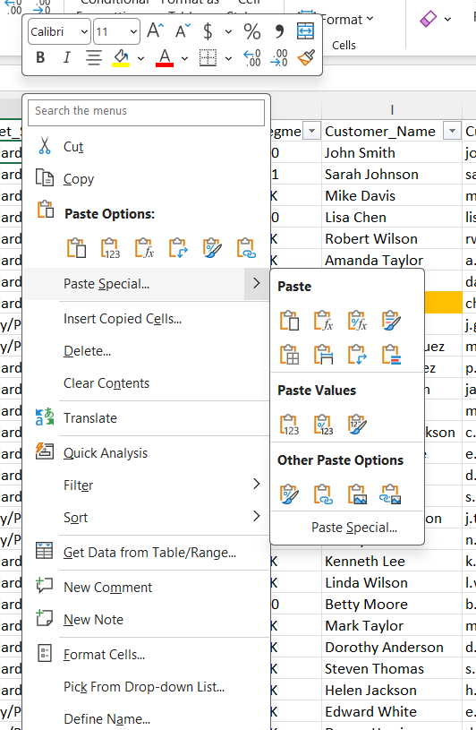
For this part of the assignment the Trim funcion was used:

The coulnms that were suspected of having miss spelling were copied in a separate coumn, then the functionprper(trim()) was used. The results were copied and pasted
(paste special) .

model _sales
Row Labels | Count of VIN
BMW | 11
Chevrolet | 16
Ford | 16
Honda | 17
Hyundai | 17
model sales chart
Jeep | 14
Nissan | 17
Tesla | 11
Toyota | 17
Grand Total | 136

piviot_table
Row Labels | total sale value | Count of VIN
Coupe | $1,314,901 | 17
Sedan | $1,578,200 | 39
SUV | $2,433,600 | 62
Truck | $652,800 | 12
Van | $199,501 | 6
Grand Total | $6,179,002 | 136

piviot_table _2
Row Labels | Average selling price | Units Sold
BMW | $70,082 | 11
3 Series | $42,900 | 1
4 Series | $49,900 | 1
7 Series | $89,900 | 1
8 Series | $99,900 | 1
i3 | $39,900 | 1
i8 | $149,900 | 1
iX | $83,900 | 1
M3 | $69,900 | 1
X1 | $38,900 | 1
X3 | $45,900 | 1
X5 | $59,900 | 1
Chevrolet | $43,200 | 16
Blazer | $35,200 | 1
Bolt | $26,900 | 1
Camaro | $35,901 | 1
Corvette | $65,900 | 1
Corvette Z06 | $106,900 | 1
Cruze | $24,800 | 1
Equinox | $28,900 | 1
Express | $33,500 | 1
Malibu | $25,500 | 1
Silverado | $41,200 | 1
Spark | $16,500 | 1
Suburban | $62,900 | 1
Tahoe | $58,900 | 1
Trailblazer | $25,800 | 1
Traverse | $39,500 | 1
ZL1 | $62,900 | 1
Ford | $36,606 | 16
Bronco | $38,900 | 1
Bronco Sport | $29,800 | 1
EcoSport | $22,900 | 1
Edge | $32,500 | 1
Escape | $30,200 | 1
Excursion | $28,900 | 1
Explorer | $36,800 | 1
F-150 | $43,250 | 2
Lightning | $55,900 | 1
Maverick | $24,900 | 1
Mustang | $35,900 | 1
Puma | $23,900 | 1
Ranger | $29,800 | 1
Shelby GT500 | $79,900 | 1
Transit | $28,901 | 1
Honda | $32,606 | 17
Accord | $29,350 | 2
Civic | $24,500 | 1
Clarity | $33,500 | 1
Crosstour | $27,900 | 1
CR-V | $33,500 | 1
Element | $24,900 | 1
Fit | $19,900 | 1
HR-V | $24,900 | 1
Insight | $26,900 | 1
Odyssey | $35,800 | 1
Passport | $37,800 | 1
Pilot | $42,500 | 1
Prelude | $32,900 | 1
Prologue | $47,900 | 1
Ridgeline | $39,800 | 1
Type R | $42,900 | 1
Hyundai | $33,929 | 17
Accent | $18,900 | 1
Elantra | $22,900 | 1
Elantra N | $34,500 | 1
Entourage | $28,900 | 1
Genesis | $48,900 | 1
Genesis G90 | $74,900 | 1
Ioniq | $29,800 | 1
IONIQ 5 | $44,500 | 1
Kona | $24,500 | 1
Palisade | $47,500 | 1
Santa Fe | $35,800 | 1
Santa Fe Sport | $29,800 | 1
Sonata | $26,500 | 1
Tucson | $31,000 | 2
Veloster | $23,900 | 1
Veracruz | $23,500 | 1
Jeep | $40,514 | 14
4xe | $45,900 | 1
Avenger | $27,900 | 1
Cherokee | $31,800 | 1
Commander | $22,900 | 1
Compass | $27,900 | 1
Gladiator | $43,500 | 1
Grand Cherokee | $40,050 | 2
Grand Cherokee L | $47,800 | 1
Grand Wagoneer | $89,900 | 1
Patriot | $21,900 | 1
Renegade | $26,800 | 1
Wagoneer | $61,900 | 1
Wrangler | $38,900 | 1
Nissan | $37,676 | 17
Altima | $27,150 | 2
Ariya | $43,900 | 1
Armada | $51,200 | 1
GT-R | $115,900 | 1
Kicks | $21,800 | 1
Leaf | $31,900 | 1
Maxima | $36,800 | 1
Murano | $34,500 | 1
Pathfinder | $38,500 | 1
Quest | $32,900 | 1
Rogue | $29,800 | 1
Sentra | $24,500 | 1
Titan | $37,900 | 1
Versa | $17,800 | 1
Xterra | $26,900 | 1
Z | $41,900 | 1
Tesla | $105,500 | 11
Cybertruck | $79,900 | 1
Model 3 | $52,900 | 1
Model A | $64,900 | 1
Model S | $89,500 | 1
Model X | $99,900 | 1
Model Y | $58,900 | 1
Model Z | $74,900 | 1
Plaid | $129,900 | 1
Roadster | $129,900 | 1
Roadster 2.0 | $199,900 | 1
Semi | $179,900 | 1
Toyota | $37,171 | 17
Avalon | $39,500 | 1
bZ4X | $42,500 | 1
Camry | $31,200 | 1
C-HR | $26,500 | 1
Corolla | $24,500 | 1
FJ Cruiser | $31,500 | 1
GR86 | $31,500 | 1
Highlander | $44,800 | 1
Mirai | $58,500 | 1
Prius | $29,500 | 1
RAV4 | $35,800 | 1
Sequoia | $56,900 | 1
Sienna | $39,500 | 1
Supra | $51,900 | 1
Tacoma | $33,500 | 1
Venza | $35,800 | 1
Yaris | $18,500 | 1
Grand Total | $45,434 | 136

clean_chart
Row Labels | Average selling price | Units Sold
BMW | $70,082 | 11
Chevrolet | $43,200 | 16
Ford | $36,606 | 16
Honda | $32,606 | 17 | unit sold option from the chart was removed
Hyundai | $33,929 | 17 | unit sold is measured as "count" it includes so | it includes so many numbers on the vertical axis
Jeep | $40,514 | 14
Nissan | $37,676 | 17
Tesla | $105,500 | 11
Toyota | $37,171 | 17
Grand Total | $45,434 | 136

visualization
Make | (Multiple Items)

Row Labels | unit sold | Bar charts comparing sales volume, for different makes and models
Accord | 2
Altima | 2
Prius | 1
Maxima | 1
Sienna | 1
8 Series | 1
Passport | 1
4 Series | 1
Ridgeline | 1
Type R | 1
7 Series | 1
X3 | 1
Z | 1
Ariya | 1
Murano | 1
Armada | 1
Pilot | 1
Avalon | 1
Quest | 1
bZ4X | 1
Sentra | 1
Camry | 1
Tacoma | 1
C-HR | 1
Versa | 1
Civic | 1
Xterra | 1
Clarity | 1
M3 | 1
Corolla | 1
Mirai | 1
Crosstour | 1
Odyssey | 1
CR-V | 1
Pathfinder | 1
Element | 1
Prelude | 1
Fit | 1
Prologue | 1
FJ Cruiser | 1
RAV4 | 1
GR86 | 1
Rogue | 1
GT-R | 1
Sequoia | 1
Highlander | 1
Supra | 1
HR-V | 1
Titan | 1
i3 | 1
Venza | 1
i8 | 1
X1 | 1
Insight | 1
X5 | 1
iX | 1
Yaris | 1
Kicks | 1
3 Series | 1
Leaf | 1
Grand Total | 62

monthly_sale_trend
Row Labels | sum
Apr 2024 | $358,500
Aug 2024 | $668,701
Dec 2024 | $895,000
Feb 2024 | $185,600
Jan 2024 | $49,000
monthly sales trendl
Jul 2024 | $776,500
Jun 2024 | $543,801
Mar 2024 | $344,500
May 2024 | $506,300
Nov 2024 | $763,700
Oct 2024 | $522,600
Sep 2024 | $564,800
Grand Total | $6,179,002

quarter_sale
Row Labels | total sales
Q1 | $579,100
Q2 | $1,408,601
Q3 | $2,010,001
Q4 | $2,181,300
Grand Total | $6,179,002
Quarterly

pie chart
Row Labels | Count of VIN
Coupe | 1700%
Sedan | 3900%
SUV | 6200%
Truck | 1200%
Van | 600%
vehicle catagory by unit sold
Grand Total | 13600%

vehicle type
Row Labels | unit sold | Sum of Sale_Price
Coupe | 17 | $1,314,901
Sedan | 39 | $1,578,200
SUV | 62 | $2,433,600
Truck | 12 | $652,800
Van | 6 | $199,501
Grand Total | 136 | $6,179,002

fule type
Quarter | Q4

Row Labels | total sale | Count of VIN
Electric | $801,900 | 12
Gasoline | $1,241,500 | 25
Hybrid | $79,400 | 2
Hydrogen | $58,500 | 1
Grand Total | $2,181,300 | 40

correlation_type_season
Row Labels | total
Van | 6
Q3 | 6
Truck | 12
Q1 | 2
Q2 | 6
Correlation between total sales, car type, and season
Q3 | 2
Q4 | 2
SUV | 62
Q1 | 5
Q2 | 18
Q3 | 22
Q4 | 17
Sedan | 39
Q1 | 9
Q2 | 8
Q3 | 11
Q4 | 11
Coupe | 17
Q2 | 3
Q3 | 4
Q4 | 10
Grand Total | 136

