ipl_dashboard
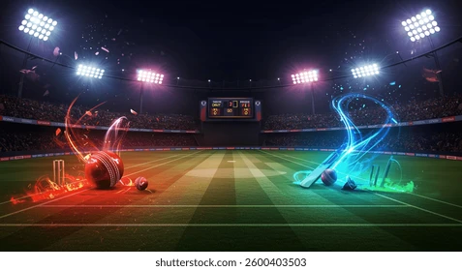
INDIAN PREMIER LEAGUE ANALYSIS
Runner Up
Sunrisers Hyderabad
Player of the Match
Mitchell Starc
Player of the Series
Sunil Narine
Season
IPL-2024
Winner
Kolkata Knight Riders

MATCHES WIN BY TEAM WRT BAT FIRST & FIELD FIRST SINCE 2008
 | bat | field
Punjab Kings |  | 1
Chennai Super Kings | 1
TOSS DECISION BASED ON WINNING %
 | Total
bat | 50.00%
field | 50.00%
TOP 10 VENUES WITH MOST MATCHES AND WINNING BASED ON BAT FIRST & FIELD FIRST
 | bat | field
MA Chidambaram Stadium, Chepauk, Chennai | 1
Maharaja Yadavindra Singh International Cricket Stadium, Mullanpur |  | 1

Top 10 MoM Award Winners
 | MoM Matche
AB de Villiers | 1
CH Gayle | 1
RG Sharma | 0
V Kohli | 0
DA Warner | 0
MS Dhoni | 0
RA Jadeja | 0
YK Pathan | 0
SR Watson | 0
SP Narine | 0
AD Russell | 0

