Sheet1

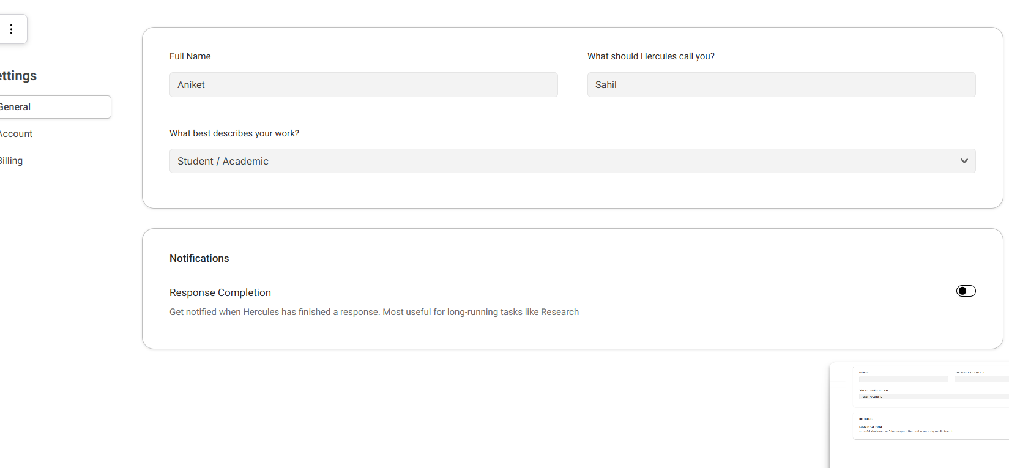
Bug ID | Priority | Description | Pre-requisites | Tests to Reproduce | Expected Result | Actual Result | Status | Executed by | Broswer/ Device | Attachements | Comments
B001 | Low | Verify Scroll behavior without login | Open the url and enter the url : https://hercules.works/ | Try Scroll down the page | Scroll smoothly | stops in between at "prediction engine " feels slow and laggy | Fail | Sahil | Chrome
B002 | Medium | Verify Invalid input validation in settigs | Open the url and enter the url : https://hercules.works/settings | Enter invalid data (empty/incorrect format ) | Proper error message should be displayed | Old saved details are showing | Fail | Sahil | Chrome | We emapty the fleds and the select account and then again come back its showing old saved details and there is no option of saving any details

