pivot tables
1. 🗺️ Which States have the highest number of restaurants?

Pivot:

Rows → State
Values → Restaurant → Count

Visual: 🗺️ Map

Insight: Shows Swiggy's restaurant coverage across cities.

Row Labels | Count of Restaurant
Delhi | 611
Gujarat | 1229
Karnataka | 946
Maharashtra | 2367
Tamil Nadu | 1106
Telangana | 1075
West Bengal | 1346
Grand Total | 8680

Delhi | 611
Gujarat | 1229
Karnataka | 946
Maharashtra | 2367
Tamil Nadu | 1106
Telangana | 1075
West Bengal | 1346

2. 🚴 Which cities have the fastest and slowest average delivery time?

Pivot:

Rows → City
Values → Delivery time → Average

Visual: Horizontal Bar Chart

Insight: Directly compares delivery performance between cities.

Row Labels | Average of Delivery time
Ahmedabad | 44.7
Mumbai | 48.3
Surat | 48.5
Hyderabad | 49.9
Bangalore | 50.5
Delhi | 50.7
Pune | 55.9
Chennai | 59.0
Kolkata | 67.8
Grand Total | 54.0

3. 🍔 What are the Top 10 most popular food types based on restaurant availability?

Pivot:

Rows → Food type
Values → Restaurant → Count
Sort → Largest to Smallest
Filter → Top 10

Visual: Top 10 Bar Chart

Insight: Identifies the food categories with the largest restaurant presence.

Row Labels | Count of Restaurant
Indian | 389
Chinese | 277
North Indian | 246
Fast Food | 240
South Indian | 228
Desserts | 106
Indian,Chinese | 106
North Indian,Chinese | 99
Bakery | 90
Beverages | 82
Grand Total | 1863

4. 🗺️ How are restaurants distributed across different states?

PivotTable:

Rows → States
Values → Restaurant → Count

Visual: 🥧 Pie Chart

Insight: Helps identify whether higher-priced restaurants tend to have better ratings.

Row Labels | Count of Restaurant
Delhi | 611
Gujarat | 1229
Karnataka | 946
Maharashtra | 2367
Tamil Nadu | 1106
Telangana | 1075
West Bengal | 1346
Grand Total | 8680

5. ⭐ Which cities have the highest average restaurant ratings?

Pivot:

Rows → City
Values → Avg ratings → Average

Visual: Column Chart

Row Labels | Average of Avg ratings
Chennai | 3.8
Bangalore | 3.8
Hyderabad | 3.7
Kolkata | 3.7
Mumbai | 3.6
Ahmedabad | 3.6
Surat | 3.6
Pune | 3.6
Delhi | 3.5
Grand Total | 3.7

KPI 1 — 🍽️ Total Restaurants

Calculation: Count of Restaurant

Count of Restaurant
8680 | 8680

KPI 2 — 📍 Total Cities

Calculation: Distinct Count of City

Distinct Count of City
9 | 9

KPI 3 — ⭐ Average Rating

Calculation: Average of Avg ratings

Average of Avg ratings
3.7 | 4

KPI 4 — 🚴 Average Delivery Time

Calculation: Average of Delivery time

Average of Delivery time
54 | 54 min

dashboard
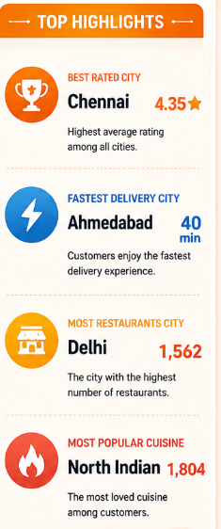
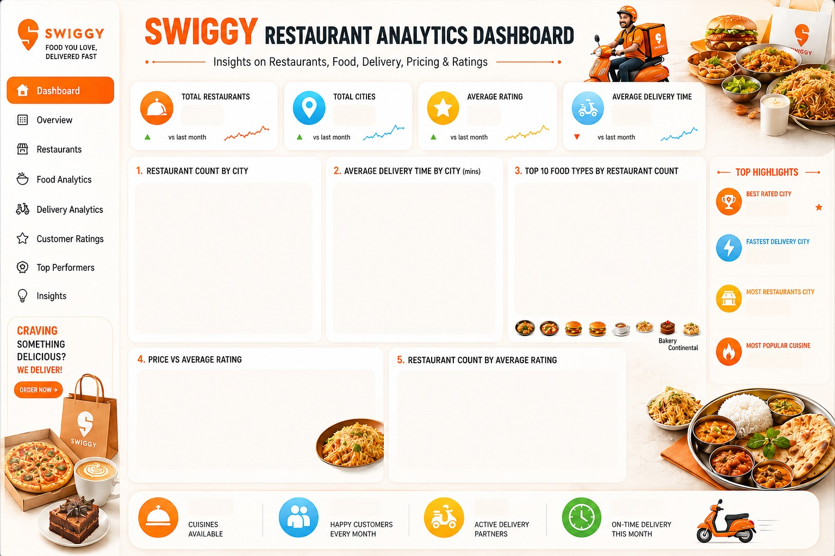
 | Total
Ahmedabad | 44.7
Mumbai | 48.3
Surat | 48.5
Hyderabad | 49.9
Bangalore | 50.5
Delhi | 50.7
Pune | 55.9
Chennai | 59.0
Kolkata | 67.8
 | Total
Indian | 389
Chinese | 277
North Indian | 246
Fast Food | 240
South Indian | 228
Desserts | 106
Indian,Chinese | 106
North Indian,Chinese | 99
Bakery | 90
Beverages | 82
 | Total
Chennai | 3.8
Bangalore | 3.8
Hyderabad | 3.7
Kolkata | 3.7
Mumbai | 3.6
Ahmedabad | 3.6
Surat | 3.6
Pune | 3.6
Delhi | 3.5
 | Total
Delhi | 611
Gujarat | 1229
Karnataka | 946
Maharashtra | 2367
Tamil Nadu | 1106
Telangana | 1075
West Bengal | 1346
8680
9
4
54 min
CITIES HAVE HIGHEST AVERAGE RATING
RESTURANT DISTRIBUTED BY STATES

insights
