Instruction
 | Agilex™ 3 Device Schematic Review Worksheet
 | Version 1.1

Prerequisite
Due to security reasons, your operating system might block the macros used by this Excel-based schematic review worksheet. To avoid errors, follow the steps below.
1. Unblock the file in the “Properties” window.
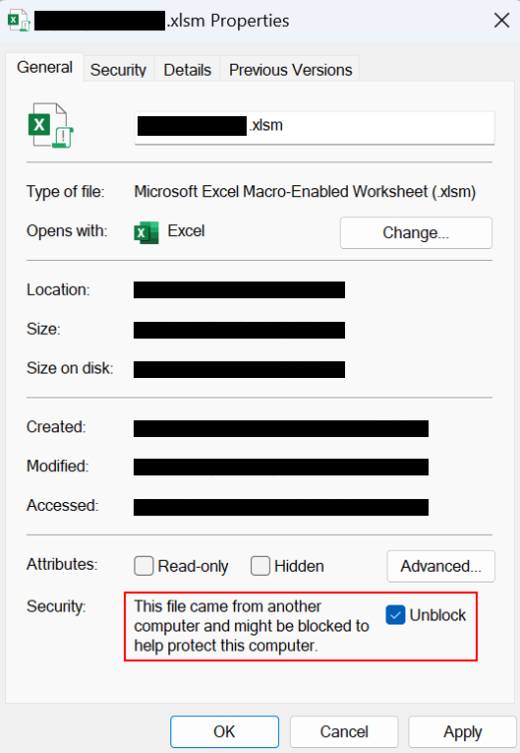
2. Select “Enable Content” or “Enable Editing” for warning messages.
3. Make sure you remove the following messages before proceeding.

Step 1 - Select a Device
1. Switch to the "DevSel" tab.
2. Select an ordering part number from the dropdown list (section A in the figure).
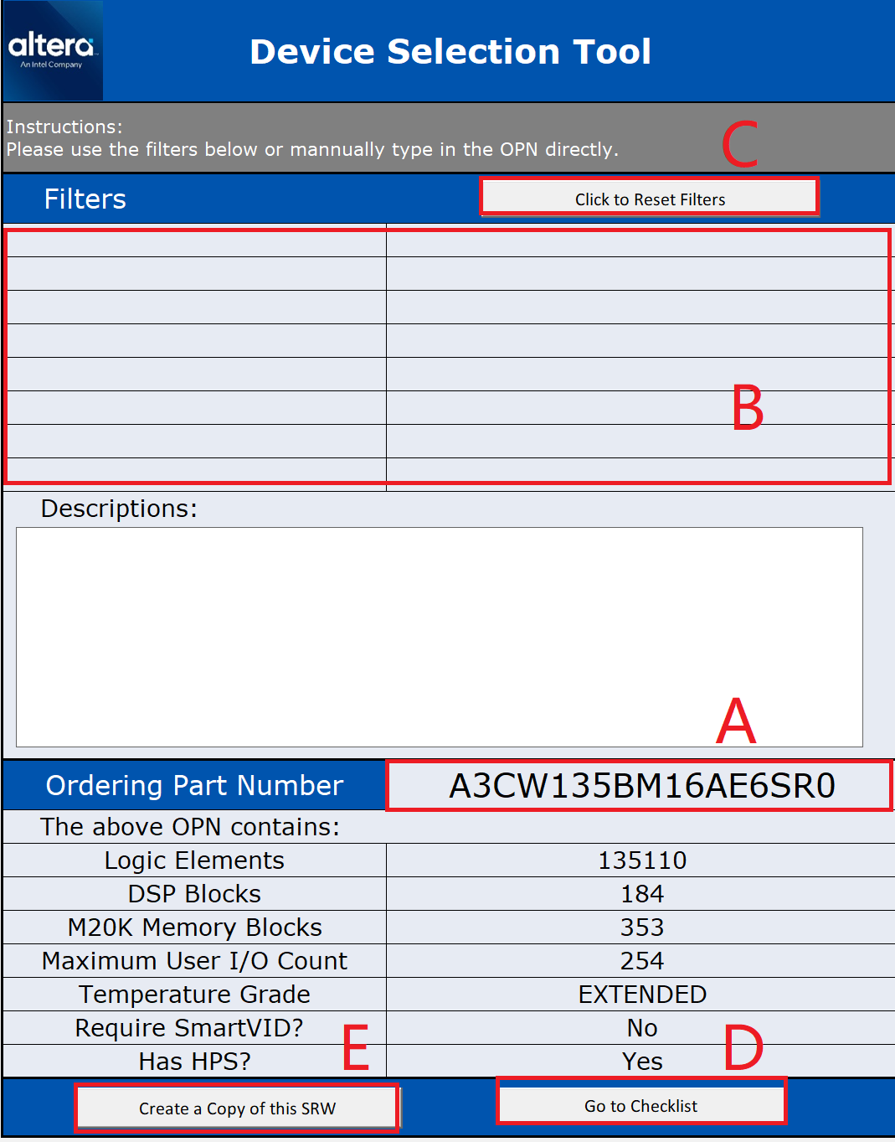
Note: You can use the filters (section B in the figure) to make the ordering part number list shorter. You can use the "Click to Reset Filters" button (section C in the figure) to reset the filters.

3. Begin reviewing the schematic by clicking the "Go to Checklist" button (section D in the figure).
Note: You can create a copy of this schematic review worksheet by clicking the "Create a Copy of this SRW" button (section E in the figure). The copied file will be saved into the same folder as this original schematic review worksheet. Make sure you have the write access to that folder.

Step 2 - Use the Checklist
1. Switch to the "Checklist" tab.
2. Adjust the global settings (section F in the figure) according to the actual use cases.
3. Use the "+" buttons (section G in the figure) to expand each technical area. Once expanded, use the "-" buttons to collapse again.
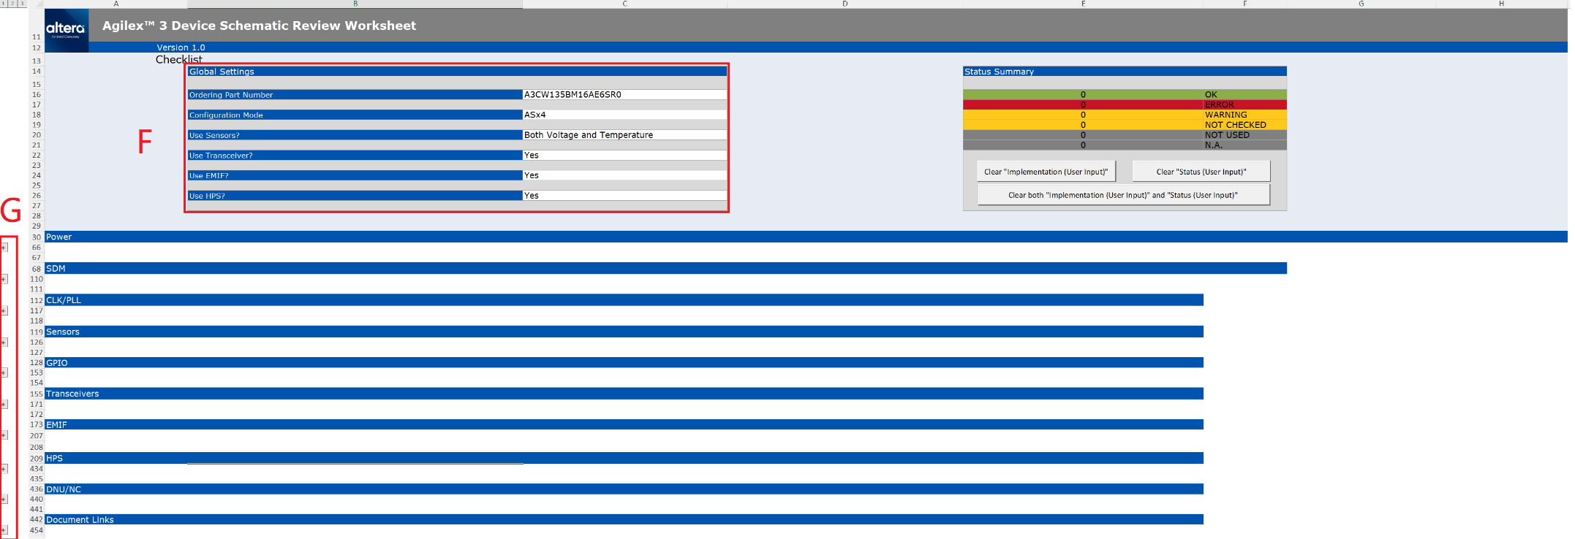
4. Some technical areas have their own settings as well. Adjust these settings (section H in the figure) to match the actual use cases.
5. Write down the review result in the "Implementation (User Input)" column (section I in the figure).
6. Select the review status from the dropdown list in the "Status (User Input)" column (section J in the figure).

7. The review status of the entire checklist can be found in the "Status Summary" table (section K in the figure). You can use the buttons below (section L in the figure) to clear the review results and/or review status.

DevSel
Device Selection Tool

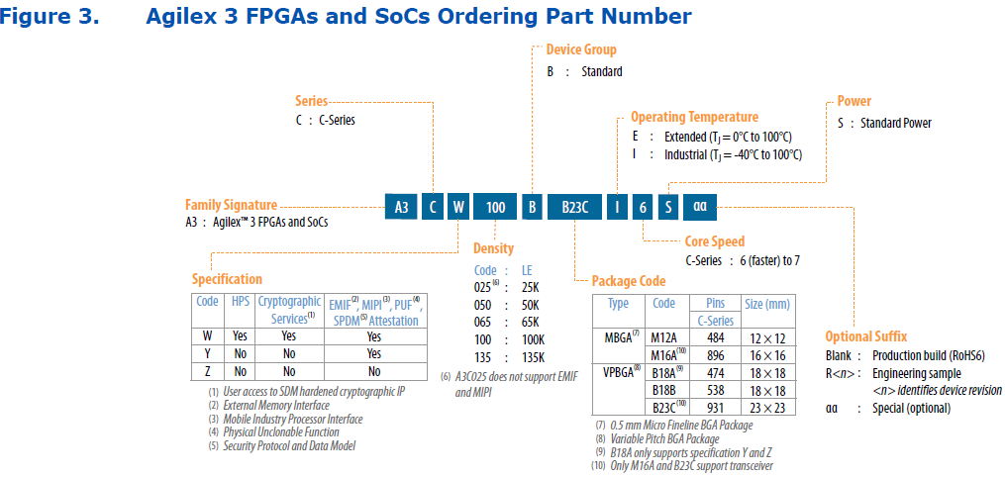
Instructions: Please use the filters below or mannually type in the OPN directly.
Filters
--Select-- | --Select--
--Select-- | --Select--
--Select-- | --Select--
--Select-- | --Select--
--Select-- | --Select--
--Select-- | --Select--
--Select-- | --Select--
--Select-- | --Select--
Descriptions:

Ordering Part Number | A3CW135BM16AI6S
The above OPN contains:
Logic Elements | 135110
DSP Blocks | 184
M20K Memory Blocks | 353
Maximum User I/O Count | 254
Temperature Grade | INDUSTRIAL
Require SmartVID？ | No
Has HPS? | Yes

