2
2. What is the ABAP Dictionary?
Response from ChatGPT:
 | What is the ABAP Dictionary?
 | The ABAP Dictionary (DDIC) is a central repository in SAP that stores the definitions of data structures used in ABAP programs, such as database tables, views, data elements, domains, and search helps.
 | It allows developers to define data objects centrally and reuse them across different ABAP programs.
 | Transaction code: SE11 — ABAP Dictionary
 | 1. Why do we use the ABAP Dictionary?
 | We use the ABAP Dictionary to:
 | Define database tables and their fields.
 | Create reusable data types.
 | Define field properties, such as data type and length.
 | Establish relationships between tables using foreign keys.
 | Provide input help using search helps.
 | Maintain consistent data definitions across SAP applications.
 | 2. Important objects in the ABAP Dictionary
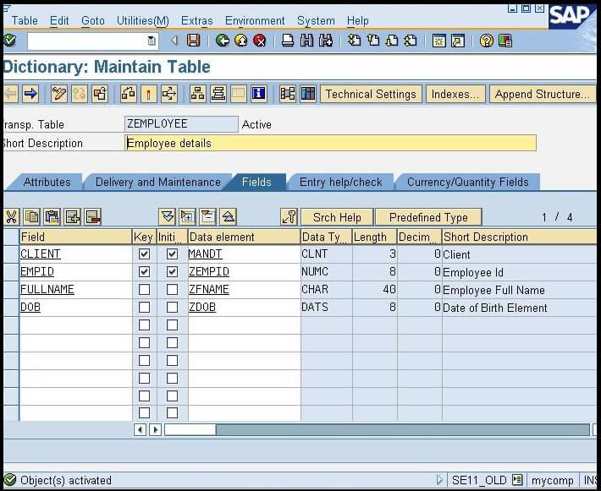
 | 1. Database Tables
 | Store business data in the database.
 | Example: VBAK stores sales order header data, and EKKO stores purchasing document header data.
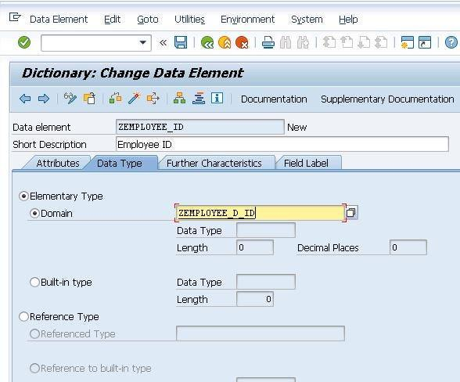
 | 2. Data Elements
 | Define the semantic meaning of a field and can provide field labels and documentation.
 | Example: EBELN represents a purchasing document number.
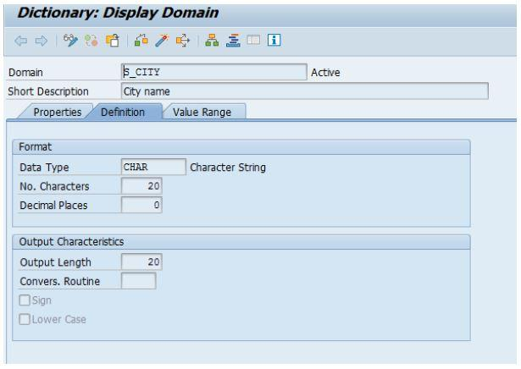
 | 3. Domains
 | Define technical properties such as data type, length, and permitted value ranges.
 | Example: A character-based domain can define a field with a specific length.
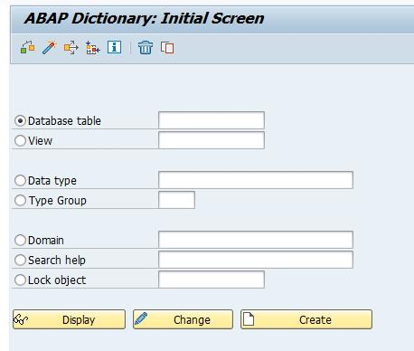
 | 4. Views
 | Present selected data from one or more related tables, depending on the view type.
 | Example: A database view can combine purchasing header and item information.
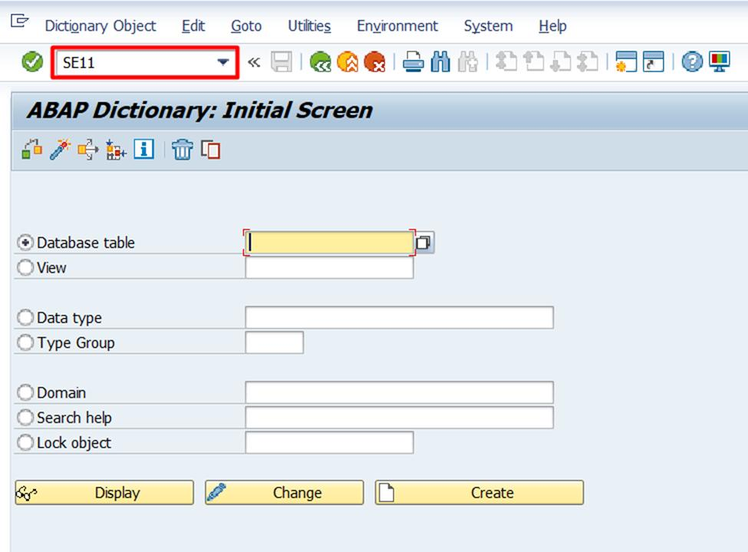
 | 5. Search Helps
 | Provide input assistance (F4 help) so users can select valid values.
 | Example: Selecting a vendor from a list.
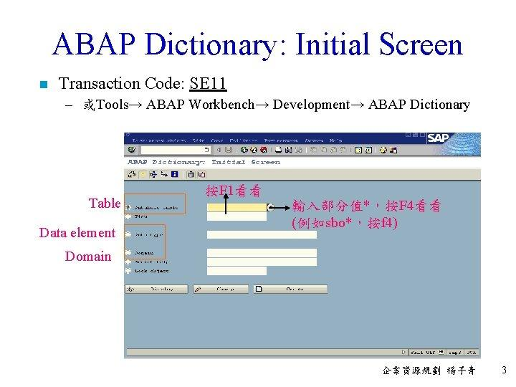
 | 6. Structures and Table Types
 | Structures group fields together without storing records themselves. Table types define the type and key behavior of internal tables.
 | 3. How are Domain, Data Element, and Table connected?
 | Consider a Purchase Order number field.
 | Domain
 | Technical properties: type and length
 | Data Element
 | Meaning, field labels and documentation
 | Table Field
 | Example: EKKO-EBELN
 | In simple terms:
 | Domain: How is the field technically defined?
 | Data element: What does the field mean?
 | Table field: Where is the field used to store business data?
 | 4. Practical example in ABAP
 | Suppose you want to retrieve a Purchase Order number from table EKKO.
 | DATA: lv_ebeln TYPE ebeln.

 | SELECT SINGLE ebeln
 | FROM ekko
 | INTO @lv_ebeln
 | WHERE ebeln = '4500001234'.

 | IF sy-subrc = 0.
 | WRITE: / lv_ebeln.
 | ELSE.
 | WRITE: / 'Purchase Order not found'.
 | ENDIF.
 | Here, TYPE ebeln uses a Dictionary-defined type, allowing the variable to follow the technical definition of the Purchase Order number.
 | You can also define your own data elements, domains, and tables in SE11 and use them in ABAP programs.
 | 5. Interview question: What is the difference between ABAP Dictionary and an ABAP program?
 | ABAP Dictionary | ABAP Program
 | Defines data objects and types. | Implements business logic.
 | Created or maintained using SE11. | Commonly created using SE38 or SE80.
 | Defines tables, structures, domains, and data elements. | Reads, processes, and displays data.
 | Provides reusable data definitions. | Uses those definitions to execute tasks.
 | Interview-ready answer:
 | “The ABAP Dictionary is a central repository in SAP used to define and manage metadata such as database tables, structures, data elements, domains, views, and search helps. These definitions are reusable across ABAP programs and help maintain data consistency.”
 | Check your understanding
 | Question: In the ABAP Dictionary, which object defines the technical data type and length of a field?
 | Data Element
 | Domain
 | Database Table
 | Search Help
Response from Claude:
 | The ABAP Dictionary (transaction SE11) is the central repository in an SAP system where all data definitions are created, stored, and managed. It’s independent of the underlying database, so you define a table or data type once, and the system creates the matching objects in whichever database it runs on (HANA, Oracle, etc.).
 | What it contains
 | Database tables: transparent tables (the most common, a 1:1 mapping to a physical DB table), plus pooled and cluster tables (older, legacy types). Fields, key definition, technical settings, indexes, and foreign keys all live here.
 | Views: database views (joins of tables), projection views, maintenance views, and help views.
 | Data types: three layers that build on each other:
 | Data elements: the semantic layer. They carry field labels, documentation, and a reference to a domain or built-in type.
 | Domains: the technical layer. They define data type, length, decimals, and optionally fixed values or a value table.
 | Structures: flat or nested groups of fields, with no database table behind them.
 | Table types: define an internal table (row type, access mode, key). Commonly used for Adobe Form interfaces and function module parameters.
 | Type groups: collections of global types and constants (older style).
 | Search helps: F4 value help definitions.
 | Lock objects: used to generate enqueue/dequeue function modules for locking data.
 | Why it matters
 | Single source of truth: change a data element or domain and every program, screen, and form that references it picks up the change.
 | Consistency and validation: foreign keys, check tables, and fixed domain values enforce data integrity and drive F4 help and input checks.
 | Database independence: the same definition works across supported databases, and the system handles creation and adjustment (via activation) automatically.
 | Reuse in ABAP code: you can reference dictionary objects directly with TYPE, for example DATA ls_inv TYPE zms_so_invoice or TYPES tt_inv TYPE zms_tt_invoice, rather than redefining fields locally.
 | Runtime support: it provides buffering settings, text tables for multilingual descriptions, and change-document or logging flags.
 | Basic workflow
 | 1. Create the domain (technical attributes).
 | 2. Create the data element (semantic meaning, labels), referencing the domain.
 | 3. Create the table or structure using those data elements.
 | 4. Set technical settings (data class, size category, buffering) for tables.
 | 5. Activate. Only active objects can be used by programs, and activation creates or alters the actual database table.
 | Related tools: SE11 for the dictionary itself, SE16/SE16N for viewing table data, SE14 for database utility and adjustments, and SE12 (display-only view of the dictionary).
 | If it helps, I can go deeper on any piece, such as how table types and structures plug into ALV or Adobe Form interfaces.
Response from Gemini:
 | The ABAP Dictionary (also known as the Data Dictionary or DDIC, transaction code SE11) is the central metadata repository within the SAP NetWeaver AS ABAP environment.
 | It defines, describes, and manages all database objects and data structures used across the SAP system. Whenever you define a data object in the ABAP Dictionary, it is automatically available to all ABAP programs, screens, and database management operations across the entire SAP system.
 | 1. Core Functions of the ABAP Dictionary
 | Central Definition: Eliminates redundancy by allowing data definitions (like data types, structures, and tables) to be defined once and reused everywhere.
 | Active Data Dictionary: Changes made to dictionary objects are automatically made available to all related database tables and ABAP programs when activated.
 | Database Independence: Acts as an abstraction layer between the underlying database (e.g., SAP HANA, Oracle, DB2) and the ABAP application layer. SQL statements written in ABAP (Open SQL) are automatically mapped to the underlying database engine using DDIC definitions.
 | Integrated Data Consistency: Enforces data integrity through domain value checks, foreign key relationships, and data type validation at both the database level and UI/screen level.
 | 2. Key Objects in the ABAP Dictionary (SE11)
 | The ABAP Dictionary categorizes objects into several core types:
 | A. Data Types & Abstractions
 | Domain: Defines the technical attributes of a field, such as data type (e.g., CHAR, NUMC, DEC), field length, decimal places, and allowed value ranges/value lists.
 | Data Element (Elementary Type): Defines the semantic meaning of a field. It points to a domain and adds user-facing attributes like field labels (short, medium, long headers for UI display), tooltip descriptions, and search help assignments.
 | Structure: A complex data type consisting of multiple components (fields) of different types. Used for temporary data storage in memory within programs.
 | Table Type: Defines the structure and row key of an internal table used in ABAP programming.
 | B. Database Objects
 | Database Table: Defines transparent, pooled, or cluster tables stored on the actual database. Contains fields mapped to Data Elements.
 | Views: Virtual tables created by combining fields from one or more database tables (e.g., Database Views, Projection Views, Maintenance Views, Help Views).
 | C. UI & Performance Enhancements
 | Search Help (F4 Help): Defines standard input help for fields on user screens, enabling users to choose valid input values from a list.
 | Lock Objects: Enables logical synchronization and concurrency control by locking records to prevent multi-user update conflicts (transaction SE11 creates function modules ENQUEUE_<name> and DEQUEUE_<name>).
 | 3. How Data Types Hierarchy Works
 | The ABAP Dictionary uses a 3-tier modular architecture for field definitions:
 | Plaintext
 | +-------------------------------------------------------+
 | | DOMAIN | --> Technical Specs
 | | (e.g., CHAR, length 10, uppercase only) | (Type, Length, Value Range)
 | +-------------------------------------------------------+
 | ^
 | |
 | +-------------------------------------------------------+
 | | DATA ELEMENT | --> Semantic Meaning
 | | (e.g., KUNNR - Customer Number, Labels) | (UI Labels, Search Help)
 | +-------------------------------------------------------+
 | ^
 | |
 | +-------------------------------------------------------+
 | | DATABASE TABLE / STRUCTURE | --> Actual Usage
 | | (e.g., KNA1 - Customer Master Table field) | (Fields & Records)
 | +-------------------------------------------------------+
 | 4. Key Advantages
 | 1. Automatic Screen Formatting: Fields mapped to DDIC data elements automatically display the correct screen labels, lengths, and formatting across SAP GUI and Fiori applications.
 | 2. Automatic Input Validation: Foreign keys and domain fixed values defined in the dictionary automatically validate user input on input screens.
 | 3. Lifecycle Management: Changes made in transaction SE11 automatically adjust database tables during activation using ABAP Dictionary conversion routines.

9
9. What is SAP HANA and how does it affect ABAP development?
Response from ChatGPT:
 | What is SAP HANA, and how does it affect ABAP development?
 | 1. What is SAP HANA?
 | SAP HANA (High-performance Analytic Appliance) is an in-memory database developed by SAP. It stores and processes data primarily in memory (RAM), allowing applications to retrieve and analyze large amounts of data very quickly.
 | In traditional databases, data processing often involves reading data from disk. SAP HANA uses in-memory processing and optimized data structures to accelerate database operations.
 | For example, in an SAP system, when you retrieve sales order data from tables such as VBAK and VBAP, SAP HANA can process those database queries efficiently.
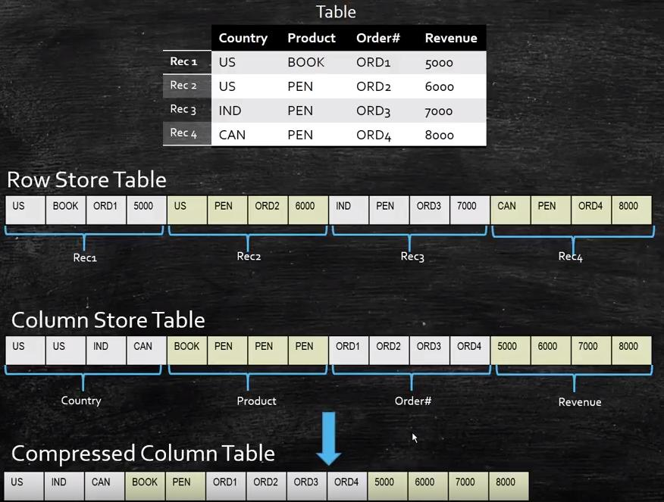
 | continuetochallenge.tistory.com
 | 2. How does SAP HANA affect ABAP development?
 | SAP HANA changes how ABAP developers should write database-intensive programs. The focus is on code pushdown, efficient database access, and reducing unnecessary data transfer between the database and the ABAP application server.
 | Here are the main effects:
 | 1. Improved performance
 | HANA can process large volumes of data quickly, but inefficient ABAP code can still cause performance problems. Developers should avoid unnecessary database reads and repeated queries inside loops.
 | 2. Code pushdown
 | Instead of fetching large amounts of data into ABAP internal tables and processing everything in the application server, push suitable calculations, filtering, joins, and aggregations to the database using ABAP SQL, CDS views, or other appropriate database features.
 | 3. Modern ABAP SQL and CDS views
 | Developers can use modern ABAP SQL syntax and Core Data Services (CDS) views to combine and retrieve data efficiently. CDS views also help define reusable data models.
 | 4. Performance optimization
 | Tools such as ST05 (SQL Trace) and SAT (ABAP Runtime Analysis) help developers identify expensive database statements and ABAP processing.
 | 3. Practical ABAP example: Before and after optimization
 | Suppose you need to retrieve sales order items from VBAP for a particular sales order.
 | Example A: Fetch data and process it in ABAP
 | SELECT *
 | FROM vbap
 | INTO TABLE @DATA(lt_items)
 | WHERE vbeln = @p_vbeln.
 | LOOP AT lt_items INTO DATA(ls_item).
 | "Perform additional calculations here
 | ENDLOOP.
 | This example retrieves all columns for the matching sales order items. If you need only three fields, retrieving every column is unnecessary.
 | Example B: Retrieve only the required data
 | SELECT vbeln,
 | posnr,
 | matnr
 | FROM vbap
 | WHERE vbeln = @p_vbeln
 | INTO TABLE @DATA(lt_items).
 | Why is Example B preferable?
 | It retrieves only the required columns.
 | It reduces the amount of data transferred to the ABAP application server.
 | It can improve performance, especially when processing large datasets.
 | The improvement comes from efficient data access, not simply from using HANA. SAP's guidance emphasizes minimizing transferred data and using code pushdown where appropriate.
 | 4. Important technologies for ABAP developers working with HANA
 | Technology | Purpose
 | ABAP SQL | Retrieve and manipulate database data using ABAP's database abstraction.
 | CDS Views | Define reusable data models, joins, associations, and semantic annotations.
 | AMDP | Implement database procedures in SQLScript when database-side logic is appropriate and supported.
 | ALV with IDA | Display large datasets using database-optimized access where supported.
 | ST05 | Trace SQL statements and analyze database access.
 | CDS views and AMDP are important techniques for implementing code pushdown in SAP HANA-based systems.
 | SAP Community+1
 | 5. Interview question: Does SAP HANA mean we no longer need to optimize ABAP code?
 | Answer: No.
 | SAP HANA improves database processing performance, but poorly written ABAP can still create bottlenecks.
 | For example, avoid unnecessary SELECT statements inside loops, retrieve only the columns you need, use suitable joins or CDS views, and analyze slow programs using ST05 and SAT.
 | 6. Short interview-ready answer
 | SAP HANA is SAP's in-memory database that enables fast transaction processing and real-time analytics. It affects ABAP development by encouraging code pushdown, where data-intensive calculations and filtering are performed at the database level instead of transferring large amounts of data to the application server. ABAP developers use modern ABAP SQL, CDS views, and AMDP where appropriate to improve performance and build efficient applications.
 | Remember this key concept: SAP HANA brings fast data processing; good ABAP development ensures that the system uses that capability efficiently.
Response from Claude:
 | SAP HANA is SAP’s in-memory, column-oriented relational database. Instead of reading data from disk into the application server and processing it there, HANA keeps data in RAM and can run heavy calculations inside the database itself. It also supports row storage, compression, parallel processing across CPU cores, and built-in engines for text search, spatial, graph and predictive analytics. S/4HANA, SAP’s current ERP suite, runs only on HANA.
 | How it changes ABAP development
 | The core shift: code pushdown. In classic ABAP, you often did SELECT to pull rows into an internal table, then looped and aggregated in the application server. With HANA, the guidance is to push computation down to the database, so only the results travel to ABAP.
 | Key changes in practice:
 | Open SQL got much richer. You can now use SUM, AVG, CASE, COALESCE, arithmetic expressions, string functions, joins, subqueries and UNION directly in SELECT, with the newer inline syntax (@DATA(...), @variable host variables).
 | abap
 | SELECT vbeln,
 | SUM( netwr ) AS total_net,
 | COUNT(*) AS item_count
 | FROM vbrp
 | WHERE fkdat IN @s_date
 | GROUP BY vbeln
 | INTO TABLE @DATA(lt_totals).
 | CDS views (Core Data Services). These are the main modeling tool: you define views with annotations, associations and calculated fields once, and reuse them across ABAP, Fiori/OData and analytics. Many standard SAP objects are now CDS-based (e.g. I_BillingDocument).
 | ABAP Managed Database Procedures (AMDP). When Open SQL or CDS isn’t enough, you can write SQLScript inside an ABAP class method and run it natively on HANA.
 | Less need for old optimization habits. SELECT * still isn’t great, but things like manual aggregate tables, secondary indexes, and nested SELECT ... ENDSELECT workarounds matter less. Reading fewer columns matters more now because of the column store.
 | Data model simplification. In S/4HANA, many old tables were merged or removed (e.g. KONV replaced by PRCD_ELEMENTS, BSEG index tables gone, material document tables consolidated into MATDOC). Custom code that touches them needs adapting.
 | New tooling. ABAP Development Tools (ADT) in Eclipse is where CDS, AMDP and modern ABAP are developed. The ABAP Test Cockpit with SAP HANA-specific checks, and custom code migration tools, help find incompatibilities.
 | UI and reporting layer. ALV reports and classic dynpro still work, but new development tends toward Fiori, RAP (the RESTful ABAP Programming Model) and CDS-based analytical queries.
 | What to keep doing
 | Good fundamentals still apply: use proper WHERE clauses, avoid selecting inside loops, and test with realistic volumes. HANA is fast, but poorly written code can still be slow and memory-hungry.
 | Practical advice for existing reports
 | For something like an ALV report reading billing documents, a sensible modernization path is:
 | 1. Run the ABAP Test Cockpit’s HANA-specific checks and the performance trace (SAT / ST05) to find real hotspots.
 | 2. Replace SELECT-then-LOOP aggregation with SQL aggregation and joins.
 | 3. Move shared logic into a CDS view if multiple reports need it.
 | 4. Only reach for AMDP when SQL expressions can’t do the job.
 | If you’d like, I can show a before-and-after example converting a typical loop-based invoice report into a pushdown-style SELECT.
Response from Gemini:
 | What is SAP HANA?
 | SAP HANA (High-Performance Analytic Appliance) is an in-memory, column-oriented relational database management system and application platform.
 | Unlike traditional databases that store data primarily on hard disks (HDD) or solid-state drives (SSD) and load data into memory only when queried, SAP HANA stores and processes its primary data directly in main memory (RAM). This eliminates the traditional bottleneck of disk I/O, allowing for massive volumes of transactional (OLTP) and analytical (OLAP) data to be processed in real-time.
 | Key characteristics of SAP HANA include:
 | In-Memory Technology: Data resides entirely in RAM, enabling lightning-fast read/write operations and complex calculations on the fly.
 | Columnar Storage: Data is stored in columns rather than traditional rows. This significantly improves data compression and speeds up aggregations and analytical queries because the database only reads the specific columns requested.
 | Parallel Processing: HANA leverages multi-core CPUs to process database queries concurrently across multiple threads.
 | ACID Compliance: Despite being in-memory, it ensures full transactional consistency and persistence through data backups and transaction logs written to non-volatile storage.
 | How SAP HANA Affects ABAP Development
 | SAP HANA fundamentally transformed how ABAP developers write code. Traditionally, the golden rule of ABAP performance was "transport data to the code"—meaning you fetched large tables from the database into ABAP internal tables and processed the loops, filtering, and calculations inside the application server.
 | With SAP HANA, the paradigm shifted to "code-to-data" (or Code Pushdown). Instead of moving heavy data to the application server, you push database-intensive operations down to the database layer where SAP HANA can execute them instantly.
 | Here is how SAP HANA impacts modern ABAP development:
 | 1. The "Code Pushdown" Paradigm
 | Old Way: Selecting thousands of rows into an internal table (SELECT * FROM ...), then using ABAP LOOP, READ TABLE, or nested loops to aggregate, sort, or filter.
 | HANA Way: Performing filtering, joins, aggregations, and sorting directly in the SQL/Open SQL statement at the database level, returning only the exact dataset needed.
 | 2. Enhancements to Open SQL
 | SAP heavily enhanced ABAP Open SQL to support advanced database features natively. Modern ABAP developers routinely use:
 | Enhanced Joins and Path Expressions: Complex joins and CDS view associations executed directly by the database.
 | Built-In SQL Functions: String manipulation, mathematical functions, and casting functions executed in the database layer.
 | ABAP Managed Database Procedures (AMDP): Writing database procedures directly in ABAP using SQLScript (HANA’s native scripting language) for heavy-duty calculations.
 | 3. Core Data Services (CDS Views)
 | ABAP CDS is a cornerstone of modern ABAP development on HANA. It allows developers to define semantically rich data models on the database layer. CDS views support annotations, advanced joins, unions, and authorizations, enabling the database to handle heavy analytical modeling rather than leaving it to ABAP application logic.
 | 4. Shift in Performance Optimization
 | In legacy database environments, tuning often involved creating secondary database indexes, table buffering, or complex application-server caching.
 | In SAP HANA, many traditional indexes are obsolete because the columnar store makes scanning columns extremely fast. Optimization now focuses on writing clean, efficient Open SQL statements and leveraging CDS views and AMDPs.
 | Summary: For an ABAP developer, SAP HANA means moving away from looping through large internal tables on the application server and moving toward leveraging the database's massive in-memory power using CDS Views, AMDPs, and enhanced Open SQL.
 | Would you like to explore how to optimize a specific ABAP SQL query or look at an example of transitioning a traditional loop into a Code Pushdown approach?

10
10. What is an object?
Response from ChatGPT:
 | What is an Object in ABAP?
 | An object in ABAP Object-Oriented Programming (OOP) is a runtime instance of a class. It contains data (attributes) and provides behavior (methods) to work with that data.
 | In simple terms:
 | Class = Blueprint or design.
 | Object = Actual instance created from that blueprint.
 | Attributes = Data or properties of an object.
 | Methods = Actions an object can perform.
 | Real-world example

 | Class: Car
 | The blueprint defines properties such as color and speed, and actions such as start and stop.

 | Object: My Car
 | An actual car created using the blueprint, with its own color and speed values.
 | Similarly, in ABAP, we define a class in SE24 and create an object from that class in an ABAP program.
 | ABAP example
 | Suppose we have a class called ZCL_EMPLOYEE.
 | Step 1: Create the class in SE24
 | Define these attributes and methods in the class.
 | Attribute: MV_NAME
 | Method: DISPLAY_NAME
 | Step 2: Implement the method
 | METHOD display_name.
 | WRITE: / mv_name.
 | ENDMETHOD.
 | Step 3: Create an object in SE38
 | REPORT z_object_demo.
 | DATA: lo_employee TYPE REF TO zcl_employee.
 | CREATE OBJECT lo_employee.
 | lo_employee->mv_name = 'Rahul'.
 | lo_employee->display_name( ).
 | Here is what each statement means:
 | Statement | Purpose
 | TYPE REF TO zcl_employee | Declares an object reference variable.
 | CREATE OBJECT lo_employee | Creates an instance of the class.
 | lo_employee->mv_name | Accesses the object's attribute.
 | lo_employee->display_name( ) | Calls the object's method.
 | Expected output:
 | Rahul
 | Note: For this example, MV_NAME and DISPLAY_NAME must have suitable visibility, such as PUBLIC SECTION, for direct access from the report.
 | Important interview points
 | 1. An object is a runtime instance of a class.
 | 2. A class can have multiple objects.
 | 3. Each object can maintain its own instance attribute values.
 | 4. The CREATE OBJECT statement creates an object; modern ABAP also supports NEW.
 | 5. The -> operator accesses instance attributes and calls instance methods.
 | Interview-ready answer: An object in ABAP is an instance of a class created at runtime. It contains its own data through attributes and provides functionality through methods. We typically create an object using CREATE OBJECT or NEW and access its instance components using the -> operator.
Response from Claude:
 | An object is a self-contained unit that bundles together data (called attributes or properties) and behavior (called methods or functions that operate on that data). It’s the core building block of object-oriented programming (OOP).
 | Real-world analogy: A car is an object. Its data includes color, speed, and fuel level. Its behavior includes accelerate, brake, and refuel.
 | In programming terms:
 | A class is the blueprint or template that defines what data and methods an object will have.
 | An object is a specific instance created from that class, with its own actual values.
 | Example in Python:
 | python
 | class Car:
 | def __init__(self, color, speed):
 | self.color = color # attribute
 | self.speed = speed # attribute
 | def accelerate(self): # method
 | self.speed += 10
 | my_car = Car("red", 0) # my_car is an object
 | my_car.accelerate()
 | print(my_car.speed) # 10
 | Why objects matter:
 | Encapsulation: data and the code that works on it stay together, and internal details can be hidden.
 | Reusability: one class can produce many objects.
 | Modularity: each object has a clear responsibility, which makes large programs easier to manage.
 | In ABAP (since you work with SAP): objects work the same way. You define a class with CLASS ... DEFINITION and IMPLEMENTATION, then create an object with CREATE OBJECT or NEW:
 | abap
 | DATA(lo_invoice) = NEW zcl_invoice( ).
 | lo_invoice->print( ).
 | Here lo_invoice is an object (an instance of zcl_invoice), and print is one of its methods.
 | If you meant “object” in a different context (such as SAP business objects, JavaScript objects, or the philosophical sense), let me know and I’ll tailor the answer.
Response from Gemini:
 | The definition of an object depends heavily on the context in which you are using it. Here is how it is defined across the most common fields:
 | 1. Object-Oriented Programming (OOP)
 | In computer science and programming, an object is a self-contained building block of a program that bundles together both data (attributes or properties) and behaviors (functions or methods).
 | Instance of a Class: An object is created from a blueprint called a class. For example, if Car is a class, then a specific red sports car with a V8 engine is an object.
 | Encapsulation: Objects allow programmers to group related data and operations together, making code modular and reusable.
 | 2. Physics and Everyday Life
 | In the physical world, an object is any material entity that:
 | Has mass and takes up physical space (volume).
 | Can be perceived by the senses (seen, touched, etc.).
 | Can be acted upon by forces (e.g., a ball, a chair, or a planet).
 | 3. Grammar
 | In linguistics and grammar, an object is a part of a sentence that is affected by the action of the verb or follows a preposition.
 | Direct Object: Receives the action of the verb directly (e.g., in "She kicked the ball", "the ball" is the direct object).
 | Indirect Object: Receives the direct object (e.g., in "I gave him the book", "him" is the indirect object).
 | Are you looking for an explanation of an object in a specific programming language or context, such as SAP ABAP or general software development?

