Introduction
Johnson & Johnson Stock Analysis

Group 3
Aashish Kurimilla - W0833509
Nrupendra Kumar - W0836757
Sai Anudeep Janapareddy - W0836698
Chaithanya Keshavabhakthula - W0851954
Syed Mohmed Yousuf Ismail Maraika - W0837472

Sheet | Content
JNJ 5 year data | The stock price of JNJ from year 2020 to 2024
CAPM | Capital Asset Pricing Model of JNJ stock
Dividend Growth Model | Dividend Growth model of JNJ stock
 | Financial ratios of JNJ stock based on the Financial statements.
Financial Ratios | Calculated 6 profitability ratios, 3 liquidity ratios, price-to-earning ratio,
 | dividend payout ratio, debt-to-equity, and the organization's sustainable growth rate.

CAPM
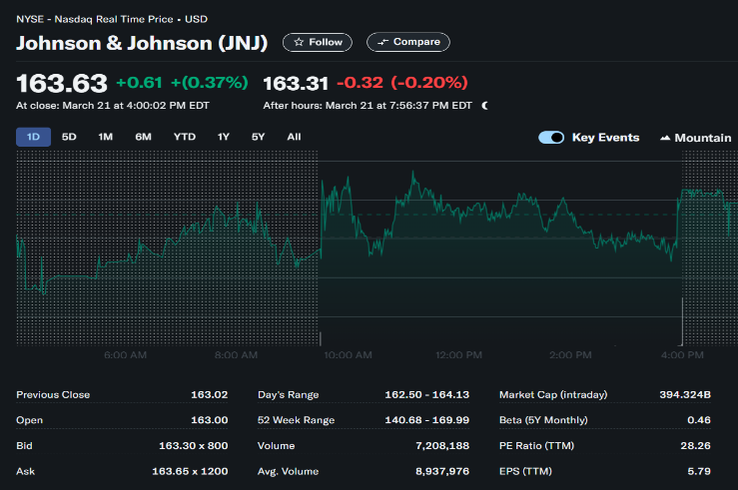
Price | Close |  | Close
Ticker | JNJ | R-JNJ | S&P500 | R-market
Date
2020-01-01 | 128.55952454 |  | 3225.5200195
2020-02-01 | 116.13275146 | 0.90333837095 | 2954.2199707 | 0.91588951636
2020-03-01 | 113.96190643 | 0.98130721089 | 2584.5900879 | 0.87488071759
2020-04-01 | 130.39610291 | 1.1442078058 | 2912.4299316 | 1.1268440382 | Beta Value (22 March 2025) | 0.46
2020-05-01 | 129.2749939 | 0.99140228133 | 3044.3100586 | 1.0452818197
2020-06-01 | 123.06535339 | 0.95196564845 | 3100.2900391 | 1.0183883965
2020-07-01 | 127.55458069 | 1.0364784009 | 3271.1201172 | 1.0551013215
2020-08-01 | 134.24909973 | 1.0524835643 | 3500.3100586 | 1.0700646669
2020-09-01 | 131.15206909 | 0.97693071577 | 3363 | 0.96077202982
2020-10-01 | 120.78356171 | 0.92094286078 | 3269.9599609 | 0.97233421378 | rm value | 0.010234042581 | monthly
2020-11-01 | 127.45217133 | 1.0552112351 | 3621.6298828 | 1.1075456354 |  | 0.12996239345 | yearly
2020-12-01 | 139.60327148 | 1.0953385104 | 3756.0700684 | 1.0371214591
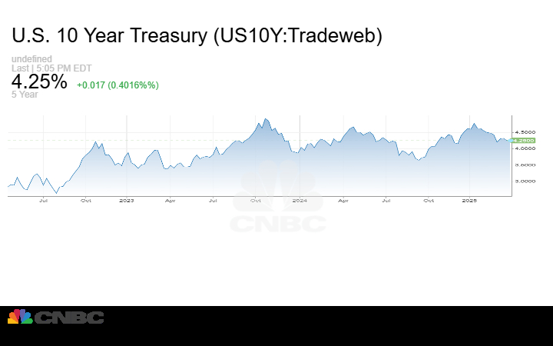
2021-01-01 | 144.70379639 | 1.0365358551 | 3714.2399902 | 0.98886333924
2021-02-01 | 140.56126404 | 0.97137233126 | 3811.1499023 | 1.0260914514
2021-03-01 | 146.69506836 | 1.0436379422 | 3972.8898926 | 1.0424386325
2021-04-01 | 145.24911499 | 0.99014313579 | 4181.1699219 | 1.0524253213 | rf value (22 March 2025) | 0.0425
2021-05-01 | 151.06869507 | 1.0400661999 | 4204.1098633 | 1.0054864887
2021-06-01 | 147.96058655 | 0.97942585974 | 4297.5 | 1.0222140096
2021-07-01 | 154.66072083 | 1.0452832368 | 4395.2597656 | 1.0227480548 | CAPM Model formula | RA = rf+beta(rm-rf)
2021-08-01 | 155.49601746 | 1.0054008324 | 4522.6801758 | 1.0289904163 | RA value | 8.2733%
2021-09-01 | 145.91255188 | 0.93836841784 | 4307.5400391 | 0.9524308312
2021-10-01 | 147.15931702 | 1.0085446051 | 4605.3798828 | 1.0691438364
2021-11-01 | 140.88011169 | 0.95733056221 | 4567 | 0.99166629382
2021-12-01 | 155.57121277 | 1.1042808733 | 4766.1801758 | 1.0436129135
2022-01-01 | 156.68067932 | 1.0071315672 | 4515.5498047 | 0.94741483497
2022-02-01 | 149.66011047 | 0.95519186617 | 4373.9399414 | 0.96863950805
2022-03-01 | 162.2077179 | 1.0838406933 | 4530.4101562 | 1.0357732884
2022-04-01 | 165.16398621 | 1.0182252013 | 4131.9301758 | 0.9120432882
2022-05-01 | 164.31278992 | 0.99484635659 | 4132.1499023 | 1.0000531777
2022-06-01 | 163.50798035 | 0.99510196637 | 3785.3798828 | 0.91608000007
2022-07-01 | 160.75382996 | 0.98315586564 | 4130.2900391 | 1.0911163917
2022-08-01 | 148.61349487 | 0.9244787195 | 3955 | 0.95755987173
2022-09-01 | 151.48518372 | 1.0193232038 | 3585.6201172 | 0.90660432799
2022-10-01 | 161.32392883 | 1.0649485638 | 3871.9799805 | 1.0798634138
2022-11-01 | 165.06098938 | 1.0231649488 | 4080.1101074 | 1.0537528934
2022-12-01 | 164.86642456 | 0.99882125498 | 3839.5 | 0.94102852593
2023-01-01 | 152.51893616 | 0.92510610674 | 4076.6000977 | 1.0617528578
2023-02-01 | 143.03666687 | 0.93782890488 | 3970.1499023 | 0.97388750607
2023-03-01 | 145.7010498 | 1.0186272722 | 4109.3100586 | 1.0350516126
2023-04-01 | 153.87915039 | 1.0561293182 | 4169.4799805 | 1.0146423417
2023-05-01 | 145.75746155 | 0.94722034257 | 4179.8300781 | 1.0024823474
2023-06-01 | 156.76385498 | 1.0755116981 | 4450.3798828 | 1.0647274649
2023-07-01 | 158.66751099 | 1.0121434626 | 4588.9599609 | 1.0311389324
2023-08-01 | 153.1269989 | 0.965080992 | 4507.6601562 | 0.98228360993
2023-09-01 | 148.58169556 | 0.97031677381 | 4288.0498047 | 0.95128063253
2023-10-01 | 141.51274109 | 0.95242378651 | 4193.7998047 | 0.97802031126
2023-11-01 | 147.54185486 | 1.0426047416 | 4567.7998047 | 1.0891792688
2023-12-01 | 150.72355652 | 1.0215647395 | 4769.8300781 | 1.0442292312
2024-01-01 | 152.80062866 | 1.0137806736 | 4845.6499023 | 1.0158957076
2024-02-01 | 155.18547058 | 1.01560754 | 5096.2700195 | 1.0517206406
2024-03-01 | 153.27287292 | 0.9876754077 | 5254.3500977 | 1.0310187799
2024-04-01 | 140.09561157 | 0.91402743942 | 5035.6899414 | 0.95838492826
2024-05-01 | 142.11096191 | 1.0143855351 | 5277.5097656 | 1.0480211902
2024-06-01 | 142.76158142 | 1.00457825 | 5460.4799805 | 1.0346698013
2024-07-01 | 154.17977905 | 1.079980885 | 5522.2998047 | 1.0113213169
2024-08-01 | 162.00349426 | 1.050744107 | 5648.3999023 | 1.0228347069
2024-09-01 | 159.49331665 | 0.98450541068 | 5762.4799805 | 1.0201968841
2024-10-01 | 157.32817078 | 0.98642484889 | 5705.4501953 | 0.9901032567
2024-11-01 | 152.55497742 | 0.9696609111 | 6032.3798828 | 1.0573012955
2024-12-01 | 143.47155762 | 0.9404580568 | 5881.6298828 | 0.97500986295

Dividend Growth Model
Date | Dividend | Total DSP (Annual)
Nov 26 2024 | 1.24 | 4.91 | Dividend Growth rate (g) | 0.042892835674
Aug 27 2024 | 1.24
May 20 2024 | 1.24 |  | Required Return | 0.082732700986
Feb 16 2024 | 1.19
Nov 20 2023 | 1.19 | 4.70 | Dividend Growth Model Formula = | D1 / (r-g)
Aug 25 2023 | 1.19
May 22 2023 | 1.19 |  | D1 (Expected dividend next year) | 5.1206038232 | (next year's dividend)
Feb 17 2023 | 1.13 |  | r | 8.273%
Nov 21 2022 | 1.13 | 4.45 | g | 4.289%
Aug 22 2022 | 1.13
May 23 2022 | 1.13 |  | JNJ’s intrinsic value based on DGM | 128.52964695 | per share
Feb 18 2022 | 1.06
Nov 22 2021 | 1.06 | 4.19
Comparison with Market Price The JNJ's current stock price is $163.63 per share. Since DGM estimates $128.52 per share, this suggests JNJ might be overvalued under the dividend growth model. However, real-world factors (interest rates, risk, company performance) should also be considered.
Aug 23 2021 | 1.06
May 24 2021 | 1.06
Feb 22 2021 | 1.01
Nov 23 2020 | 1.01 | 3.98
Aug 24 2020 | 1.01
May 22 2020 | 1.01
Feb 24 2020 | 0.95

Data from EDGAR-->
The following sheets Income statement, Balance sheet and Earnings per share are extracted from the 10-k Financial statement of Johnson & Johnson company.
Link: https://www.sec.gov/cgi-bin/viewer?action=view&cik=200406&accession_number=0000200406-25-000038&xbrl_type=v#

