Data Analysis
SoilType | Count of FarmID | Average of Pesticide_L/ha | Average of Temperature_C | Average of Rainfall_mm | Average of Yield_Tons/ha | Average of Fertilizer_kg/ha
Clay | 74.0 | 2.1 | 21.7 | 616.6 | 5.1 | 196.2
Loam | 67.0 | 2.1 | 22.0 | 611.3 | 5.0 | 199.4
Sandy | 59.0 | 2.1 | 21.7 | 619.2 | 5.1 | 192.5
Average Yield vs Average Fertilizer by SoilType
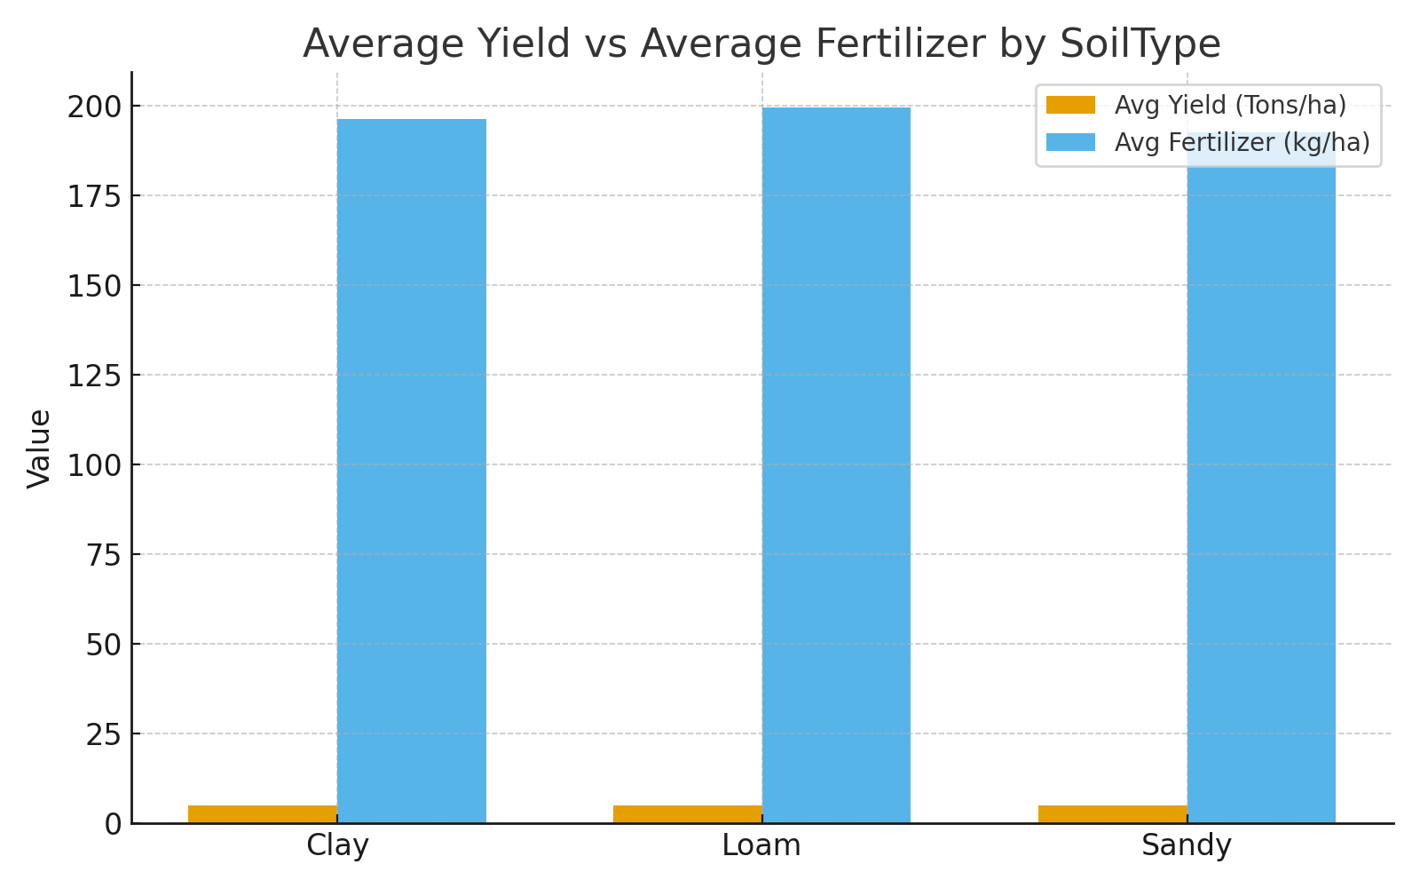

SoilType | Average of Yield_Tons/ha | Average of Fertilizer_kg/ha
Clay | 5.1 | 196.2
Loam | 5.0 | 199.4
Sandy | 5.1 | 192.5

Yield_Category | Average of Yield_Tons/ha | Average of Fertilizer_kg/ha
Medium Yield | 4.0 | 181.9
High Yield | 6.6 | 217.8
Low Yield | 2.5 | 156.5

Average of Yield_Tons/ha | SoilType
Year | Clay | Loam | Sandy | Grand Total
2015 | 4.4 | 3.6 | 5.3 | 4.3
2016 | 5.1 | 4.2 | 5.7 | 5.0
2017 | 5.8 | 5.2 | 4.8 | 5.2
2018 | 5.8 | 5.5 | 5.9 | 5.7
2019 | 5.6 | 5.0 | 4.6 | 5.2
2020 | 5.8 | 5.1 | 4.2 | 5.0
2021 | 4.5 | 5.0 | 5.2 | 5.0
2022 | 5.0 | 4.5 | 5.7 | 5.0
2023 | 4.8 | 5.5 | 3.7 | 4.7
2024 | 4.2 | 6.2 | 5.3 | 5.3

