6-21
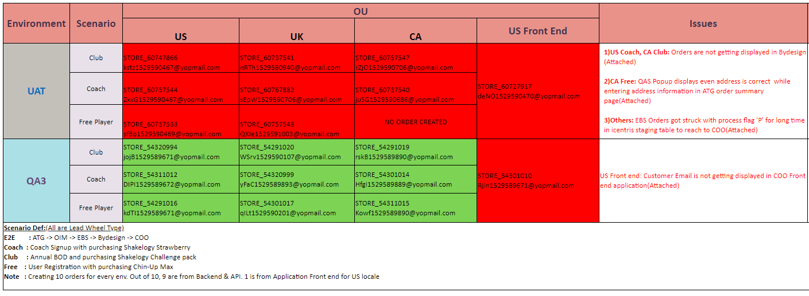

7-18
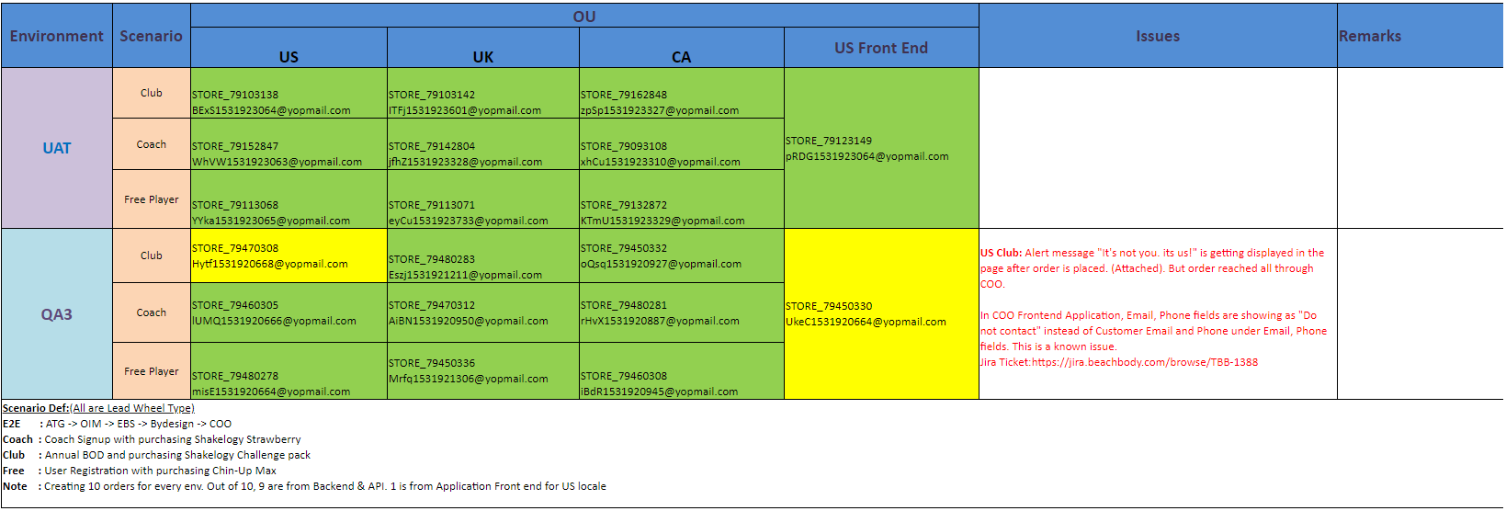
Environment | Scenario | OU |  |  |  | Issues | Remarks | Environment Usage | Impact
 |  | US | UK | CA | US Front End
UAT | Club |  |  |  |  |  |  | N/A | N/A
 | Coach
 | Free Player
QA3 | Club | STORE_79470308 Hytf1531920668@yopmail.com | STORE_79480283 Eszj1531921211@yopmail.com | STORE_79450332 oQsq1531920927@yopmail.com | STORE_79450330 UkeC1531920664@yopmail.com | US Club: Alert message "It's not you.its us!" is getting displayed in the page after order is placed. (Attached) In COO Frontend Application, Email, Phone fields are showing as "Do not contact" instead of Customer Email and Phone under Email, Phone fields. This is a known issue. Jira Ticket:https://jira.beachbody.com/browse/TBB-1388 |  | Sprint Activities: · Commerce Tech – Sprint 12 · BOD Tokens into TBB – Sprint 2 | Delays in testing functional tickets for current Sprints
 | Coach | STORE_79460305 lUMQ1531920666@yopmail.com | STORE_79470312 AiBN1531920950@yopmail.com | STORE_79480281 rHvX1531920887@yopmail.com
 | Free Player | STORE_79480278 misE1531920664@yopmail.com | STORE_79450336 Mrfq1531921306@yopmail.com | STORE_79460308 iBdR1531920945@yopmail.com
Scenario Def:(All are Lead Wheel Type) E2E : ATG -> OIM -> EBS -> Bydesign -> COO Coach : Coach Signup with purchasing Shakelogy Strawberry Club : Annual BOD and purchasing Shakelogy Challenge pack Free : User Registration with purchasing Chin-Up Max Note : Creating 10 orders for every env. Out of 10, 9 are from Backend & API. 1 is from Application Front end for US locale

1-11
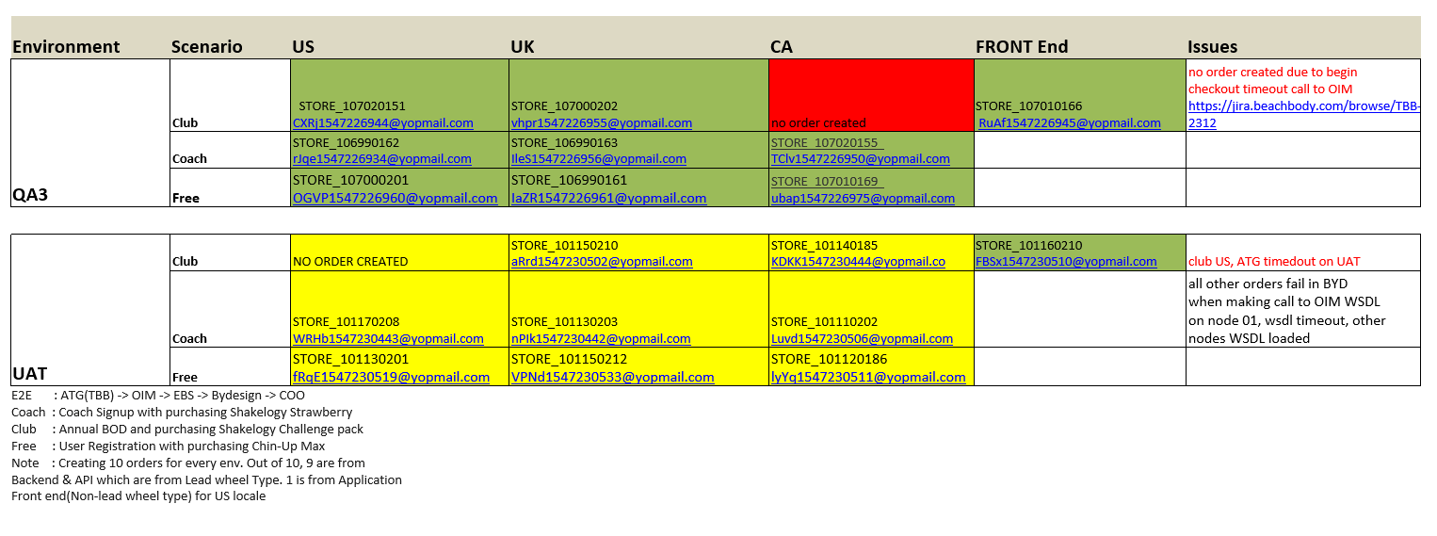

8-20-19
