initial_setup
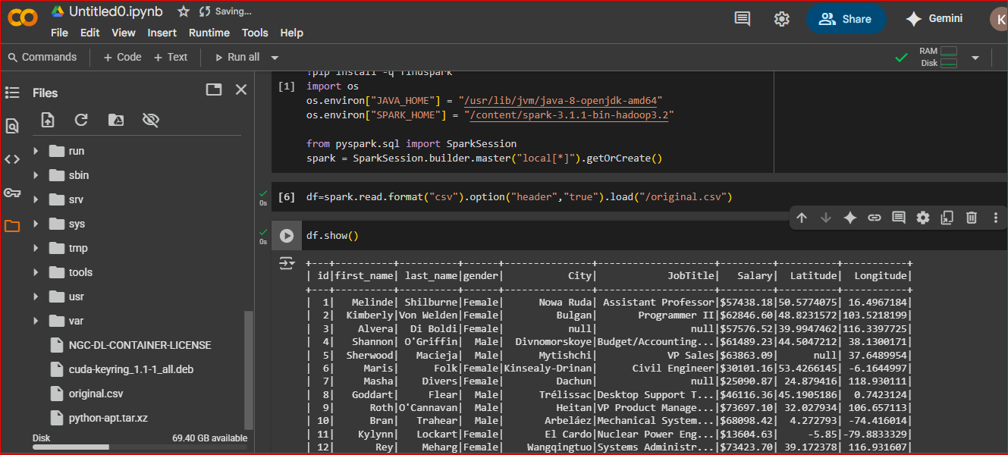
!apt-get install openjdk-8-jdk-headless -qq > /dev/null !wget -q http://archive.apache.org/dist/spark/spark-3.1.1/spark-3.1.1-bin-hadoop3.2.tgz !tar xf spark-3.1.1-bin-hadoop3.2.tgz !pip install -q findspark import os os.environ["JAVA_HOME"] = "/usr/lib/jvm/java-8-openjdk-amd64" os.environ["SPARK_HOME"] = "/content/spark-3.1.1-bin-hadoop3.2" from pyspark.sql import SparkSession spark = SparkSession.builder.master("local[*]").getOrCreate()

open colab in google and add above steps to get real hadoop spark enviranoment

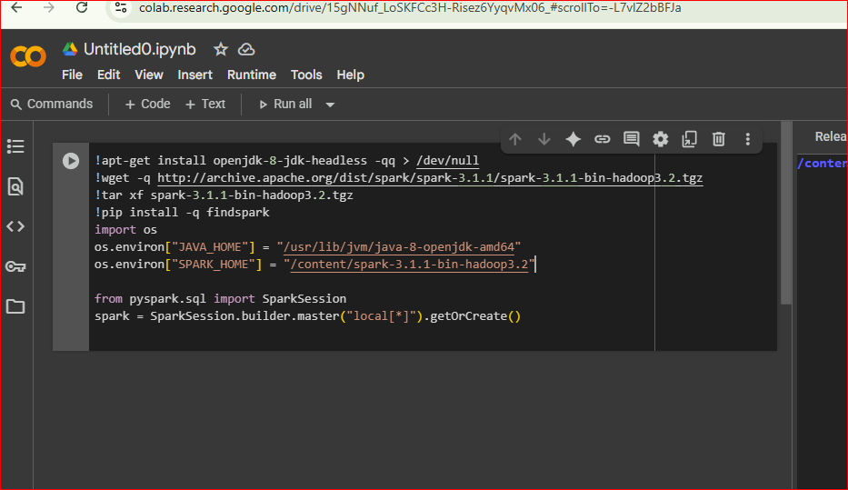

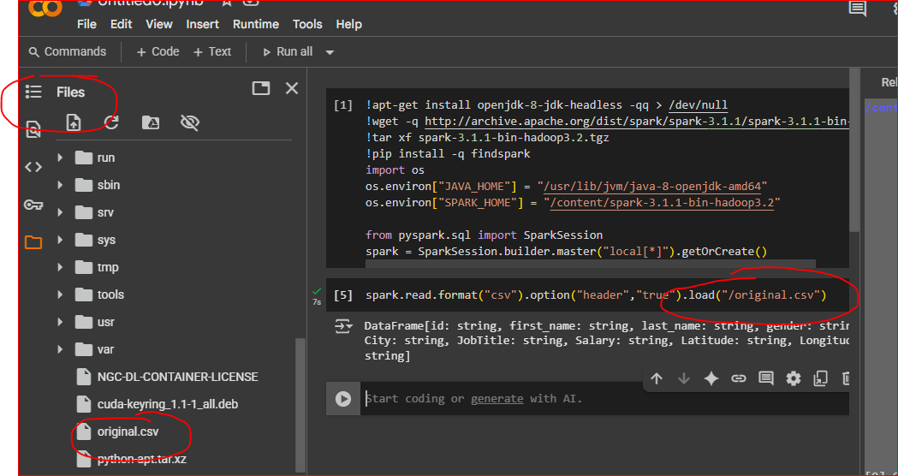

original.csv is added from downolads local file

Sheet2
