Sheet7
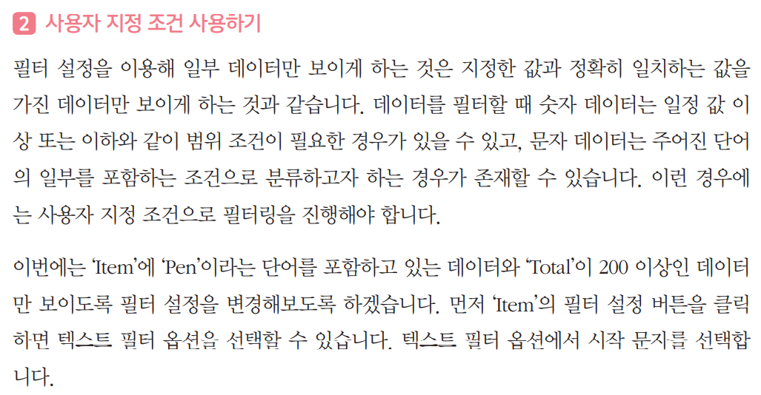
제품 발주서
OrderDate | Region | Rep | Item | Units | Unit Cost | Total
2019-01-06 | East | Jones | Pencil | 95 | 1.99 | 189.05
2019-01-23 | Central | Kivell | Binder | 50 | 19.99 | 999.50
2019-02-09 | Central | Jardine | Pencil | 36 | 4.99 | 179.64
2019-02-26 | Central | Gill | Pen | 27 | 19.99 | 539.73
2019-03-15 | West | Sorvino | Pencil | 56 | 2.99 | 167.44
2019-04-01 | East | Jones | Binder | 60 | 4.99 | 299.40
2019-04-18 | Central | Andrews | Pencil | 75 | 1.99 | 149.25
2019-05-05 | Central | Jardine | Pencil | 90 | 4.99 | 449.10
2019-05-22 | West | Thompson | Pencil | 32 | 1.99 | 63.68
2019-06-08 | East | Jones | Binder | 60 | 8.99 | 539.40
2019-06-25 | Central | Morgan | Pencil | 90 | 4.99 | 449.10
2019-07-12 | East | Howard | Binder | 29 | 1.99 | 57.71
2019-07-29 | East | Parent | Binder | 81 | 19.99 | 1,619.19
2019-08-15 | East | Jones | Pencil | 35 | 4.99 | 174.65
2019-09-01 | Central | Smith | Desk | 2 | 125.00 | 250.00
2019-09-18 | East | Jones | Pen Set | 16 | 15.99 | 255.84
2019-10-05 | Central | Morgan | Binder | 28 | 8.99 | 251.72
2019-10-22 | East | Jones | Pen | 64 | 8.99 | 575.36
2019-11-08 | East | Parent | Pen | 15 | 19.99 | 299.85
2019-11-25 | Central | Kivell | Pen Set | 96 | 4.99 | 479.04
2019-12-12 | Central | Smith | Pencil | 67 | 1.29 | 86.43
2019-12-29 | East | Parent | Pen Set | 74 | 15.99 | 1,183.26
2020-01-15 | Central | Gill | Binder | 46 | 8.99 | 413.54
2020-02-01 | Central | Smith | Binder | 87 | 15.00 | 1,305.00
2020-02-18 | East | Jones | Binder | 4 | 4.99 | 19.96
2020-03-07 | West | Sorvino | Binder | 7 | 19.99 | 139.93
2020-03-24 | Central | Jardine | Pen Set | 50 | 4.99 | 249.50
2020-04-10 | Central | Andrews | Pencil | 66 | 1.99 | 131.34
2020-04-27 | East | Howard | Pen | 96 | 4.99 | 479.04
2020-05-14 | Central | Gill | Pencil | 53 | 1.29 | 68.37
2020-05-31 | Central | Gill | Binder | 80 | 8.99 | 719.20
2020-06-17 | Central | Kivell | Desk | 5 | 125.00 | 625.00
2020-07-04 | East | Jones | Pen Set | 62 | 4.99 | 309.38
2020-07-21 | Central | Morgan | Pen Set | 55 | 12.49 | 686.95
2020-08-07 | Central | Kivell | Pen Set | 42 | 23.95 | 1,005.90
2020-08-24 | West | Sorvino | Desk | 3 | 275.00 | 825.00
2020-09-10 | Central | Gill | Pencil | 7 | 1.29 | 9.03
2020-09-27 | West | Sorvino | Pen | 76 | 1.99 | 151.24
2020-10-14 | West | Thompson | Binder | 57 | 19.99 | 1,139.43
2020-10-31 | Central | Andrews | Pencil | 14 | 1.29 | 18.06
2020-11-17 | Central | Jardine | Binder | 11 | 4.99 | 54.89
2020-12-04 | Central | Jardine | Binder | 94 | 19.99 | 1,879.06
2020-12-21 | Central | Andrews | Binder | 28 | 4.99 | 139.72

Sheet8
제품 발주서
OrderDate | Region | Rep | Item | Units | Unit Cost | Total
2019-01-06 | East | Jones | Pencil | 95 | 1.99 | 189.05
2019-01-23 | Central | Kivell | Binder | 50 | 19.99 | 999.50
2019-02-09 | Central | Jardine | Pencil | 36 | 4.99 | 179.64
2019-02-26 | Central | Gill | Pen | 27 | 19.99 | 539.73
2019-03-15 | West | Sorvino | Pencil | 56 | 2.99 | 167.44
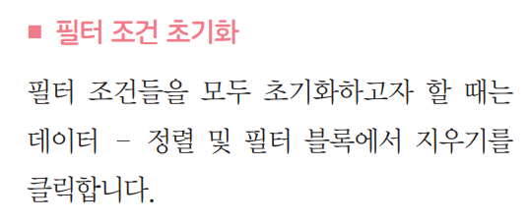
2019-04-01 | East | Jones | Binder | 60 | 4.99 | 299.40
2019-04-18 | Central | Andrews | Pencil | 75 | 1.99 | 149.25
2019-05-05 | Central | Jardine | Pencil | 90 | 4.99 | 449.10
2019-05-22 | West | Thompson | Pencil | 32 | 1.99 | 63.68
2019-06-08 | East | Jones | Binder | 60 | 8.99 | 539.40
2019-06-25 | Central | Morgan | Pencil | 90 | 4.99 | 449.10
2019-07-12 | East | Howard | Binder | 29 | 1.99 | 57.71
2019-07-29 | East | Parent | Binder | 81 | 19.99 | 1,619.19
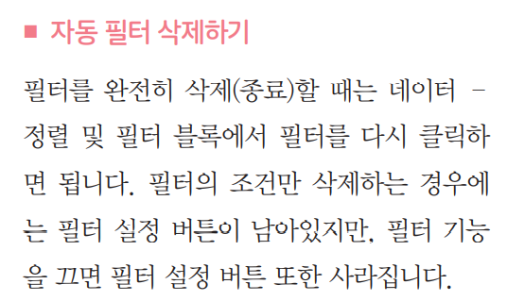
2019-08-15 | East | Jones | Pencil | 35 | 4.99 | 174.65
2019-09-01 | Central | Smith | Desk | 2 | 125.00 | 250.00
2019-09-18 | East | Jones | Pen Set | 16 | 15.99 | 255.84
2019-10-05 | Central | Morgan | Binder | 28 | 8.99 | 251.72
2019-10-22 | East | Jones | Pen | 64 | 8.99 | 575.36
2019-11-08 | East | Parent | Pen | 15 | 19.99 | 299.85
2019-11-25 | Central | Kivell | Pen Set | 96 | 4.99 | 479.04
2019-12-12 | Central | Smith | Pencil | 67 | 1.29 | 86.43
2019-12-29 | East | Parent | Pen Set | 74 | 15.99 | 1,183.26
2020-01-15 | Central | Gill | Binder | 46 | 8.99 | 413.54
2020-02-01 | Central | Smith | Binder | 87 | 15.00 | 1,305.00
2020-02-18 | East | Jones | Binder | 4 | 4.99 | 19.96
2020-03-07 | West | Sorvino | Binder | 7 | 19.99 | 139.93
2020-03-24 | Central | Jardine | Pen Set | 50 | 4.99 | 249.50
2020-04-10 | Central | Andrews | Pencil | 66 | 1.99 | 131.34
2020-04-27 | East | Howard | Pen | 96 | 4.99 | 479.04
2020-05-14 | Central | Gill | Pencil | 53 | 1.29 | 68.37
2020-05-31 | Central | Gill | Binder | 80 | 8.99 | 719.20
2020-06-17 | Central | Kivell | Desk | 5 | 125.00 | 625.00
2020-07-04 | East | Jones | Pen Set | 62 | 4.99 | 309.38
2020-07-21 | Central | Morgan | Pen Set | 55 | 12.49 | 686.95
2020-08-07 | Central | Kivell | Pen Set | 42 | 23.95 | 1,005.90
2020-08-24 | West | Sorvino | Desk | 3 | 275.00 | 825.00
2020-09-10 | Central | Gill | Pencil | 7 | 1.29 | 9.03
2020-09-27 | West | Sorvino | Pen | 76 | 1.99 | 151.24
2020-10-14 | West | Thompson | Binder | 57 | 19.99 | 1,139.43
2020-10-31 | Central | Andrews | Pencil | 14 | 1.29 | 18.06
2020-11-17 | Central | Jardine | Binder | 11 | 4.99 | 54.89
2020-12-04 | Central | Jardine | Binder | 94 | 19.99 | 1,879.06
2020-12-21 | Central | Andrews | Binder | 28 | 4.99 | 139.72

Sheet9
A
B
제품 발주서
OrderDate | Region | Rep | Item | Units | Unit Cost | Total
2019-01-06 | East | Jones | Pencil | 95 | 1.99 | 189.05
2019-01-23 | Central | Kivell | Binder | 50 | 19.99 | 999.50
2019-02-09 | Central | Jardine | Pencil | 36 | 4.99 | 179.64
2019-02-26 | Central | Gill | Pen | 27 | 19.99 | 539.73
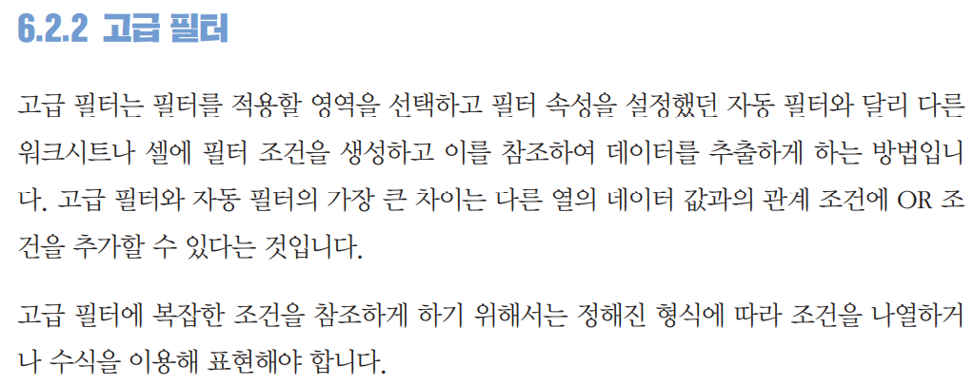
2019-03-15 | West | Sorvino | Pencil | 56 | 2.99 | 167.44
2019-04-01 | East | Jones | Binder | 60 | 4.99 | 299.40
2019-04-18 | Central | Andrews | Pencil | 75 | 1.99 | 149.25
2019-05-05 | Central | Jardine | Pencil | 90 | 4.99 | 449.10
2019-05-22 | West | Thompson | Pencil | 32 | 1.99 | 63.68
2019-06-08 | East | Jones | Binder | 60 | 8.99 | 539.40
2019-06-25 | Central | Morgan | Pencil | 90 | 4.99 | 449.10
2019-07-12 | East | Howard | Binder | 29 | 1.99 | 57.71
2019-07-29 | East | Parent | Binder | 81 | 19.99 | 1,619.19
2019-08-15 | East | Jones | Pencil | 35 | 4.99 | 174.65
2019-09-01 | Central | Smith | Desk | 2 | 125.00 | 250.00
2019-09-18 | East | Jones | Pen Set | 16 | 15.99 | 255.84
2019-10-05 | Central | Morgan | Binder | 28 | 8.99 | 251.72
2019-10-22 | East | Jones | Pen | 64 | 8.99 | 575.36
2019-11-08 | East | Parent | Pen | 15 | 19.99 | 299.85
2019-11-25 | Central | Kivell | Pen Set | 96 | 4.99 | 479.04
2019-12-12 | Central | Smith | Pencil | 67 | 1.29 | 86.43
2019-12-29 | East | Parent | Pen Set | 74 | 15.99 | 1,183.26
2020-01-15 | Central | Gill | Binder | 46 | 8.99 | 413.54
2020-02-01 | Central | Smith | Binder | 87 | 15.00 | 1,305.00
2020-02-18 | East | Jones | Binder | 4 | 4.99 | 19.96
2020-03-07 | West | Sorvino | Binder | 7 | 19.99 | 139.93
2020-03-24 | Central | Jardine | Pen Set | 50 | 4.99 | 249.50
2020-04-10 | Central | Andrews | Pencil | 66 | 1.99 | 131.34
2020-04-27 | East | Howard | Pen | 96 | 4.99 | 479.04
2020-05-14 | Central | Gill | Pencil | 53 | 1.29 | 68.37
2020-05-31 | Central | Gill | Binder | 80 | 8.99 | 719.20
2020-06-17 | Central | Kivell | Desk | 5 | 125.00 | 625.00
2020-07-04 | East | Jones | Pen Set | 62 | 4.99 | 309.38
2020-07-21 | Central | Morgan | Pen Set | 55 | 12.49 | 686.95
2020-08-07 | Central | Kivell | Pen Set | 42 | 23.95 | 1,005.90
2020-08-24 | West | Sorvino | Desk | 3 | 275.00 | 825.00
2020-09-10 | Central | Gill | Pencil | 7 | 1.29 | 9.03
2020-09-27 | West | Sorvino | Pen | 76 | 1.99 | 151.24
2020-10-14 | West | Thompson | Binder | 57 | 19.99 | 1,139.43
2020-10-31 | Central | Andrews | Pencil | 14 | 1.29 | 18.06
2020-11-17 | Central | Jardine | Binder | 11 | 4.99 | 54.89
2020-12-04 | Central | Jardine | Binder | 94 | 19.99 | 1,879.06
2020-12-21 | Central | Andrews | Binder | 28 | 4.99 | 139.72

Sheet11
제품 발주서
OrderDate | Region | Rep | Item | Units | Unit Cost | Total | 조건식
2019-01-06 | East | Jones | Pencil | 95 | 1.99 | 189.05 | FALSE
2019-01-23 | Central | Kivell | Binder | 50 | 19.99 | 999.50
2019-02-09 | Central | Jardine | Pencil | 36 | 4.99 | 179.64
2019-02-26 | Central | Gill | Pen | 27 | 19.99 | 539.73
2019-03-15 | West | Sorvino | Pencil | 56 | 2.99 | 167.44
2019-04-01 | East | Jones | Binder | 60 | 4.99 | 299.40
2019-04-18 | Central | Andrews | Pencil | 75 | 1.99 | 149.25
2019-05-05 | Central | Jardine | Pencil | 90 | 4.99 | 449.10
2019-05-22 | West | Thompson | Pencil | 32 | 1.99 | 63.68
2019-06-08 | East | Jones | Binder | 60 | 8.99 | 539.40
2019-06-25 | Central | Morgan | Pencil | 90 | 4.99 | 449.10
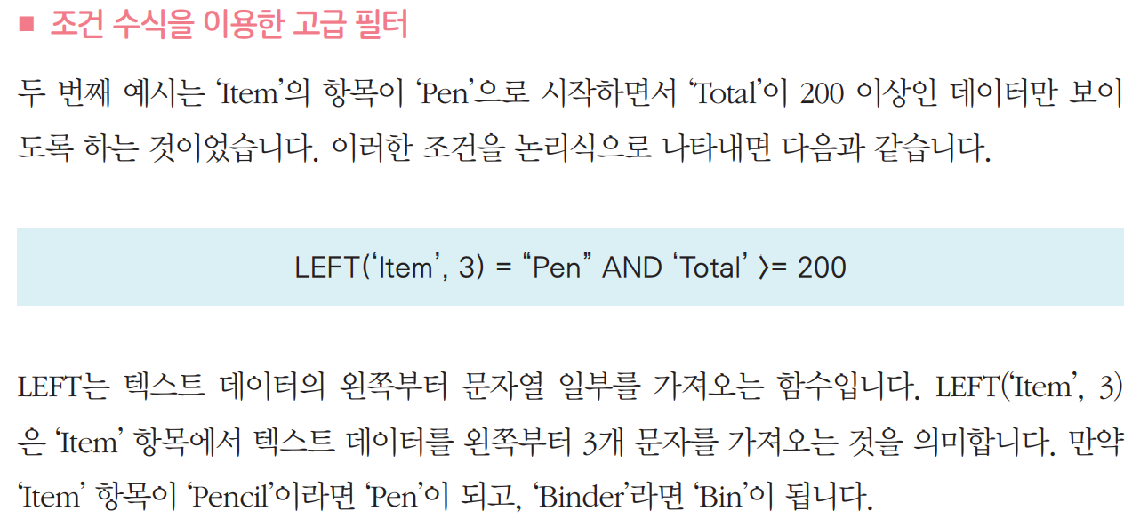
2019-07-12 | East | Howard | Binder | 29 | 1.99 | 57.71
2019-07-29 | East | Parent | Binder | 81 | 19.99 | 1,619.19
2019-08-15 | East | Jones | Pencil | 35 | 4.99 | 174.65
2019-09-01 | Central | Smith | Desk | 2 | 125.00 | 250.00
2019-09-18 | East | Jones | Pen Set | 16 | 15.99 | 255.84
2019-10-05 | Central | Morgan | Binder | 28 | 8.99 | 251.72
2019-10-22 | East | Jones | Pen | 64 | 8.99 | 575.36
2019-11-08 | East | Parent | Pen | 15 | 19.99 | 299.85
2019-11-25 | Central | Kivell | Pen Set | 96 | 4.99 | 479.04
2019-12-12 | Central | Smith | Pencil | 67 | 1.29 | 86.43
2019-12-29 | East | Parent | Pen Set | 74 | 15.99 | 1,183.26
2020-01-15 | Central | Gill | Binder | 46 | 8.99 | 413.54
2020-02-01 | Central | Smith | Binder | 87 | 15.00 | 1,305.00
2020-02-18 | East | Jones | Binder | 4 | 4.99 | 19.96
2020-03-07 | West | Sorvino | Binder | 7 | 19.99 | 139.93
2020-03-24 | Central | Jardine | Pen Set | 50 | 4.99 | 249.50
2020-04-10 | Central | Andrews | Pencil | 66 | 1.99 | 131.34
2020-04-27 | East | Howard | Pen | 96 | 4.99 | 479.04
2020-05-14 | Central | Gill | Pencil | 53 | 1.29 | 68.37
2020-05-31 | Central | Gill | Binder | 80 | 8.99 | 719.20
2020-06-17 | Central | Kivell | Desk | 5 | 125.00 | 625.00
2020-07-04 | East | Jones | Pen Set | 62 | 4.99 | 309.38
2020-07-21 | Central | Morgan | Pen Set | 55 | 12.49 | 686.95
2020-08-07 | Central | Kivell | Pen Set | 42 | 23.95 | 1,005.90
2020-08-24 | West | Sorvino | Desk | 3 | 275.00 | 825.00
2020-09-10 | Central | Gill | Pencil | 7 | 1.29 | 9.03
2020-09-27 | West | Sorvino | Pen | 76 | 1.99 | 151.24
2020-10-14 | West | Thompson | Binder | 57 | 19.99 | 1,139.43
2020-10-31 | Central | Andrews | Pencil | 14 | 1.29 | 18.06
2020-11-17 | Central | Jardine | Binder | 11 | 4.99 | 54.89
2020-12-04 | Central | Jardine | Binder | 94 | 19.99 | 1,879.06
2020-12-21 | Central | Andrews | Binder | 28 | 4.99 | 139.72

Sheet19
vaccines | (모두) | vaccines | (모두) | vaccines | (모두)

행 레이블 | 합계 : total_vaccinations | 행 레이블 | 합계 : people_vaccinated | 행 레이블 | 합계 : daily_vaccinations
Canada | 776606 | Canada | 776606 | Canada | 38417
England | 5100475 | England | 4661293 | England | 272972
France | 963139 | France | 963139 | France | 82058
Germany | 1501639 | Germany | 1386464 | Germany | 74649
India | 1390592 | India | 1390592 | India | 198656
Israel | 3361226 | Israel | 2461911 | Israel | 157841
Italy | 1312275 | Italy | 1271982 | Italy | 32689
Mexico | 614808 | Mexico | 594725 | Mexico | 28205
Poland | 644999 | Poland | 605313 | Poland | 33503
Spain | 1165825 | Spain | 1097369 | Spain | 56696
Turkey | 1210021 | Turkey | 1210021 | Turkey | 76160
United Arab Emirates | 2339078 | United Arab Emirates | 2089078 | United Arab Emirates | 96156
United Kingdom | 5849899 | United Kingdom | 5383103 | United Kingdom | 310246
United States | 19107959 | United States | 16243093 | United States | 975540
총합계 | 45338541 | 총합계 | 40134689 | 총합계 | 2433788

Sheet15
백신 투약을 맞은 사람 수
vaccines | (모두) | vaccines | (모두) | vaccines | (모두)

행 레이블 | 합계 : total_vaccinations | 행 레이블 | 합계 : people_vaccinated | 행 레이블 | 합계 : daily_vaccinations
Canada | 776606 | Canada | 776606 | Canada | 38417
England | 5100475 | England | 4661293 | England | 272972
France | 963139 | France | 963139 | France | 82058
Germany | 1501639 | Germany | 1386464 | Germany | 74649
India | 1390592 | India | 1390592 | India | 198656
Israel | 3361226 | Israel | 2461911 | Israel | 157841
Italy | 1312275 | Italy | 1271982 | Italy | 32689
Mexico | 614808 | Mexico | 594725 | Mexico | 28205
Poland | 644999 | Poland | 605313 | Poland | 33503
Spain | 1165825 | Spain | 1097369 | Spain | 56696
Turkey | 1210021 | Turkey | 1210021 | Turkey | 76160
United Arab Emirates | 2339078 | United Arab Emirates | 2089078 | United Arab Emirates | 96156
United Kingdom | 5849899 | United Kingdom | 5383103 | United Kingdom | 310246
United States | 19107959 | United States | 16243093 | United States | 975540
국가별 백신 총 투약 횟수
하루 백신 접종 횟수
총합계 | 45338541 | 총합계 | 40134689 | 총합계 | 2433788

