Dashboard
Quarterly Sales Performance

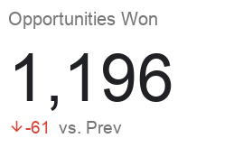
Win %

Opportunities Won by Sales Agent

