Sheet1
Bug Report Of POS System

SL. No. | Section | Description | Expected Result | Status | Tester Name | Developer Name | Screenshot
1 | POS -> Add product | Products cannot be added to the POS after a customer is selected. It displays a stockout alert even though the products are in stock. |  | Not Started | Saima Nehreen | No one assigned
2 | POS -> Add product | Selling price group doesn't effect on added products |  | Not Started | Saima Nehreen | No one assigned
3 | POS -> Add product | After selling a product from a selected brand or category, 'All brand' or ' All category' option can't be selected without a refresh |  | Not Started | Saima Nehreen | No one assigned
4 | Dashboard -> Products -> Add products | When adding a product image, if the image size is larger than the designated field, it covers the surrounding area. |  | Not Started | Saima Nehreen | No one assigned
5 | Dashboard -> Products -> Add products | The product image field on the lower side isn't functioning properly. |  | Not Started | Saima Nehreen | No one assigned
6 | Dashboard -> Users -> search contact | Processing' overlays the system when searching for contacts. |  | Not Started | Saima Nehreen | No one assigned
7 | Dashboard -> Home page | Sales payment due on home page doesn't show any value |  | Not Started | Saima Nehreen | No one assigned
8 | Dashboard -> Home page | Purchase payment due on home page doesn't show any value |  | Not Started | Saima Nehreen | No one assigned
9 | Dashboard -> Home page | Sales order on home page doesn't show any value |  | Not Started | Saima Nehreen | No one assigned
10 | Dashboard -> Home page | The column fields in the last two sections should be filled up to the margin |  | Not Started | Saima Nehreen | No one assigned
11 | Dashboard -> Home page | Homepage isn't fully translated |  | Not Started | Saima Nehreen | No one assigned
12 | POS -> Add product | Selecting customer after adding any product, only the added product's quantity can be increased but other products show stockout alert |  | Not Started | Saima Nehreen | No one assigned
13 | POS -> Edit product | Product type can't be changed when editing product |  | Not Started | Saima Nehreen | No one assigned
14 | Dashboard -> list product | There should be a title to the search field |  | Not Started | Saima Nehreen | No one assigned
15 | Print -> Product details | When printing product details even if the list is large, still it prints only what adjusts on 1 page |  | Not Started | Saima Nehreen | No one assigned
16 | Export -> Product list | When exporting product details by pdf the list get's broken |  | Not Started | Saima Nehreen | No one assigned
17 | POS -> Add product | On the product page, the first save button is not aligned properly. |  | Not Started | Saima Nehreen | No one assigned
18 | Export -> Product list | When exporting the stock report to PDF, the columns do not fit properly in the document. |  | Not Started | Saima Nehreen | No one assigned
19 | Export -> Purchase list | When exporting the purchase list to PDF, the columns do not fit properly in the document. |  | Not Started | Saima Nehreen | No one assigned
20 | Purchase -> Advance payment | When the payment exceeds the total amount, the remaining balance should be displayed as an advance for the next purchase, but this doesn't happen. |  | Not Started | Saima Nehreen | No one assigned
21 | Export -> Purchase list | When exporting the purchase list to a CSV file, the icon for BDT (Bangladeshi Taka) changes. |  | Not Started | Saima Nehreen | No one assigned
22 | List purchase -> Purchase return payment | After purchasing a product with either a due payment or partial payment, when returning a product, the corresponding amount should be deducted from the due payment. However, this process is not occurring as expected. |  | Not Started | Saima Nehreen | No one assigned | 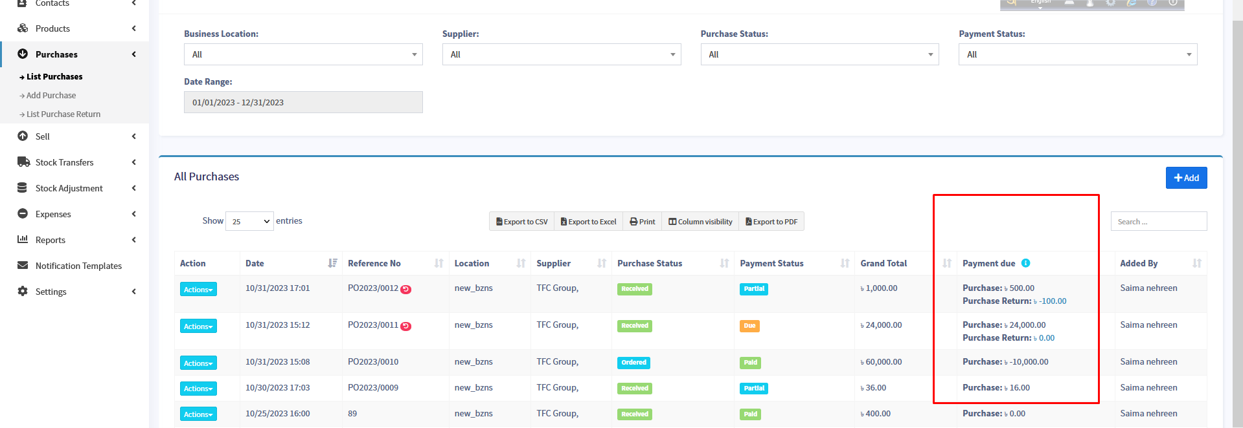
23 | List purchase -> Purchase return | After the first return of a purchase, purchase return option from action works as an edit for purchase return. |  | Not Started | Saima Nehreen | No one assigned
24 | List purchase return -> Delete payment | After removing a payment from the 'List of Purchase Returns,' it doesn't update automatically. |  | Not Started | Saima Nehreen | No one assigned
25 | Export -> List POS | When exporting the List to PDF, the columns do not fit properly in the document. |  | Not Started | Saima Nehreen | No one assigned
26 | Dashboard -> Sell -> Shipments | The column fields should be filled up to the margin |  | Not Started | Saima Nehreen | No one assigned | 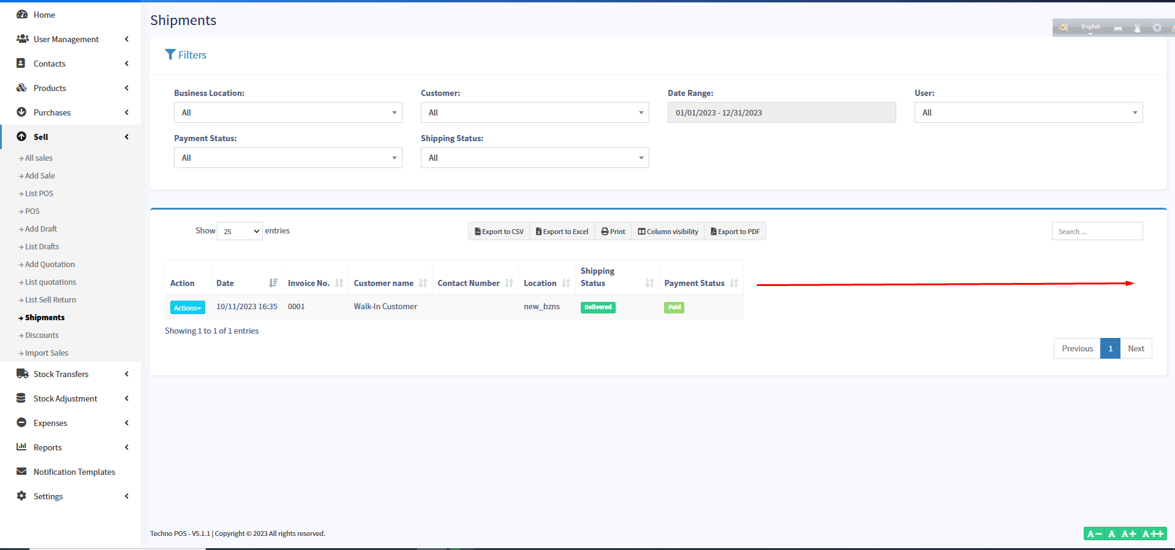
27 | Stock Transfer | When stocks are moved to a new location, the quantity at the previous location decreases. However, the products are not being added to the new location. Though the stock report indicates that the new location does have the stock after the transfer |  | Not Started | Saima Nehreen | No one assigned
28 | Contacts -> supplier -> action -> stock report -> purchase | In the supplier-wise purchase report, the column headers and final results are not aligned properly. |  | Not Started | Saima Nehreen | No one assigned | 