Menu
Category | Dish Name | Price | Image
🍽 SAMOSA
Samosa | Cheese Samosa | Rs. 70 | 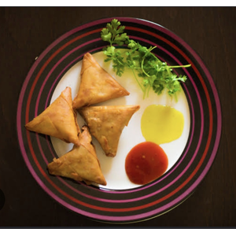
Samosa | Mayo Samosa | Rs. 80 | 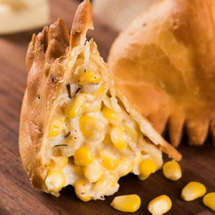
Samosa | Chilli Cheese Samosa | Rs. 80 | 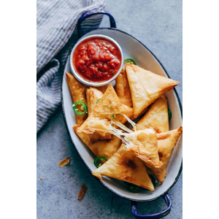
Samosa | Corn Cheese Samosa | Rs. 90 | 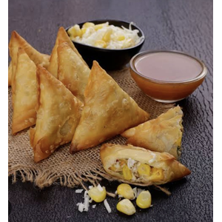
Samosa | Tandoori Cheese Samosa | Rs. 90 | 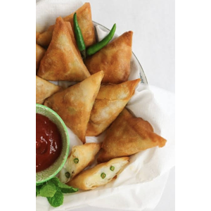
Samosa | Paneer Cheese Samosa | Rs. 110 | 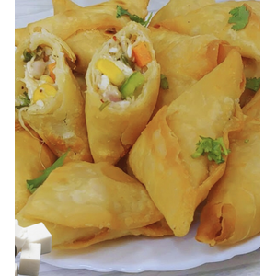
Samosa | B.Bucks Special Samosa | Rs. 130 | 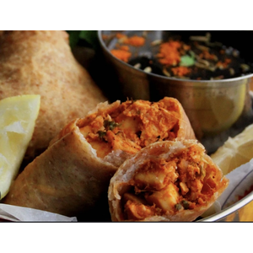
🍽 FRENCH FRIES
French Fries | French Fries | Rs. 110 | 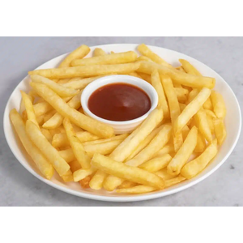
French Fries | Peri Peri French Fries | Rs. 130 | 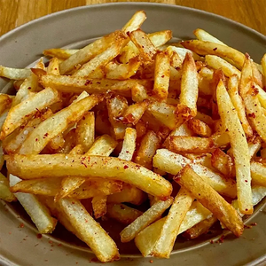
French Fries | Masala French Fries | Rs. 140 | 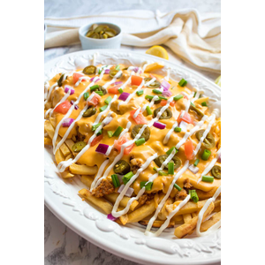
French Fries | Cheese French Fries | Rs. 160 | 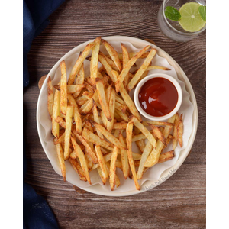
🍽 PASTA
Pasta | Red Sauce Pasta | Rs. 130 | 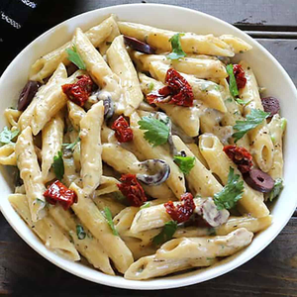
Pasta | White Sauce Pasta | Rs. 150 | 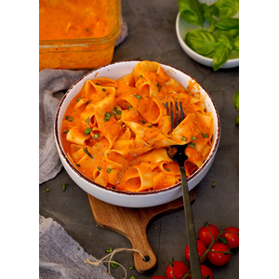
Pasta | Veg Sauce Pasta | Rs. 170 | 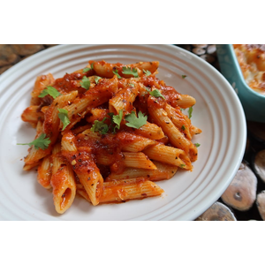
Pasta | Cafe Special Pasta | Rs. 200 | 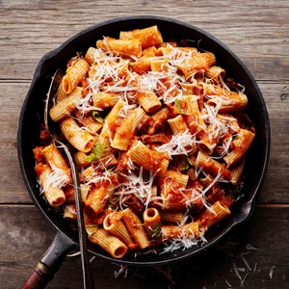
🍽 MOMOS
Momos | Veg Fried Momos | Rs. 100 | 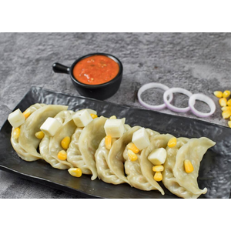
Momos | Veg Tandoori Momos | Rs. 110 | 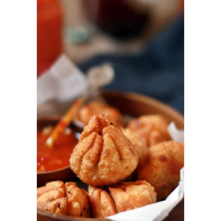
Momos | Paneer Fried Momos | Rs. 120 | 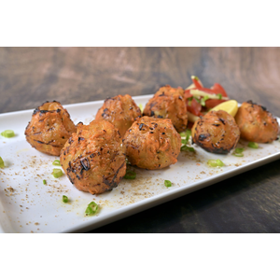
Momos | Corn Cheese Momos | Rs. 140 | 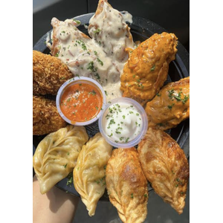
Momos | Cafe Special Combo Plate | Rs. 200 | 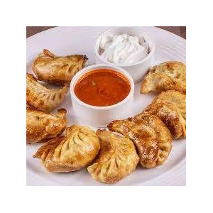
🍽 PIZZA
Pizza | Onion Cheese Pizza | Medium Rs. 110 / Large Rs. 220 | 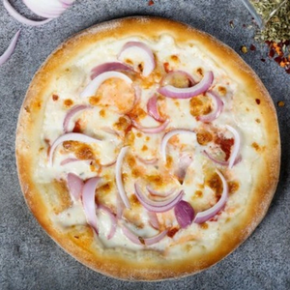
Pizza | Corn Cheese Pizza | Medium Rs. 110 / Large Rs. 220 | 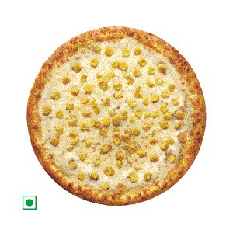
Pizza | Capsicum Cheese Pizza | Medium Rs. 140 / Large Rs. 280 | 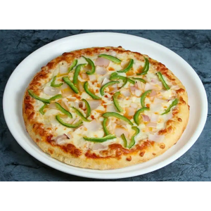
Pizza | Corner Capsicum Cheese Pizza | Medium Rs. 150 / Large Rs. 300 | 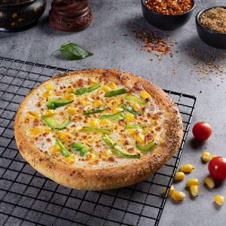
Pizza | Mexican Cheese Pizza | Medium Rs. 160 / Large Rs. 310 | 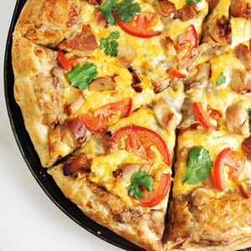
Pizza | Chilli Cheese Pizza (Small) | Medium Rs. 160 / Large Rs. 310 | 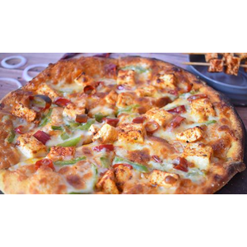
Pizza | Margherita Cheese Pizza | Medium Rs. 170 / Large Rs. 310 | 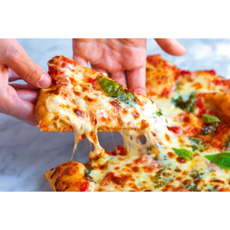
Pizza | Spicy Paneer Cheese Pizza | Medium Rs. 170 / Large Rs. 320 | 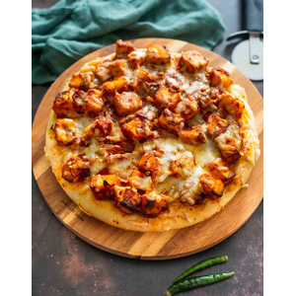
Pizza | Tandoori Paneer Cheese Pizza | Medium Rs. 180 / Large Rs. 330 | 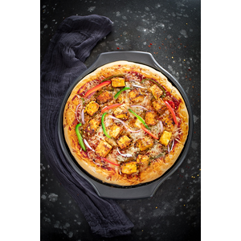
Pizza | Farmhouse Cheese Pizza | Medium Rs. 190 / Large Rs. 330 | 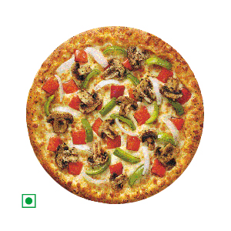
Pizza | Paneer Tikka Cheese Pizza | Medium Rs. 200 / Large Rs. 350 | 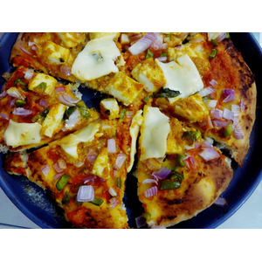
Pizza | Kadai Paneer Cheese Pizza | Medium Rs. 200 / Large Rs. 350 | 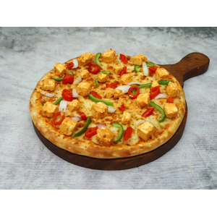
Pizza | Peppy Paneer Cheese Pizza | Medium Rs. 200 / Large Rs. 360 | 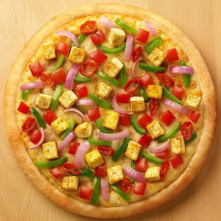
Pizza | Chilli Paneer Pizza | Medium Rs. 210 / Large Rs. 370 | 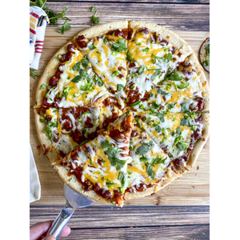
Pizza | Extra Vegetable | Rs. 20 | 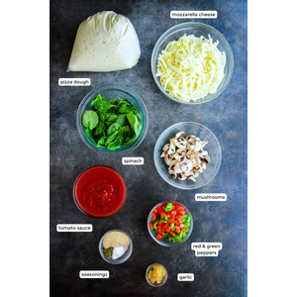
Pizza | Extra Cheese | Rs. 50 | 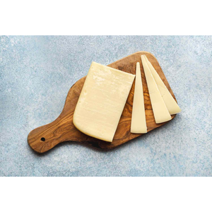
🍽 SANDWICH
Sandwich | Vegetable Sandwich | Rs. 70 | 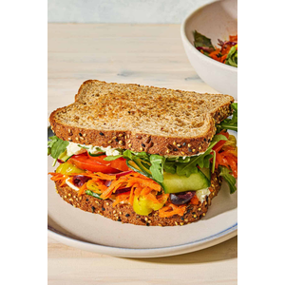
Sandwich | Bombay Kaccha Sandwich | Rs. 80 | 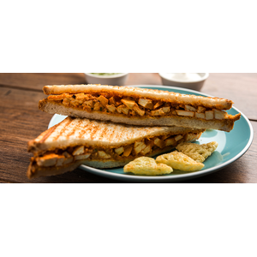
Sandwich | Vegetable Cheese Sandwich | Rs. 100 | 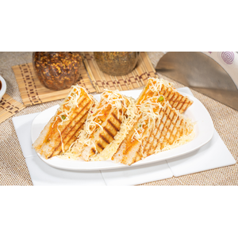
Sandwich | Masala Sandwich | Rs. 90 | 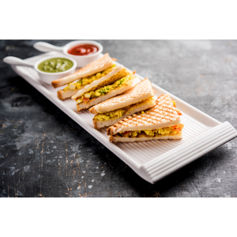
Sandwich | Masala Cheese Sandwich | Rs. 110 | 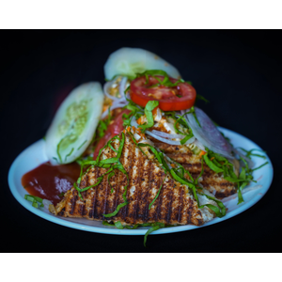
Sandwich | Chilli Cheese Sandwich | Rs. 110 | 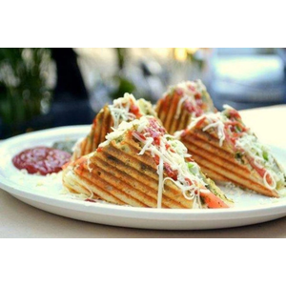
Sandwich | Cheese Chutney Sandwich | Rs. 110 | 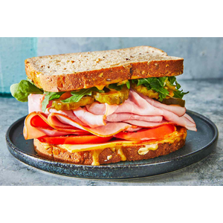
Sandwich | Veg Mayo Sandwich | Rs. 120 | 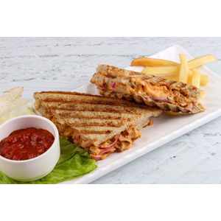
Sandwich | Corn Cheese Sandwich | Rs. 130 | 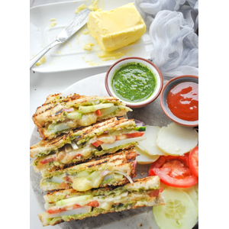
Sandwich | Veg Cheese Paneer Sandwich | Rs. 150 | 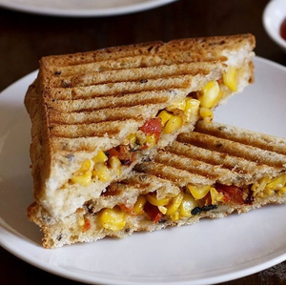
Sandwich | Tandoori Masala Sandwich | Rs. 140 | 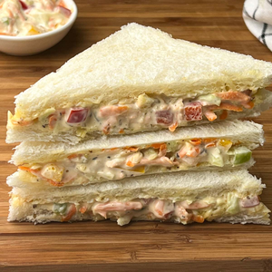
Sandwich | Tandoori Masala Cheese Sandwich | Rs. 150 | 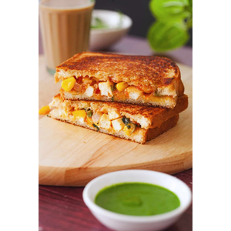
Sandwich | Garlic Cheese Masala Sandwich | Rs. 160 | 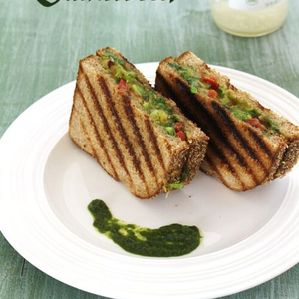
Sandwich | Paneer Tikka Cheese Sandwich | Rs. 180 | 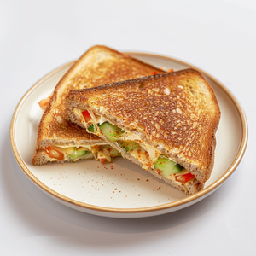
Sandwich | Supreme Sandwich | Rs. 220 | 
Sandwich | B.Bucks Special Sandwich | Rs. 250 | 
Sandwich | Jain Sandwich | Rs. 80 | 
Sandwich | Jain Cheese Sandwich | Rs. 120 | 
🍽 CLUB SANDWICH
Club Sandwich | Veg Club Sandwich | Rs. 100 | 
Club Sandwich | Veg Cheese Club Sandwich | Rs. 120 | 
Club Sandwich | Masala Club Sandwich | Rs. 110 | 
Club Sandwich | Masala Cheese Club Sandwich | Rs. 130 | 
Club Sandwich | Paneer Cheese Club Sandwich | Rs. 150 | 
Club Sandwich | Paneer Tikka Cheese Club Sandwich | Rs. 220 | 
Club Sandwich | Extra Cheese | Rs. 40 | 
🍽 SPECIAL SANDWICH
Special Sandwich | Open Pizza Sandwich | Rs. 200 | 
Special Sandwich | Cheese Burst Sandwich | Rs. 220 | 
Special Sandwich | Open Pizza Cheese Sandwich | Rs. 240 | 
Special Sandwich | Veg Supreme Club Sandwich | Rs. 260 | 
Special Sandwich | Veg Supreme Cheese Club Sandwich | Rs. 280 | 
🍽 BURGER
Burger | Aloo Tikki Burger | Rs. 90 | 
Burger | Aloo Tikki Cheese Burger | Rs. 110 | 
Burger | Veg Burger | Rs. 100 | 
Burger | Veg Cheese Burger | Rs. 130 | 
Burger | Double Cheese Burger | Rs. 150 | 
Burger | Tandoori Cheese Burger | Rs. 170 | 
Burger | Kadhai Paneer Cheese Burger | Rs. 180 | 
Burger | Paneer Makhani Cheese Burger | Rs. 190 | 
Burger | B.Bucks Special Burger | Rs. 220 | 
🍽 VADA PAV
Vada Pav | Mumbai Vada Pav | Rs. 60 | 
Vada Pav | Schezwan Vada Pav | Rs. 70 | 
Vada Pav | Cheese Vada Pav | Rs. 80 | 
Vada Pav | Tandoori Vada Pav | Rs. 90 | 
Vada Pav | Masala Cheese Vada Pav | Rs. 100 | 
Vada Pav | Tandoori Cheese Vada Pav | Rs. 120 | 
🍽 PAV BHAJI
Pav Bhaji | Pav Bhaji | Rs. 110 | 
Pav Bhaji | Butter Pav Bhaji | Rs. 120 | 
Pav Bhaji | Cheese Pav Bhaji | Rs. 140 | 
Pav Bhaji | Paneer Pav Bhaji | Rs. 160 | 
Pav Bhaji | Extra Pav | Rs. 20 | 
Pav Bhaji | Extra Bhaji | Rs. 40 | 
🍽 CHOLE BHATURE & CORN
Chole Bhature & Corn | Chole Bhature | Rs. 200 | 
Chole Bhature & Corn | Extra Bhature | Rs. 60 | 
Chole Bhature & Corn | Extra Chole | Rs. 80 | 
Chole Bhature & Corn | Crispy Corn | Rs. 170 | 
Chole Bhature & Corn | Masala Corn | Rs. 180 | 
Chole Bhature & Corn | Sweet Corn | Rs. 100 | 
🍽 CHINESE
Chinese | Manchurian Dry | Half Rs. 100 / Full Rs. 160 | 
Chinese | Manchurian Gravy | Half Rs. 100 / Full Rs. 160 | 
Chinese | Veg Noodles | Half Rs. 110 / Full Rs. 170 | 
Chinese | Hakka Noodles | Half Rs. 120 / Full Rs. 180 | 
Chinese | Veg Fried Rice | Rs. 170 | 
Chinese | Rice with Manchurian | Rs. 190 | 
Chinese | Noodles with Manchurian | Rs. 200 | 
Chinese | Chilli Paneer | Rs. 220 | 
Chinese | Schezwan Rice | Half Rs. 120 / Full Rs. 180 | 
Chinese | Schezwan Noodles | Half Rs. 140 / Full Rs. 200 | 
Chinese | Masala Rice | Rs. 170 | 
Chinese | Veg Pulao | Rs. 180 | 
Chinese | Kadai Paneer Fried Rice | Rs. 190 | 
Chinese | Paneer Makhani Fried Rice | Rs. 200 | 
🍽 COFFEE & BROWNIE
Coffee & Brownie | Hot Coffee | Rs. 50 | 
Coffee & Brownie | Hot Strong Coffee | Rs. 60 | 
Coffee & Brownie | Hot Chocolate Coffee | Rs. 70 | 
Coffee & Brownie | Cold Coffee | Rs. 100 | 
Coffee & Brownie | Chocolate Cold Coffee | Rs. 120 | 
Coffee & Brownie | Cold Coffee with Ice Cream | Rs. 150 | 
Coffee & Brownie | Brownie Cold Coffee | Rs. 170 | 
Coffee & Brownie | Chocolate Brownie | Rs. 100 | 
Coffee & Brownie | Chocolate Brownie with Ice Cream | Rs. 140 | 
🍽 MOJITO
Mojito | Mint Mojito | Rs. 100 | 
Mojito | Blue Lagoon Mojito | Rs. 120 | 
Mojito | Strawberry Mojito | Rs. 140 | 
Mojito | Mango Mojito | Rs. 150 | 
Mojito | Kiwi Cooler Mojito | Rs. 150 | 
Mojito | Blue Currant Mojito | Rs. 170 | 
🍽 TEA
Tea | Tea | Rs. 20 | 
Tea | Masala Chai | Rs. 30 | 
Tea | Elaichi Chai | Rs. 40 | 
Tea | Ginger Chai | Rs. 40 | 
Tea | Chocolate Chai | Rs. 50 | 
🍽 MASALA DRINKS
Masala Drinks | Cola Masala | Rs. 110 | 
Masala Drinks | Lemonade Masala (Water) | Rs. 100 | 
Masala Drinks | Lemonade Masala (Soda) | Rs. 120 | 
🍽 MILKSHAKES & LASSI
Milkshakes & Lassi | Special Lassi | Rs. 100 | 
Milkshakes & Lassi | Vanilla Shake | Rs. 110 | 
Milkshakes & Lassi | Mango Shake | Rs. 110 | 
Milkshakes & Lassi | Chocolate Shake | Rs. 120 | 
Milkshakes & Lassi | Butterscotch Shake | Rs. 120 | 
Milkshakes & Lassi | Oreo Shake | Rs. 130 | 
Milkshakes & Lassi | Strawberry Shake | Rs. 140 | 
Milkshakes & Lassi | Kitkat Shake | Rs. 140 | 
Milkshakes & Lassi | Brownie Shake | Rs. 150 | 
Milkshakes & Lassi | Black Currant Shake | Rs. 150 | 
Milkshakes & Lassi | Dry Fruit Shake | Rs. 180 | 

