ID_RMSE
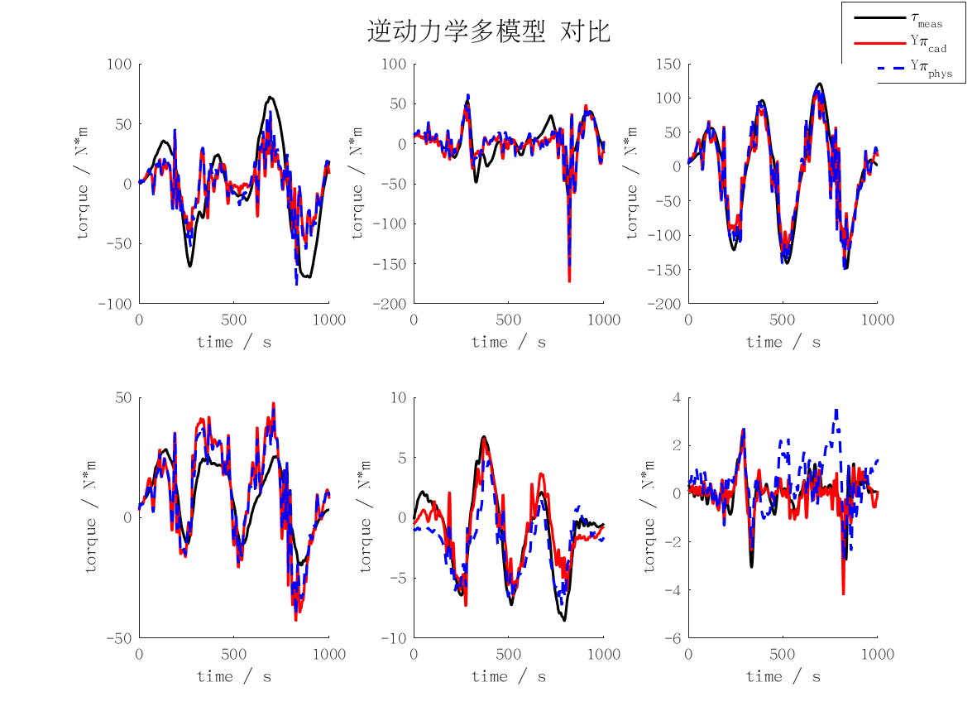
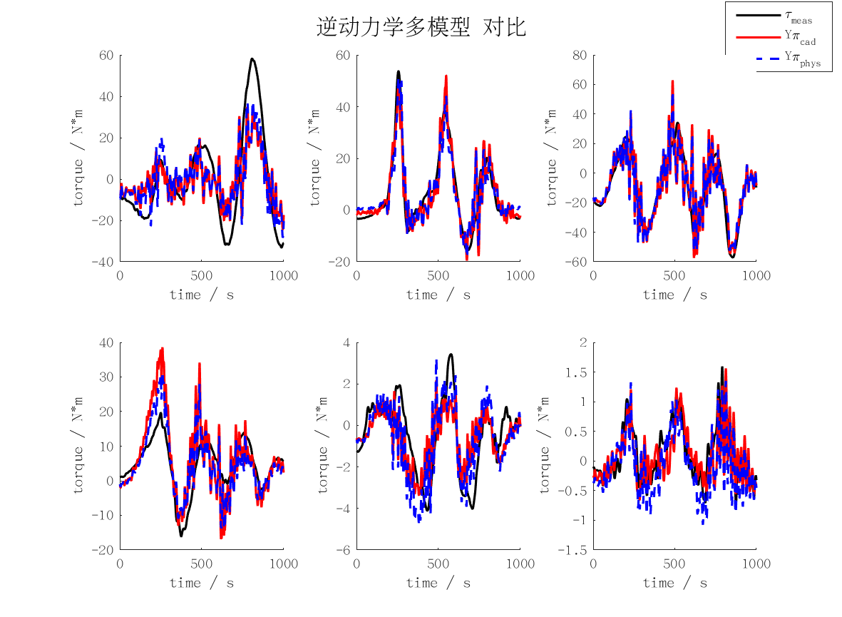
id_rmse | j1 | j2 | j3 | j4 | j5 | j6 | mean | max
cad | 14.593034053 | 5.6788625861 | 12.157632166 | 7.7080224451 | 1.3218521719 | 0.27477131029 | 6.9556957889 | 14.593034053
min | 12.081990686 | 5.567366267 | 11.492666324 | 4.4479796342 | 1.8588723431 | 0.92642442561 | 6.0625499467 | 12.081990686
rec | 72.347011949 | 16.73562441 | 14.404163833 | 9.1843577925 | 9.4419784479 | 0.91832617628 | 20.505243768 | 72.347011949
phys | 13.602137215 | 5.6042351298 | 11.604981364 | 6.0927096569 | 1.3157876018 | 0.32136914602 | 6.4235366856 | 13.602137215

FD_RMSE
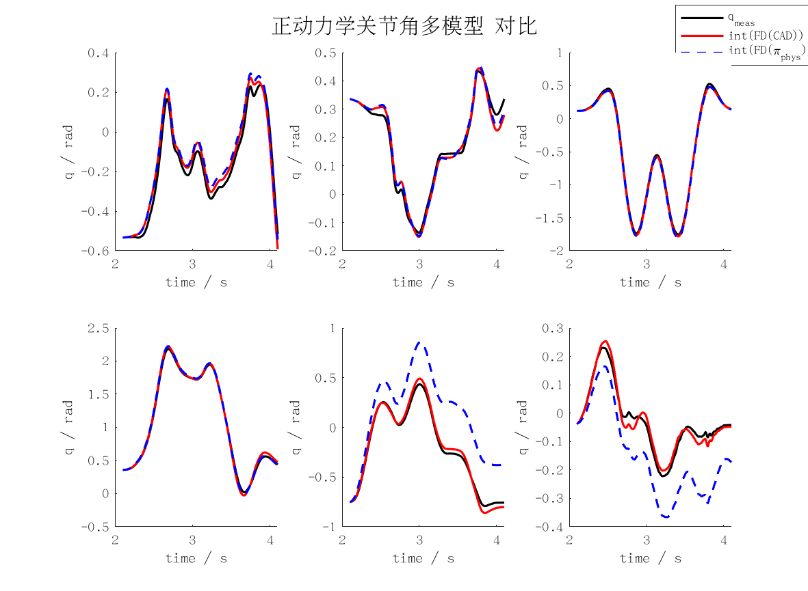
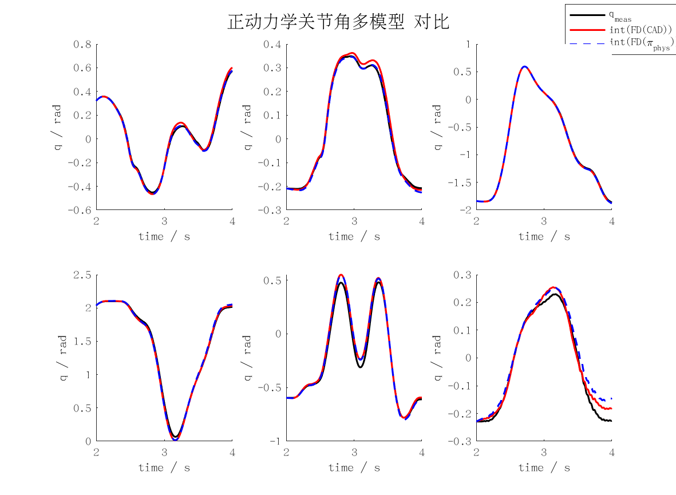
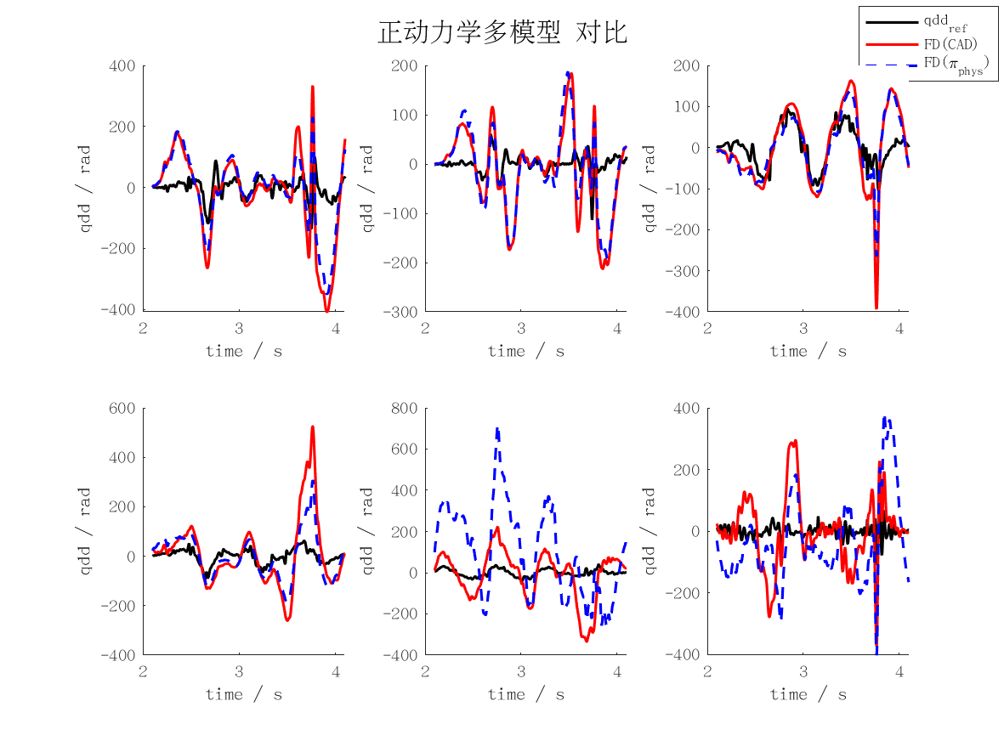
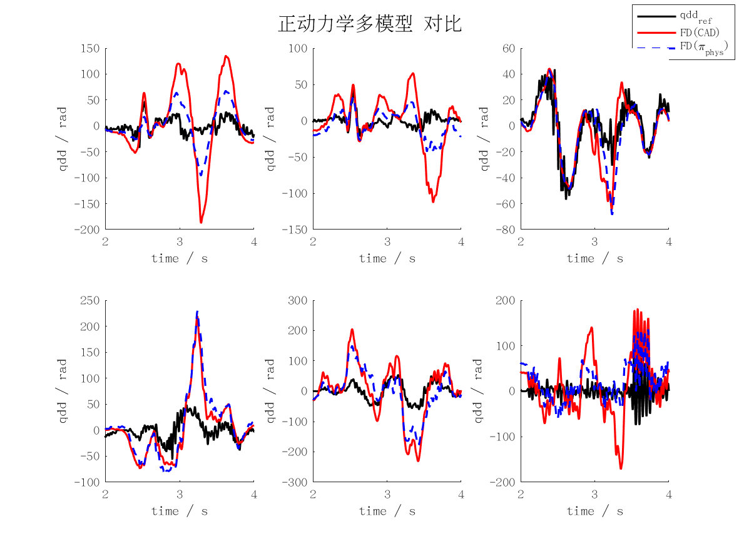
fd_rmse | j1 | j2 | j3 | j4 | j5 | j6 | mean | max
qd_cad | 0.1292416913 | 0.080690507102 | 0.031392496699 | 0.1023026637 | 0.14735337205 | 0.12974591746 | 0.10345444139 | 0.14735337205
qd_min | 298143.27498 | 111070.34311 | 62873.862827 | 137791.16214 | 336372.546 | 276217.00507 | 203744.69902 | 336372.546
qd_rec | 113715.78097 | 1856254.2689 | 108228.39181 | 436158.36705 | 510941.27238 | 472515.27598 | 582968.89285 | 1856254.2689
qd_phys | 0.061035863398 | 0.03900457417 | 0.026555390613 | 0.11395950785 | 0.1248912587 | 0.081455489129 | 0.074483680644 | 0.1248912587
qd_int_cad | 9.4509164472 | 8.3267273608 | 4.6073887686 | 13.295506248 | 22.241608345 | 10.438018875 | 11.393361007 | 22.241608345
qd_int_min | 40837381.476 | 10669414.174 | 7720823.4934 | 28835112.429 | 66949436.105 | 62570499.572 | 36263777.875 | 66949436.105
qd_int_rec | 18690434.178 | 176166216.37 | 16856528.421 | 59001360.042 | 69474611.326 | 45624575.515 | 64302287.643 | 176166216.37
qd_int_phys | 4.0688506296 | 3.8047320805 | 4.2851481779 | 14.393669884 | 20.118462353 | 17.517925896 | 10.698131504 | 20.118462353
cad | 64.603776276 | 40.352914574 | 15.736256797 | 51.053916302 | 73.703547491 | 64.751446554 | 51.700309666 | 73.703547491
min | 149078241.5 | 55767843.806 | 31438489.032 | 69011397.506 | 168283416.03 | 138118526.51 | 101949652.4 | 168283416.03
rec | 56857908.026 | 928128035.13 | 54114216.516 | 218079225.02 | 255470637.21 | 236257638.09 | 291484610 | 928128035.13
phys | 30.500141754 | 19.530847076 | 13.247750874 | 56.898488457 | 62.438104248 | 40.621352421 | 37.206114138 | 62.438104248
pos_cad | 0.01888773357 | 0.016654338422 | 0.0092035661709 | 0.026598560318 | 0.044484055188 | 0.020825421058 | 0.022775612455 | 0.044484055188
pos_min | 81551.925179 | 21338.426398 | 15421.790268 | 57574.841092 | 133698.39285 | 125063.99068 | 72441.561079 | 133698.39285
pos_rec | 37364.627256 | 352166.30074 | 33674.918948 | 117902.74487 | 138805.98306 | 91133.059788 | 128507.93911 | 352166.30074
pos_phys | 0.0081459823398 | 0.0075889428959 | 0.008561310228 | 0.028778088002 | 0.040241489787 | 0.034938456066 | 0.021375711553 | 0.040241489787

ID_MAXERR
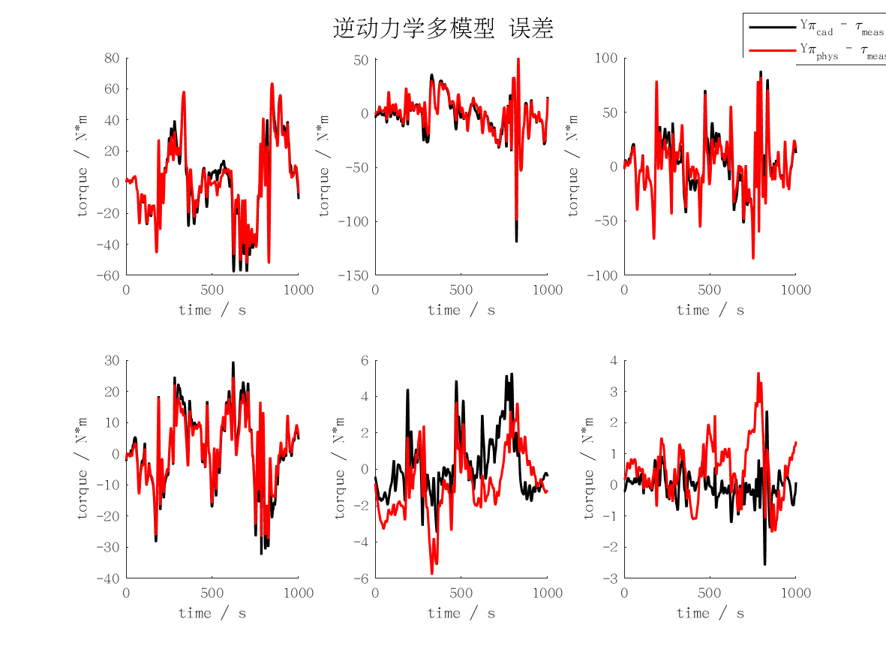
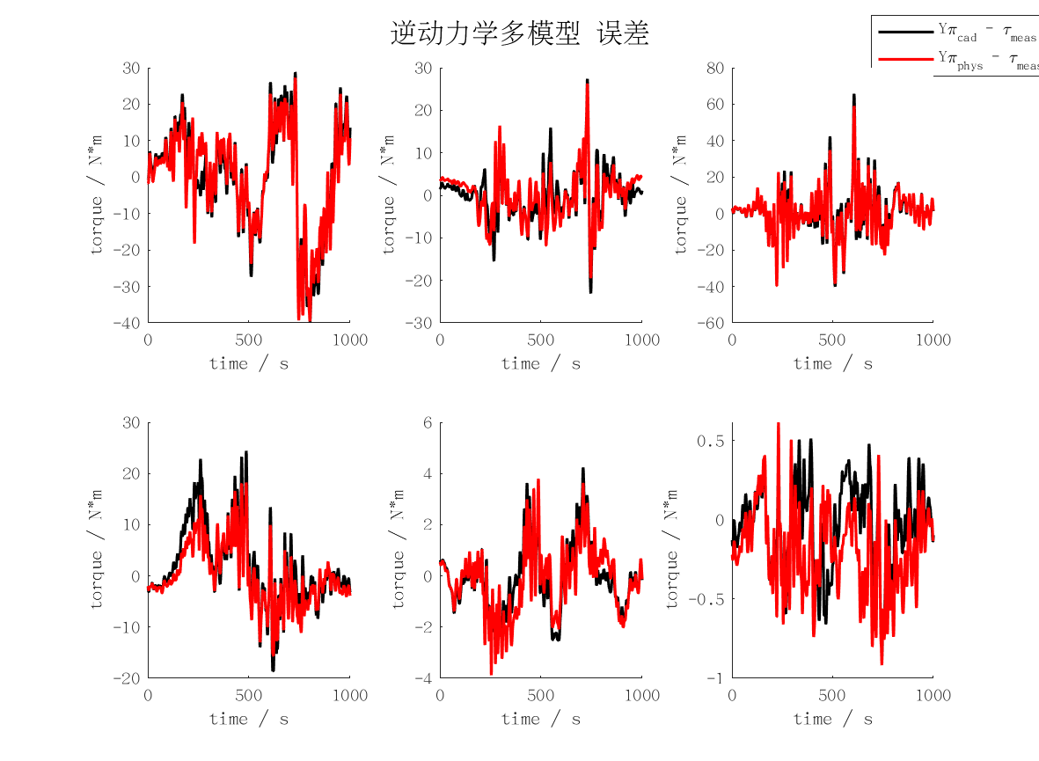
id_maxerr | j1 | j2 | j3 | j4 | j5 | j6 | mean | max
cad | 39.76995931 | 27.368098563 | 65.712471173 | 24.414298428 | 4.2337612478 | 0.89484371392 | 27.065572073 | 65.712471173
min | 41.630848276 | 29.671036982 | 58.55399872 | 16.518764743 | 5.7762874378 | 2.6716753938 | 25.803768592 | 58.55399872
rec | 255.25112515 | 74.132722304 | 68.055067792 | 31.102402002 | 23.660637405 | 2.6449645777 | 75.807819872 | 255.25112515
phys | 39.568781791 | 26.269051073 | 59.044853077 | 18.226433106 | 3.8738917269 | 0.91685180292 | 24.649977096 | 59.044853077

FD_MAXERR
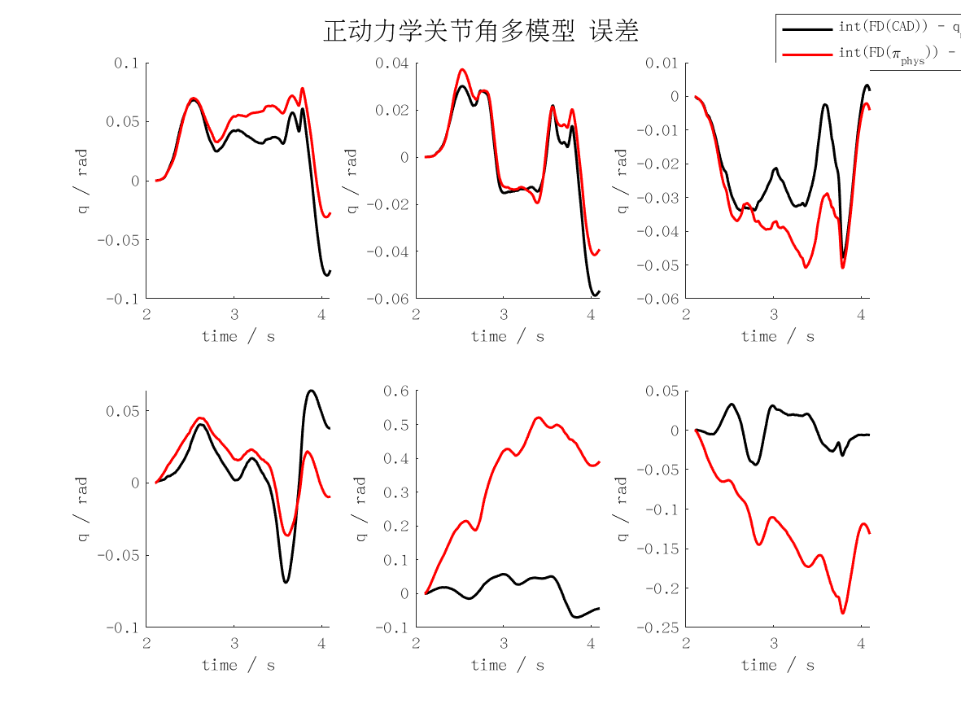
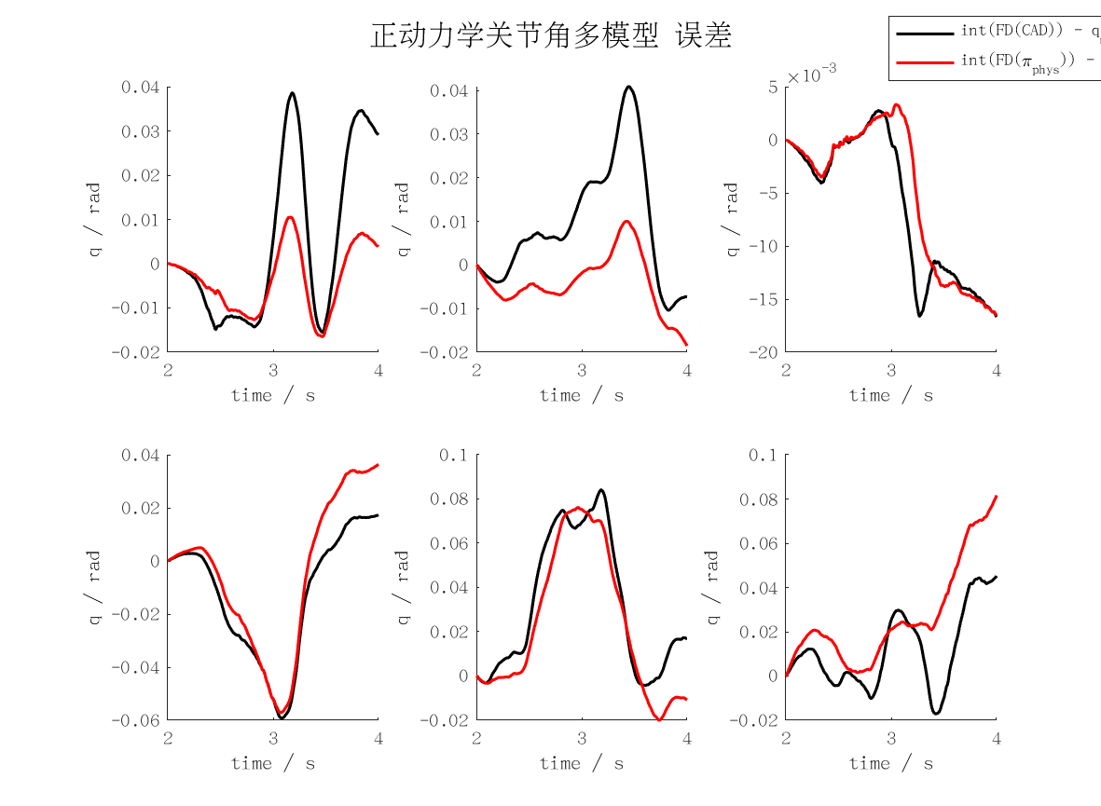
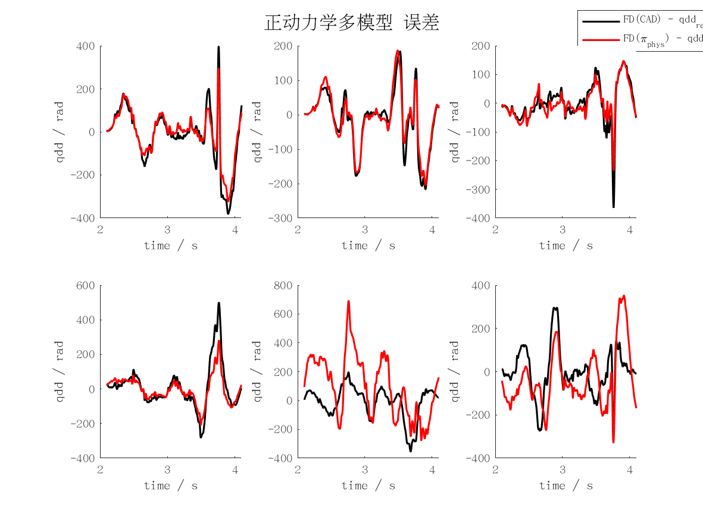
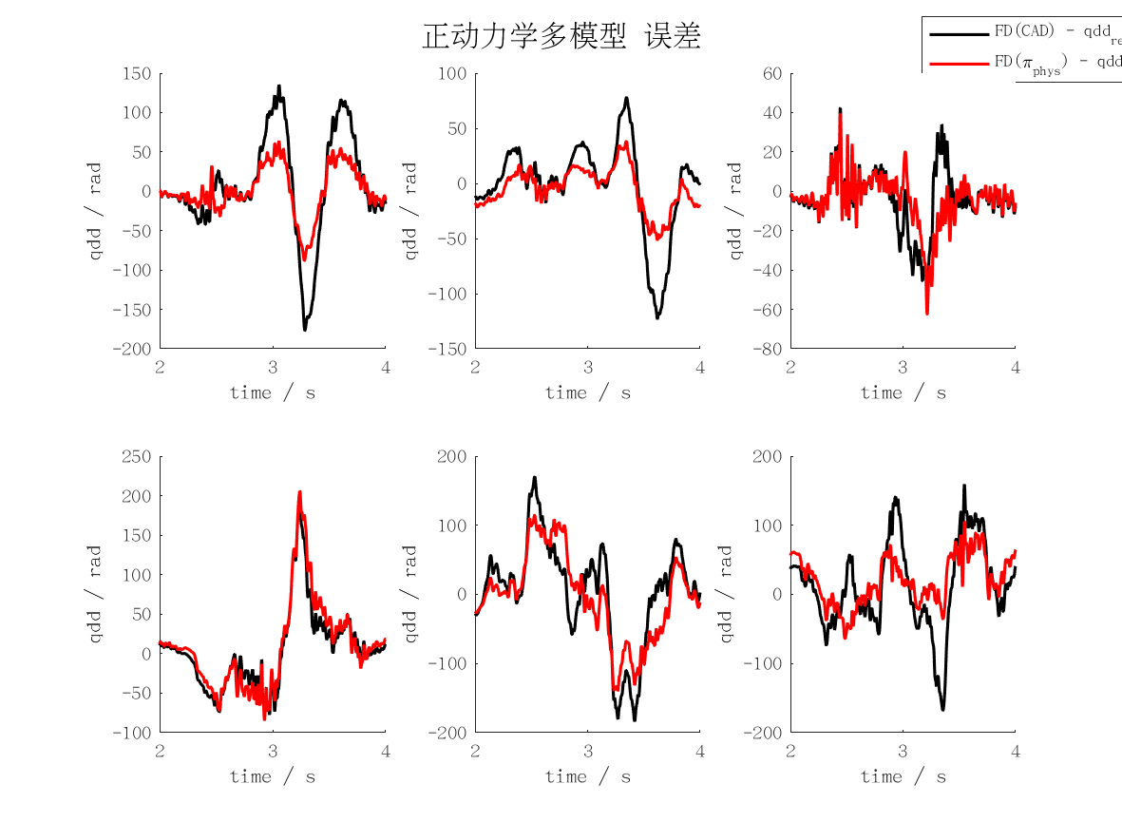
fd_maxerr | j1 | j2 | j3 | j4 | j5 | j6 | mean | max
qd_cad | 0.35182790336 | 0.24582870922 | 0.12205534776 | 0.3908673519 | 0.36650781381 | 0.33954243125 | 0.30277159288 | 0.3908673519
qd_min | 1408605.1845 | 430400.56788 | 296544.24677 | 538543.54363 | 1346523.8704 | 633169.03448 | 775631.07462 | 1408605.1845
qd_rec | 673551.57865 | 8257046.3474 | 313454.37553 | 1765449.5329 | 2223650.5871 | 1293270.3079 | 2421070.4549 | 8257046.3474
qd_phys | 0.17511959801 | 0.10265084045 | 0.12423278423 | 0.41261768302 | 0.2790604027 | 0.22972416899 | 0.22056757957 | 0.41261768302
qd_int_cad | 19.279505564 | 20.430633435 | 8.3381920995 | 29.567222455 | 42.072484058 | 22.715047934 | 23.733847591 | 42.072484058
qd_int_min | 73668087.656 | 13851335.585 | 13064841.107 | 52448786.2 | 118626760.41 | 112978514.36 | 64106387.554 | 118626760.41
qd_int_rec | 25911092.868 | 294050658 | 28468636.599 | 90848499.463 | 99810169.182 | 77937202.043 | 102837709.69 | 294050658
qd_int_phys | 8.2140919753 | 9.3185846451 | 8.2757569276 | 28.530470614 | 38.076006026 | 40.968012367 | 22.230487093 | 40.968012367
cad | 176.82089017 | 123.15439246 | 61.486753923 | 194.88032853 | 183.53867008 | 167.7274785 | 151.26808561 | 194.88032853
min | 704302593.14 | 215200283.87 | 148272124.81 | 269271772.4 | 673261935.1 | 316584518.5 | 387815537.97 | 704302593.14
rec | 336775787.18 | 4128523175.8 | 156727182.28 | 882724766.31 | 1111825294 | 646635152.09 | 1210535226.3 | 4128523175.8
phys | 88.125259933 | 51.565458072 | 62.476703399 | 205.75549409 | 139.3538263 | 105.71519256 | 108.83198906 | 205.75549409
pos_cad | 0.038575447803 | 0.040864576666 | 0.016670592478 | 0.059216993677 | 0.084068353591 | 0.04525502789 | 0.047441832017 | 0.084068353591
pos_min | 147336.17531 | 27702.671194 | 26129.682188 | 104399.3409 | 237253.52093 | 225957.0287 | 128129.73654 | 237253.52093
pos_rec | 51822.185707 | 588101.31598 | 56937.273163 | 181696.99899 | 199620.33837 | 155874.40406 | 205675.41938 | 588101.31598
pos_phys | 0.01645872453 | 0.018552687684 | 0.016550980411 | 0.057114762071 | 0.076119791869 | 0.081665244472 | 0.044410365173 | 0.081665244472

