ID_RMSE
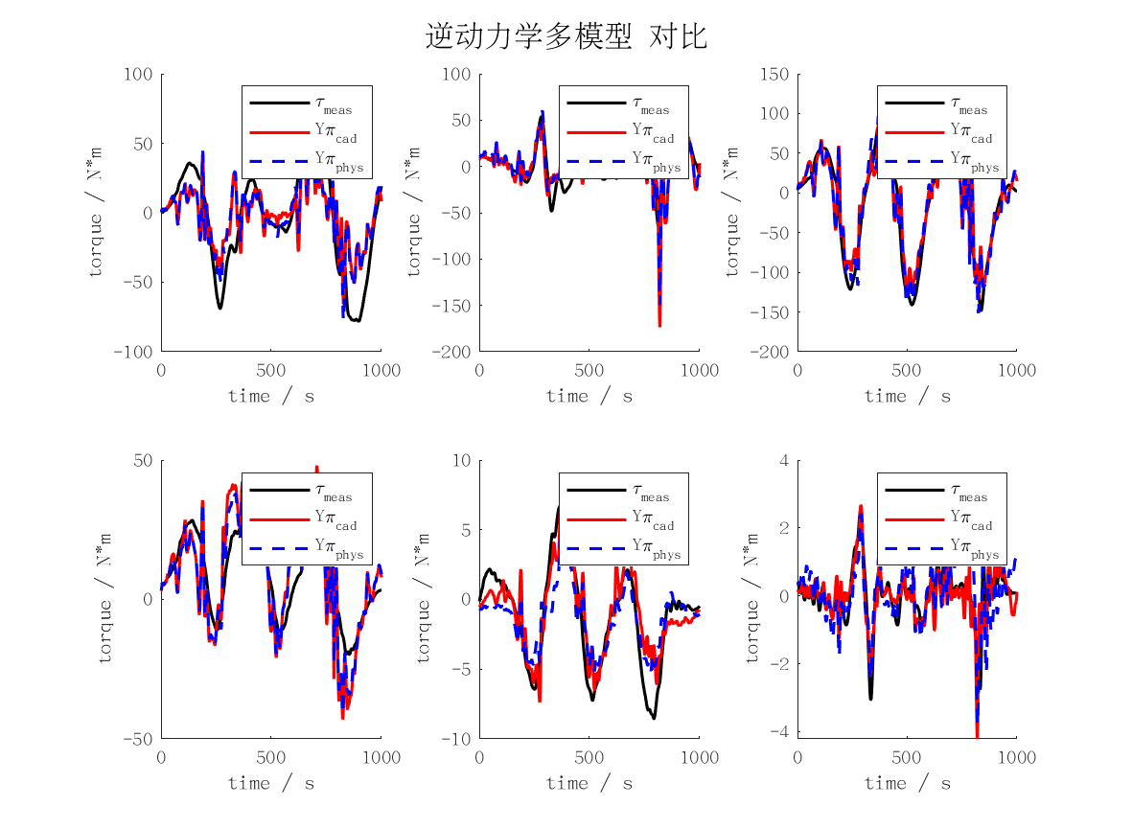
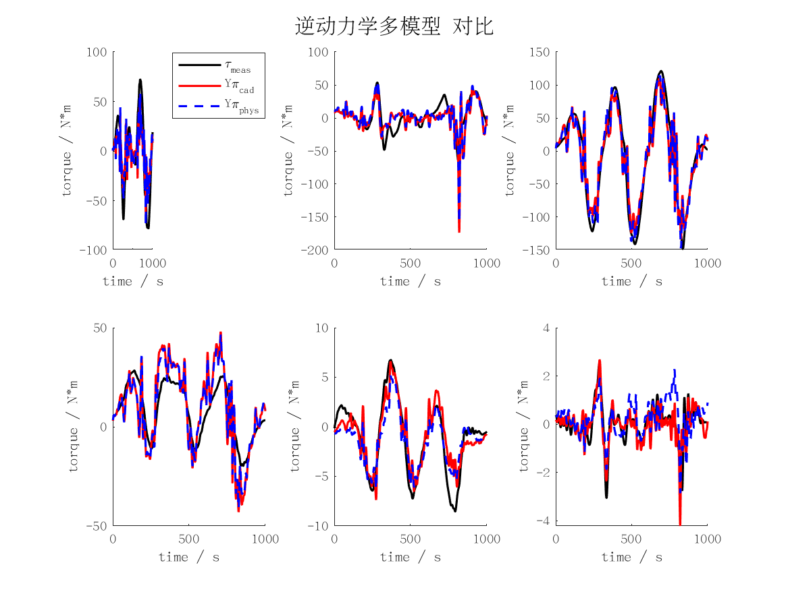
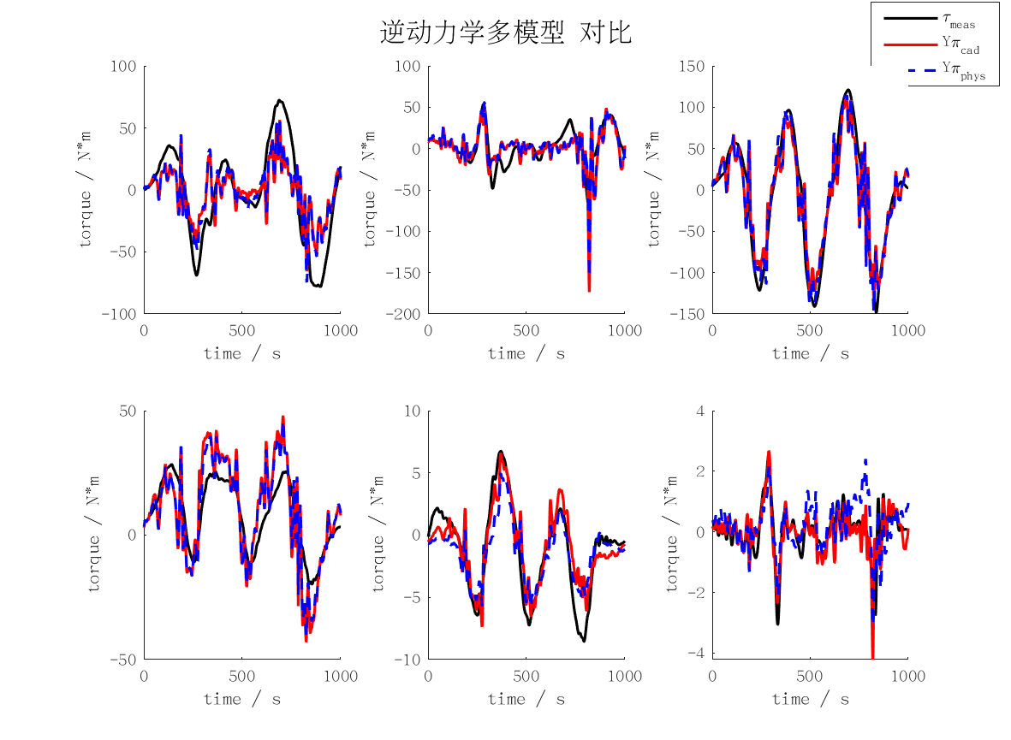
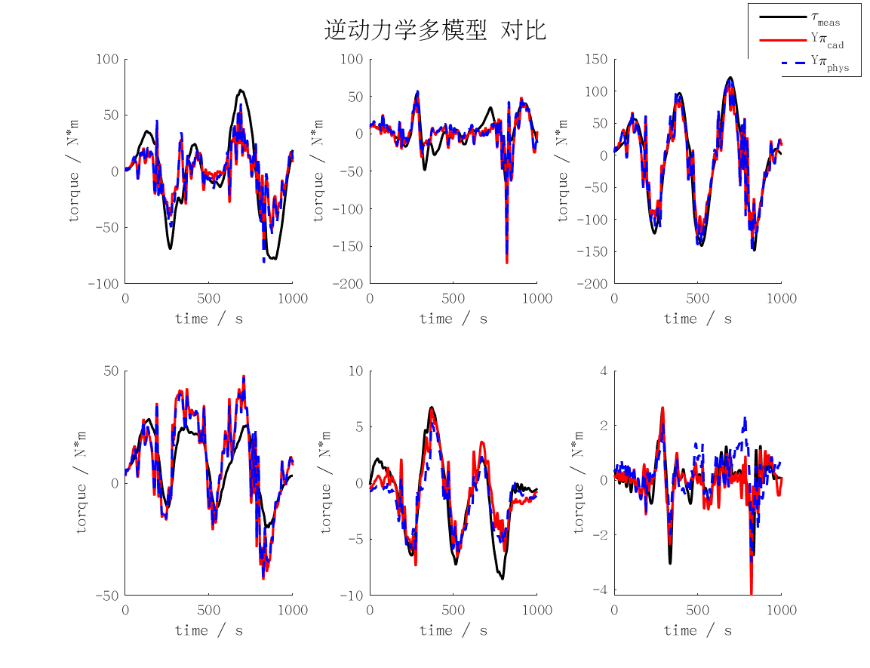
id_rmse | j1 | j2 | j3 | j4 | j5 | j6 | mean | max
cad | 25.133675083 | 17.845787667 | 25.98161106 | 11.866211753 | 1.7058380703 | 0.48131328124 | 13.835739486 | 25.98161106
min | 21.45086931 | 13.110206456 | 24.513316792 | 8.7750268155 | 4.9609260743 | 1.8675427243 | 12.446314695 | 24.513316792
rec | 21.471804217 | 13.112983684 | 24.494255872 | 8.7733801086 | 4.9360047805 | 1.8516251098 | 12.440008962 | 24.494255872
phys | 23.843790927 | 17.37672067 | 24.687137311 | 10.884969266 | 1.6830054965 | 0.66198420483 | 13.189601313 | 24.687137311
fd | 23.34984431 | 15.125486826 | 24.395029753 | 8.8720674071 | 3.4283165715 | 0.76713572417 | 12.656313432 | 24.395029753

FD_RMSE
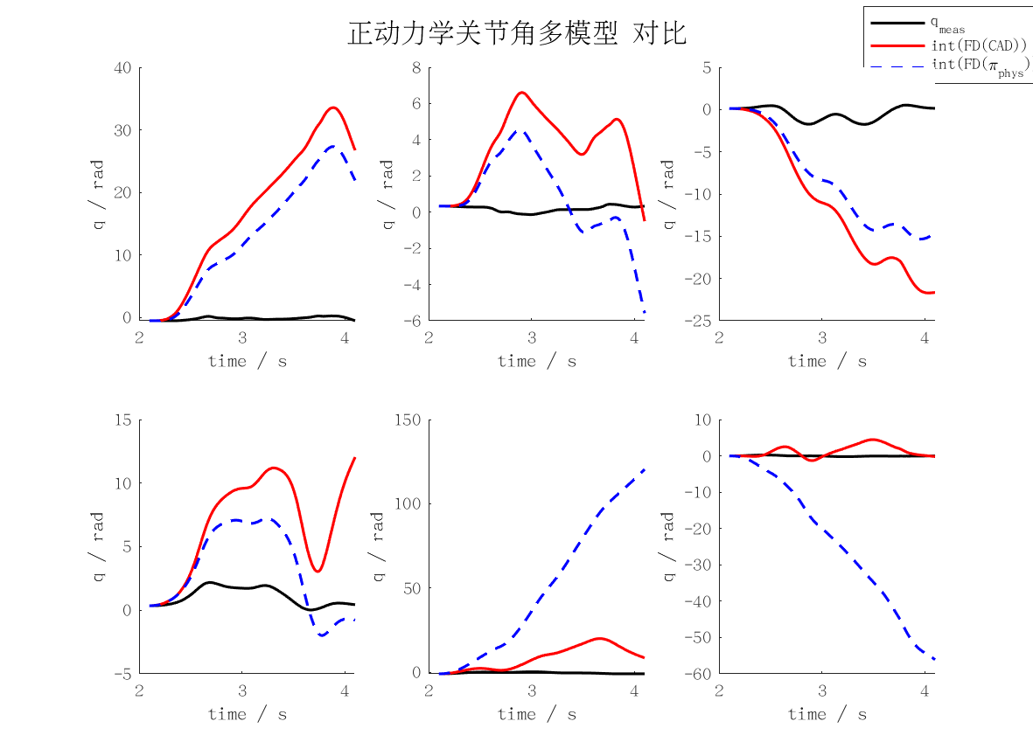
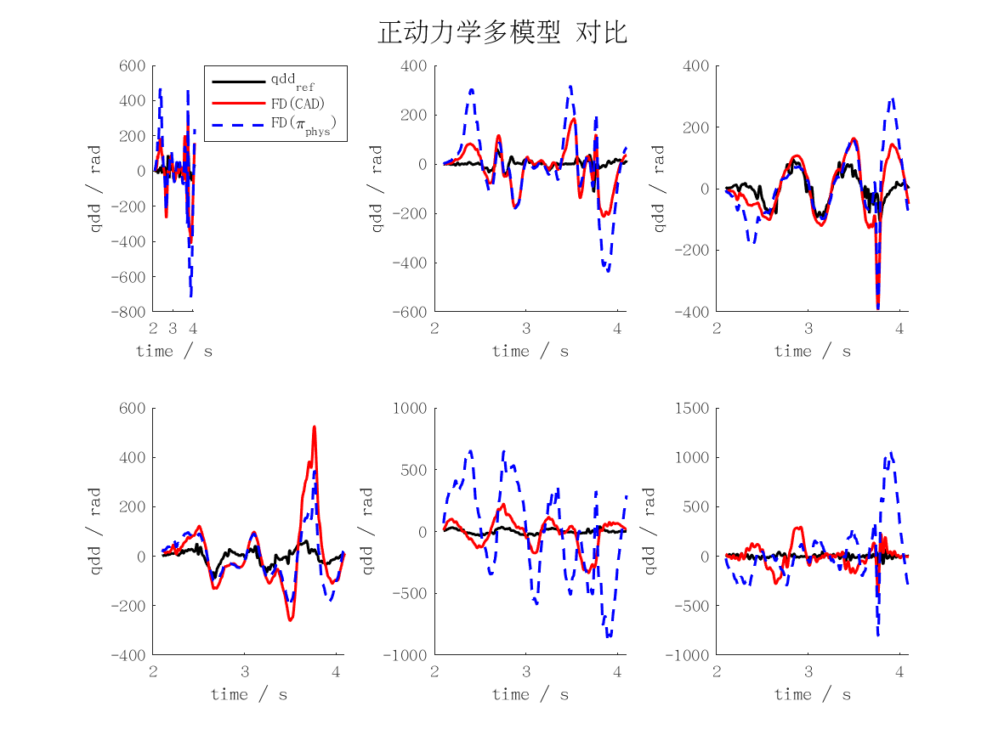
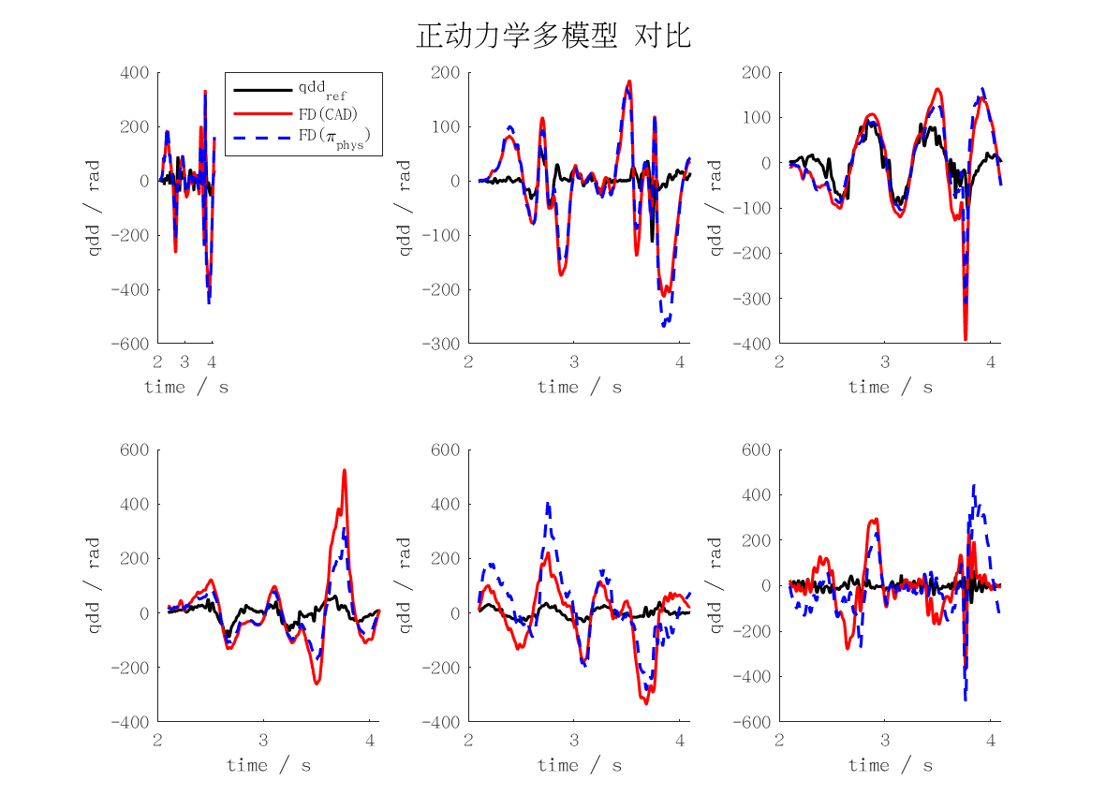
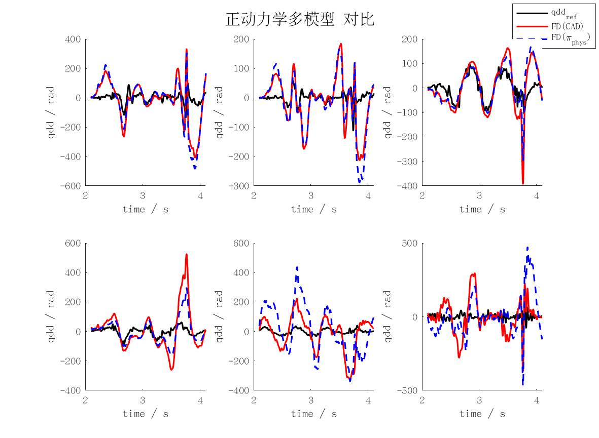
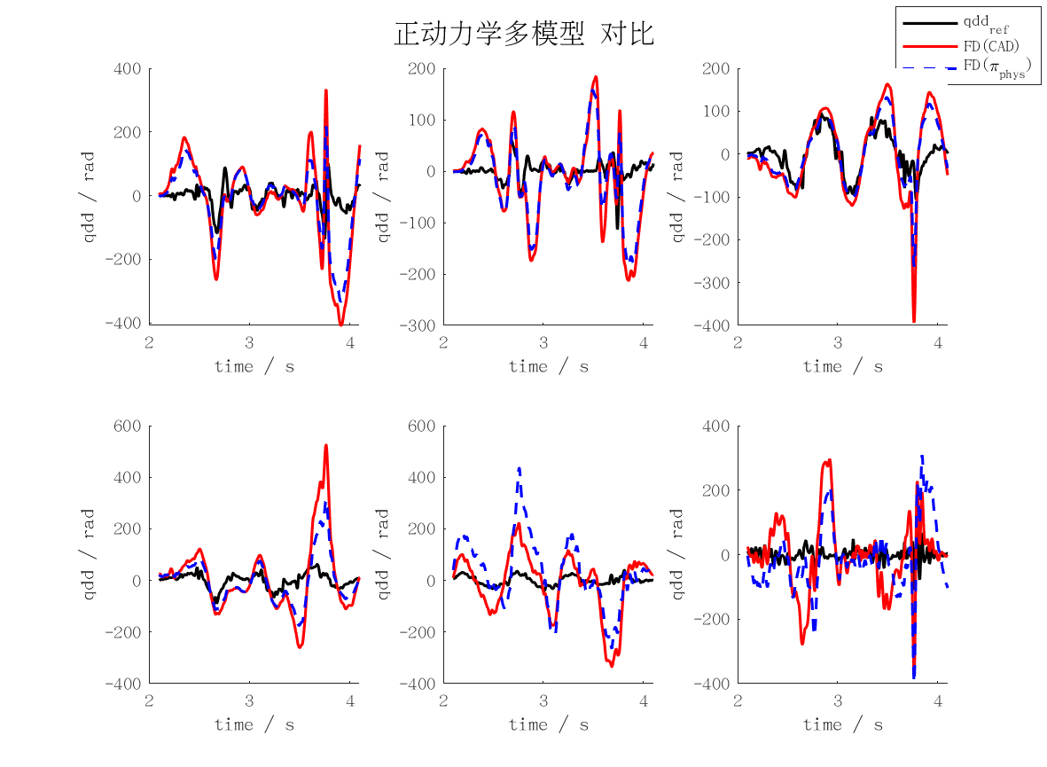
fd_rmse | j1 | j2 | j3 | j4 | j5 | j6 | mean | max
qd_cad | 1.3058672518 | 0.83849775231 | 0.68359175429 | 1.2673057246 | 1.1251155639 | 1.1154154624 | 1.0559655849 | 1.3058672518
qd_min | 3799571.1361 | 2713190.3977 | 1074549.7824 | 940551.08906 | 5275123.144 | 2073620.1526 | 2646100.9503 | 5275123.144
qd_rec | 3737838.5537 | 2686530.4424 | 1052092.6785 | 945672.2657 | 5276445.0329 | 2047691.0923 | 2624378.3443 | 5276445.0329
qd_phys | 0.98762501141 | 0.71193159871 | 0.4781579872 | 0.77087468033 | 1.2700744641 | 1.0129529138 | 0.87193610925 | 1.2700744641
qd_int_cad | 21.814588931 | 11.309096519 | 12.557416575 | 16.107509016 | 19.611326232 | 10.283316578 | 15.280542308 | 21.814588931
qd_int_min | 101641353.37 | 89058336.875 | 22274762.885 | 28114449.728 | 153065952.08 | 58686487.699 | 75473557.106 | 153065952.08
qd_int_rec | 100350604.41 | 90483126.16 | 21861589.348 | 28333100.521 | 154531739.23 | 58577777.785 | 75689656.242 | 154531739.23
qd_int_phys | 17.447979172 | 10.507834556 | 9.118382227 | 10.426027582 | 66.658671549 | 30.442893393 | 24.10029808 | 66.658671549
cad | 131.75862406 | 84.170711578 | 69.040434125 | 126.69777719 | 112.58044152 | 111.91667825 | 106.02744445 | 131.75862406
min | 380953568.73 | 272126949 | 107905010.07 | 94539047.893 | 529922615.26 | 208078629.05 | 265587636.67 | 529922615.26
rec | 374766789.84 | 269444038.95 | 105654740.14 | 95061311.917 | 530066892.92 | 205485744.18 | 263413252.99 | 530066892.92
phys | 99.701160502 | 71.426742598 | 48.431235319 | 77.006027713 | 127.13311258 | 101.83779989 | 87.589346434 | 127.13311258
pos_cad | 20.381198423 | 3.9931345375 | 13.052465511 | 6.5721497921 | 11.266765887 | 2.0846784886 | 9.5583987732 | 20.381198423
pos_min | 61039179.087 | 57768642.138 | 15206713.847 | 25357572.323 | 126823762.79 | 48351454.96 | 55757887.524 | 126823762.79
pos_rec | 60713524.512 | 59147066.299 | 15090883.229 | 25729000.347 | 128830481.81 | 48386852.857 | 56316301.509 | 128830481.81
pos_phys | 16.162598804 | 2.4225016064 | 9.6660252296 | 3.4398541244 | 64.825147983 | 29.807738343 | 21.053977682 | 64.825147983

ID_MAXERR
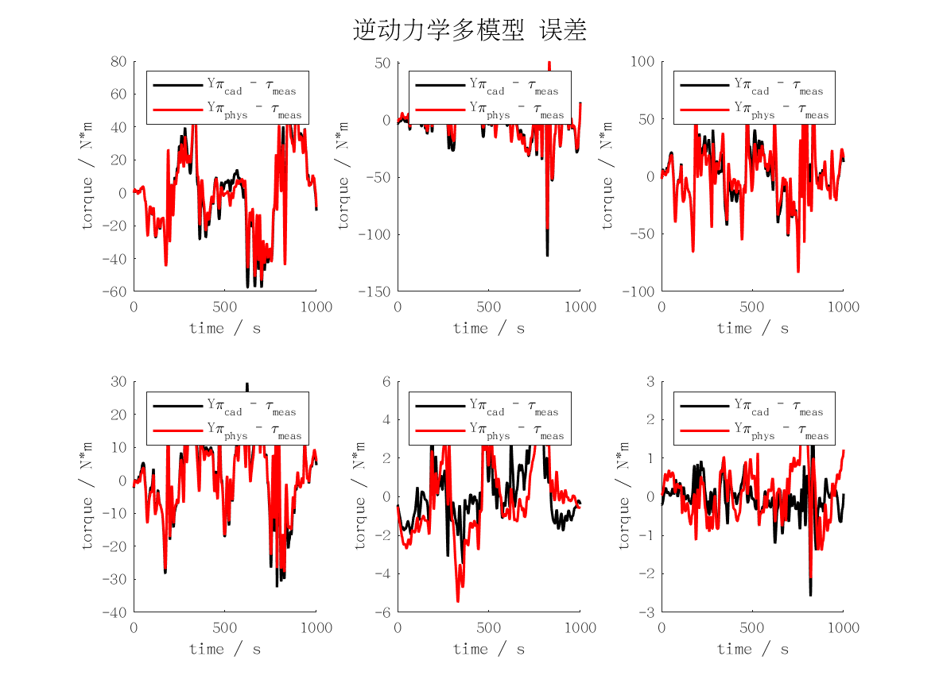
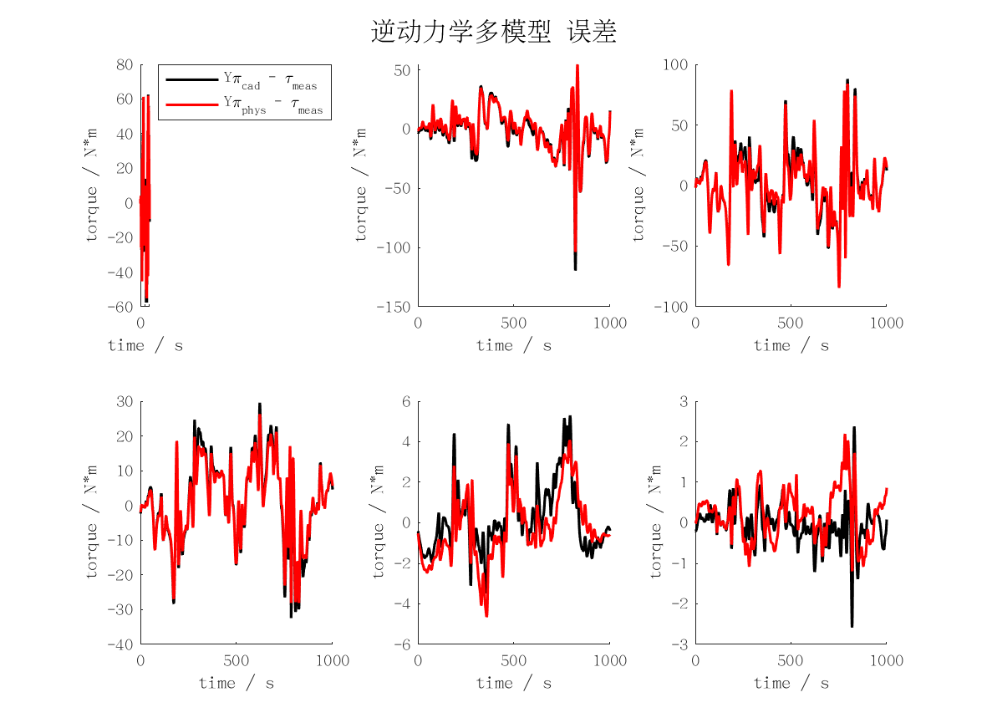
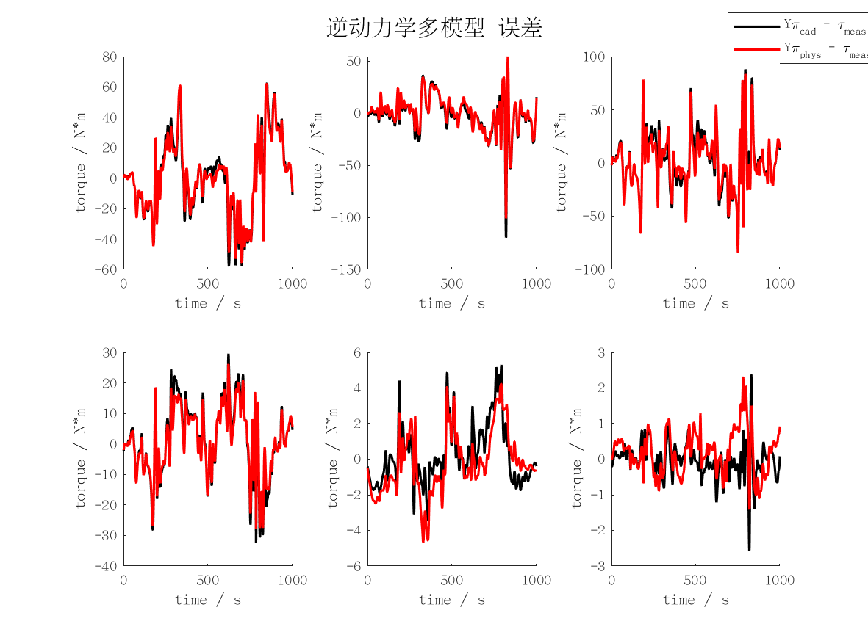

id_maxerr | j1 | j2 | j3 | j4 | j5 | j6 | mean | max
cad | 62.517384276 | 119.3329408 | 87.939965717 | 32.424099282 | 5.2920023597 | 2.5825018998 | 51.681482388 | 119.3329408
min | 61.600499373 | 59.10697817 | 82.867659116 | 28.530098724 | 16.709740415 | 8.2769723153 | 42.848658019 | 82.867659116
rec | 61.572872845 | 59.623387356 | 82.953725079 | 28.435797953 | 16.619049986 | 8.2191113627 | 42.903990764 | 82.953725079
phys | 63.878891991 | 108.72779248 | 85.747479435 | 29.204836334 | 4.5969423312 | 2.3023977184 | 49.076390048 | 108.72779248
fd | 58.002006901 | 61.153687037 | 84.242024725 | 24.686194549 | 7.6622213507 | 4.6381918311 | 40.064054399 | 84.242024725

FD_MAXERR
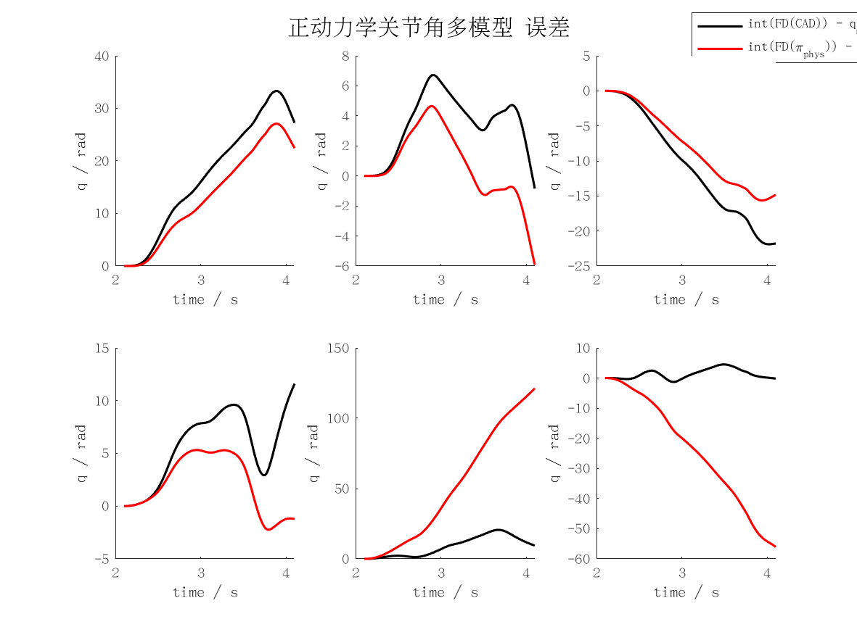
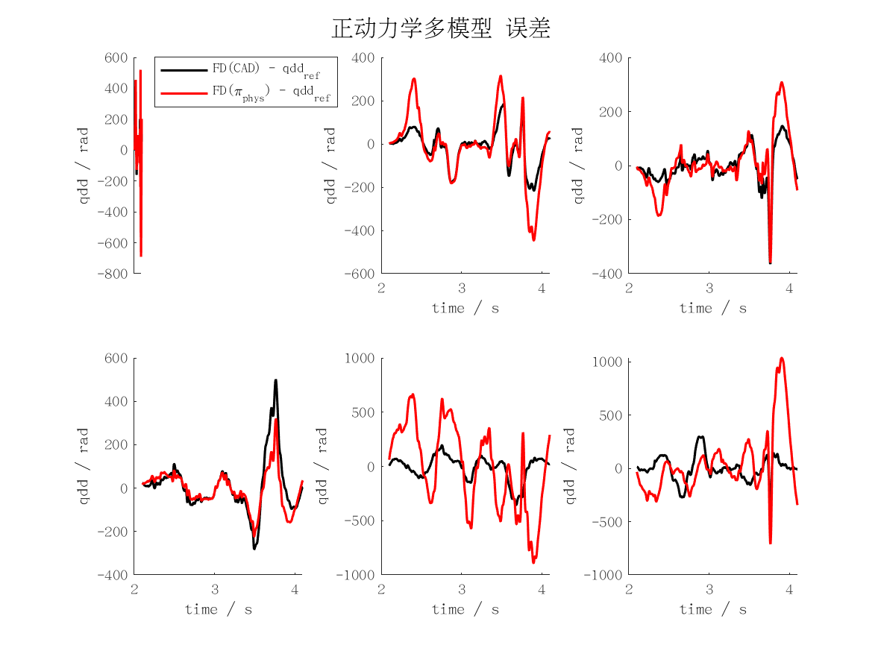
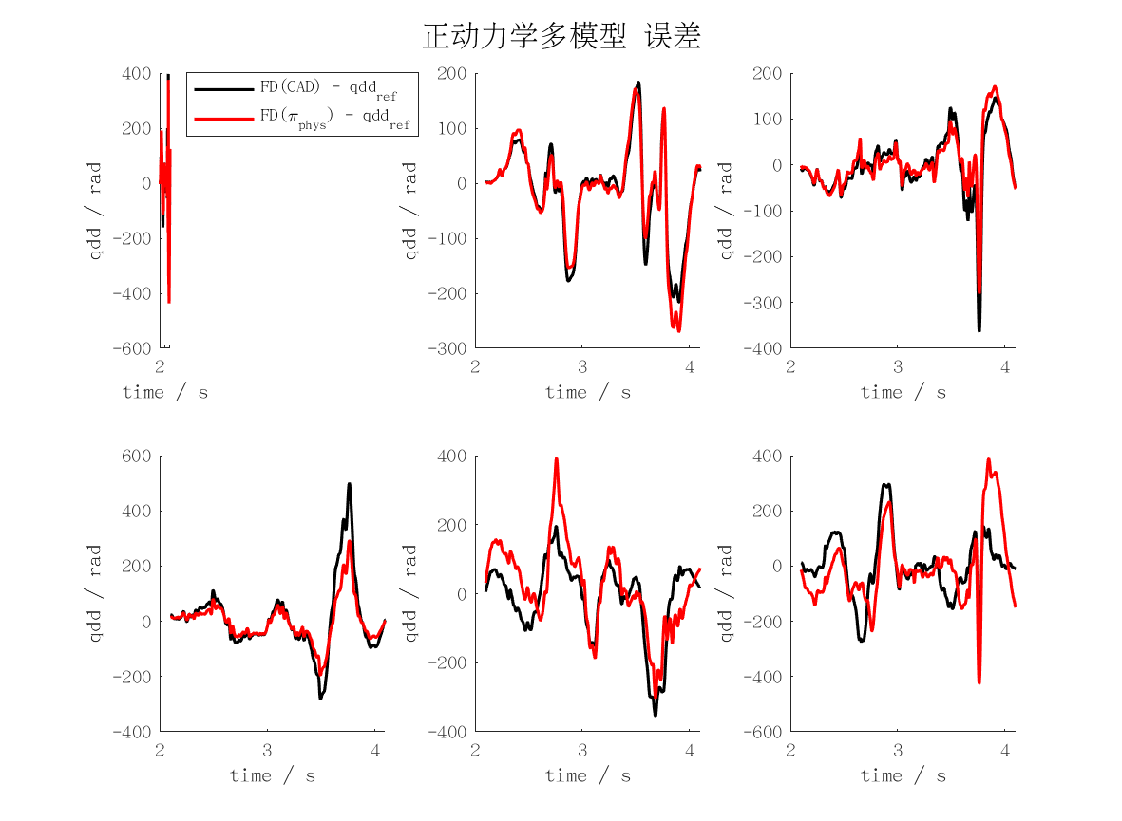
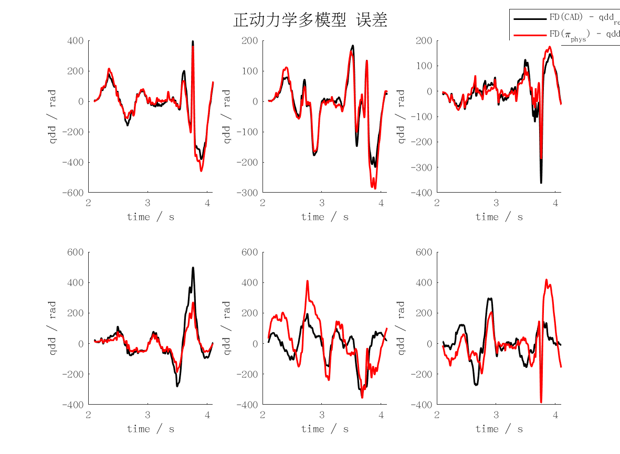
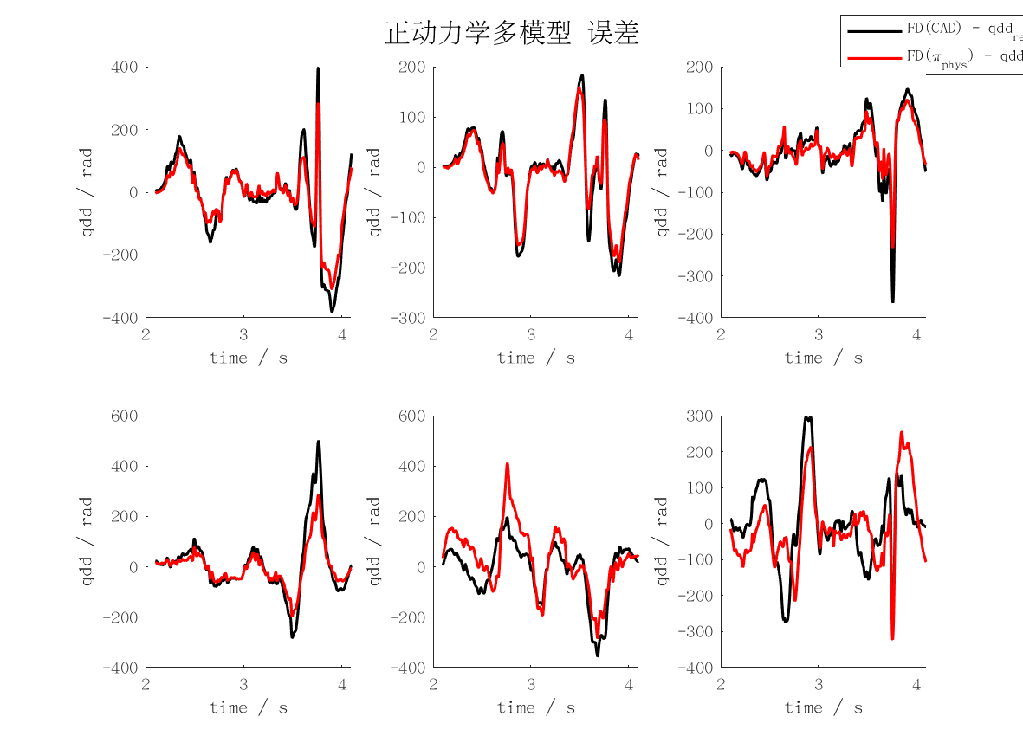
fd_maxerr | j1 | j2 | j3 | j4 | j5 | j6 | mean | max
qd_cad | 3.7815464715 | 2.1563499075 | 3.5539780223 | 4.968509667 | 3.5216826788 | 2.950822013 | 3.4888147934 | 4.968509667
qd_min | 12358094.109 | 8872839.0967 | 2812783.0307 | 2613191.8735 | 11499147.376 | 5313097.6574 | 7244858.8572 | 12358094.109
qd_rec | 12142110.3 | 8913578.2483 | 2752718.2211 | 2621883.1446 | 11442445.689 | 5204524.6285 | 7179543.3718 | 12142110.3
qd_phys | 3.0564367431 | 1.8876236746 | 2.2535173608 | 2.8400821228 | 4.0866542201 | 3.0504712327 | 2.8624642257 | 4.0866542201
qd_int_cad | 40.143872117 | 29.311506083 | 23.969811385 | 34.40494781 | 35.095138006 | 21.92553923 | 30.808469105 | 40.143872117
qd_int_min | 173734129.03 | 159872230.66 | 41798726.08 | 51880404.38 | 286152361.19 | 111057230 | 137415846.89 | 286152361.19
qd_int_rec | 171047725.12 | 160065567.62 | 40887526.915 | 51996948.869 | 287189846.72 | 110297840.13 | 136914242.56 | 287189846.72
qd_int_phys | 30.080082124 | 26.444518126 | 14.102126162 | 29.472556795 | 97.053362389 | 56.058594915 | 42.201873419 | 97.053362389
cad | 396.62616692 | 216.14271772 | 364.32205079 | 500.05312286 | 354.64082504 | 299.36191607 | 355.19113323 | 500.05312286
min | 1238640902.2 | 889445036.86 | 282187697.92 | 262212648.2 | 1153633226.7 | 532535270.14 | 726442463.67 | 1238640902.2
rec | 1217493192.9 | 893517029.61 | 276161166.79 | 263086109.72 | 1147956751.8 | 521669441.23 | 719980615.33 | 1217493192.9
phys | 308.11619657 | 189.33469147 | 232.66441514 | 286.01537378 | 411.23560341 | 321.56076319 | 291.48784059 | 411.23560341
pos_cad | 33.308656858 | 6.7169838156 | 21.89707912 | 11.601684722 | 20.614769796 | 4.5250409371 | 16.444035875 | 33.308656858
pos_min | 143368135.48 | 137558920.29 | 31891890.301 | 48548847.651 | 255563378.65 | 96934313.997 | 118977581.06 | 255563378.65
pos_rec | 142279265.95 | 140228614.28 | 31533910.864 | 49065949.173 | 259061722.51 | 97083129.249 | 119875432.01 | 259061722.51
pos_phys | 27.079759461 | 5.9187109442 | 15.642524005 | 5.322359522 | 121.26077664 | 56.055838643 | 38.546661535 | 121.26077664

