ID_RMSE
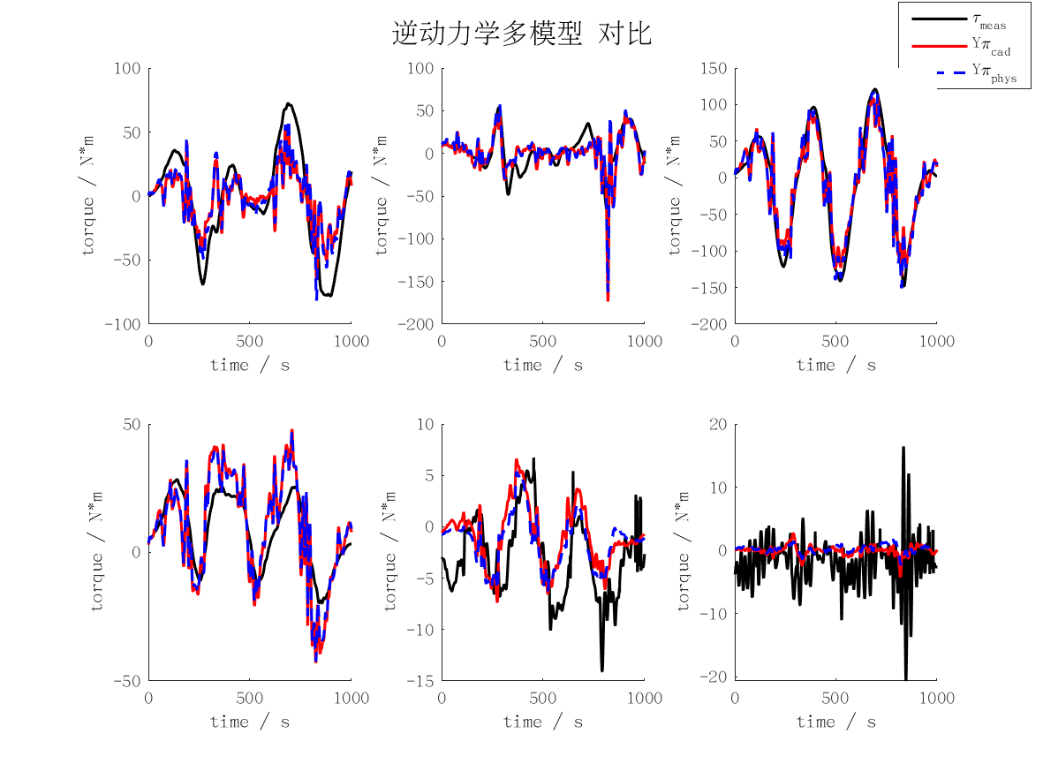
id_rmse | j1 | j2 | j3 | j4 | j5 | j6 | mean | max
cad | 25.133675083 | 17.845787667 | 25.98161106 | 11.866211753 | 3.801740012 | 4.378468027 | 14.834582267 | 25.98161106
min | 21.329493418 | 13.091989813 | 24.498771729 | 8.6826350045 | 5.2473586985 | 3.1100636602 | 12.660052054 | 24.498771729
rec | 21.352429876 | 13.094731401 | 24.479725206 | 8.6787463182 | 5.2243285279 | 3.1006775923 | 12.655106487 | 24.479725206
phys | 23.833264869 | 17.39418505 | 24.684590719 | 10.902531773 | 3.5233296447 | 4.4574056185 | 14.132551279 | 24.684590719

FD_RMSE
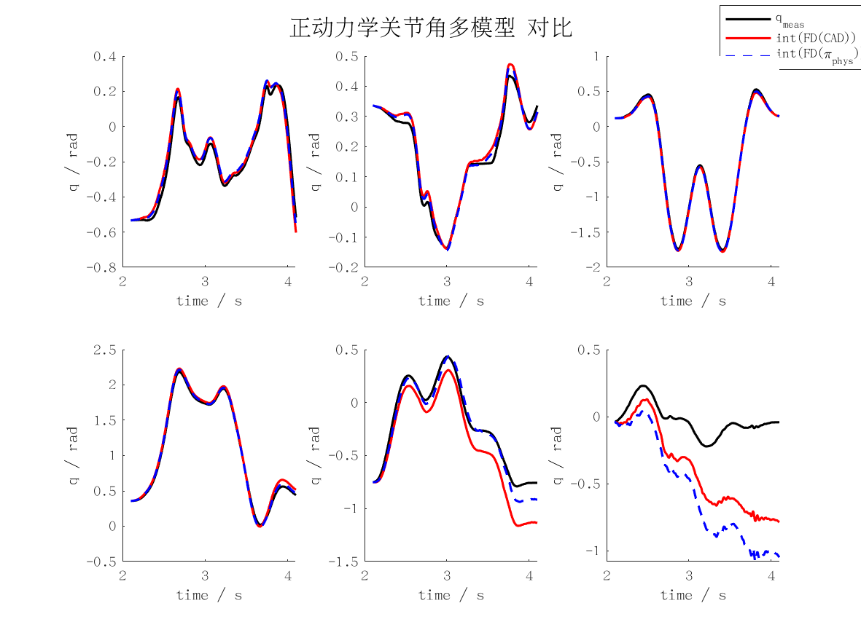
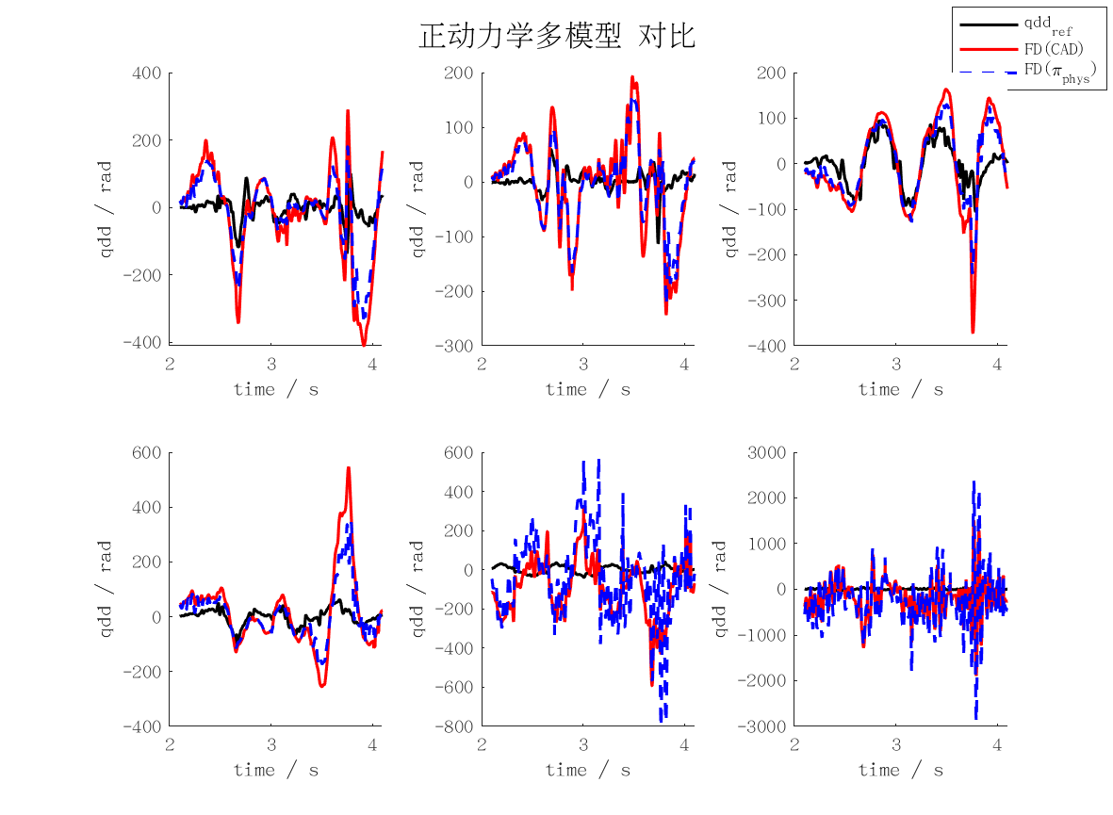
fd_rmse | j1 | j2 | j3 | j4 | j5 | j6 | mean | max
qd_cad | 1.3196176166 | 0.83571317836 | 0.69278358994 | 1.310507794 | 1.8256794515 | 4.3830543772 | 1.7278926679 | 4.3830543772
qd_min | 3597645.9521 | 2235140.1056 | 793044.89515 | 528083.46961 | 3279194.2135 | 4750596.7123 | 2530617.558 | 4750596.7123
qd_rec | 3547101.5167 | 2210131.0817 | 776292.14007 | 527355.99211 | 3275797.4576 | 4737726.5025 | 2512400.7818 | 4737726.5025
qd_phys | 0.96179150943 | 0.6901986909 | 0.47278248252 | 0.81678979402 | 2.1313766239 | 5.972725033 | 1.8409440223 | 5.972725033
qd_int_cad | 20.480621001 | 11.887071149 | 13.066663992 | 23.179974523 | 101.04868325 | 218.70055076 | 64.727260779 | 218.70055076
qd_int_min | 52950941.887 | 63126065.297 | 10759556.01 | 12324615.551 | 57541727.069 | 131348772.4 | 54675279.703 | 131348772.4
qd_int_rec | 51931846.443 | 63962528.74 | 10503562.194 | 12221655.683 | 57280141.528 | 131002258.63 | 54483665.536 | 131002258.63
qd_int_phys | 16.413878499 | 8.8045676885 | 10.462748441 | 11.910865336 | 35.597079143 | 308.39168559 | 65.263470783 | 308.39168559
cad | 133.05772817 | 84.064884784 | 69.915320734 | 131.04413094 | 184.29964901 | 459.59233909 | 176.99567545 | 459.59233909
min | 361033648.65 | 224908825.95 | 79788736.253 | 53337807.068 | 330189348.67 | 488641088.29 | 256316575.82 | 488641088.29
rec | 355971820.89 | 222388877.31 | 78111544.044 | 53284158.791 | 329884669.47 | 487336093.85 | 254496194.06 | 487336093.85
phys | 97.093103038 | 69.426746088 | 47.940542795 | 81.995515759 | 218.61721635 | 631.01023518 | 191.0138932 | 631.01023518
pos_cad | 0.04086464428 | 0.023766450573 | 0.026122802736 | 0.046320346924 | 0.20174299567 | 0.4367647301 | 0.12926366171 | 0.4367647301
pos_min | 105828.49098 | 126131.92914 | 21514.983621 | 24612.005835 | 114972.66569 | 262166.06637 | 109204.35694 | 262166.06637
pos_rec | 103792.01048 | 127802.75411 | 21003.486784 | 24406.348583 | 114449.27896 | 261482.83814 | 108822.78618 | 261482.83814
pos_phys | 0.03277843847 | 0.017601994377 | 0.020917715924 | 0.023836344084 | 0.071017829927 | 0.61595928995 | 0.13035193546 | 0.61595928995

ID_MAXERR
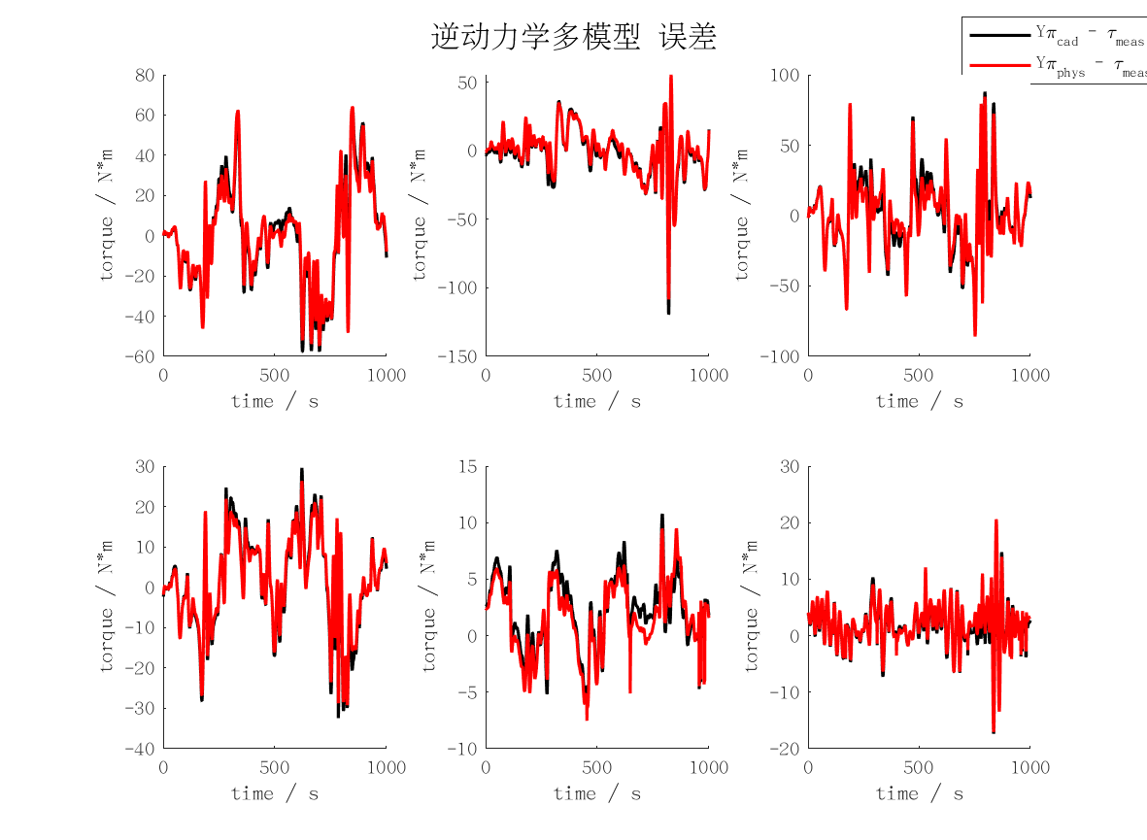
id_maxerr | j1 | j2 | j3 | j4 | j5 | j6 | mean | max
cad | 62.517384276 | 119.3329408 | 87.939965717 | 32.424099282 | 10.776209019 | 20.477014431 | 55.577935587 | 119.3329408
min | 61.411488417 | 58.713579997 | 83.409913378 | 29.527050185 | 16.515426056 | 12.620396614 | 43.699642441 | 83.409913378
rec | 61.382778075 | 59.275652703 | 83.497206622 | 29.419024957 | 16.414676726 | 12.511960063 | 43.750216524 | 83.497206622
phys | 63.960047761 | 108.33884494 | 85.821713904 | 29.184880272 | 9.4855949918 | 20.593506846 | 52.897431452 | 108.33884494

FD_MAXERR
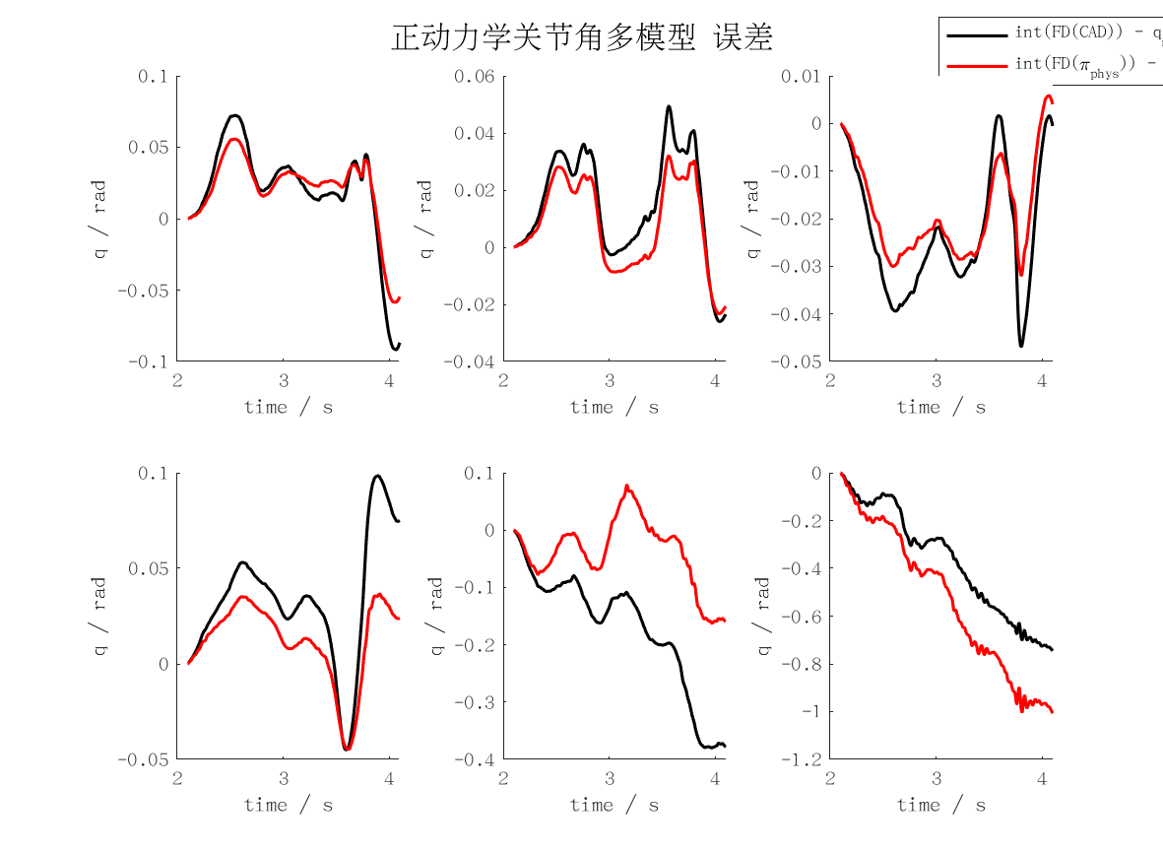
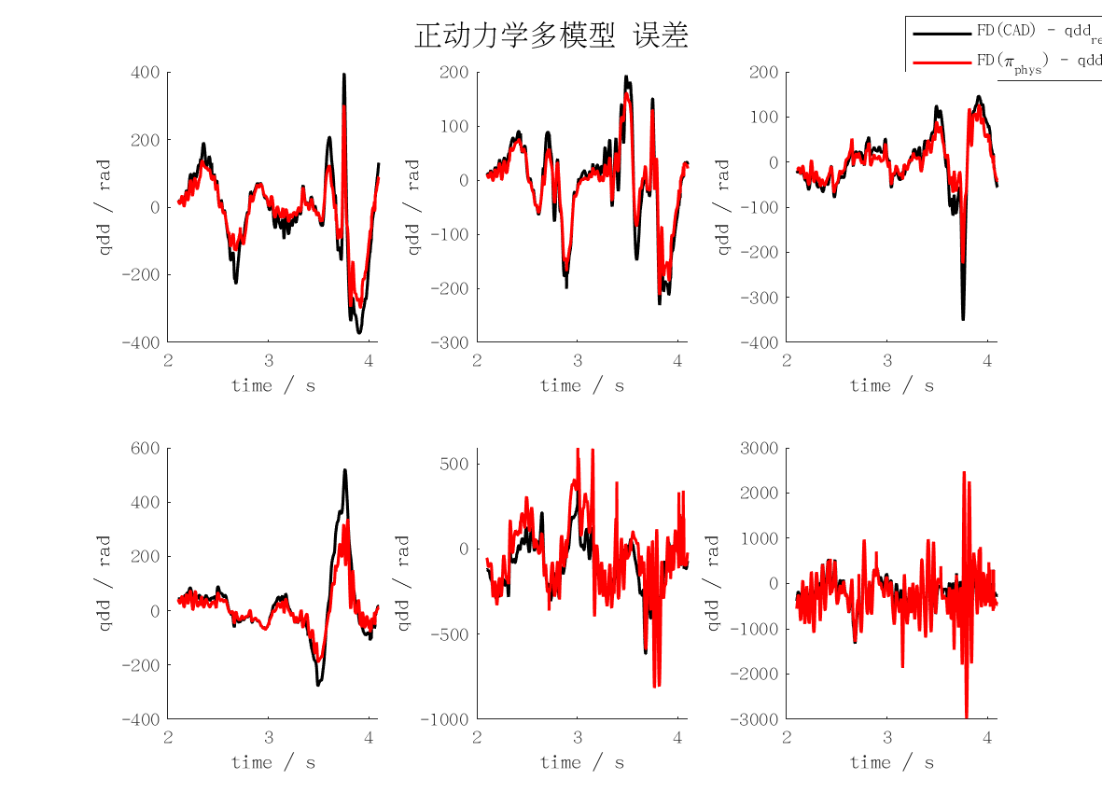
fd_maxerr | j1 | j2 | j3 | j4 | j5 | j6 | mean | max
qd_cad | 3.7454684895 | 2.2631188039 | 3.4431834833 | 5.1702547981 | 6.0300597138 | 18.861833422 | 6.5856531184 | 18.861833422
qd_min | 14272761.676 | 6849912.1311 | 2963576.869 | 1733267.5976 | 11157294.351 | 21805676.241 | 9797081.4776 | 21805676.241
qd_rec | 14065080.007 | 6857215.6426 | 2903128.852 | 1733755.2117 | 11128793.058 | 21784277.448 | 9745375.0365 | 21784277.448
qd_phys | 2.949410425 | 2.0636722624 | 2.1726426602 | 3.2909961804 | 7.8469334978 | 28.119844884 | 7.7405833183 | 28.119844884
qd_int_cad | 45.878147571 | 24.698734348 | 23.512286837 | 49.183783808 | 189.88784507 | 373.14620608 | 117.71783395 | 373.14620608
qd_int_min | 131185968.25 | 91008763.193 | 30578995.166 | 21436936.605 | 124559259.59 | 264212340.67 | 110497043.91 | 264212340.67
qd_int_rec | 129342964.42 | 91994410.154 | 30028177.367 | 21271327.261 | 124152111.7 | 261421838.91 | 109701804.97 | 261421838.91
qd_int_phys | 29.227731523 | 15.996263347 | 16.039540401 | 22.286964168 | 81.148654848 | 504.25535268 | 111.49241783 | 504.25535268
cad | 394.44402306 | 230.78279478 | 351.73210287 | 519.97043686 | 614.01852588 | 1997.137594 | 684.68091291 | 1997.137594
min | 1535973989.9 | 699465484.36 | 320960706.08 | 177325034.96 | 1193799186.9 | 2279269714 | 1034465686 | 2279269714
rec | 1516381193 | 700265829.06 | 314735101.19 | 177415131.76 | 1192862866.2 | 2277165716.8 | 1029804306.3 | 2277165716.8
phys | 300.05588647 | 212.16614136 | 223.84732465 | 337.42929835 | 813.86404999 | 2983.749975 | 811.85211263 | 2983.749975
pos_cad | 0.091786585624 | 0.049344630595 | 0.046854806844 | 0.098433579024 | 0.37977002244 | 0.74524813119 | 0.23523962595 | 0.74524813119
pos_min | 262371.93645 | 182017.52644 | 61157.990156 | 42873.8732 | 249118.51921 | 528405.6136 | 220990.90984 | 528405.6136
pos_rec | 258685.92881 | 183988.82037 | 60056.354558 | 42542.654506 | 248304.22343 | 522821.15724 | 219399.85649 | 522821.15724
pos_phys | 0.058485753528 | 0.031939653161 | 0.031917791044 | 0.044674786276 | 0.16228428482 | 1.0066556027 | 0.22265964526 | 1.0066556027

