ID_RMSE
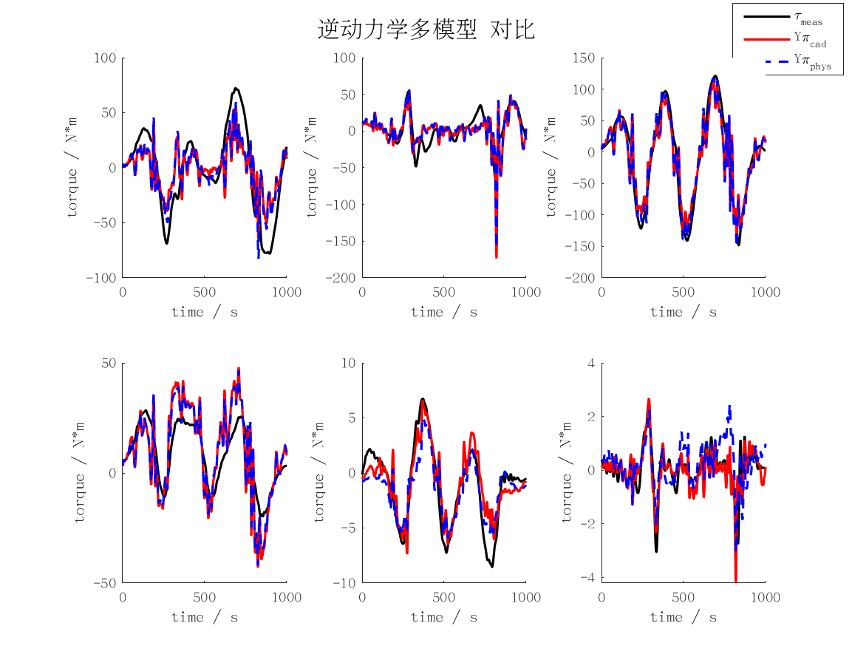
id_rmse | j1 | j2 | j3 | j4 | j5 | j6 | mean | max
cad | 25.133675083 | 17.845787667 | 25.98161106 | 11.866211753 | 1.7058380703 | 0.48131328124 | 13.835739486 | 25.98161106
min | 21.45086931 | 13.110206456 | 24.513316792 | 8.7750268155 | 4.9609260743 | 1.8675427243 | 12.446314695 | 24.513316792
rec | 21.471804217 | 13.112983684 | 24.494255872 | 8.7733801086 | 4.9360047805 | 1.8516251098 | 12.440008962 | 24.494255872
phys | 23.740636543 | 17.106054087 | 24.628743566 | 10.739146453 | 1.7308650878 | 0.67019600498 | 13.102606957 | 24.628743566

FD_RMSE
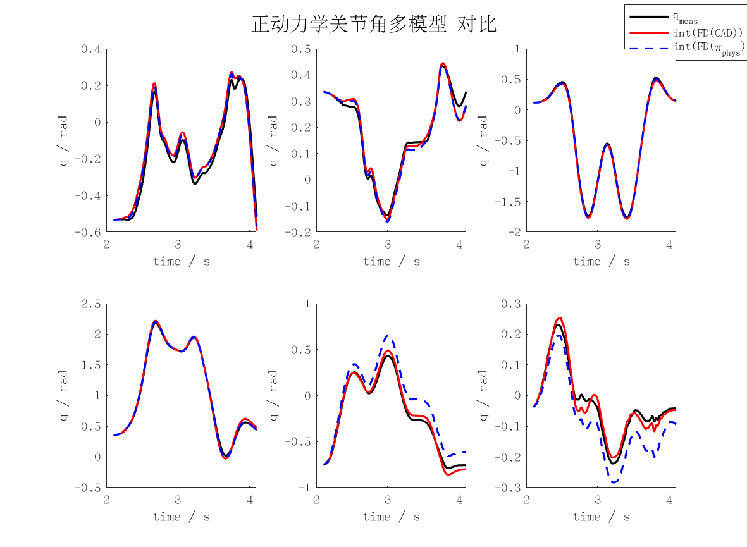
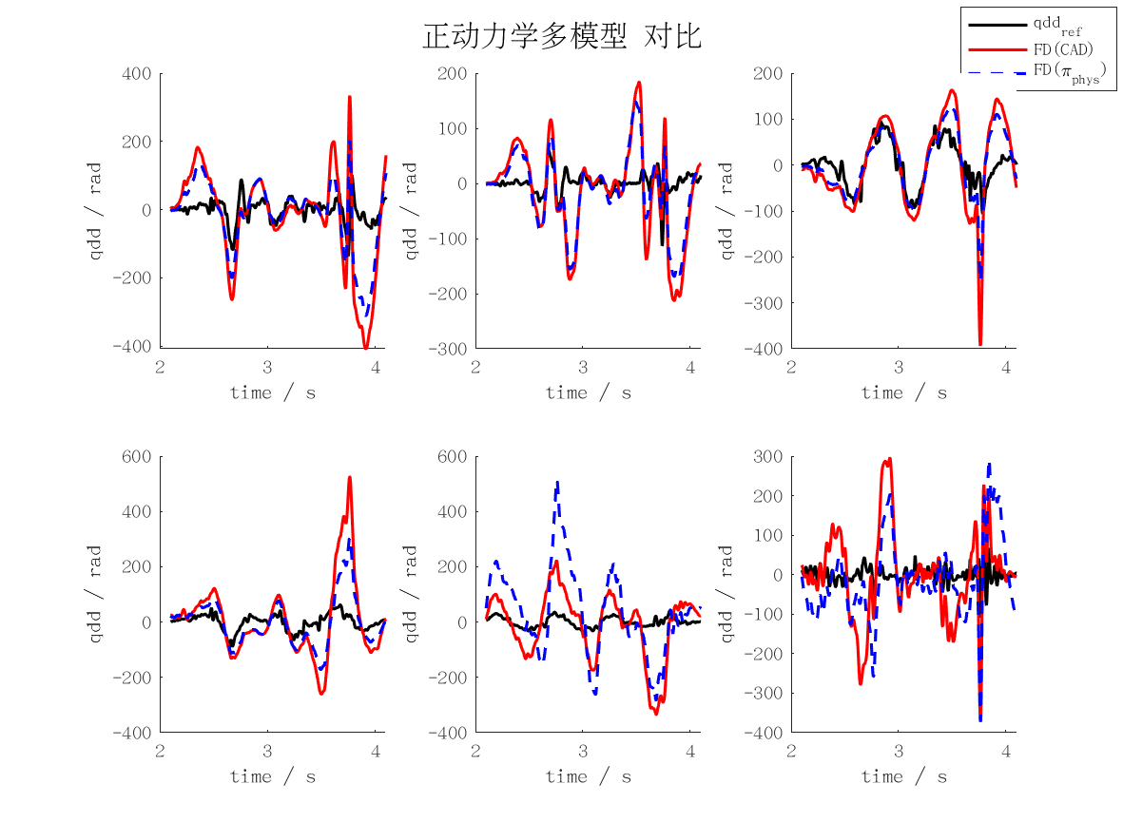
fd_rmse | j1 | j2 | j3 | j4 | j5 | j6 | mean | max
qd_cad | 1.3058672518 | 0.83849775231 | 0.68359175429 | 1.2673057246 | 1.1251155639 | 1.1154154624 | 1.0559655849 | 1.3058672518
qd_min | 3799571.1361 | 2713190.3977 | 1074549.7824 | 940551.08906 | 5275123.144 | 2073620.1526 | 2646100.9503 | 5275123.144
qd_rec | 3737838.5537 | 2686530.4424 | 1052092.6785 | 945672.2657 | 5276445.0329 | 2047691.0923 | 2624378.3443 | 5276445.0329
qd_phys | 0.92686558991 | 0.67898610583 | 0.45744391166 | 0.75546573888 | 1.5253235508 | 0.97959155601 | 0.88727940885 | 1.5253235508
qd_int_cad | 21.814588931 | 11.309096519 | 12.557416575 | 16.107509016 | 19.611326232 | 10.283316578 | 15.280542308 | 21.814588931
qd_int_min | 101641353.37 | 89058336.875 | 22274762.885 | 28114449.728 | 153065952.08 | 58686487.699 | 75473557.106 | 153065952.08
qd_int_rec | 100350604.41 | 90483126.16 | 21861589.348 | 28333100.521 | 154531739.23 | 58577777.785 | 75689656.242 | 154531739.23
qd_int_phys | 15.670781892 | 11.043903591 | 8.691865088 | 10.140194522 | 78.146194033 | 32.476203124 | 26.028190375 | 78.146194033
cad | 131.75862406 | 84.170711578 | 69.040434125 | 126.69777719 | 112.58044152 | 111.91667825 | 106.02744445 | 131.75862406
min | 380953568.73 | 272126949 | 107905010.07 | 94539047.893 | 529922615.26 | 208078629.05 | 265587636.67 | 529922615.26
rec | 374766789.84 | 269444038.95 | 105654740.14 | 95061311.917 | 530066892.92 | 205485744.18 | 263413252.99 | 530066892.92
phys | 93.600992712 | 68.12139488 | 46.348642992 | 75.46602735 | 152.68677072 | 98.483031705 | 89.11781006 | 152.68677072
pos_cad | 0.043559116865 | 0.022552800725 | 0.025107468584 | 0.032223063739 | 0.039205317541 | 0.020569491347 | 0.0305362098 | 0.043559116865
pos_min | 203160.78523 | 177844.23796 | 44543.073802 | 56223.283355 | 306064.92491 | 117356.47014 | 150865.46257 | 306064.92491
pos_rec | 200579.32963 | 180697.33094 | 43716.579894 | 56660.679976 | 308994.35484 | 117137.48063 | 151297.62598 | 308994.35484
pos_phys | 0.031289090761 | 0.022033016197 | 0.017377475069 | 0.020311757494 | 0.15622562053 | 0.064930996577 | 0.052027992772 | 0.15622562053

ID_MAXERR
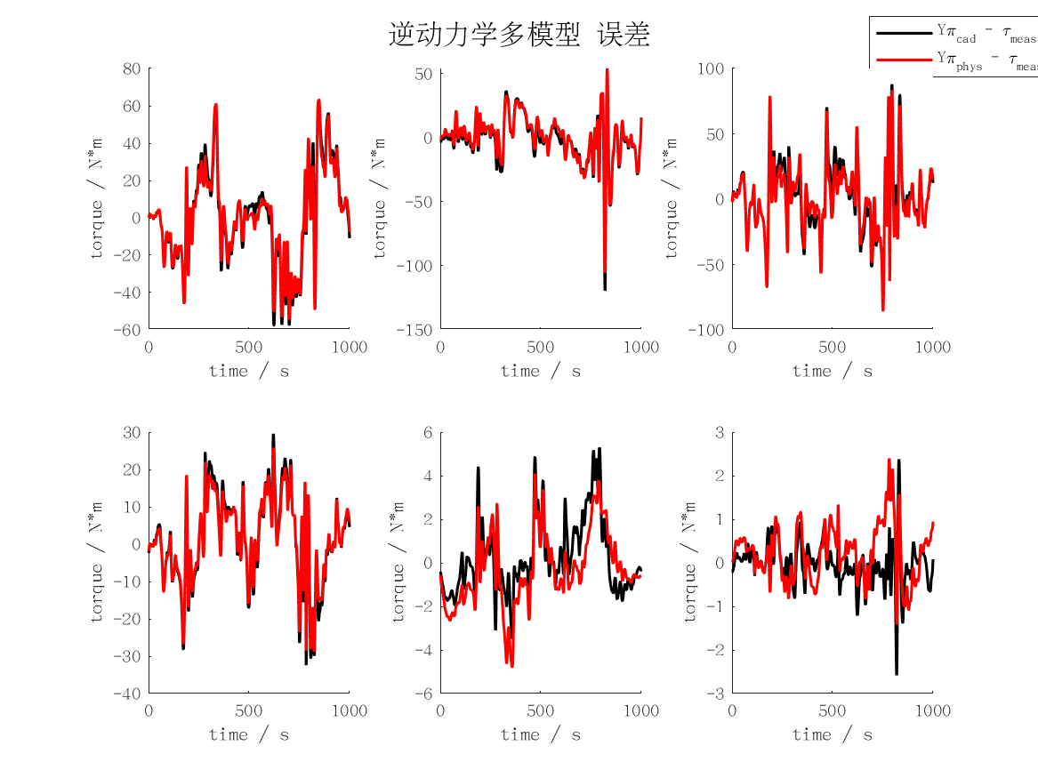
id_maxerr | j1 | j2 | j3 | j4 | j5 | j6 | mean | max
cad | 62.517384276 | 119.3329408 | 87.939965717 | 32.424099282 | 5.2920023597 | 2.5825018998 | 51.681482388 | 119.3329408
min | 61.600499373 | 59.10697817 | 82.867659116 | 28.530098724 | 16.709740415 | 8.2769723153 | 42.848658019 | 82.867659116
rec | 61.572872845 | 59.623387356 | 82.953725079 | 28.435797953 | 16.619049986 | 8.2191113627 | 42.903990764 | 82.953725079
phys | 63.35055526 | 105.39223724 | 85.910697735 | 28.829095977 | 4.7993945809 | 2.3969842598 | 48.446494176 | 105.39223724

FD_MAXERR
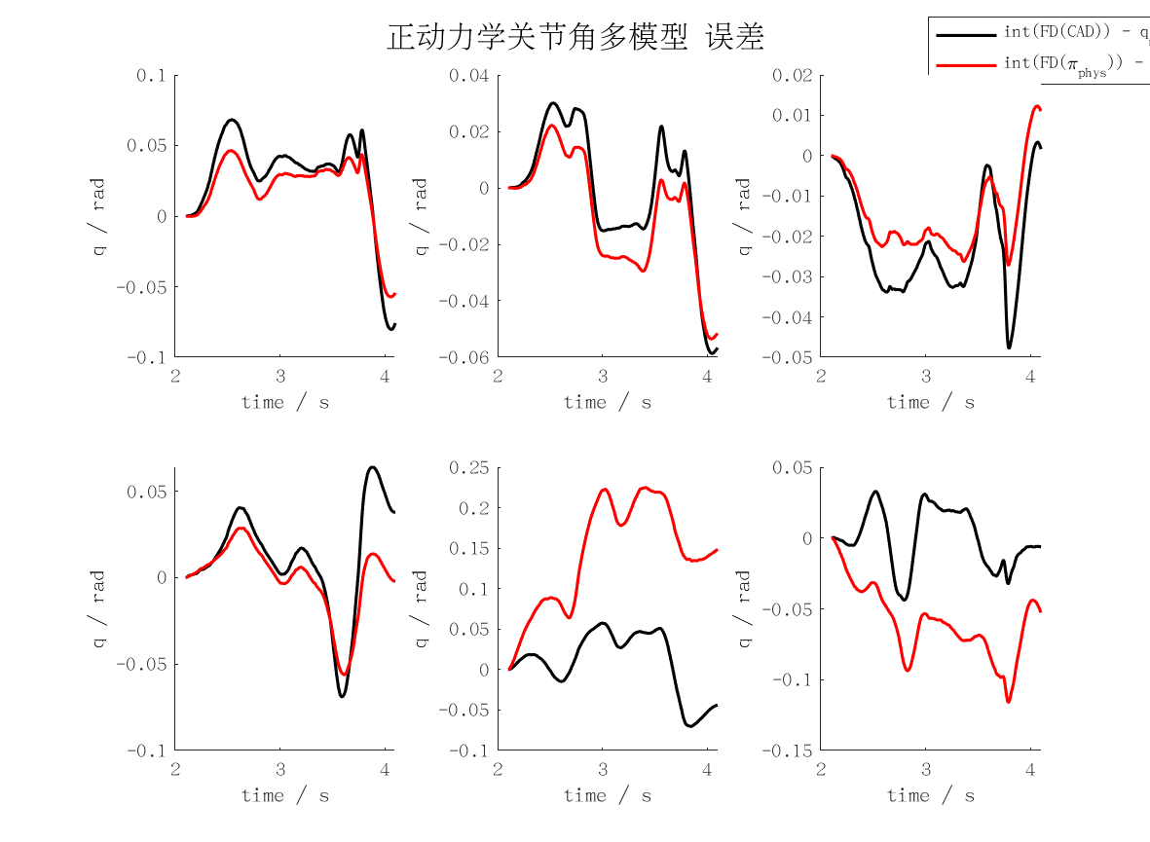
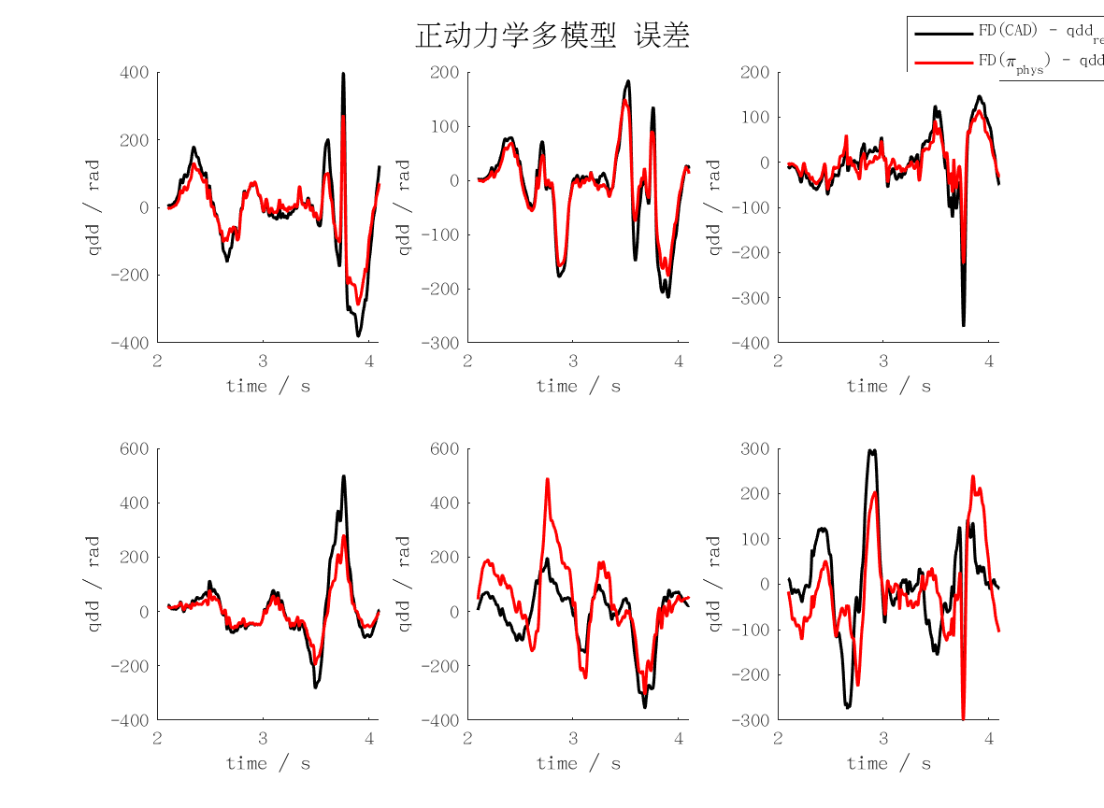
fd_maxerr | j1 | j2 | j3 | j4 | j5 | j6 | mean | max
qd_cad | 3.7815464715 | 2.1563499075 | 3.5539780223 | 4.968509667 | 3.5216826788 | 2.950822013 | 3.4888147934 | 4.968509667
qd_min | 12358094.109 | 8872839.0967 | 2812783.0307 | 2613191.8735 | 11499147.376 | 5313097.6574 | 7244858.8572 | 12358094.109
qd_rec | 12142110.3 | 8913578.2483 | 2752718.2211 | 2621883.1446 | 11442445.689 | 5204524.6285 | 7179543.3718 | 12142110.3
qd_phys | 2.8456618562 | 1.7551758747 | 2.165987526 | 2.7756653951 | 4.867730164 | 2.8232688112 | 2.8722482712 | 4.867730164
qd_int_cad | 40.143872117 | 29.311506083 | 23.969811385 | 34.40494781 | 35.095138006 | 21.92553923 | 30.808469105 | 40.143872117
qd_int_min | 173734129.03 | 159872230.66 | 41798726.08 | 51880404.38 | 286152361.19 | 111057230 | 137415846.89 | 286152361.19
qd_int_rec | 171047725.12 | 160065567.62 | 40887526.915 | 51996948.869 | 287189846.72 | 110297840.13 | 136914242.56 | 287189846.72
qd_int_phys | 28.570988353 | 26.746970669 | 13.685110121 | 27.991253063 | 112.33538725 | 57.894884553 | 44.537432335 | 112.33538725
cad | 396.62616692 | 216.14271772 | 364.32205079 | 500.05312286 | 354.64082504 | 299.36191607 | 355.19113323 | 500.05312286
min | 1238640902.2 | 889445036.86 | 282187697.92 | 262212648.2 | 1153633226.7 | 532535270.14 | 726442463.67 | 1238640902.2
rec | 1217493192.9 | 893517029.61 | 276161166.79 | 263086109.72 | 1147956751.8 | 521669441.23 | 719980615.33 | 1217493192.9
phys | 287.00731214 | 176.1210061 | 223.49977353 | 279.56383499 | 489.80381268 | 299.35209345 | 292.55797215 | 489.80381268
pos_cad | 0.080316774616 | 0.05864096627 | 0.047746503641 | 0.068900171706 | 0.070234717235 | 0.043852240645 | 0.061615229019 | 0.080316774616
pos_min | 347468.25798 | 319744.46136 | 83597.452139 | 103760.80865 | 572304.72241 | 222114.46 | 274831.69376 | 572304.72241
pos_rec | 342095.45015 | 320131.13527 | 81775.05381 | 103993.89763 | 574379.69347 | 220595.68026 | 273828.4851 | 574379.69347
pos_phys | 0.057165115429 | 0.053518731089 | 0.02715959115 | 0.056083018599 | 0.22467410048 | 0.11596574766 | 0.089094384067 | 0.22467410048

