ID_RMSE
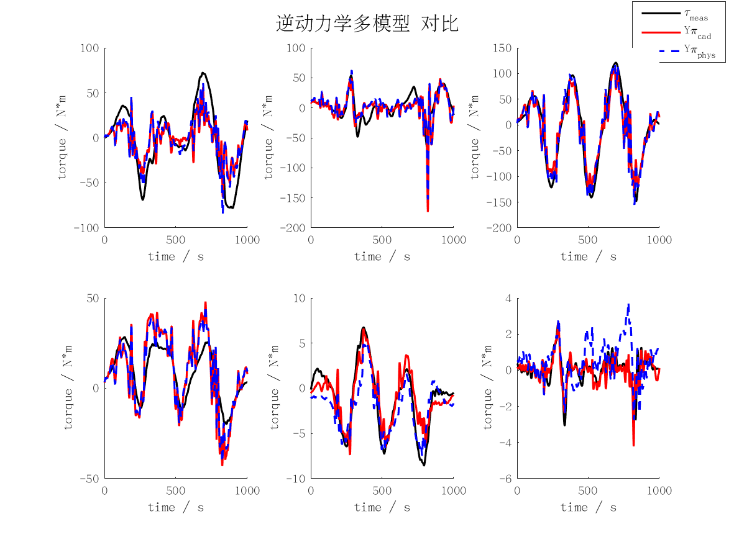
id_rmse | j1 | j2 | j3 | j4 | j5 | j6 | mean | max
cad | 25.133675083 | 17.845787667 | 25.98161106 | 11.866211753 | 1.7058380703 | 0.48131328124 | 13.835739486 | 25.98161106
min | 21.45086931 | 13.110206456 | 24.513316792 | 8.7750268155 | 4.9609260743 | 1.8675427243 | 12.446314695 | 24.513316792
rec | 21.471804217 | 13.112983684 | 24.494255872 | 8.7733801086 | 4.9360047805 | 1.8516251098 | 12.440008962 | 24.494255872
phys | 23.197067242 | 16.649177696 | 24.599975279 | 10.484027886 | 1.9313789542 | 1.0616347982 | 12.987210309 | 24.599975279

FD_RMSE
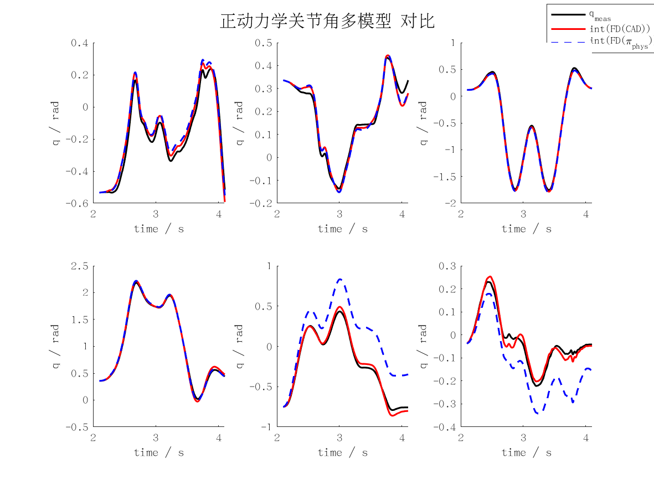
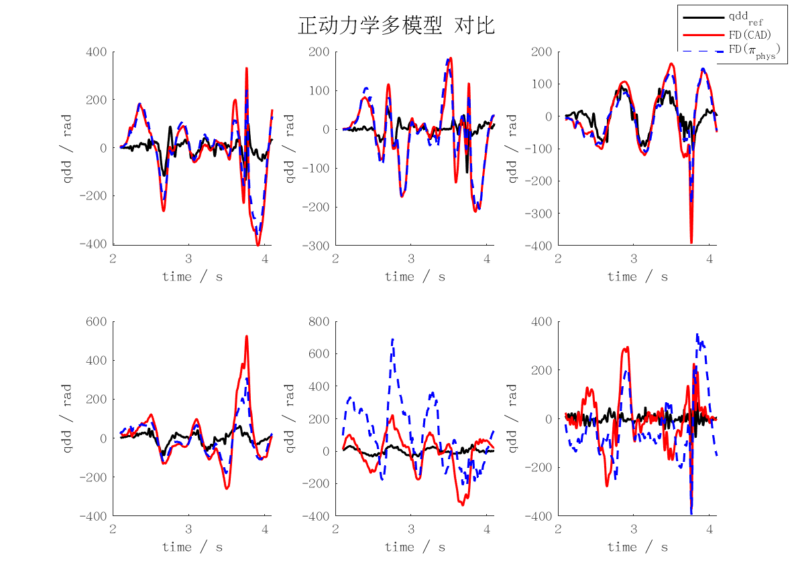
fd_rmse | j1 | j2 | j3 | j4 | j5 | j6 | mean | max
qd_cad | 0.26236126582 | 0.16811681146 | 0.13751076058 | 0.25377738725 | 0.22525362979 | 0.22387270553 | 0.21181542674 | 0.26236126582
qd_min | 761710.77479 | 544229.36465 | 215682.04532 | 188909.27981 | 1059158.7504 | 415934.66349 | 530937.47975 | 1059158.7504
qd_rec | 749337.60691 | 538864.67612 | 211180.91613 | 189946.37429 | 1059428.1698 | 410746.57556 | 526584.05314 | 1059428.1698
qd_phys | 0.22208114782 | 0.16389170991 | 0.11305134983 | 0.15029357522 | 0.43264334793 | 0.26851075718 | 0.22507864798 | 0.43264334793
qd_int_cad | 21.814588931 | 11.309096519 | 12.557416575 | 16.107509016 | 19.611326232 | 10.283316578 | 15.280542308 | 21.814588931
qd_int_min | 101641353.37 | 89058336.875 | 22274762.885 | 28114449.728 | 153065952.08 | 58686487.699 | 75473557.106 | 153065952.08
qd_int_rec | 100350604.41 | 90483126.16 | 21861589.348 | 28333100.521 | 154531739.23 | 58577777.785 | 75689656.242 | 154531739.23
qd_int_phys | 24.88077526 | 11.260893094 | 16.260934503 | 11.315733237 | 179.7357066 | 58.345472277 | 50.299919161 | 179.7357066
cad | 131.75862406 | 84.170711578 | 69.040434125 | 126.69777719 | 112.58044152 | 111.91667825 | 106.02744445 | 131.75862406
min | 380953568.73 | 272126949 | 107905010.07 | 94539047.893 | 529922615.26 | 208078629.05 | 265587636.67 | 529922615.26
rec | 374766789.84 | 269444038.95 | 105654740.14 | 95061311.917 | 530066892.92 | 205485744.18 | 263413252.99 | 530066892.92
phys | 111.536767 | 82.009836917 | 56.792779583 | 74.961575767 | 216.31178607 | 134.34157613 | 112.65905358 | 216.31178607
pos_cad | 0.043559116865 | 0.022552800725 | 0.025107468584 | 0.032223063739 | 0.039205317541 | 0.020569491347 | 0.0305362098 | 0.043559116865
pos_min | 203160.78523 | 177844.23796 | 44543.073802 | 56223.283355 | 306064.92491 | 117356.47014 | 150865.46257 | 306064.92491
pos_rec | 200579.32963 | 180697.33094 | 43716.579894 | 56660.679976 | 308994.35484 | 117137.48063 | 151297.62598 | 308994.35484
pos_phys | 0.04974833601 | 0.022472712017 | 0.032519852493 | 0.022657577774 | 0.35923845839 | 0.11663343384 | 0.10054506175 | 0.35923845839

ID_MAXERR
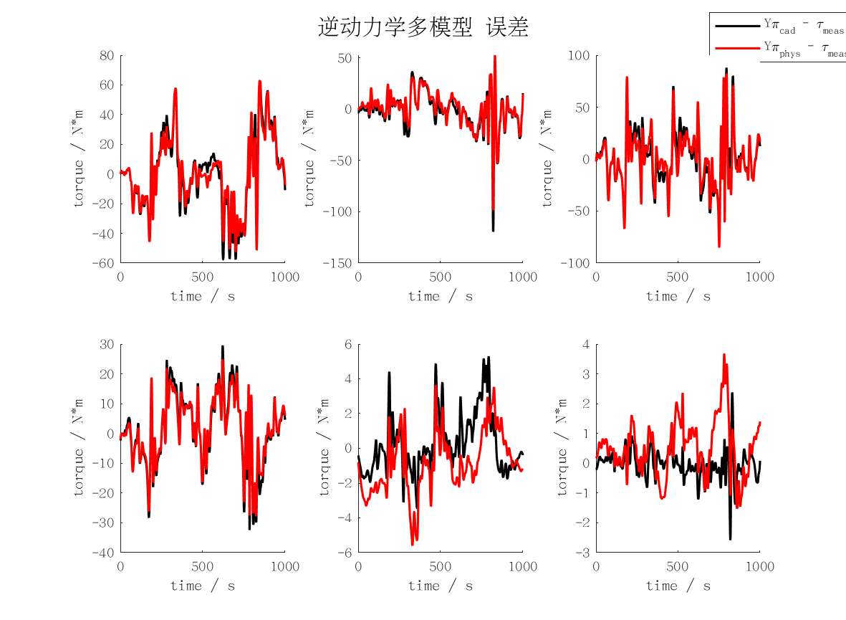
id_maxerr | j1 | j2 | j3 | j4 | j5 | j6 | mean | max
cad | 62.517384276 | 119.3329408 | 87.939965717 | 32.424099282 | 5.2920023597 | 2.5825018998 | 51.681482388 | 119.3329408
min | 61.600499373 | 59.10697817 | 82.867659116 | 28.530098724 | 16.709740415 | 8.2769723153 | 42.848658019 | 82.867659116
rec | 61.572872845 | 59.623387356 | 82.953725079 | 28.435797953 | 16.619049986 | 8.2191113627 | 42.903990764 | 82.953725079
phys | 62.892308803 | 98.519421349 | 85.153391443 | 27.809011507 | 5.5963047659 | 3.6611428257 | 47.271930116 | 98.519421349

FD_MAXERR
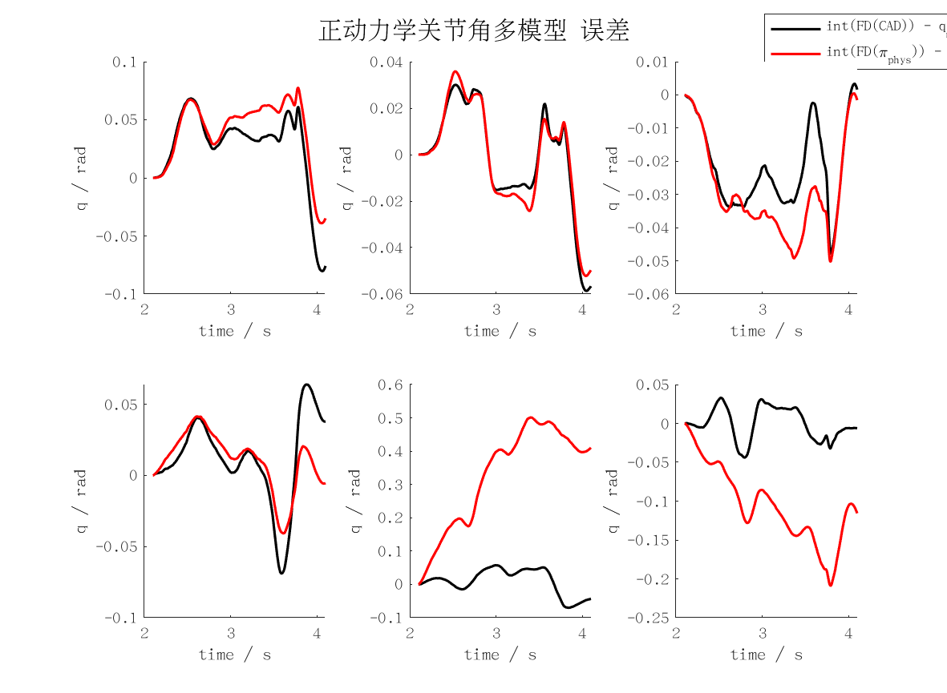
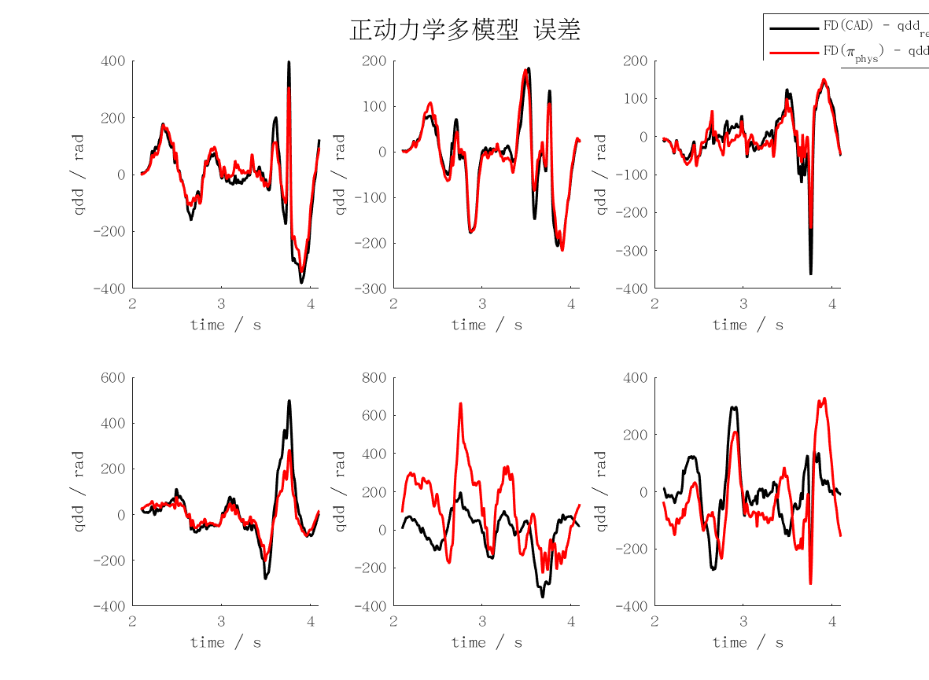
fd_maxerr | j1 | j2 | j3 | j4 | j5 | j6 | mean | max
qd_cad | 0.77611673672 | 0.43275800714 | 0.72340793669 | 0.9989323294 | 0.70844013897 | 0.59177246201 | 0.70523793515 | 0.9989323294
qd_min | 2477281.8106 | 1778890.0742 | 564375.39488 | 524425.29606 | 2307266.4531 | 1065070.5422 | 1452884.9285 | 2477281.8106
qd_rec | 2434986.3929 | 1787034.0597 | 552322.33262 | 526172.21911 | 2295913.5032 | 1043338.8844 | 1439961.232 | 2434986.3929
qd_phys | 0.67911879029 | 0.43482415728 | 0.47785428436 | 0.56450480125 | 1.3339136873 | 0.65947480727 | 0.69161508797 | 1.3339136873
qd_int_cad | 40.143872117 | 29.311506083 | 23.969811385 | 34.40494781 | 35.095138006 | 21.92553923 | 30.808469105 | 40.143872117
qd_int_min | 173734129.03 | 159872230.66 | 41798726.08 | 51880404.38 | 286152361.19 | 111057230 | 137415846.89 | 286152361.19
qd_int_rec | 171047725.12 | 160065567.62 | 40887526.915 | 51996948.869 | 287189846.72 | 110297840.13 | 136914242.56 | 287189846.72
qd_int_phys | 38.851375736 | 26.088095337 | 25.218012409 | 20.707685928 | 250.53879845 | 104.2953411 | 77.616551493 | 250.53879845
cad | 396.62616692 | 216.14271772 | 364.32205079 | 500.05312286 | 354.64082504 | 299.36191607 | 355.19113323 | 500.05312286
min | 1238640902.2 | 889445036.86 | 282187697.92 | 262212648.2 | 1153633226.7 | 532535270.14 | 726442463.67 | 1238640902.2
rec | 1217493192.9 | 893517029.61 | 276161166.79 | 263086109.72 | 1147956751.8 | 521669441.23 | 719980615.33 | 1217493192.9
phys | 341.38339144 | 217.22978776 | 241.54522463 | 282.55471448 | 666.2700914 | 327.41138749 | 346.0657662 | 666.2700914
pos_cad | 0.080316774616 | 0.05864096627 | 0.047746503641 | 0.068900171706 | 0.070234717235 | 0.043852240645 | 0.061615229019 | 0.080316774616
pos_min | 347468.25798 | 319744.46136 | 83597.452139 | 103760.80865 | 572304.72241 | 222114.46 | 274831.69376 | 572304.72241
pos_rec | 342095.45015 | 320131.13527 | 81775.05381 | 103993.89763 | 574379.69347 | 220595.68026 | 273828.4851 | 574379.69347
pos_phys | 0.077508062931 | 0.052199919452 | 0.050225395727 | 0.04149920019 | 0.50108173182 | 0.20878970911 | 0.15521733654 | 0.50108173182

