DASHBOARD
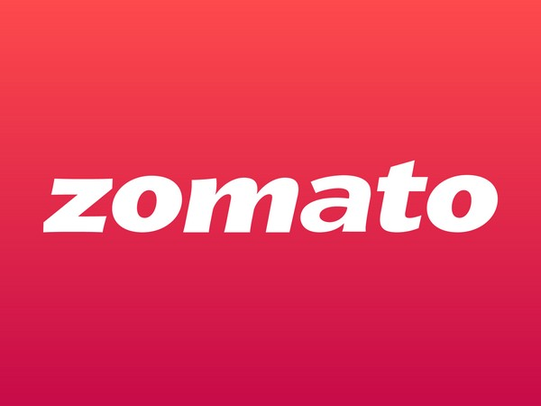
ZOMATO SALES DASHBOARD

TOTAL PROFIT | AVERAGE DISCOUNT | TOTAL ORDER | AVERAGE ORDER VALUE

41867 | 51.118894009 | 434 | 1260.8940092

PAYMENT WISE PROFIT
 | Total
Cash Card | 385
Cash On Delivery | 5519
Cod | 68
Credit Card | 6978
Debit Card | 6982
Net Banking | 5295
Unknown | 1847
Upi | 7958
Wallet | 6835
ORDER STATUS WISE PROFIT
 | Total
Cancelled | 954
Delivered | 3354
Refunded | 571
Unknown | 33
 | Total
Dunzo | 7775
Grab | 6944
In-House | 6060
Rapido | 5228
Shadowfax | 7474
Unknown | 2142
Zomato Valet | 6244

 | Sum of Number_of_Items | Count of Order_ID | Average of Profit
Cash Card | 42 | 8 | 55
Cash On Delivery | 299 | 55 | 108.21568627
Cod | 12 | 2 | 34
Credit Card | 393 | 75 | 99.685714286
Debit Card | 337 | 70 | 112.61290323
Net Banking | 309 | 57 | 94.553571429
Unknown | 98 | 18 | 115.4375
Upi | 457 | 82 | 102.02564103
Wallet | 348 | 67 | 103.56060606
 | Total
Ahmedabad | 57237
Bangalore | 52956
Bengaluru | 1739
Bombay | 6914
Calcutta | 3990
Chennai | 38891
Delhi | 49771
Hyderabad | 55512
Jaipur | 54372
Kolkata | 59436
Lucknow | 53286
Mumbai | 57284
Pune | 45942
Unknown | 9898
 | Sum of Customer_Age | Sum of Order_Value | Sum of Number_of_Items
Cancelled | 3131 | 105737 | 439
Delivered | 10395 | 316525 | 1356
Delvrd | 109 | 3636 | 12
Failed | 303 | 7058 | 21
Pending | 179 | 3871 | 29
Refunded | 2951 | 94272 | 401
Unknown | 581 | 16129 | 37

KEY INSIGHTS
Kolkata recorded the highest order value.
Mughlai cuisine showed strong sales performance.
Order cancellations and refunds need attention.
CONCLUSION
Improving order completion and reducing cancellations and refunds may help improve business performance.

