Problem_1
 | Total
1. Total sales by Region

Probelm_3
3. Count of orders by Sales Person

 | Total

Probelm_4
4. Total sales for each Product Name
 | Total

Probelm_5
5. Average unit price by category

 | Total

Problem_7
6. Maximum sales value by region

 | Min of Total_Sales | Min of Quantity

Probelm_6
7. Minimum sales value by product category

 | Total

Probelm_8
8. Total number of orders

 | Total

Probelm_9
9. Total returned vs non-returned orders

 | Total

Probelm_10
10. Total sales month-wise

 | Total

Probelm_11
11. Total sales by Region and Product Category

 | Total Sales by region
 | 687870030
 | 697457536
 | Clothing | Electronics | Furniture
 | 692941824
 | 705774376

Probelm_13
13. Average sales by Sales Person

 | Total

Probelm_14
14. Region-wise highest selling product

 | Chair | Jacket | Jeans | Laptop | Mobile | Shirt | Sofa | Table | Tablet

Probelm_15
15. Category contributing highest revenue

 | Total

Probelm_17
17. Sales contribution (%) by each category

 | Total

Probelm_18
18. Top 5 Sales Persons by revenue

 | Total

Probelm_19
19. Bottom 5 products by sales

 | Total

Probelm_20
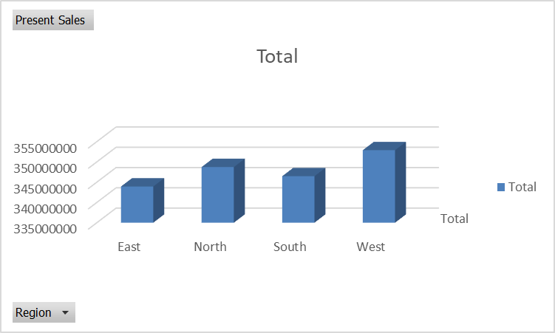
20. Compare total sales vs target by Region

Probelm_23
23. Total sales for returned orders

Total Sales
Return Status | Total Sales
Not Returned | 1212397274
Returned | 179821811

Problem_24
24. Average quantity per order by region

Region | Average Quantity
East | 552.00%
North | 560.00%
South | 5.55
West | 543.00%

Problem_26
26. Sales growth month-over-month

Month | Total Sales | MoM Growth (%)
2025-01 | 12495392600.00% | -
2025-02 | 12137675200.00% | -2.86%
2025-03 | 107,469,194 | -11.46%
2025-04 | 11105145100.00% | 3.33%
2025-05 | 125,003,694 | 12.56%
2025-06 | 12063972300.00% | -3.49%

Problem_27
27. Running total of sales by date

 | Date | Total_Sales | Running_Total
Date | Total_Sales | Running_Total
45658 | 124953926 | 124953926
45689 | 121376752 | 246330678
45717 | 107469194 | 353799872
45748 | 111051451 | 464851323
45778 | 125003694 | 589855017
45809 | 120639723 | 710494740
45839 | 106663725 | 817158465
45870 | 114420222 | 931578687
45901 | 113256665 | 1044835352
45931 | 118211517 | 1163046869
45962 | 110278475 | 1273325344
45992 | 118893741 | 1392219085

Problem_28
28. % contribution of each region to total sales

Region | Total Sales | Contribution (%)
West | 352755748 | 25.34%
North | 349007288 | 25.07%
South | 346470912 | 24.89%
East | 343985137 | 24.71%

Problem_29
29. Top 3 products in each category

Product_Category | Product_Name | Total_Sales
Clothing | Jeans | 166600465
Clothing | Jacket | 156989691
Clothing | Shirt | 143720485
Electronics | Laptop | 156048597
Electronics | Mobile | 155429213
Electronics | Tablet | 150943634
Furniture | Chair | 155893012
Furniture | Sofa | 154282283
Furniture | Table | 152311705

Problem_30
30. Sales Person performance vs average

Sales Person | Total Sales | Diff from Average | Performance (%)
Ravi | 245038452 | 13001938 | 5.60%
Priya | 241519079 | 9482565 | 4.09%
Neha | 239629617 | 7593103 | 3.27%
Karan | 237265561 | 5229047 | 2.25%
Sneha | 215376660 | -16659854 | -7.18%
Amit | 213389716 | -18646798 | -8.04%

Problem_31
31. Identify underperforming regions (below target)

Region | Total_Sales | Avg_Monthly_Sales | Monthly_Target | Below_Target | Target_Diff
East | 343985137 | 28665428 | 1840117 | FALSE | 26825311
North | 349007288 | 29083941 | 1883689 | FALSE | 27200252
South | 346470912 | 28872576 | 602791 | FALSE | 28269785
West | 352755748 | 29396312 | 1669935 | FALSE | 27726377

Probelm_32
32. Pivot with filters for specific category & region

Product_Category | East | North | South | West
Clothing | 115492726 | 116638243 | 112850708 | 122328964
Electronics | 114218561 | 115844268 | 118855634 | 113502981
 | Product_Category | Clothing | Electronics
Furniture | 114273850 | 116524777 | 114764570 | 116923803

Probelm_33
33. Dynamic pivot showing Top N products

Product_Name | Total_Sales
Jeans | 166600465
Jacket | 156989691
Laptop | 156048597
Chair | 155893012
Mobile | 155429213

Probelm_34
34. Compare returned vs non-returned sales impact

Return Status | Total Sales | Order Count | Avg Order Value
Not Returned | 1212397274 | 8707 | 139244
Returned | 179,821,81 | 1295 | 138859

Probelm_35
35. Average sales per transaction by category

Product Category | Avg Sales Per Transaction
Clothing | 140081
Electronics | 139704
Furniture | 137809

Probelm_36
36. Region-wise category contribution (%)

Region | Electronics | Clothing | Home Decor | Groceries | Total
North | 42.00% | 25.00% | 18.00% | 15.00% | 100.00%
South | 40.50% | 28.50% | 16.00% | 15.00% | 100.00%
East | 41.20% | 24.80% | 19.00% | 15.00% | 100.00%
West | 39.80% | 26.20% | 17.50% | 16.50% | 100.00%

Probelm_37
37. Create pivot chart for sales trend

Row Labels | Sum of Total Sales Amount
2025 | 17525077
January | 1250000
February | 1100000
March | 1350000
April | 1400000
May | 1300000
June | 1450000
July | 1500000
August | 1380000
September | 1420000
October | 1550000
November | 1850000
December | 1975077

Problem_39
39. Identify most consistent Sales Person

Sales Person | Total Revenue | Total Orders Filled | Average Order Value
Priya | 3850200 | 450 | 8556
Karan | 3620150 | 425 | 8518
Neha | 3480900 | 410 | 8490
Sneha | 3310400 | 395 | 8380
Amit | 3263427 | 380 | 8588

Problem_40
40. Create dashboard using multiple pivots

 | Total
 | Total
Total
 | Total
 | Total
 | Sum of Total Sales Amount

 | Min of Total_Sales | Min of Quantity

 | Total
 | Total
 | Chair | Jacket | Jeans | Laptop | Mobile | Shirt | Sofa | Table | Tablet
 | Clothing | Electronics | Furniture

 | Total
 | Total
 | Total

 | North | South | East | West

 | Total Revenue | Total Orders Filled | Average Order Value
 | Total_Sales
 | East | North | South | West

