Input
SE160A MATLAB Project (#2) - Wing Bending, Shear, and Torsion Analysis - Stringer/Skin Construction

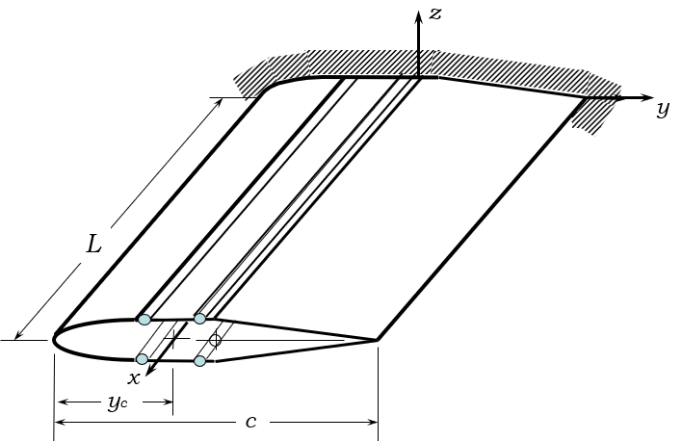
 | Analysis Parameters
 | Variable | Description | Value | Units
 | nplot | Number of output plot data points | 101 | 1

 | Wing Definition
 | Variable | Description | Value | Units
 | L | Wing Length | 200 | inch
 | c | Wing Chord | 48 | inch
 | tmax/c | Wing Thickness (maximum) | 16 | (%)
 | Kw | Secondary Structure Added Wing Weight | 5 | (%)

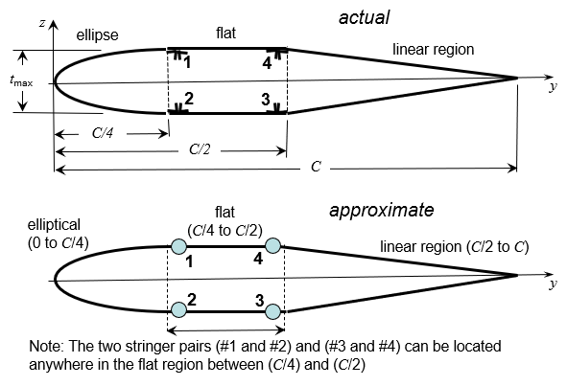
 | Skin Definition
 | Variable | Description | Value | Units
 | t | Skin thickness | 0.05 | inch
material | r | Weight Density | 0.1 | lb/in^3
 | G | Skin shear modulus | 3.75 | Msi
 | ty | Yield strength (shear) | 24 | Ksi
 | tu | Ultimate strength (shear) | 28 | Ksi

 | Stringer Definition (two pairs) |  | Forward Pair | Rear Pair
 | Variable | Description | (#1) and (#2) | (#3) and (#4) | Units
 | y/c | Stringer chord location | 30 | 45 | (%)
 | As | Stringer area | 1.5 | 1.5 | inch2
 | Iyy | Stringer inertia about y-axis | 0.03125 | 0.03125 | inch4
 | Izz | Stringer inertia about z-axis | 1.125 | 1.125 | inch4
 | Iyz | Stringer product of inertia | 0 | 0 | inch4 | Single Cell Cross-Section with Four Stringers
material properties | r | Weight Density | 0.1 | 0.1 | lb/in^3
 | E | Young's modulus | 10 | 10 | Msi
 | syT | Yield strength (tension) | 38 | 38 | Ksi
 | suT | Ultimate strength (tension) | 43 | 43 | Ksi
 | syC | Yield strength (compression) | -38 | -38 | Ksi
 | suC | Ultimate strength (compression) | -43 | -43 | Ksi
 | Note: The y-location for both stringer pairs must be between 25% and 50%

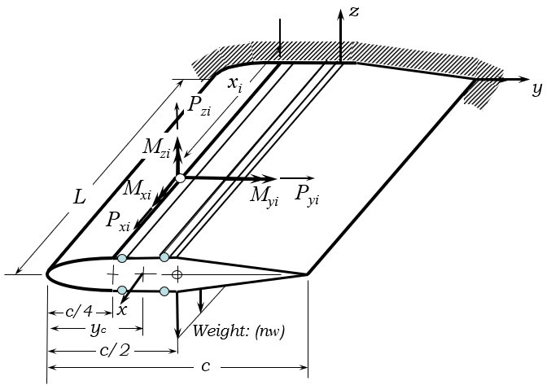
 | Safety Factor Definition
 | Variable | Description | Value | Units
 | SFy | Safety Factor (yield) | 1.1 | 1
 | SFu | Safety Factor (ultimate) | 1.5 | 1

 | Concentrated Load Definition (maximum of two, applied at section centroid)
 | Variable | Description | Location (#1) | Location (#2) | Units
 | xi/L | Load Location | 50 | 100 | (%)
 | Pxi | Concentrated Force (x-direction) | 10 | 0 | lb
 | Pyi | Concentrated Force (y-direction) | -10 | 0 | lb
 | Pzi | Concentrated Force (z-direction) | 10 | 0 | lb
 | Mxi | Concentrated Torque (x-direction) | -10 | 0 | lb-inch
 | Myi | Concentrated Moment (y-direction) | 10 | 0 | lb-inch | Concentrated Test Load Definition
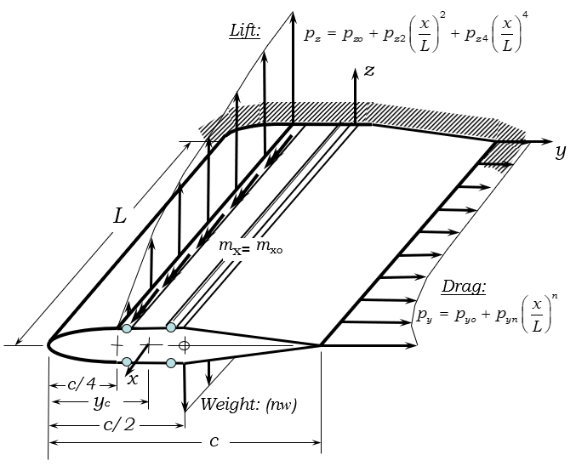
 | Mzi | Concentrated Moment (z-direction) | -10 | 0 | lb-inch

 | Flight Load Definition (defined at C/4).
 | Variable | Description | Value | Units
 | n | Aircraft Load factor | 4 | 1
 | pyo | Drag distribution (constant) | 16 | lb/in
 | pyr | Drag distribution (rth order) | 2 | lb/in
 | r | Drag distribution (polynomial order) | 10 | 1
 | pzo | Lift distribution (constant) | 28 | lb/in
 | pz2 | Lift distribution (2nd order) | -5.5 | lb/in
 | pz4 | Lift distribution (4th order) | -3 | lb/in
 | mxo | Twist moment distribution (constant) | 10 | lb-in/in
 | mx1 | Twist moment distribution (1st order) | 0 | lb-in/in
 |  |  |  |  |  | Flight Load Definition

 | END OF FILE

