款式圖 SMV Style Ref
已簽核款式圖與 SMV 比較 / Approved Style Reference & SMV Comparison

12 款均已簽核；本次新增 NMC6785L / NMC6785R / NMC6788P / NMC6788R 4 款，並已補入簽核平面圖，核准 SMV 為 23.820 / 23.820 / 24.054 / 24.054。 / All 12 styles are approved; 4 newly approved NMC styles were added and the signed flat drawings were inserted, with approved SMV 23.820 / 23.820 / 24.054 / 24.054.

Style 1734 | ADI | Wrap |  |  |  | Style 1735 | ADI | Wrap
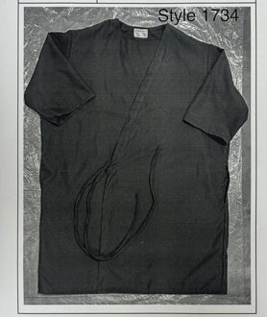
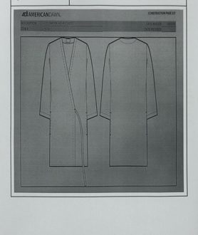

之前 SMV / Previous | 8.500 | 核准 SMV / Approved | 9.342 | 之前 SMV / Previous | 10.000 | 核准 SMV / Approved | 9.492
差異 / Change | 9.9% | 狀態 / Status | 已簽核 / Approved | 差異 / Change | -5.1% | 狀態 / Status | 已簽核 / Approved
簡要比較 / Brief | 8.500 → 9.342 |  |  | 簡要比較 / Brief | 10.000 → 9.492

Style 1754 | ADI | Wrap |  |  |  | Style O1113G | ADI | Lab Coat
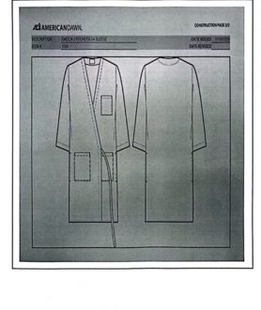
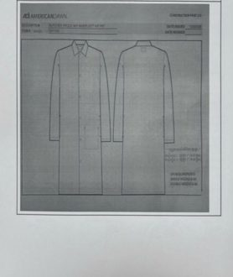

之前 SMV / Previous | 12.230 | 核准 SMV / Approved | 11.434 | 之前 SMV / Previous | 9.096 | 核准 SMV / Approved | 8.923
差異 / Change | -6.5% | 狀態 / Status | 已簽核 / Approved | 差異 / Change | -1.9% | 狀態 / Status | 已簽核 / Approved
簡要比較 / Brief | 12.230 → 11.434 |  |  | 簡要比較 / Brief | 9.096 → 8.923

Style O1113K | ADI | Lab Coat |  |  |  | Style O1114K | ADI | Lab Coat
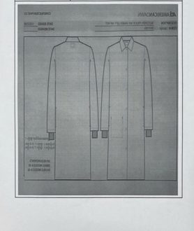
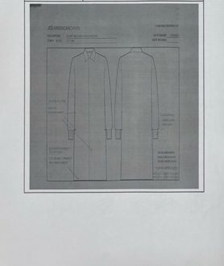

之前 SMV / Previous | 9.096 | 核准 SMV / Approved | 9.452 | 之前 SMV / Previous | 11.000 | 核准 SMV / Approved | 9.273
差異 / Change | 3.9% | 狀態 / Status | 已簽核 / Approved | 差異 / Change | -15.7% | 狀態 / Status | 已簽核 / Approved
簡要比較 / Brief | 9.096 → 9.452 |  |  | 簡要比較 / Brief | 11.000 → 9.273

Style O1115 | ADI | Lab Coat
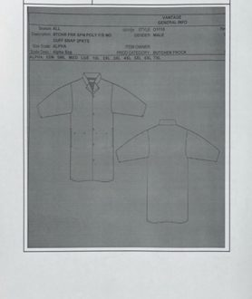

之前 SMV / Previous | 11.832 | 核准 SMV / Approved | 10.255
差異 / Change | -13.3% | 狀態 / Status | 已簽核 / Approved
簡要比較 / Brief | 11.832 → 10.255

Style NMC6785L | ADI | Lab Coat |  |  |  | Style NMC6785R | ADI | Lab Coat
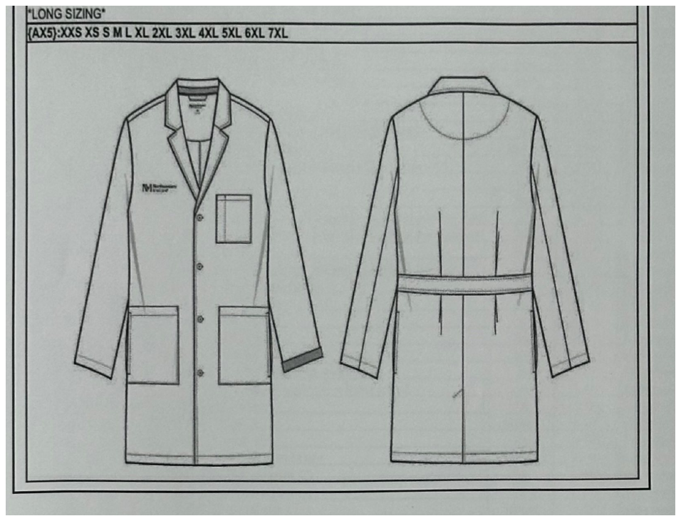
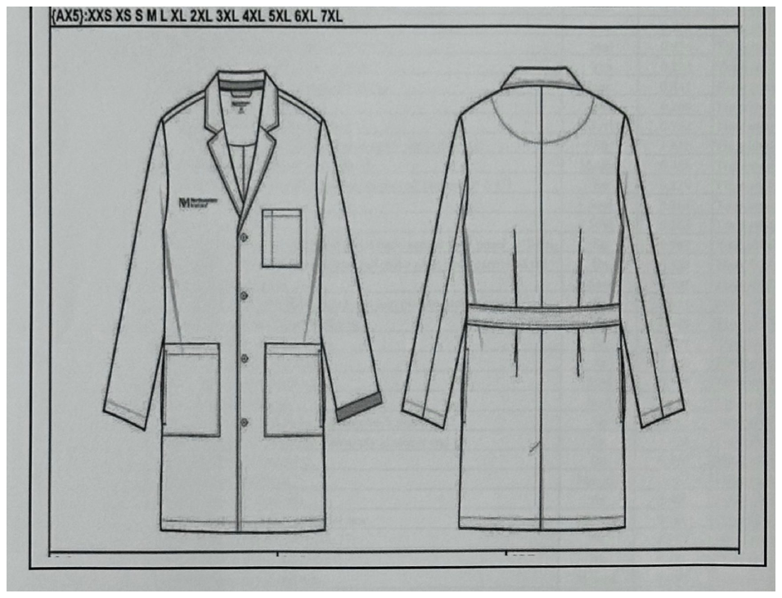

簽核款式圖 / Signed Style Drawing |  |  |  | 簽核款式圖 / Signed Style Drawing

之前 SMV / Previous | 11.270 | 核准 SMV / Approved | 23.820 | 之前 SMV / Previous | 11.270 | 核准 SMV / Approved | 23.820
差異 / Change | 111.4% | 狀態 / Status | 已簽核 / Approved | 差異 / Change | 111.4% | 狀態 / Status | 已簽核 / Approved
簡要比較 / Brief | 11.270 → 23.820 |  |  | 簡要比較 / Brief | 11.270 → 23.820

Style NMC6788P | ADI | Lab Coat |  |  |  | Style NMC6788R | ADI | Lab Coat
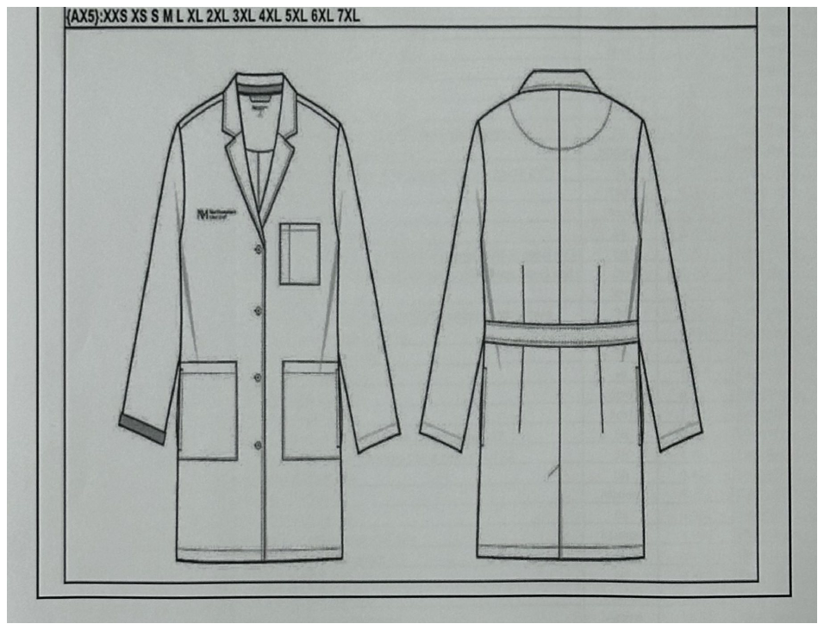
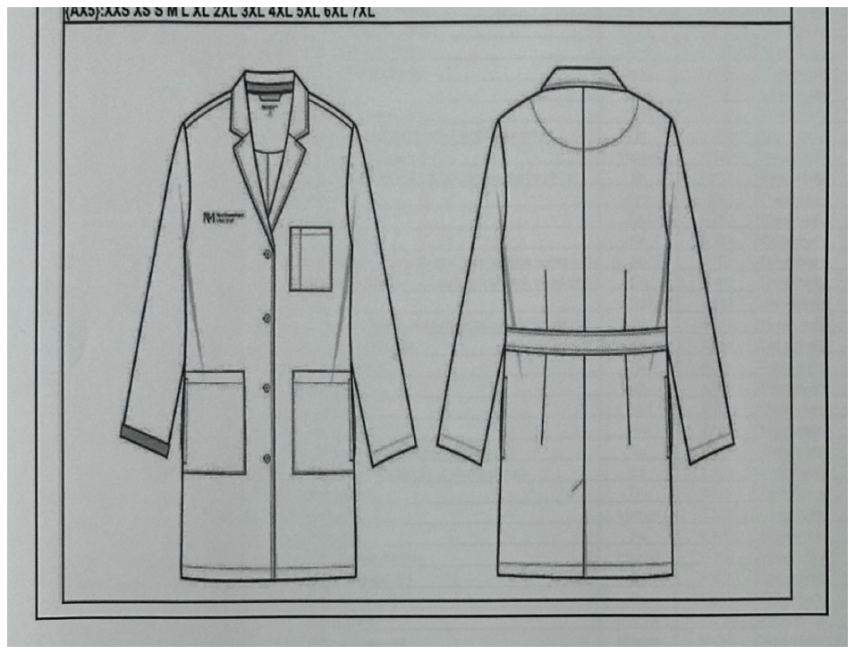

簽核款式圖 / Signed Style Drawing |  |  |  | 簽核款式圖 / Signed Style Drawing

之前 SMV / Previous | 13.880 | 核准 SMV / Approved | 24.054 | 之前 SMV / Previous | 10.820 | 核准 SMV / Approved | 24.054
差異 / Change | 73.3% | 狀態 / Status | 已簽核 / Approved | 差異 / Change | 122.3% | 狀態 / Status | 已簽核 / Approved
簡要比較 / Brief | 13.880 → 24.054 |  |  | 簡要比較 / Brief | 10.820 → 24.054

差異 % Change % (1)
No. | Customer | Style | Old SMV | Cut off -35% | Recheck | New Cut off | N. Cut off (%) | Profit/Loss | Total | Target 50%
序號 No. | 客戶 Customer | 款式 Style | 之前 SMV Previous SMV | Cut off -35% | 現在 SMV Current SMV | Cut off SMV | Cut off "-" (5%/10%/15%) | 差異 % Change % | 差異 % Change % (1) | 之前 SMV Previous SMV | Cut off -35% | 現在 SMV Current SMV | New Cut off
1 | ALSCO PTE LTD | GCRCSS320BF | 37.500 | 24.375 | 27.216 | 23.134 | -15.0% | -27.4% | -38.3% | 192 | 295 | 265 | 311
2 | ALSCO PTE LTD | GPRC393SF | 25.500 | 16.575 | 18.634 | 15.839 | -15.0% | -26.9% | -37.9% | 282 | 434 | 386 | 455
3 | ALSCO PTE LTD | GCRCLS320BF | 37.500 | 24.375 | 28.848 | 24.521 | -15.0% | -23.1% | -34.6% | 192 | 295 | 250 | 294
4 | ADI | RES1203 | 19.800 | 12.870 | 15.627 | 13.283 | -15.0% | -21.1% | -32.9% | 364 | 559 | 461 | 542
5 | ADI | RES1202 | 19.800 | 12.870 | 15.645 | 13.298 | -15.0% | -21.0% | -32.8% | 364 | 559 | 460 | 541
6 | ADI | A0953S | 11.429 | 7.429 | 9.055 | 7.697 | -15.0% | -20.8% | -32.7% | 630 | 969 | 795 | 935
7 | ADI | O108K | 10.000 | 6.500 | 7.956 | 6.763 | -15.0% | -20.4% | -32.4% | 720 | 1108 | 905 | 1065
8 | ADI | 1547K | 13.500 | 8.775 | 11.042 | 9.938 | -10.0% | -18.2% | -26.4% | 533 | 821 | 652 | 725
9 | ADI | O1114K | 11.000 | 7.150 | 9.273 | 8.346 | -10.0% | -15.7% | -24.1% | 655 | 1007 | 776 | 863
10 | ADI | 1421C | 9.500 | 6.175 | 8.104 | 7.294 | -10.0% | -14.7% | -23.2% | 758 | 1166 | 888 | 987
11 | ADI | O1115 | 11.832 | 7.691 | 10.255 | 9.230 | -10.0% | -13.3% | -22.0% | 609 | 936 | 702 | 780
12 | WPL | 228 | 16.500 | 10.725 | 14.384 | 12.946 | -10.0% | -12.8% | -21.5% | 436 | 671 | 501 | 556
13 | ADI | A1541SS | 10.900 | 7.085 | 9.610 | 8.649 | -10.0% | -11.8% | -20.7% | 661 | 1016 | 749 | 832
14 | ADI | RES1300 | 17.800 | 11.570 | 15.749 | 14.175 | -10.0% | -11.5% | -20.4% | 404 | 622 | 457 | 508
15 | ADI | AR2487 | 22.000 | 14.300 | 19.686 | 17.717 | -10.0% | -10.5% | -19.5% | 327 | 503 | 366 | 406
16 | ADI | RES1301 | 19.400 | 12.610 | 17.487 | 16.613 | -5.0% | -9.9% | -14.4% | 371 | 571 | 412 | 433
17 | ADI | A1541G | 10.900 | 7.085 | 9.888 | 9.394 | -5.0% | -9.3% | -13.8% | 661 | 1016 | 728 | 766
18 | ADI | 1754 | 12.230 | 7.950 | 11.434 | 10.862 | -5.0% | -6.5% | -11.2% | 589 | 906 | 630 | 663
19 | ADI | RES1001 | 14.700 | 9.555 | 13.809 | 13.119 | -5.0% | -6.1% | -10.8% | 490 | 754 | 521 | 549
20 | ADI | RES1003 | 14.700 | 9.555 | 13.809 | 13.119 | -5.0% | -6.1% | -10.8% | 490 | 754 | 521 | 549
21 | WPL | 163 | 11.000 | 7.150 | 10.359 | 9.841 | -5.0% | -5.8% | -10.5% | 655 | 1007 | 695 | 732
22 | ADI | A0882G | 10.476 | 6.810 | 9.888 | 9.394 | -5.0% | -5.6% | -10.3% | 687 | 1057 | 728 | 766
23 | ADI | A1199G | 10.476 | 6.810 | 9.888 | 9.394 | -5.0% | -5.6% | -10.3% | 687 | 1057 | 728 | 766
24 | ADI | O1199G | 10.476 | 6.810 | 9.888 | 9.394 | -5.0% | -5.6% | -10.3% | 687 | 1057 | 728 | 766
25 | ADI | 0950G | 10.476 | 6.810 | 9.888 | 9.394 | -5.0% | -5.6% | -10.3% | 687 | 1057 | 728 | 766
26 | ADI | 1735 | 10.000 | 6.500 | 9.492 | 9.017 | -5.0% | -5.1% | -9.8% | 720 | 1108 | 759 | 798
27 | ADI | 2048G | 7.500 | 4.875 | 7.186 | 6.827 | -5.0% | -4.2% | -9.0% | 960 | 1477 | 1002 | 1055
28 | ADI | RES1201 | 12.940 | 8.411 | 12.408 | 11.787 | -5.0% | -4.1% | -8.9% | 556 | 856 | 580 | 611
29 | ADI | HA1521 | 10.500 | 6.825 | 10.151 | 9.643 | -5.0% | -3.3% | -8.2% | 686 | 1055 | 709 | 747
30 | ADI | 1037G | 8.095 | 5.262 | 7.854 | 7.462 | -5.0% | -3.0% | -7.8% | 889 | 1368 | 917 | 965
31 | ADI | 4105G | 10.607 | 6.895 | 10.313 | 9.797 | -5.0% | -2.8% | -7.6% | 679 | 1044 | 698 | 735
32 | ADI | O1113G | 9.096 | 5.912 | 8.923 | 8.477 | -5.0% | -1.9% | -6.8% | 792 | 1218 | 807 | 849
33 | ADI | RES1200 | 12.940 | 8.411 | 12.722 | 12.086 | -5.0% | -1.7% | -6.6% | 556 | 856 | 566 | 596
34 | ADI | A1544G | 8.550 | 5.558 | 8.443 | 8.021 | -5.0% | -1.3% | -6.2% | 842 | 1296 | 853 | 898
35 | ADI | O1544G | 8.550 | 5.558 | 8.443 | 8.021 | -5.0% | -1.3% | -6.2% | 842 | 1296 | 853 | 898
36 | ADI | AR0953 | 12.329 | 8.014 | 12.227 | 11.616 | -5.0% | -0.8% | -5.8% | 584 | 898 | 589 | 620
37 | ADI | 2051G | 8.000 | 5.200 | 7.973 | 7.574 | -5.0% | -0.3% | -5.3% | 900 | 1385 | 903 | 951
38 | ADI | 2090 | 8.000 | 5.200 | 7.973 | 7.574 | -5.0% | -0.3% | -5.3% | 900 | 1385 | 903 | 951
39 | ADI | A0953 | 11.429 | 7.429 | 11.577 | 11.577 | 0.0% | 1.3% | 1.3% | 630 | 969 | 622 | 622
40 | ADI | RES1100 | 11.670 | 7.586 | 11.839 | 11.839 | 0.0% | 1.4% | 1.4% | 617 | 949 | 608 | 608
41 | ADI | 3125K | 10.500 | 6.825 | 10.680 | 10.680 | 0.0% | 1.7% | 1.7% | 686 | 1055 | 674 | 674
42 | WPL | 182 | 11.429 | 7.429 | 11.630 | 11.630 | 0.0% | 1.8% | 1.8% | 630 | 969 | 619 | 619
43 | ADI | A0882K | 10.476 | 6.810 | 10.794 | 10.794 | 0.0% | 3.0% | 3.0% | 687 | 1057 | 667 | 667
44 | ADI | O1113K | 9.096 | 5.912 | 9.452 | 9.452 | 0.0% | 3.9% | 3.9% | 792 | 1218 | 762 | 762
45 | WPL | 183 | 11.429 | 7.429 | 11.945 | 11.945 | 0.0% | 4.5% | 4.5% | 630 | 969 | 603 | 603
46 | ADI | O1117K | 11.500 | 7.475 | 12.108 | 12.108 | 0.0% | 5.3% | 5.3% | 626 | 963 | 595 | 595
47 | ADI | 1734 | 8.500 | 5.525 | 9.342 | 9.342 | 0.0% | 9.9% | 9.9% | 847 | 1303 | 771 | 771
48 | NORTHERN UNIFORM | DI8H | 8.645 | 5.619 | 9.605 | 9.605 | 0.0% | 11.1% | 11.1% | 833 | 1281 | 750 | 750
49 | ADI | T7400 | 5.500 | 3.575 | 6.894 | 6.894 | 0.0% | 25.3% | 25.3% | 1309 | 2014 | 1044 | 1044
50 | ADI | 1504 | 9.500 | 6.175 | 12.274 | 12.274 | 0.0% | 29.2% | 29.2% | 758 | 1166 | 587 | 587
51 | AUSTRALIA | A137-W-SP | 1.188 | 0.772 | 1.615 | 1.615 | 0.0% | 35.9% | 35.9% | 6061 | 9324 | 4458 | 4458
52 | NORTHERN UNIFORM | 5209 | 9.000 | 5.850 | 13.815 | 13.815 | 0.0% | 53.5% | 53.5% | 800 | 1231 | 521 | 521
53 | ADI | NMC6788P | 13.880 | 9.022 | 24.054 | 24.054 | 0.0% | 73.3% | 73.3% | 519 | 798 | 299 | 299
54 | ADI | NMC6785L | 11.270 | 7.326 | 23.820 | 23.820 | 0.0% | 111.4% | 111.4% | 639 | 983 | 302 | 302
55 | ADI | NMC6785R | 11.270 | 7.326 | 23.820 | 23.820 | 0.0% | 111.4% | 111.4% | 639 | 983 | 302 | 302
56 | ADI | NMC6788R | 10.820 | 7.033 | 24.054 | 24.054 | 0.0% | 122.3% | 122.3% | 665 | 1024 | 299 | 299

