款式圖 SMV Style Ref
已簽核款式圖與 SMV 比較 / Approved Style Reference & SMV Comparison

12 款均已簽核；本次新增 NMC6785L / NMC6785R / NMC6788P / NMC6788R 4 款，並已補入簽核平面圖，核准 SMV 為 23.820 / 23.820 / 24.054 / 24.054。 / All 12 styles are approved; 4 newly approved NMC styles were added and the signed flat drawings were inserted, with approved SMV 23.820 / 23.820 / 24.054 / 24.054.

Style 1734 | ADI | Wrap |  |  |  | Style 1735 | ADI | Wrap
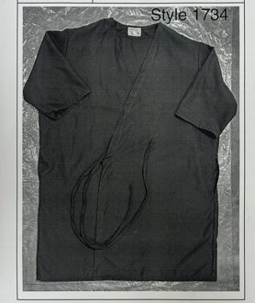
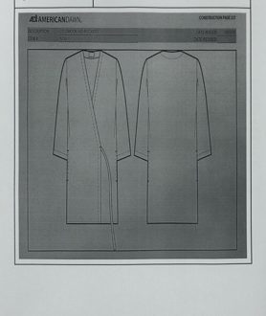

之前 SMV / Previous | 8.500 | 核准 SMV / Approved | 9.342 | 之前 SMV / Previous | 10.000 | 核准 SMV / Approved | 9.492
差異 / Change | 9.9% | 狀態 / Status | 已簽核 / Approved | 差異 / Change | -5.1% | 狀態 / Status | 已簽核 / Approved
簡要比較 / Brief | 8.500 → 9.342 |  |  | 簡要比較 / Brief | 10.000 → 9.492

Style 1754 | ADI | Wrap |  |  |  | Style O1113G | ADI | Lab Coat
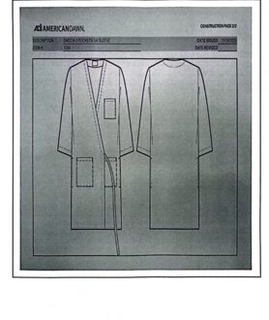
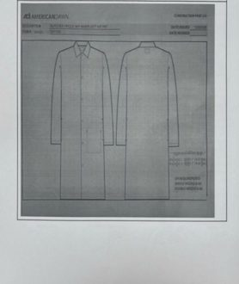

之前 SMV / Previous | 12.230 | 核准 SMV / Approved | 11.434 | 之前 SMV / Previous | 9.096 | 核准 SMV / Approved | 8.923
差異 / Change | -6.5% | 狀態 / Status | 已簽核 / Approved | 差異 / Change | -1.9% | 狀態 / Status | 已簽核 / Approved
簡要比較 / Brief | 12.230 → 11.434 |  |  | 簡要比較 / Brief | 9.096 → 8.923

Style O1113K | ADI | Lab Coat |  |  |  | Style O1114K | ADI | Lab Coat
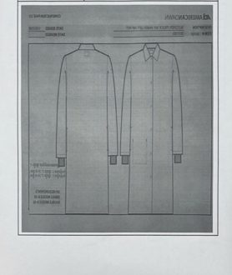
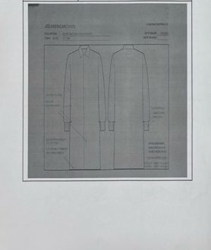

之前 SMV / Previous | 9.096 | 核准 SMV / Approved | 9.452 | 之前 SMV / Previous | 11.000 | 核准 SMV / Approved | 9.273
差異 / Change | 3.9% | 狀態 / Status | 已簽核 / Approved | 差異 / Change | -15.7% | 狀態 / Status | 已簽核 / Approved
簡要比較 / Brief | 9.096 → 9.452 |  |  | 簡要比較 / Brief | 11.000 → 9.273

Style O1115 | ADI | Lab Coat
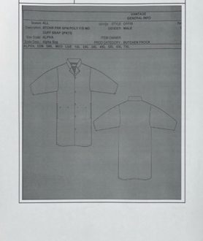

之前 SMV / Previous | 11.832 | 核准 SMV / Approved | 10.255
差異 / Change | -13.3% | 狀態 / Status | 已簽核 / Approved
簡要比較 / Brief | 11.832 → 10.255

Style NMC6785L | ADI | Lab Coat |  |  |  | Style NMC6785R | ADI | Lab Coat
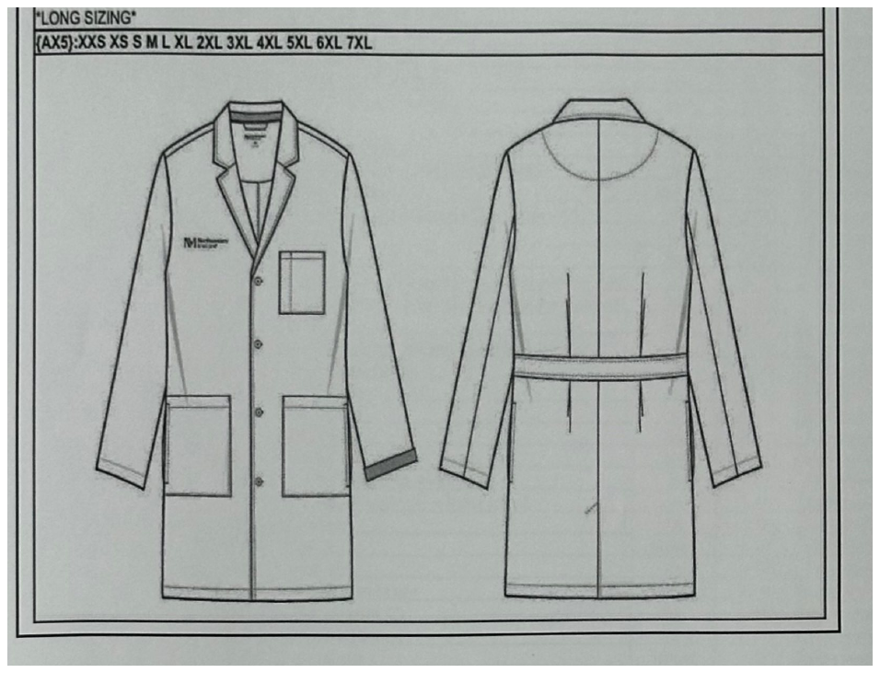
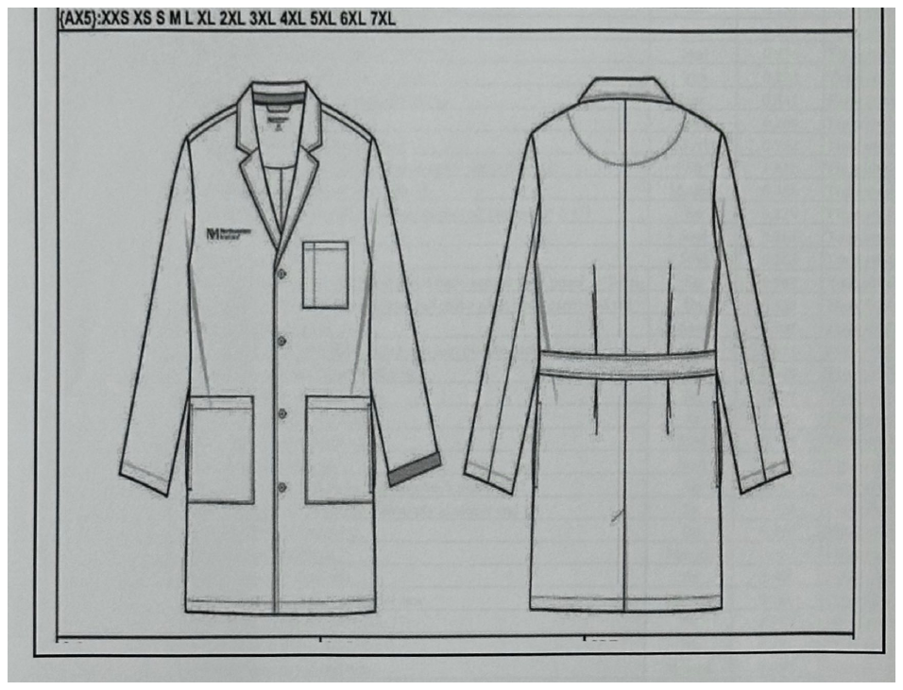

簽核款式圖 / Signed Style Drawing |  |  |  | 簽核款式圖 / Signed Style Drawing

之前 SMV / Previous | 11.270 | 核准 SMV / Approved | 23.820 | 之前 SMV / Previous | 11.270 | 核准 SMV / Approved | 23.820
差異 / Change | 111.4% | 狀態 / Status | 已簽核 / Approved | 差異 / Change | 111.4% | 狀態 / Status | 已簽核 / Approved
簡要比較 / Brief | 11.270 → 23.820 |  |  | 簡要比較 / Brief | 11.270 → 23.820

Style NMC6788P | ADI | Lab Coat |  |  |  | Style NMC6788R | ADI | Lab Coat
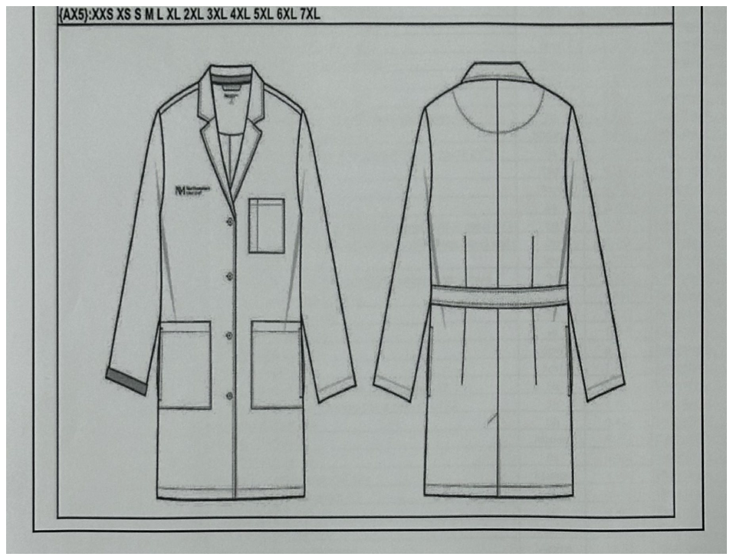
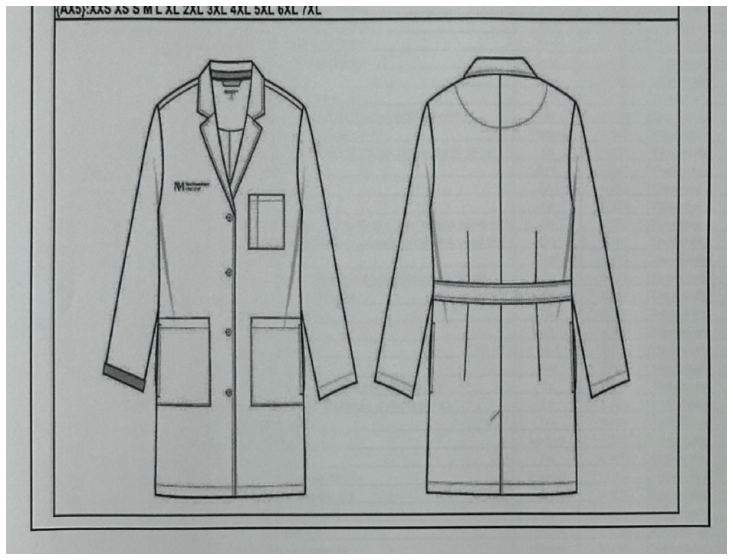

簽核款式圖 / Signed Style Drawing |  |  |  | 簽核款式圖 / Signed Style Drawing

之前 SMV / Previous | 13.880 | 核准 SMV / Approved | 24.054 | 之前 SMV / Previous | 10.820 | 核准 SMV / Approved | 24.054
差異 / Change | 73.3% | 狀態 / Status | 已簽核 / Approved | 差異 / Change | 122.3% | 狀態 / Status | 已簽核 / Approved
簡要比較 / Brief | 13.880 → 24.054 |  |  | 簡要比較 / Brief | 10.820 → 24.054

