COSTING
WHITE PLAIN LINEN |  |  |  |  |  | Production
BUSBOY COATS
Construction Details

VANTAGE RIVER TEXTILE
Base Size : XS-4XL
Base Size : L
Date Folder Modified : 27 January 2023

Standard width and Yards per dozen |  |  |  |  |  |  | 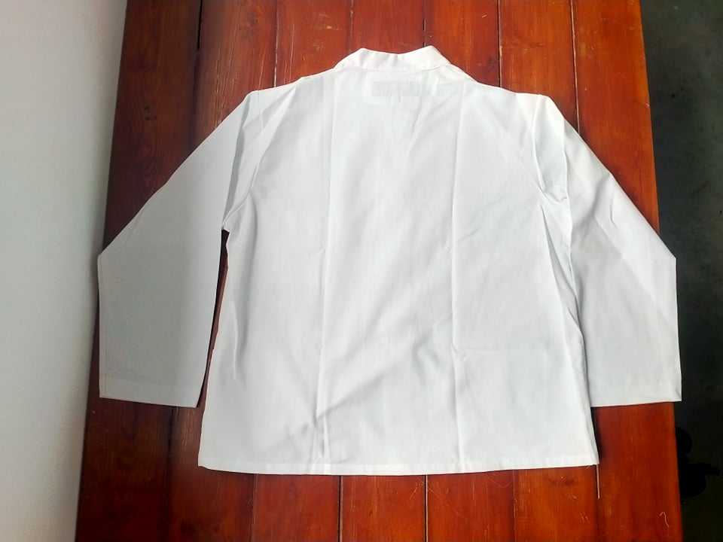 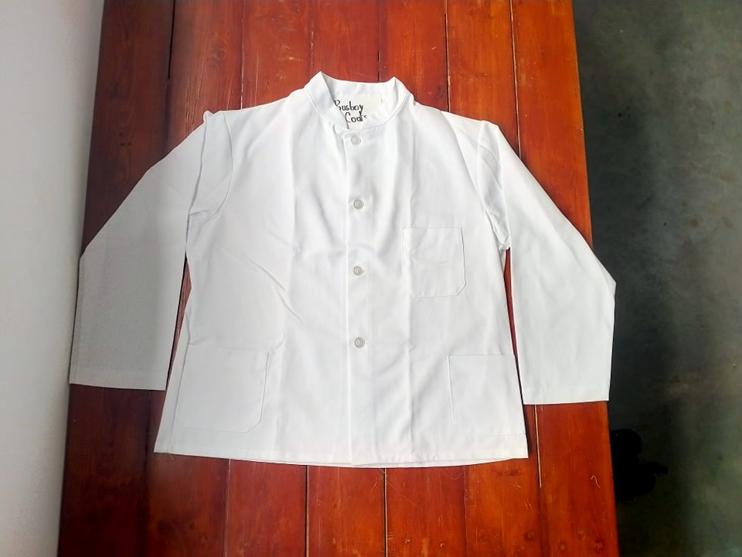 | 89.505
Nº | Items | Description | Color | Width/size | Qty/Unit | Qty/Dozen |  | 1.3876744186
1 | Main Fabric | 7.1 OZALSCO WHT | WHITE | 64.5 | 1.400 Yards | 16.800 Yards
2 | Plastic Button | 2Hole 30L At Center Front Closure | CLEAR | 30L | 4.000Pcs | 48.000Pcs
3 | Care Label | At Center Back Neck | - | - | 1.000Pcs | 12.000Pcs
4 | Thread Tex40 | Sewing Thread | DTM Body | Tex40 | 0.055Cone | 0.660Cone
SAH's
Style |  | SAH's per dozen
BUSBOY COATS |  | 2.840
Sewing SMV |  | 14.200
Cost of items
Nº | Items | Quanlity/Dozen |  | Product color | Price per unit | Price per dozen
1 | Main Fabric | 16.800 Yards |  | WHITE | 1.8350USD | 30.828 USD
2 | Plastic Button | 48.000Pcs |  | CLEAR | 0.0140USD | 0.672 USD
3 | Care Label | 12.000Pcs |  | - | 0.0500USD | 0.600 USD
4 | Thread Tex40 | 0.660Cone |  | DTM Body | 3.5000USD | 2.310 USD
5 | Carton | 0.500 |  |  | 1.0000USD | 0.500 USD
6 | Labor | 2.840 |  |  | 7.6800USD | 21.811 USD

 |  |  |  |  | MFG COST: | 56.721 USD
 |  |  |  |  | freight cost | 0.427 USD
 |  |  |  |  | UNIT COST: | 4.727 USD
 |  |  |  |  | DUTY | 1.205 USD
 |  |  |  |  | Sale price | 5.627 USD
 |  |  |  |  | LIST | 7.250 USD
 |  |  |  |  | Margin | 16.00%
Standard width and Yards per dozen
Nº | Items | Description | Color | Width/size | Qty/Unit | Qty/Dozen
1 | Main Fabric | 7.1 OZALSCO WHT | WHITE | 64.5 | 1.500 Yards | 18.000 Yards
2 | Plastic Button | 2Hole 30L At Center Front Closure | CLEAR | 30L | 4.000Pcs | 48.000Pcs
3 | Care Label | At Center Back Neck | - | - | 1.000Pcs | 12.000Pcs
4 | Thread Tex40 | Sewing Thread | DTM Body | Tex40 | 0.055Cone | 0.660Cone
SAH's
Style |  | SAH's per dozen
0 |  | 2.840
Sewing SMV |  | 14.200
Cost of items
Nº | Items | Quanlity/Dozen |  | Product color | Price per unit | Price per dozen
1 | Main Fabric | 18.000 Yards |  | WHITE | 1.8350USD | 33.030 USD
2 | Plastic Button | 48.000Pcs |  | CLEAR | 0.0140USD | 0.672 USD
3 | Care Label | 12.000Pcs |  | - | 0.0500USD | 0.600 USD
4 | Thread Tex40 | 0.660Cone |  | DTM Body | 3.5000USD | 2.310 USD
5 | Carton | 0.500 |  |  | 1.0000USD | 0.500 USD
6 | Labor | 2.840 |  |  | 7.6800USD | 21.811 USD

 |  |  |  |  | MFG COST: | 58.923 USD
 |  |  |  |  | freight cost | 0.427 USD
 |  |  |  |  | UNIT COST: | 4.910 USD
 |  |  |  |  | DUTY | 1.252 USD
 |  |  |  |  | Sale price | 5.818 USD
 |  |  |  |  | LIST | 7.500 USD
 |  |  |  |  | Margin | 15.60%

MINI MARKER
