COSTING
WHITE PLAIN LINEN |  |  |  |  |  | Production
ETON COATS
Construction Details

VANTAGE RIVER TEXTILE
Size Range: 40-60
Base Size : 46
Date Folder Modified : 28 January 2023

Standard width and Yards per dozen |  |  |  |  |  |  | 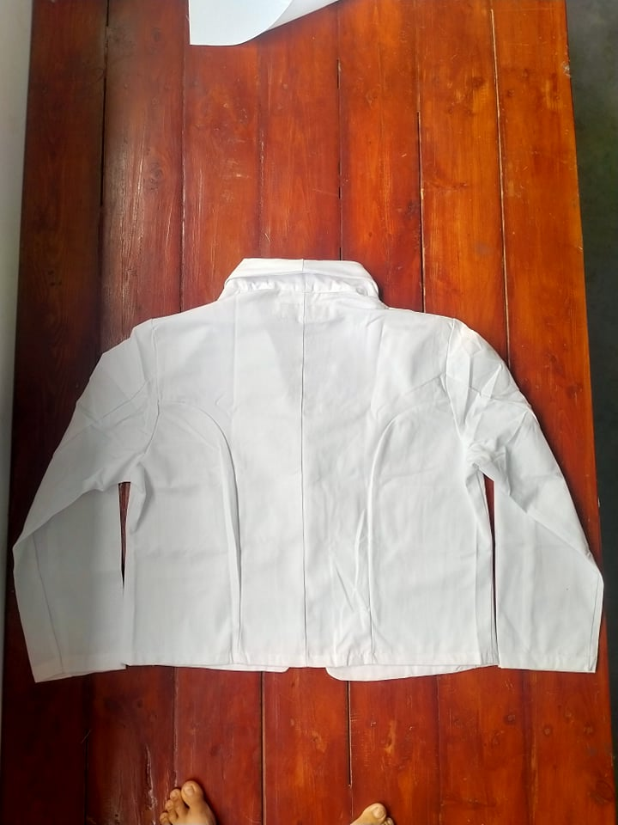 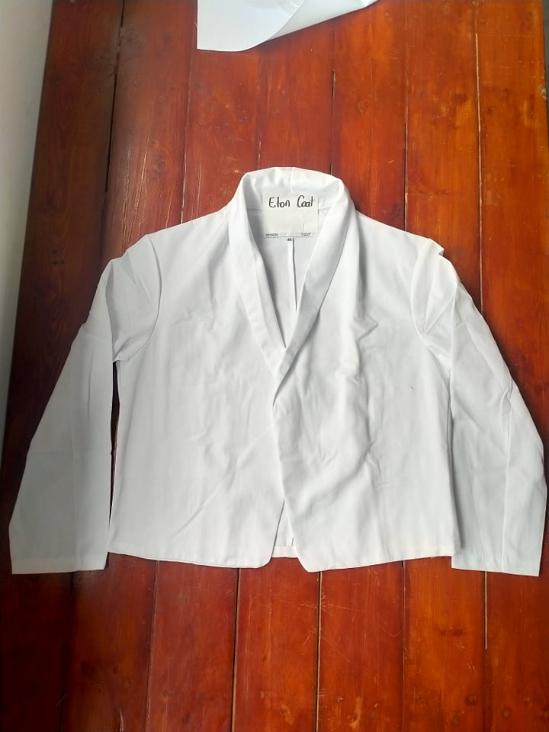
Nº | Items | Description | Color | Width/size | Qty/Unit | Qty/Dozen
1 | Main Fabric | 5.75.OZ | WHITE | 58.5" | 1.800 Yards | 21.600 Yards
2 | Care Label | At Center Back Neck | - | - | 1.000Pcs | 12.000Pcs
3 | Thread Tex40 | Sewing Thread | DTM Body | Tex40 | 0.050Cone | 0.600Cone
SAH's
Style |  | SAH's per dozen
ETON COATS |  | 3.0000
Sewing SMV |  | 15.000
Cost of items
Nº | Items | Quanlity/Dozen |  | Product color | Price per unit | Price per dozen
1 | Main Fabric | 21.600 Yards |  | WHITE | 2.2500USD | 48.600 USD
2 | Care Label | 12.000Pcs |  | - | 0.0500USD | 0.600 USD
3 | Thread Tex40 | 0.600Cone |  | DTM Body | 3.6000USD | 2.160 USD
4 | Carton | 0.500 |  |  | 1.0000USD | 0.500 USD
5 | Labor | 3.000 |  |  | 7.6800USD | 23.040 USD

 |  |  |  |  | MFG COST: | 74.900 USD
 |  |  |  |  | freight cost | 0.356 USD
 |  |  |  |  | UNIT COST: | 6.242 USD
 |  |  |  |  | duty | 1.654 USD
 |  |  |  |  | Sale price | 8.064 USD
 |  |  |  |  | LIST | 10.080 USD
 |  |  |  |  | Margin | 22.60%
Standard width and Yards per dozen
Nº | Items | Description | Color | Width/size | Qty/Unit | Qty/Dozen
1 | Main Fabric | For Main Body | WHITE | 58.5" | 2.000 Yards | 24.000 Yards
2 | Care Label | At Center Back Neck | - | - | 1.000Pcs | 12.000Pcs
3 | Thread Tex40 | Sewing Thread | DTM Body | Tex40 | 0.050Cone | 0.600Cone
SAH's
Style |  | SAH's per dozen
0 |  | 3.0000
Sewing SMV |  | 15.000
Cost of items
Nº | Items | Quanlity/Dozen |  | Product color | Price per unit | Price per dozen
1 | Main Fabric | 24.000 Yards |  | WHITE | 2.2500USD | 54.000 USD
2 | Care Label | 12.000Pcs |  | - | 0.0035USD | 0.042 USD
3 | Thread Tex40 | 0.600Cone |  | DTM Body | 3.6000USD | 2.160 USD
4 | Carton | 0.500 |  |  | 1.0000USD | 0.500 USD
5 | Labor | 3.000 |  |  | 6.6000USD | 19.800 USD

 |  |  |  |  | MFG COST: | 76.502 USD
 |  |  |  |  | freight cost | 0.356 USD
 |  |  |  |  | UNIT COST: | 6.375 USD
 |  |  |  |  | duty | 1.689 USD
 |  |  |  |  | Sale price | 8.334 USD
 |  |  |  | 7.5 | LIST | 10.380 USD
 |  |  |  | 8 | Margin | 23.50%

MINI MARKER
