COSTING
WHITE PLAIN LINEN |  |  |  |  |  |  | Production
VENTED S/S CHEF COAT
Construction Details

VANTAGE RIVER TEXTILE
Base Size : XS-4XL
Base Size : L
Date Folder Modified : 01 February 2023

Standard width and Yards per dozen |  |  |  |  |  |  |  | 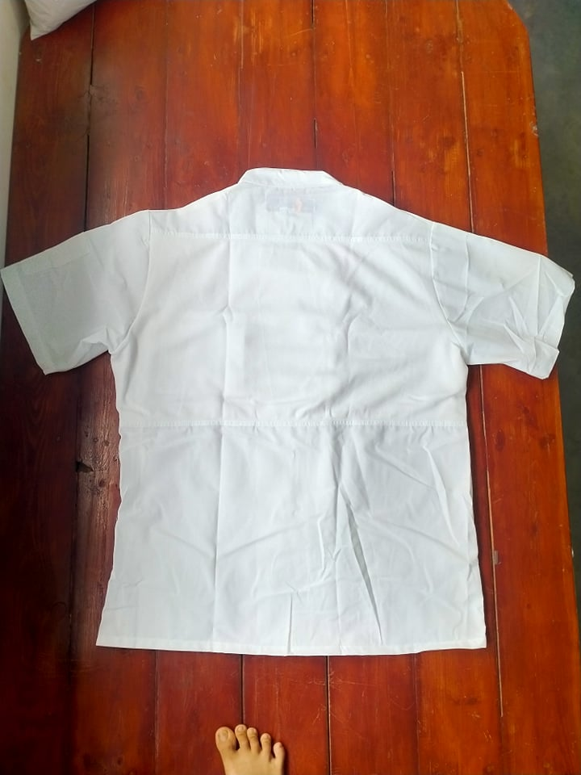 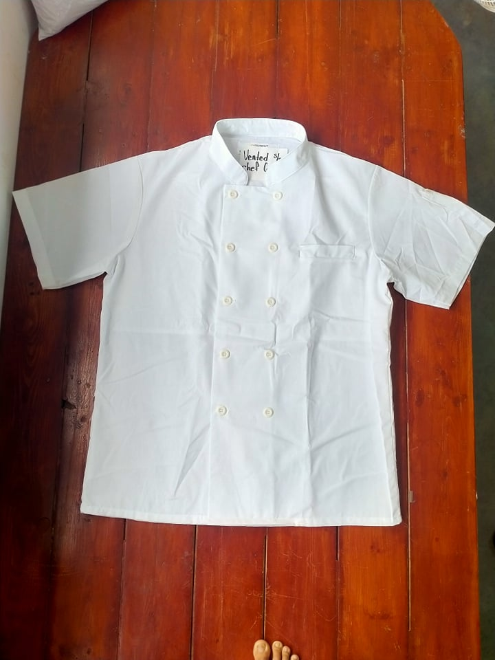
Nº | Items | Description |  | Color | Width/size | Qty/Unit | Qty/Dozen
1 | Main Fabric-A | 5.5 oz Arwhite |  | WHITE | 66.5 | 1.300 Yards | 15.600 Yards
2 | Mesh Fabric-B | For Back Top |  | WHITE | 60" | 0.200 Yards | 2.400 Yards
3 | Plastic Button | 4Hole At Center Front Closure |  | WHITE | 30L | 10.000Pcs | 120.000Pcs
4 | Care Label | At Center Back Neck |  | - | - | 1.000Pcs | 12.000Pcs
5 | Thread Tex40 | Sewing Thread |  | DTM Body | Tex40 | 0.050Cone | 0.600Cone
SAH's
Style |  | SAH's per dozen
VENTED S/S CHEF COAT |  | 2.800
Sewing SMV |  | 14.000
Cost of items
Nº | Items | Quanlity/Dozen |  |  | Product color | Price per unit | Price per dozen
1 | Main Fabric-A | 15.600 Yards |  |  | WHITE | 1.7100USD | 26.676 USD
2 | Mesh Fabric-B | 2.400 Yards |  |  | WHITE | 1.7400USD | 4.176 USD
3 | Plastic Button | 120.000Pcs |  |  | WHITE | 0.0200USD | 2.400 USD
4 | Care Label | 12.000Pcs |  |  | - | 0.0500USD | 0.600 USD
5 | Thread Tex40 | 0.600Cone |  |  | DTM Body | 3.6000USD | 2.160 USD
6 | Carton | 0.400 |  |  |  | 1.0000USD | 0.400 USD
7 | Labor | 2.800 |  |  |  | 7.6800USD | 21.504 USD

 |  |  |  |  |  | MFG COST: | 57.916 USD
 |  |  |  |  |  | freight cost | 0.357 USD
 |  |  |  |  |  | UNIT COST: | 4.826 USD
 |  |  |  |  |  | duty | 1.589 USD
 |  |  |  |  |  | Sale price | 5.995 USD
 |  |  |  |  |  |  | 7.950 USD
 |  |  |  |  |  | Margin | 19.50%

Standard width and Yards per dozen
Nº | Items | Description |  | Color | Width/size | Qty/Unit | Qty/Dozen
1 | Main Fabric-A | 5.5 oz Arwhite |  | WHITE | 66.5 | 1.500 Yards | 18.000 Yards
2 | Mesh Fabric-B | For Back Top |  | WHITE | 60" | 0.200 Yards | 2.400 Yards
3 | Plastic Button | 4Hole At Center Front Closure |  | WHITE | 30L | 10.000Pcs | 120.000Pcs
4 | Care Label | At Center Back Neck |  | - | - | 1.000Pcs | 12.000Pcs
5 | Thread Tex40 | Sewing Thread |  | DTM Body | Tex40 | 0.050Cone | 0.600Cone
SAH's
Style |  | SAH's per dozen
0 |  | 2.800
Sewing SMV |  | 14.000
Cost of items
Nº | Items | Quanlity/Dozen |  |  | Product color | Price per unit | Price per dozen
1 | Main Fabric-A | 18.000 Yards |  |  | WHITE | 1.7100USD | 30.780 USD
2 | Mesh Fabric-B | 2.400 Yards |  |  | WHITE | 1.7400USD | 4.176 USD
3 | Plastic Button | 120.000Pcs |  |  | WHITE | 0.0200USD | 2.400 USD
4 | Care Label | 12.000Pcs |  |  | - | 0.0500USD | 0.600 USD
5 | Thread Tex40 | 0.600Cone |  |  | DTM Body | 3.6000USD | 2.160 USD
6 | Carton | 0.400 |  |  |  | 1.0000USD | 0.400 USD
7 | Labor | 2.800 |  |  |  | 7.6800USD | 21.504 USD

 |  |  |  |  |  | MFG COST: | 62.020 USD
 |  |  |  |  |  | freight cost | 0.357 USD
 |  |  |  |  |  | UNIT COST: | 5.168 USD
 |  |  |  |  |  | duty | 1.712 USD
 |  |  |  |  |  | Sale price | 6.460 USD
 |  |  |  |  |  |  | 8.550 USD
 |  |  |  |  |  | Margin | 20.00%
 |  |  | LONG SLEEVE
Standard width and Yards per dozen
Nº | Items | Description |  | Color | Width/size | Qty/Unit | Qty/Dozen
1 | Main Fabric-A | 5.5 oz Arwhite |  | WHITE | 66.5 | 1.500 Yards | 18.000 Yards
2 | Mesh Fabric-B | For Back Top |  | WHITE | 60" | 0.200 Yards | 2.400 Yards
3 | Plastic Button | 4Hole At Center Front Closure |  | WHITE | 30L | 10.000Pcs | 120.000Pcs
4 | Care Label | At Center Back Neck |  | - | - | 1.000Pcs | 12.000Pcs
5 | Thread Tex40 | Sewing Thread |  | DTM Body | Tex40 | 0.050Cone | 0.600Cone
SAH's
Style |  | SAH's per dozen
0 |  | 3.400
Sewing SMV |  | 17.000
Cost of items
Nº | Items | Quanlity/Dozen |  |  | Product color | Price per unit | Price per dozen
1 | Main Fabric-A | 18.000 Yards |  |  | WHITE | 1.7100USD | 30.780 USD
2 | Mesh Fabric-B | 2.400 Yards |  |  | WHITE | 1.7400USD | 4.176 USD
3 | Plastic Button | 120.000Pcs |  |  | WHITE | 0.0200USD | 2.400 USD
4 | Care Label | 12.000Pcs |  |  | - | 0.0500USD | 0.600 USD
5 | Thread Tex40 | 0.600Cone |  |  | DTM Body | 3.6000USD | 2.160 USD
6 | Carton | 0.400 |  |  |  | 1.0000USD | 0.400 USD
7 | Labor | 3.400 |  |  |  | 7.6800USD | 26.112 USD

 |  | no this button price on list, pls re-check |  |  |  | MFG COST: | 66.628 USD
 |  | or use 30L 4H $0.014/PC ? |  |  |  | freight cost | 0.429 USD
 |  |  |  |  |  | UNIT COST: | 5.552 USD
 |  |  |  |  |  | duty | 1.951 USD
 |  |  |  |  |  | Sale price | 7.364 USD
 |  |  |  |  |  |  | 9.750 USD
 |  |  |  |  |  | Margin | 24.60%

Standard width and Yards per dozen
Nº | Items | Description |  | Color | Width/size | Qty/Unit | Qty/Dozen
1 | Main Fabric-A | 5.5 oz Arwhite |  | WHITE | 66.5 | 1.700 Yards | 20.400 Yards
2 | Mesh Fabric-B | For Back Top |  | WHITE | 60" | 0.200 Yards | 2.400 Yards
3 | Plastic Button | 4Hole At Center Front Closure |  | WHITE | 30L | 10.000Pcs | 120.000Pcs
4 | Care Label | At Center Back Neck |  | - | - | 1.000Pcs | 12.000Pcs
5 | Thread Tex40 | Sewing Thread |  | DTM Body | Tex40 | 0.050Cone | 0.600Cone
SAH's
Style |  | SAH's per dozen
0 |  | 3.400
Sewing SMV |  | 17.000
Cost of items
Nº | Items | Quanlity/Dozen |  |  | Product color | Price per unit | Price per dozen
1 | Main Fabric-A | 20.400 Yards |  |  | WHITE | 1.7100USD | 34.884 USD
2 | Mesh Fabric-B | 2.400 Yards |  |  | WHITE | 1.7400USD | 4.176 USD
3 | Plastic Button | 120.000Pcs |  |  | WHITE | 0.0200USD | 2.400 USD
4 | Care Label | 12.000Pcs |  |  | - | 0.0500USD | 0.600 USD
5 | Thread Tex40 | 0.600Cone |  |  | DTM Body | 3.6000USD | 2.160 USD
6 | Carton | 0.400 |  |  |  | 1.0000USD | 0.400 USD
7 | Labor | 3.400 |  |  |  | 7.6800USD | 26.112 USD

 |  |  |  |  |  | MFG COST: | 70.732 USD
 |  | no this button price on list, pls re-check |  |  |  | freight cost | 0.429 USD
 |  | or use 30L 4H $0.014/PC ? |  |  |  | UNIT COST: | 5.894 USD
 |  |  |  |  |  | duty | 2.077 USD
 |  |  |  |  |  | Sale price | 7.838 USD
 |  |  |  |  |  |  | 10.350 USD
 |  |  |  |  |  | Margin | 24.80%

MINI MARKER
