F02.CFG-Paths
 | do not print this form |  | VVSS, Info Romana, 2018-2019

 | F02. cautarea filmelor care au un anumit regizor (sau parti din numele regizorului).

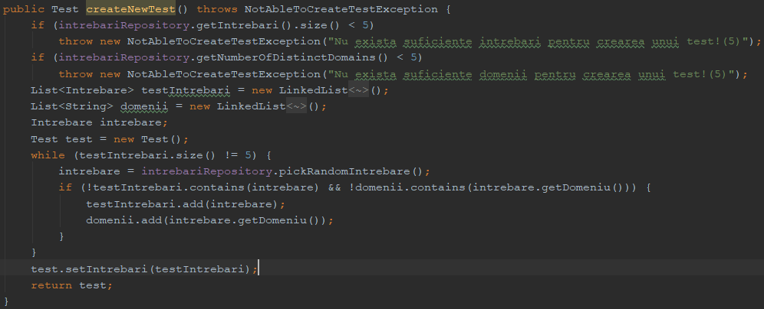
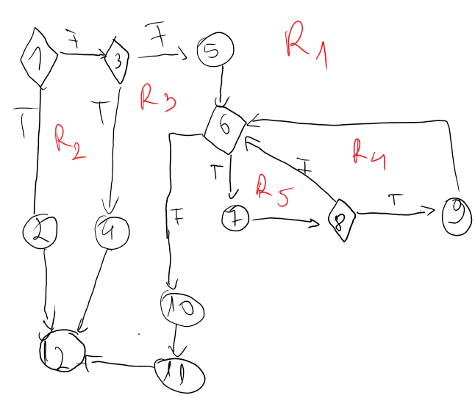
 | F02. Covered source code |  |  | F02. Control Flow Graph (CFG) | F02. Cyclomatic Complexity (CC)
0
1c |  |  |  |  | CC1 = No. of regions = |  | 5
2 |  |  |  |  | CC2 = Edges - Nodes + 2 = |  | 15-12+2=5
3c |  |  |  |  | CC3 = No. of Conditions + 1 = |  | 5
4
5
 |  |  |  |  | F02. Individual Paths

 |  |  |  |  | Path No. | Path
6c |  |  |  |  | D1 | 1T - 2 - 12
7 |  |  |  |  | D2 | 1F - 3T - 4 - 12
8c |  |  |  |  | D3 | 1F - 3F - 5 - 6F - 10 -11 - 12
9 |  |  |  |  | D4 | 1F - 3F - 5 - 6T - 7 - 8F - 6F -10 - 11 -12
 |  |  |  |  | D5 | 1F - 3F - 5 - 6T - 7 - 8T - 9 - 6F -10 - 11 -12

 |  |  |  |  | D3 ⊂ D4,D5
10
11
12

 | Line No. | Source code
 | Req02_L01 | …
 | Req02_L02 | …
 | Req02_L03 | …
 | ... | …
 | .. | …
 | ... | …

