Sheet2
 | Netflix
 | 7.16
 | 7.43
 | 7.71
2021 Total Revenue | 29.64
2021 Revenue by Quarter (in $ billions)
 |  |  |  |  | 2021 Total Revenue
 | Q1 | Q2 | Q3 | Q4
Netflix | 7.16 | 7.34 | 7.43 | 7.71 | 29.64
Disney + | 0.999 | 1.11 | 1.24 | 1.44 | 4.789
TikTok | 0.814 | 1.096 | 1.208 | 1.579 | 4.697
YouTube | 6 | 7 | 7.2 | 8.63 | 28.83
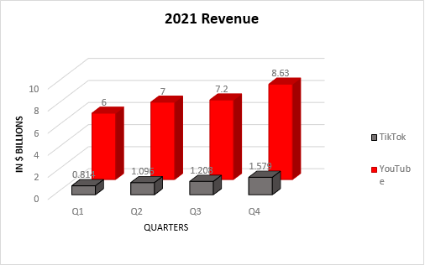

2021 Revenue
YouTube | 1 | 1
6
7
7.2
8.63
28.83

