Townsend Questions (Complex)
Context: | Every quarter, I prepared data points related to Eagle assets for Townsend reporting
Reporting Metrics: | Yearly Rent Growth (%) (Fiscal) | Quarterly Rent Growth (%) | 10-Year Rent CAGR (%) (Fiscal) | 3-Year Rent CAGR (%) (Fiscal)
Formula (Q2 2025) | (June 2025 Total Gross Potential Rent - June 2024 Total Gross Potential Rent) / June 2024 Total Gross Potential Rent | (June 2025 Total Gross Potential Rent - March 2025 Total Gross Potential Rent) / June 2024 Total Gross Potential Rent | CAGR = (July 2035 Total Gross Potential Rent / July 2025 Total Gross Potential Rent) 1/10 -1 | CAGR = (July 2028 Total Gross Potential Rent / July 2025 Total Gross Potential Rent) 1/3 -1
Comments: | Data source - Yardi | Data source - Yardi | Future project - Cash flow forecast | Future project - Cash flow forecast
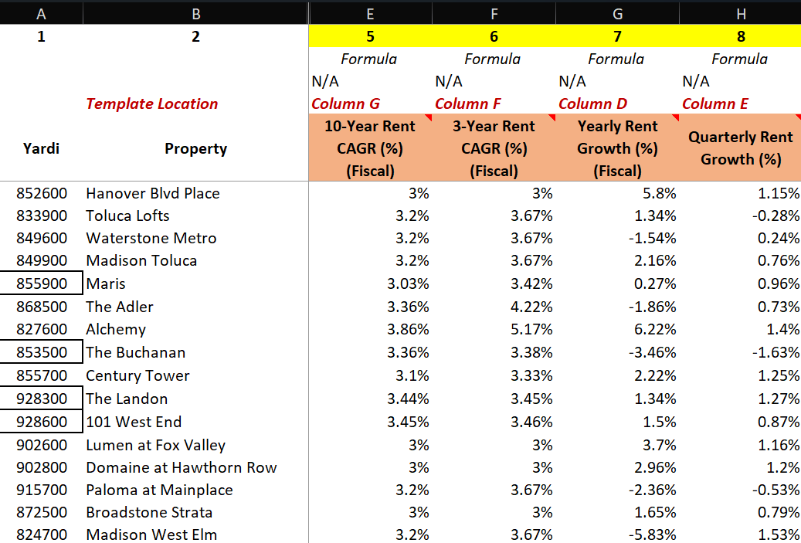
Example:

