Business Requirements
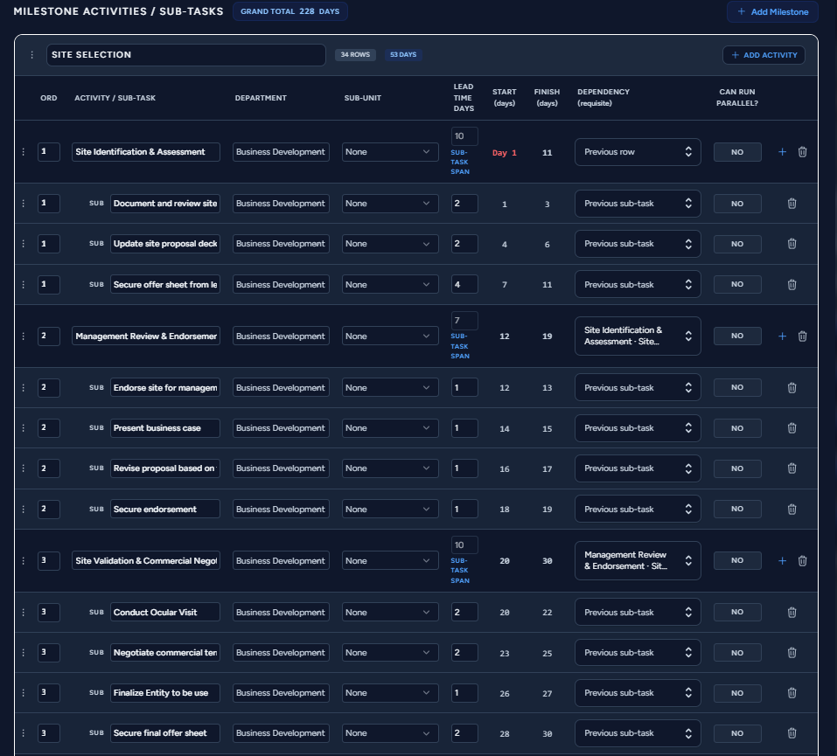
Business Requirement Document
Objective | Correct Milestone Schedule Computation

Current Issue | System computes Finish = Start + Lead Time instead of Finish = Start + Lead Time - 1, causing an off-by-one error.

Business Rules
Rule | Formula | Example
Milestone Lead Time | sum | 2+2+4+2 = 10 days
Milestone Start | Previous Finish + 1 | 10 + 1 = Day 11
Milestone Finish | Finish = Start + Lead Time - 1 | 1 + 10 - 1 = Day 10
Sub-task Start | Previous Sub-task Finish + 1 | 2 -> Day 3
Sub-task Finish | Start + Lead Time - 1 | 3 + 2 - 1 = Day 4

Comparison Example
Milestone | Lead Time | Goal | Current System | Expected Formula
Site Identification & Assessment | 10 | Day 1 - Day 10 | Day 1 - Day 11 | 1 + 10 - 1 = 10
Management Review & Endorsement | 5 | Day 11 - Day 15 | Day 12 - Day 19 | 11 + 5 - 1 = 15
Site Validation & Commercial Negotiation | 10 | Day 16 - Day 25 | Day 20 - Day 30 | 16 + 10 - 1 = 25

Worked Scheduling Example
Sub-task | Lead Time | Start | Finish | Formula
Document Review | 2 | 1 | 2 | Start + LT - 1
Update Proposal | 2 | 3 | 4 | Start + LT - 1
Secure Offer Sheet | 4 | 5 | 8 | Start + LT - 1
Additional Activity | 2 | 9 | 10 | Start + LT - 1
Milestone Total |  |  | 10
Milestone Lead Time | 10

Acceptance Criteria
Scenario | Expected Result
Start = 1, Lead Time = 10 | Finish=10
Previous Finish = 10 | Next Start=11
Lead Time changed 4->6 | Recalculate downstream milestones automatically

Reference
Existing |  |  |  |  | Goal

