albumentation_Graphs
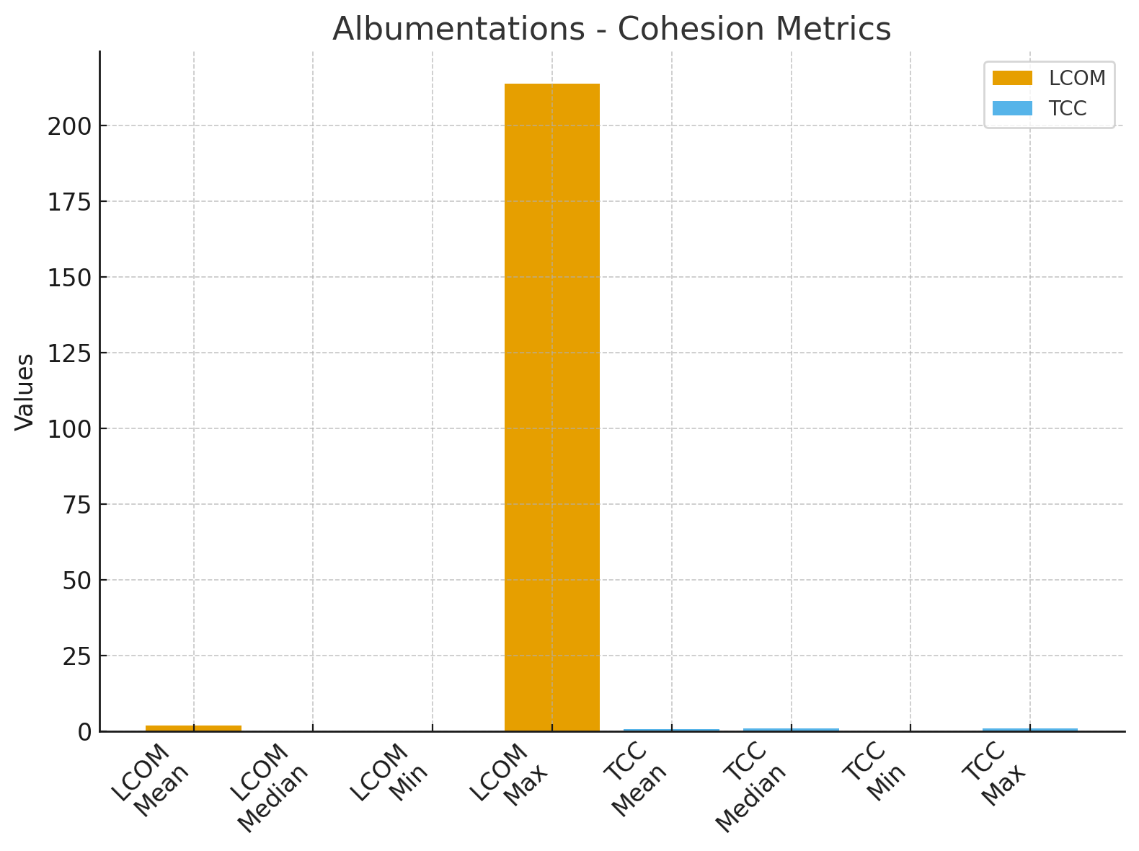
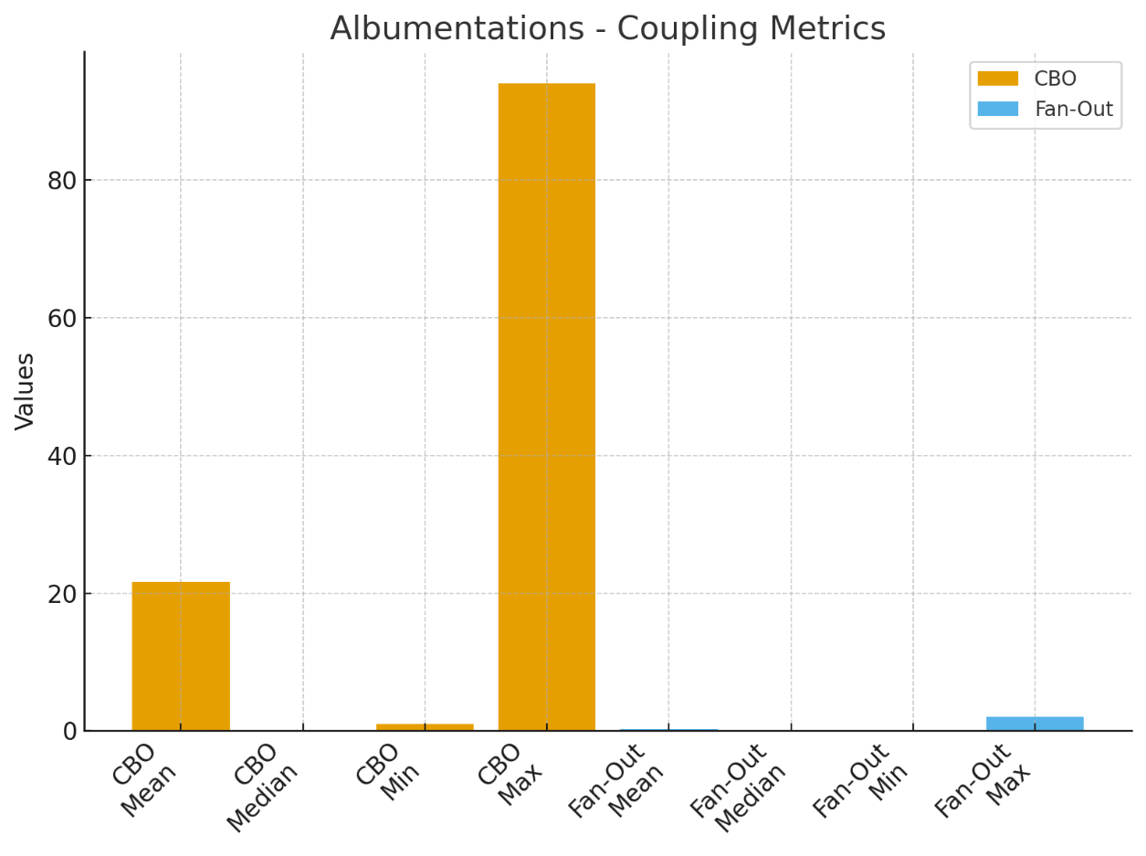
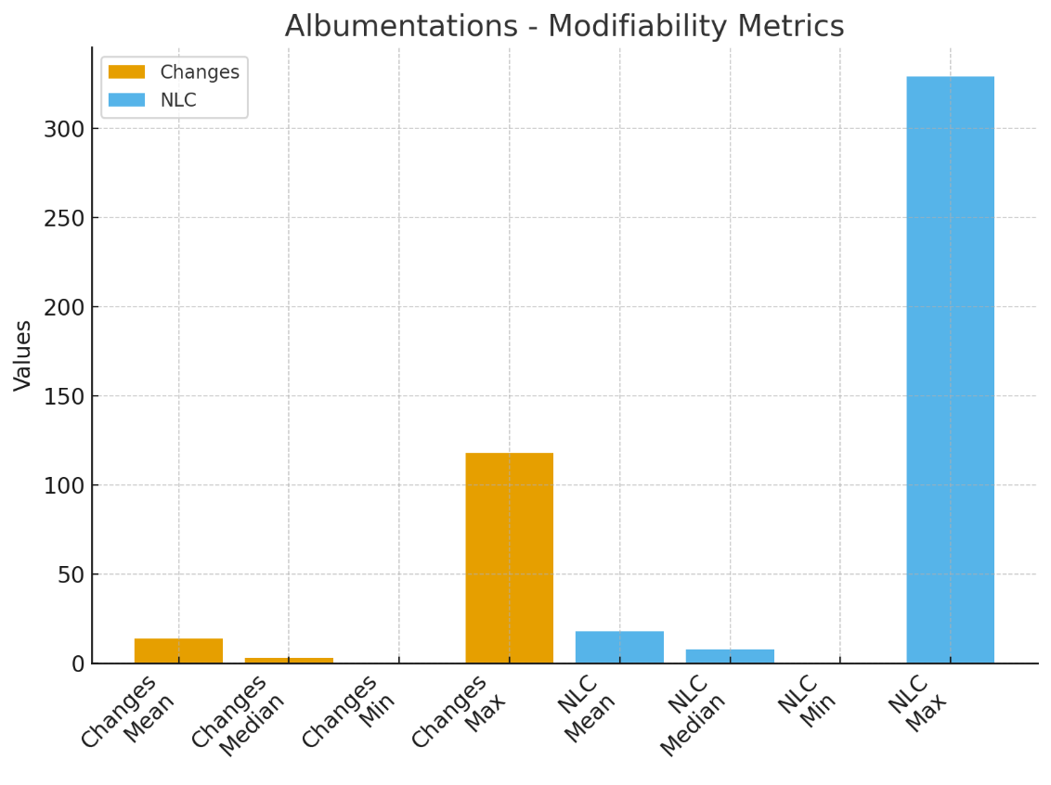
Metric | Mean | Median | Minimum | Maximim
LCOM | 1.899351 | 0 | 0 | 214
TCC | 0.879315 | 1 | 0 | 1
CBO | 21.59091 | 0 | 1 | 94
Fan-Out | 0.211039 | 0 | 0 | 2
Changes | 14.0487013 | 3 | 0 | 118
NLC | 17.95477273 | 7.935 | 0 | 329

