Total_Metrics
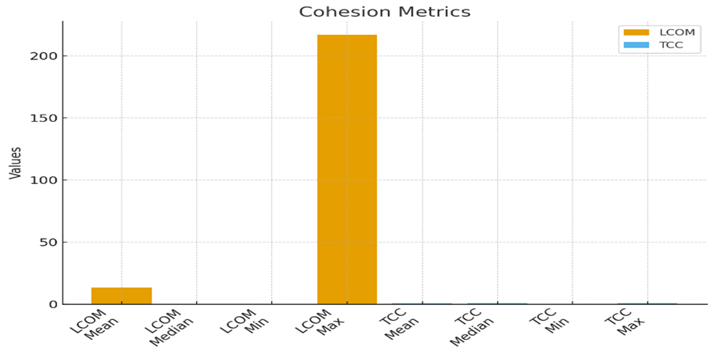
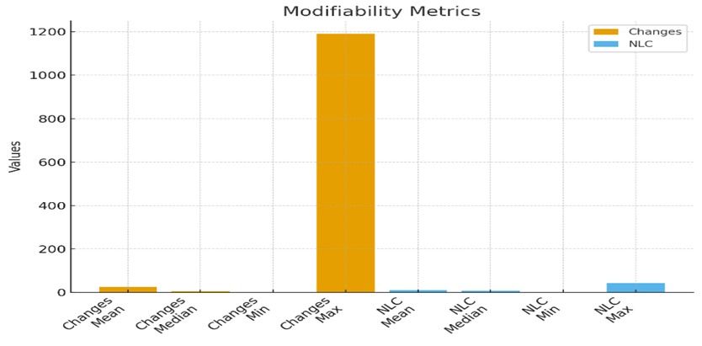
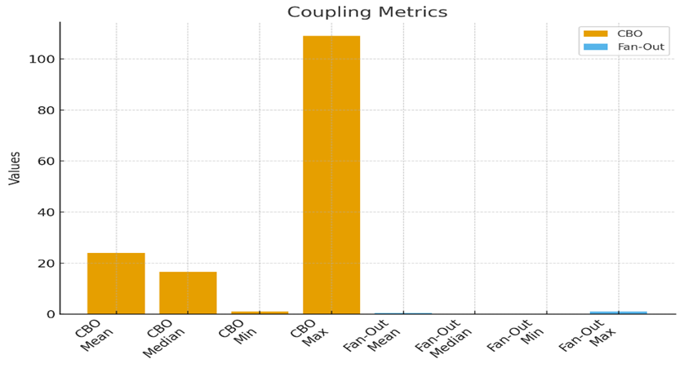
Metric | Mean | Median | Min | Max
LCOM | 13.5125 | 0 | 0 | 217
TCC | 0.7796375 | 1 | 0 | 1
CBO | 23.95 | 16.5 | 1 | 109
Fan-Out | 0.4 | 0 | 0 | 1
Changes | 25.3375 | 5.5 | 0 | 1191
NLC | 11.487625 | 8.97 | 0 | 44.2

