sata
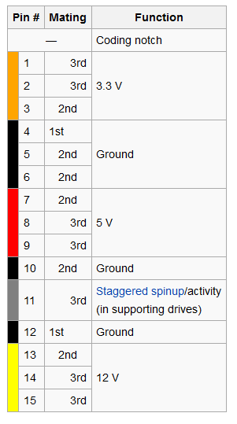
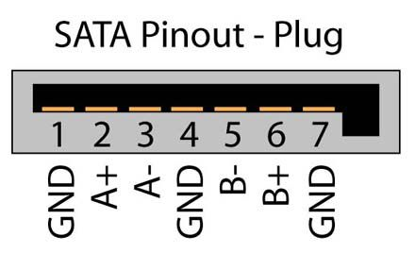
PCIE Edgeconnector (A) |  |  |  | PCIE Edgeconnector (B)
PCIE | Pin | Connector | Function | PCIE | Pin | Connector | Function
A1 | GND |  |  | B1 | P13,P14,P15 | J2, J3 | 12V
A2 | P13,P14,P15 | J2, J3 | 12V | B2 | P13,P14,P15 | J2, J3 | 12V
A3 | P13,P14,P15 | J2, J3 | 12V | B3 | P13,P14,P15 | J2, J3 | 12V
A4 | P13,P14,P15 | J2, J3 | 12V | B4 | GND
A5 | GND |  |  | B5 | GND
A6 | GND |  |  | B6 | S3 | J2 | A-
A7 | GND |  |  | B7 | S2 | J2 | A+
A8 | S5 | J2 | B- | B8 | GND
A9 | S6 | J2 | B+ | B9 | GND
A10 | GND |  |  | B10 | S3 | J3 | A-
A11 | GND |  |  | B11 | S2 | J3 | A+
A12 | S5 | J3 | B- | B12 | GND
A13 | S6 | J3 | B+ | B13 | GND
A14 | GND |  |  | B14 | GND
A15 | GND |  |  | B15 | P7,P8,P9 | J2,J3 | 5V
A16 | P7,P8,P9 | J2,J3 | 5V | B16 | P7,P8,P9 | J2,J3 | 5V
A17 | P7,P8,P9 | J2,J3 | 5V | B17 | P7,P8,P9 | J2,J3 | 5V
A18 | P7,P8,P9 | J2,J3 | 5V | B18 | GND

Sata J2 |  |  |  | Sata J3
Pin | Function |  |  | Pin | Function
S1 | GND |  |  | S1 | GND
S2 | A+ (Tx) |  |  | S2 | A+ (Tx)
S3 | A- (Tx) |  |  | S3 | A- (Tx)
S4 | GND |  |  | S4 | GND
S5 | B- (Rx) |  |  | S5 | B- (Rx)
S6 | B+ (Rx) |  |  | S6 | B+ (Rx)
S7 | GND |  |  | S7 | GND
SAT J2 Power |  |  |  | SAT J3 Power
Pin | Function |  |  | Pin | Function
P1 | not connected 3,3V |  |  | P1 | not connected 3,3V
P2 | not connected 3,3V |  |  | P2 | not connected 3,3V
P3 | not connected 3,3V |  |  | P3 | not connected 3,3V
P4 | GND |  |  | P4 | GND
P5 | GND |  |  | P5 | GND
P6 | GND |  |  | P6 | GND
P7 | 5V |  |  | P7 | 5V
P8 | 5V |  |  | P8 | 5V
P9 | 5V |  |  | P9 | 5V
P10 | GND |  |  | P10 | GND
P11 | not connected staggered spinup |  |  | P11 | not connected staggered spinup
P12 | GND |  |  | P12 | GND
P13 | 12V |  |  | P13 | 12V
P14 | 12V |  |  | P14 | 12V |  |  | o
P15 | 12V |  |  | P15 | 12V

usb_ethernet
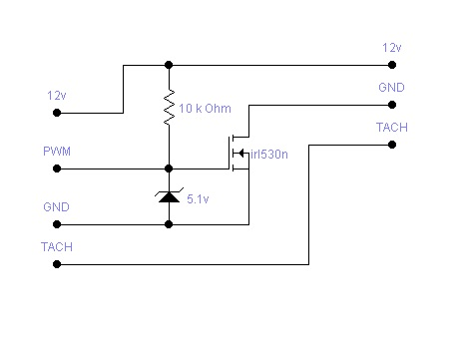
PCIE Edgeconnector (A) |  |  |  | PCIE Edgeconnector (A)
PCIE | Pin | Connector | Function | PCIE | Pin | Connector | Function
A1 | GND |  |  | B1 | GND
A2 | S3 | J13 | Signal (12V) | B2 | ETH LED | J1 | LED_LINK 10/100n
A3 | S3 | J13 | Signal (12V) | B3 | ETH LED | J1 | LED_LINK 1000n
A4 | GND |  |  | B4 | GND
A5 |  |  |  | B5 |  | J2 | LED_LINK 10/100n
A6 | GND |  |  | B6 | ETH LED | J2 | LED_LINK 1000n
A7 | S3 | J13 | Signal (12V) | B7 | S4 | J3 | 3,3V
A8 | GND |  |  | B8 | GND
A9 | ETH LED | J2 | LED_ACR_n | B9 | S3 | J3 | Tx
A10 | ETH LED | J1 | LED_ACR_n | B10 | S2 | J3 | Rx
A11 | GND | J2 |  | B11 | GND
A12 | ETH | J2 | Paar 3 - | B12 | ETH | J1 | Paar 3 +
A13 | ETH | J2 | Paar 3 + | B13 | ETH | J1 | Paar 3 -
A14 | GND |  |  | B14 | GND
A15 | ETH | J2 | Paar 2 + | B15 | ETH | J1 | Paar 2 -
A16 | ETH | J2 | Paar 2 - | B16 | ETH | J1 | Paar 2 +
A17 | GND |  |  | B17 | GND
A18 | ETH | J2 | Paar 1 - | B18 | ETH | J1 | Paar 1 +
A19 | ETH | J2 | Paar 1 + | B19 | ETH | J1 | Paar 1 -
A20 | GND |  |  | B20 | GND
A21 | ETH | J2 | Paar 0 + | B21 | ETH | J1 | Paar 0 -
A22 | ETH | J2 | Paar 0 - | B22 | ETH | J1 | Paar 0 +
A23 | GND |  |  | B23 | GND
A24 | USB S3 | J2 | D+ | B24 | USB S2 | J1 | D-
A25 | USB S2 | J2 | D- | B25 | USB S3 | J1 | D+
A26 | GND |  |  | B26 | GND
A27 | ETH | J1, J2 | VDDO_TTL | B27
A28 | GND |  |  | B28 | S1 | Sw1 | V
A29 | USB S1 | J1, J2 | 5V | B29 | GND
A30 | S1 | J1, J3 | 5V | B30 | ETH | J2 | AVDDL
A31 | S1 | J1, J4 | 5V | B31 | GND
A32 | S1 | J1, J5 | 5V | B32 | ETH | J1 | AVDDL
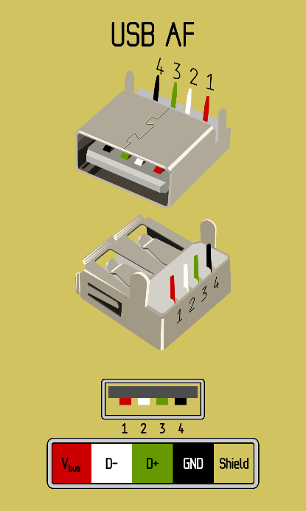

USB2.0 (J1) |  |  |  | USB2.0 (J2) |  |  | Serial (J3) |  | Switch (Sw1) |  | Fan (J13)
Pin | Function |  |  | Pin | Function |  | Pin | Function | Pin | Function | Pin | Function
S1 | V (5v) |  |  | S1 | V (5v) |  | S1 | GND | S1 | V 3,3V | S1 | GND
S2 | D- |  |  | S2 | D- |  | S2 | RX | S2 | GND | S2 | 12V
S3 | D+ |  |  | S3 | D+ |  | S3 | TX | S3 | GND | S3 | Signal | (signal trough diod (d10)
S4 | GND |  |  | S4 | GND |  | S4 | 3.3V | S4 | GND
Ethernet (J1)

Yukon Ultra 2 (pcie to ethernet) -> J1 |  |  |  | Yukon Ultra 2 (pcie to ethernet) -> J2
Pin | Name | Eth Parr | Pcie Pin | Pin | Name | Eth Parr | Pcie Pin
13 | MDIP[0] | Paar 0 + | B22 | 13 | MDIP[0] | Paar 0 + | A21
14 | MDIN[0] | Paar 0 - | B21 | 14 | MDIN[0] | Paar 0 - | A22
16 | MDIP[1] | Paar 1 + | B18 | 16 | MDIP[1] | Paar 1 + | A19
17 | MDIN[1] | Paar 1 - | B19 | 17 | MDIN[1] | Paar 1 - | A18
18 | MDIP[2] | Paar 2 + | B16 | 19 | MDIP[2] | Paar 2 + | A15
19 | MDIN[2] | Paar 2 - | B15 | 20 | MDIN[2] | Paar 2 - | A16
21 | MDIP[3] | Paar 3 + | B12 | 21 | MDIP[3] | Paar 3 + | A13
22 | MDIN[3] | Paar 3 - | B13 | 22 | MDIN[3] | Paar 3 - | A12

