Reports
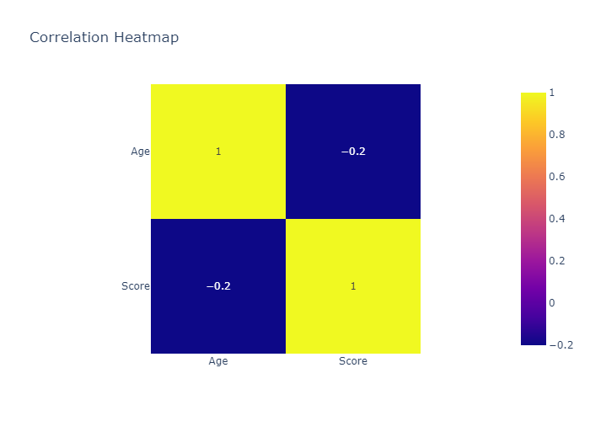
 | count | mean | std | min | 25% | 50% | 75% | max
Age | 4 | 32.5 | 6.4549722437 | 25 | 28.75 | 32.5 | 36.25 | 40
Score | 4 | 87.5 | 6.4549722437 | 80 | 83.75 | 87.5 | 91.25 | 95

Histogram of Age
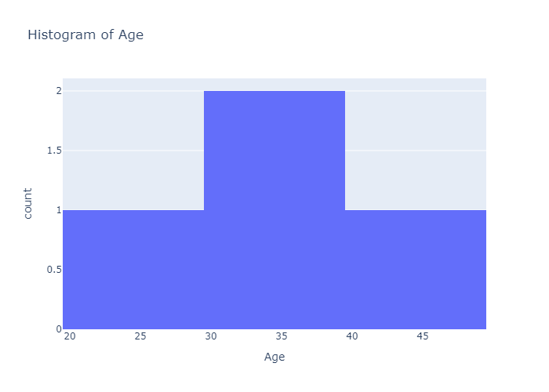

Histogram of Score
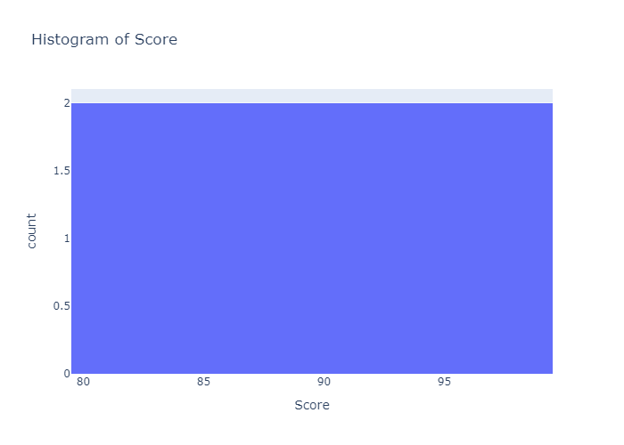

Box Plot of Age
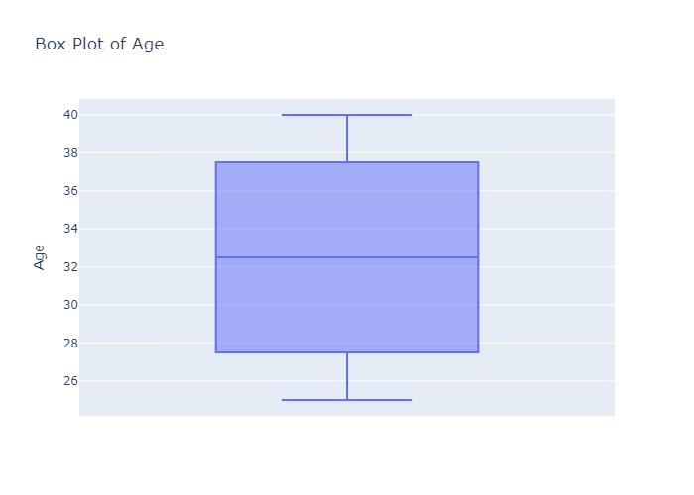

Box Plot of Score
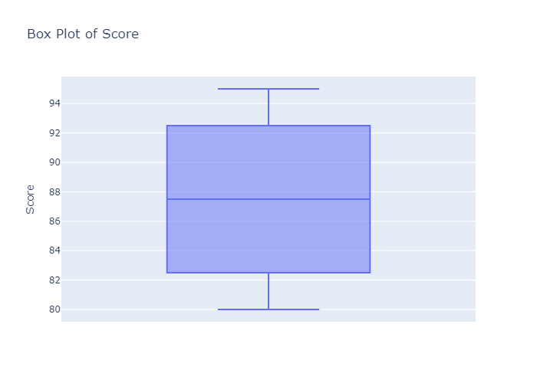

Scatter Plot: Age vs Score
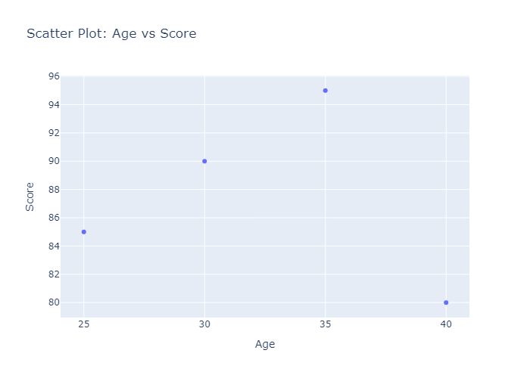

Correlation Heatmap

