Reports
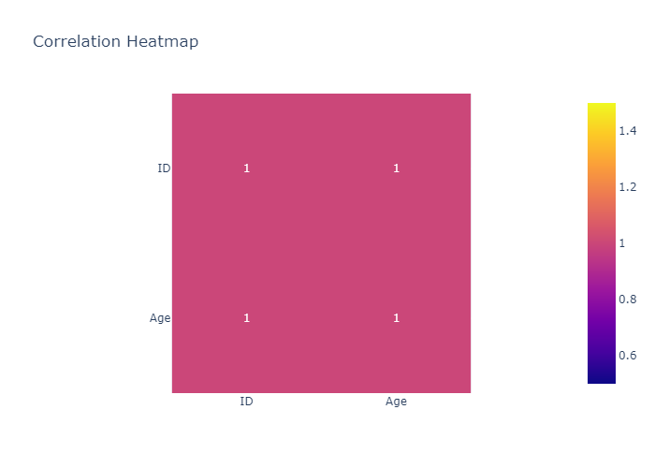
 | count | mean | std | min | 25% | 50% | 75% | max
ID | 3 | 2 | 1 | 1 | 1.5 | 2 | 2.5 | 3
Age | 3 | 30 | 5 | 25 | 27.5 | 30 | 32.5 | 35

Histogram of ID
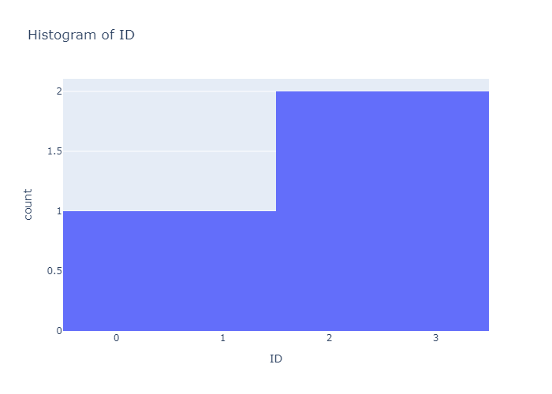

Histogram of Age


Box Plot of ID
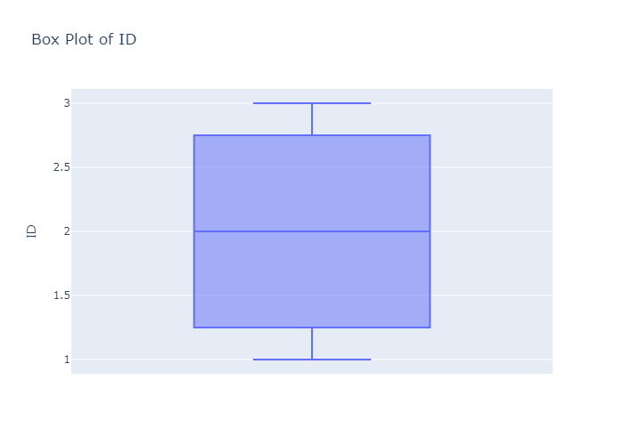

Box Plot of Age
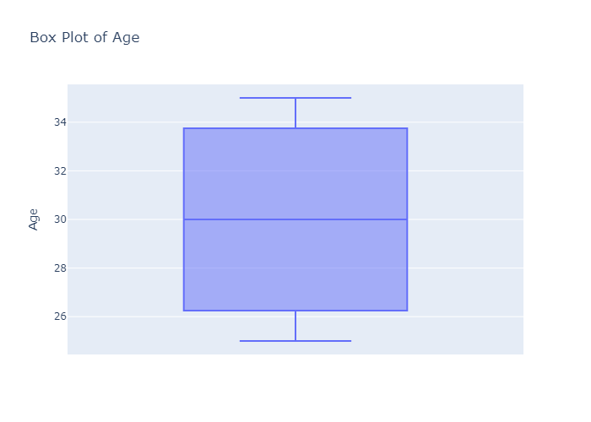

Scatter Plot: ID vs Age
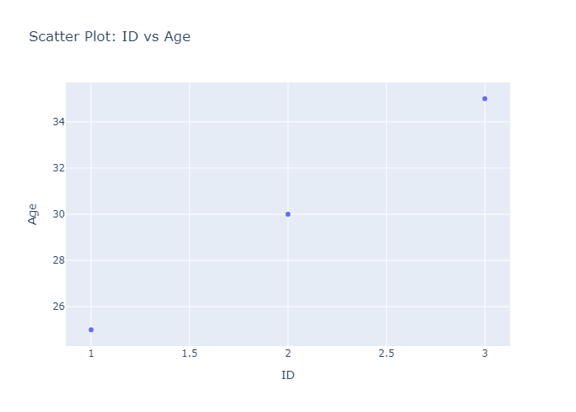

Correlation Heatmap

