Reports
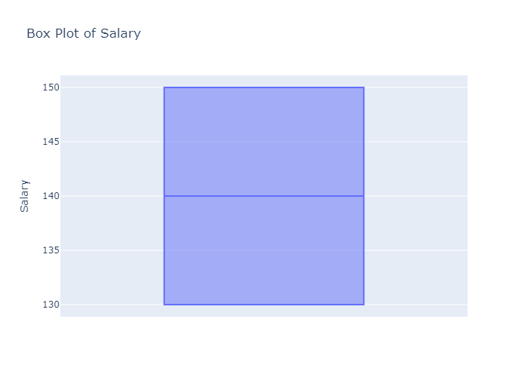
 | count | mean | std | min | 25% | 50% | 75% | max
Salary | 2 | 140 | 14.142135624 | 130 | 135 | 140 | 145 | 150

Histogram of Salary
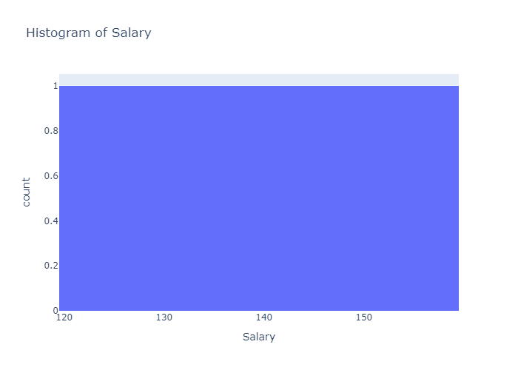

Box Plot of Salary

