Reports
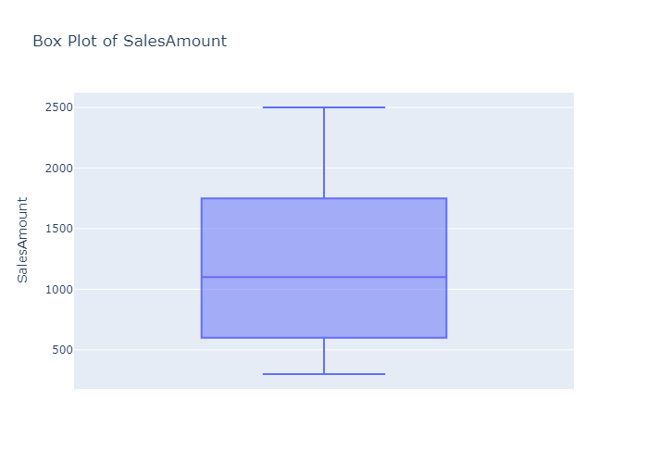
 | count | mean | min | 25% | 50% | 75% | max | std
Date | 8 | 2025-01-04 | 2025-01-01 | 2025-01-02 | 2025-01-04 | 2025-01-06 | 2025-01-08
SalesAmount | 8 | 1212.5 | 300 | 650 | 1100 | 1625 | 2500 | 756.75529164

Histogram of SalesAmount
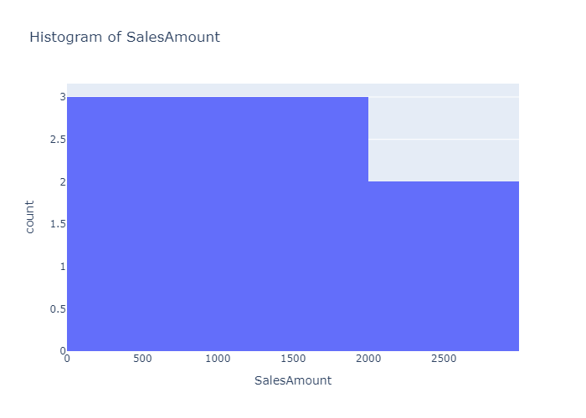

Box Plot of SalesAmount

