Reports
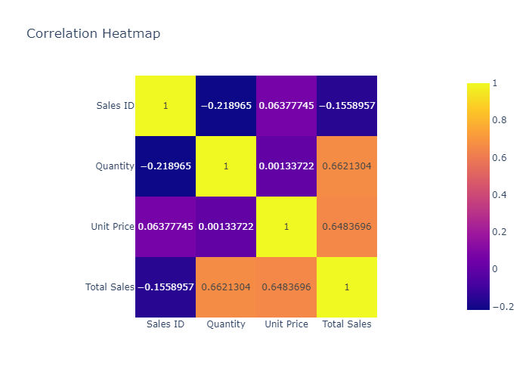
 | count | mean | std | min | 25% | 50% | 75% | max
Sales ID | 50 | 25.5 | 14.577379737 | 1 | 13.25 | 25.5 | 37.75 | 50
Quantity | 50 | 2.92 | 1.4961174242 | 1 | 2 | 3 | 4 | 5
Unit Price | 50 | 596 | 346.82819366 | 150 | 300 | 550 | 800 | 1200
Total Sales | 50 | 1741 | 1428.9888676 | 150 | 625 | 1400 | 2400 | 6000

Histogram of Sales ID
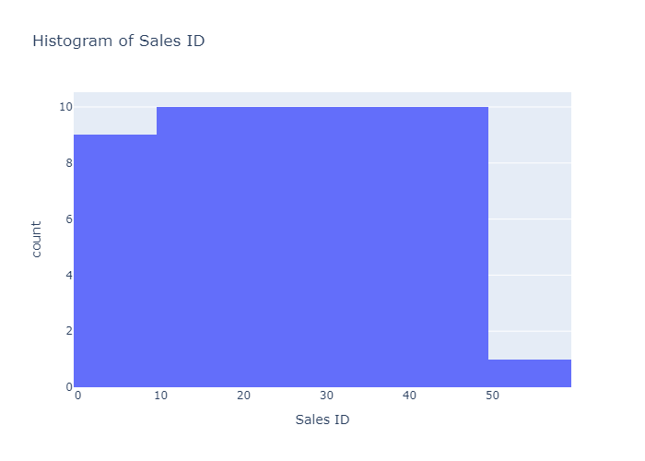

Histogram of Quantity
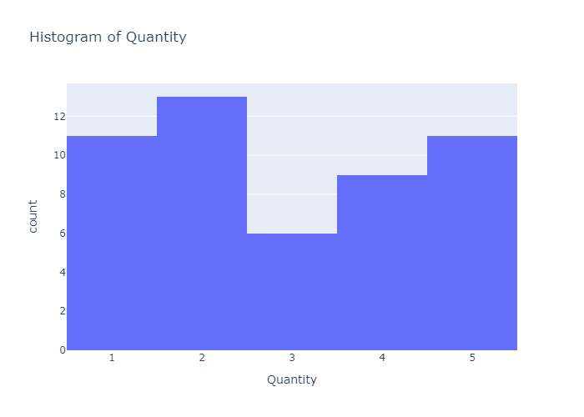

Histogram of Unit Price
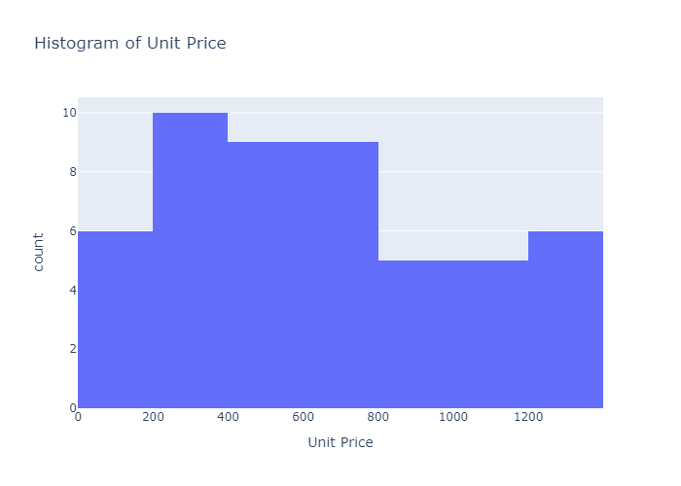

Histogram of Total Sales
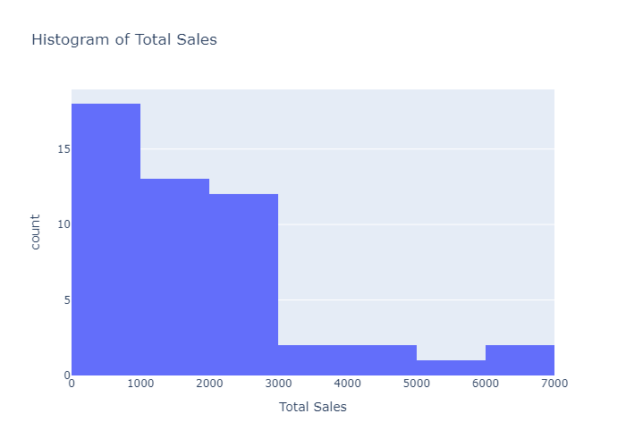

Box Plot of Sales ID
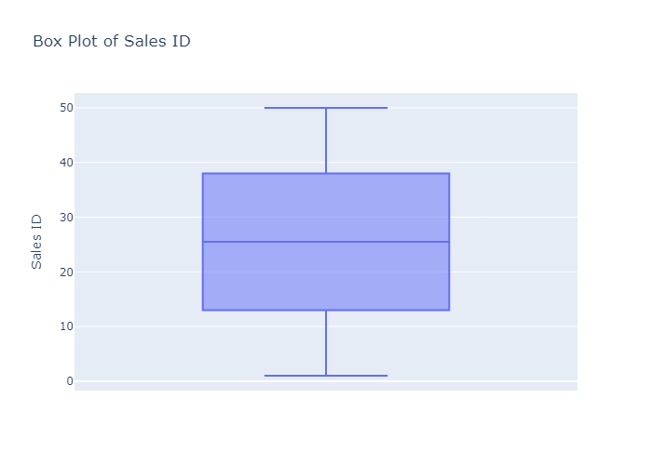

Box Plot of Quantity
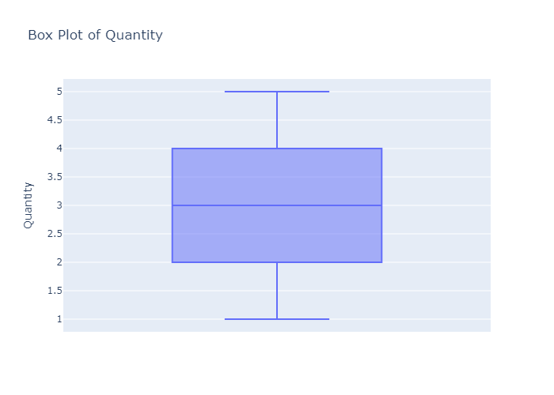

Box Plot of Unit Price
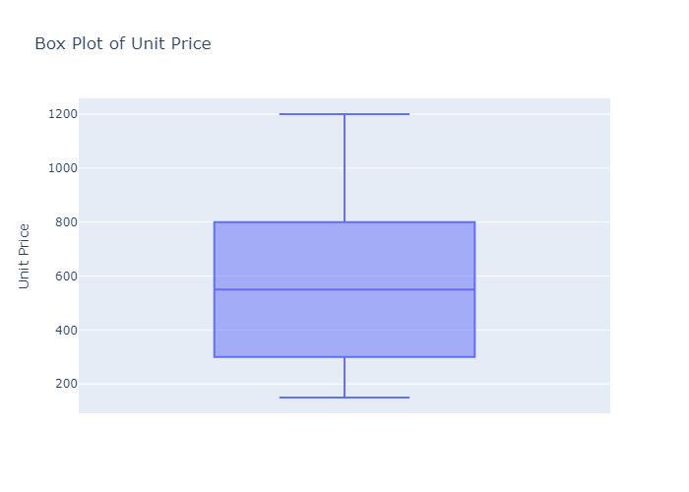

Box Plot of Total Sales
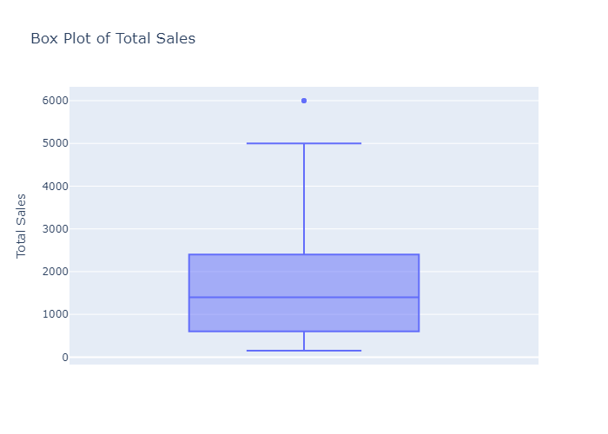

Scatter Plot: Sales ID vs Quantity
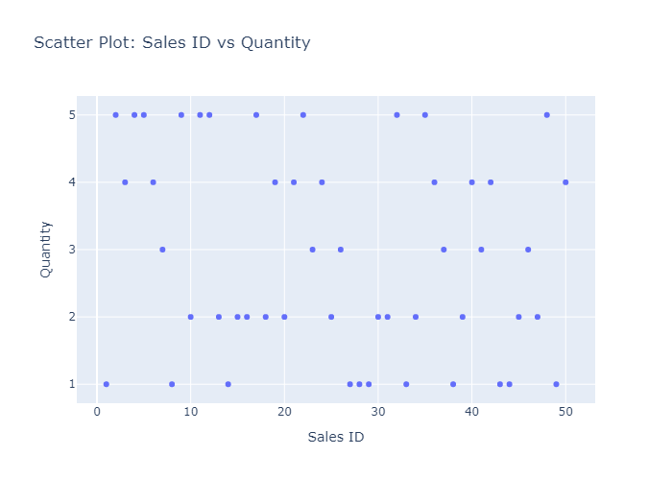

Correlation Heatmap

