Reports
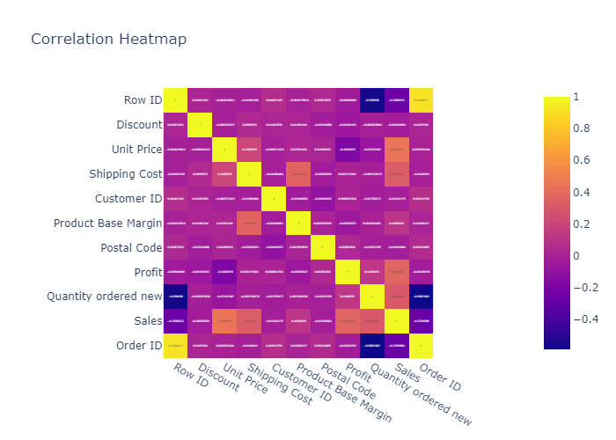
 | count | mean | min | 25% | 50% | 75% | max | std
Row ID | 1952 | 19916.479508 | 64 | 19121 | 21164.5 | 23483.25 | 26389 | 5957.5956267
Discount | 1952 | 0.048975409836 | 0 | 0.02 | 0.05 | 0.08 | 0.21 | 0.031378305601
Unit Price | 1952 | 109.07922131 | 1.14 | 6.48 | 20.99 | 100.9725 | 6783.02 | 393.48130109
Shipping Cost | 1952 | 12.968150615 | 0.49 | 3.23 | 6.15 | 14.3625 | 164.73 | 17.414631417
Customer ID | 1952 | 1735.3765369 | 3 | 875 | 1738 | 2578.25 | 3403 | 991.07800636
Product Base Margin | 1952 | 0.51526639344 | 0.35 | 0.38 | 0.52 | 0.59 | 0.85 | 0.13719878516
Postal Code | 1952 | 51534.769467 | 1001 | 28560 | 48765.5 | 78550 | 99362 | 29362.82842
Order Date | 1952 | 2015-03-29 | 2015-01-01 | 2015-02-11 | 2015-03-27 | 2015-05-15 | 2015-06-30
Ship Date | 1952 | 2015-03-30 | 2015-01-02 | 2015-02-13 | 2015-03-29 | 2015-05-16 | 2015-07-08
Profit | 1952 | 114.79385852 | -16476.838 | -84.4854 | 1.47645 | 116.201575 | 9228.2256 | 1141.112387
Quantity ordered new | 1952 | 12.944672131 | 1 | 5 | 10 | 16 | 167 | 13.871564796
Sales | 1952 | 985.82883197 | 2.25 | 58.8075 | 202.395 | 802.945 | 45737.33 | 2559.9001667
Order ID | 1952 | 82365.92418 | 359 | 86767.75 | 88376 | 89957 | 91586 | 19042.295798

Histogram of Row ID
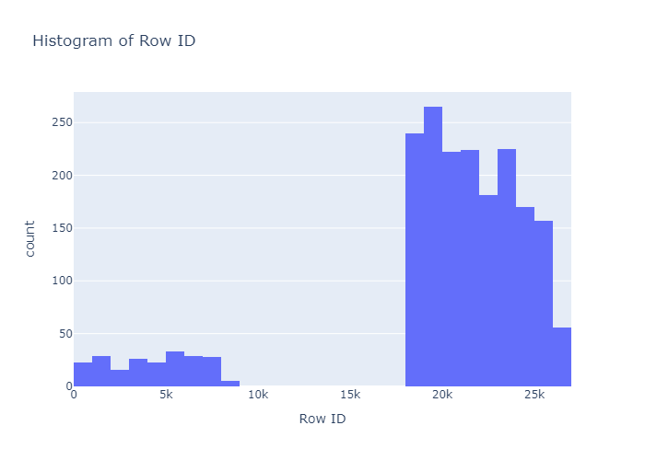

Histogram of Discount
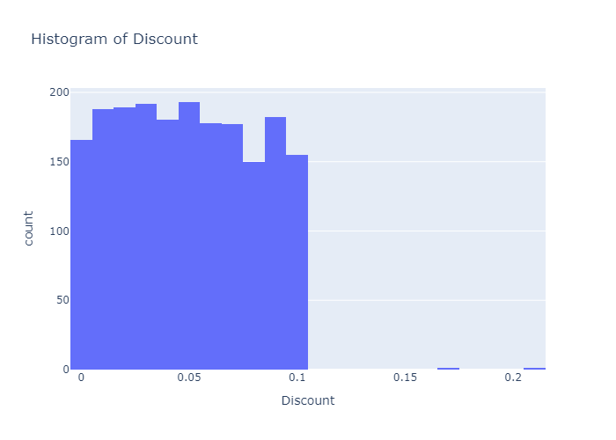

Histogram of Unit Price
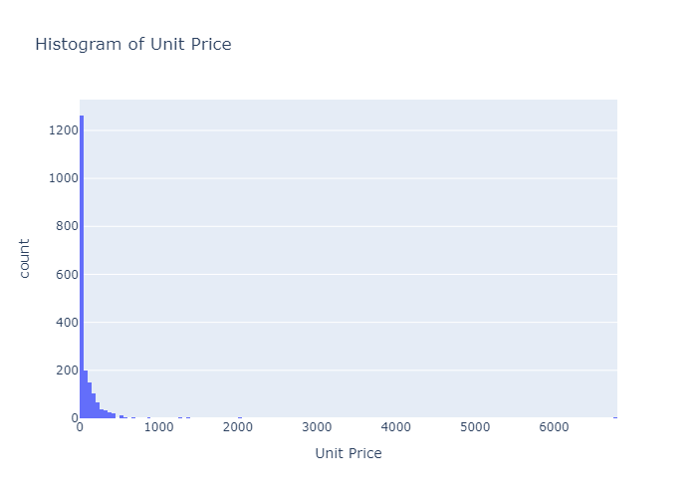

Histogram of Shipping Cost
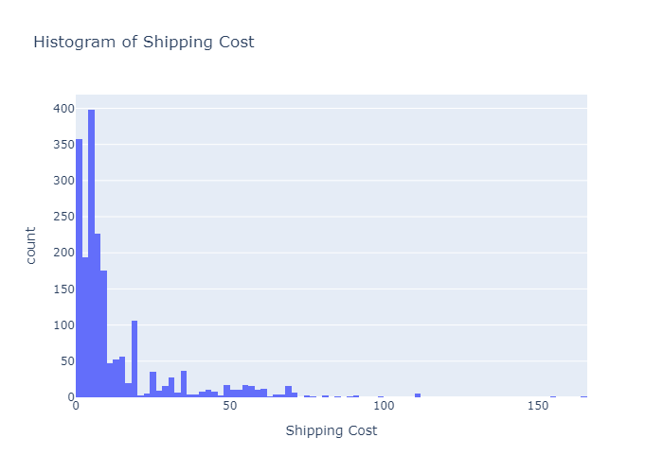

Histogram of Customer ID
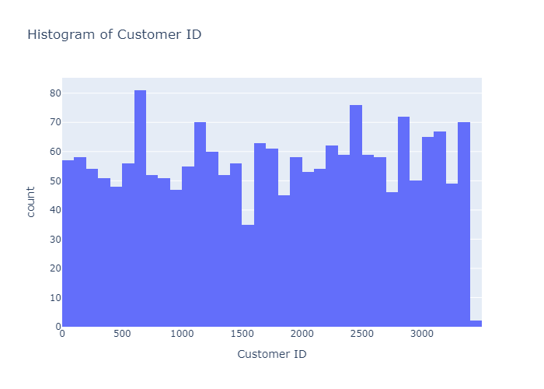

Histogram of Product Base Margin
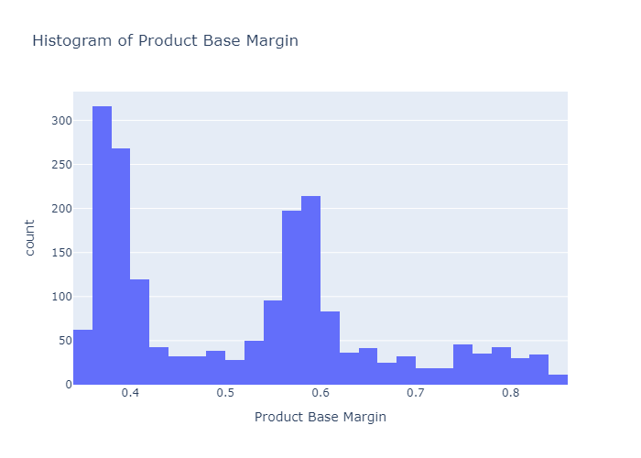

Histogram of Postal Code
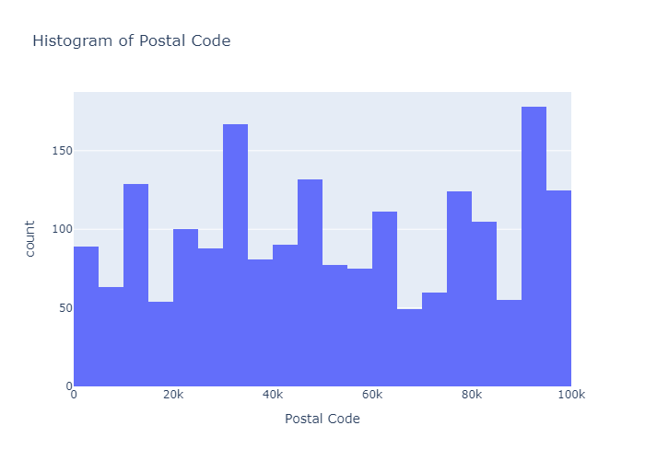

Histogram of Profit
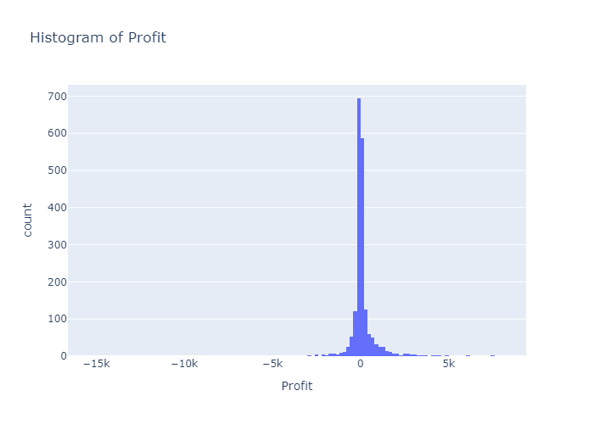

Histogram of Quantity ordered new
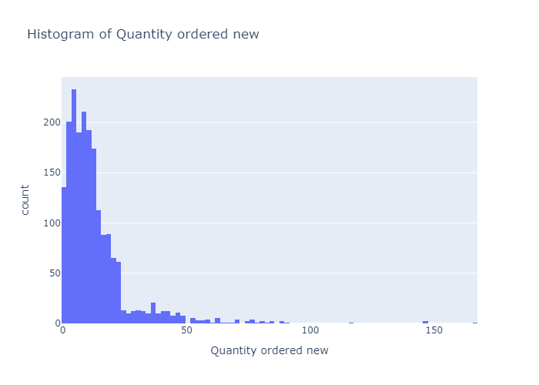

Histogram of Sales
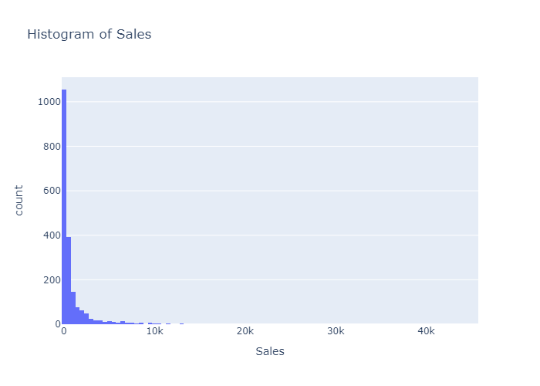

Histogram of Order ID
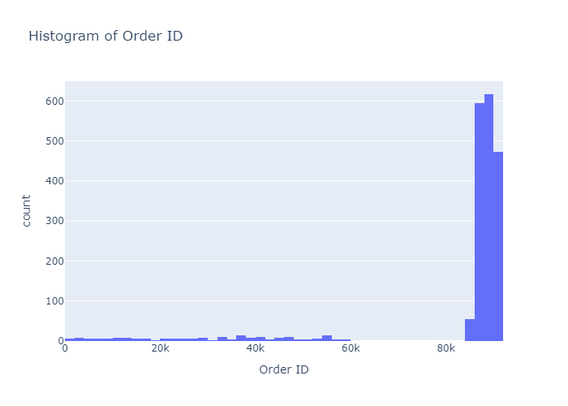

Box Plot of Row ID
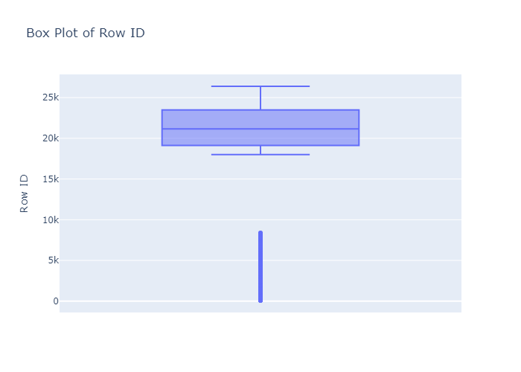

Box Plot of Discount
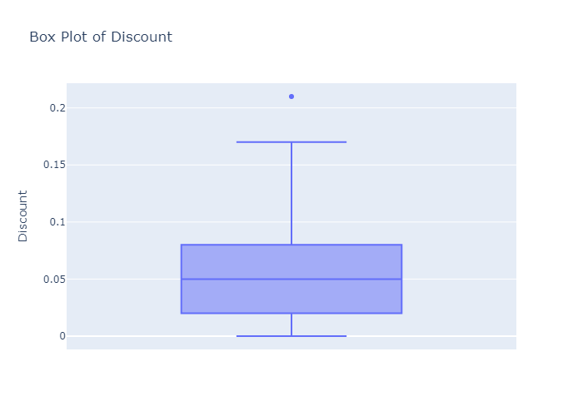

Box Plot of Unit Price
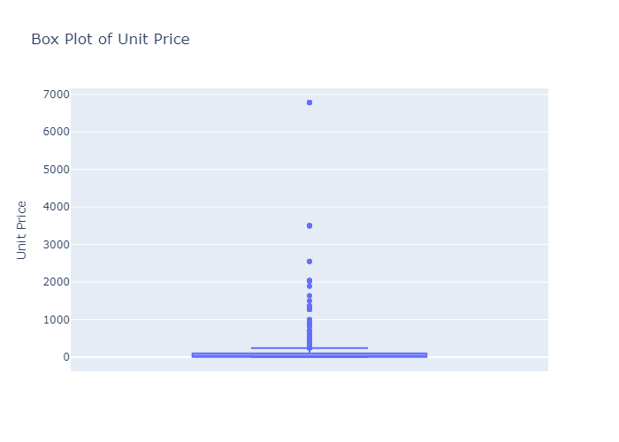

Box Plot of Shipping Cost
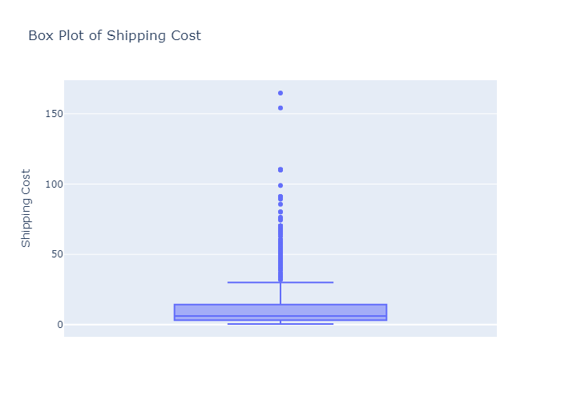

Box Plot of Customer ID
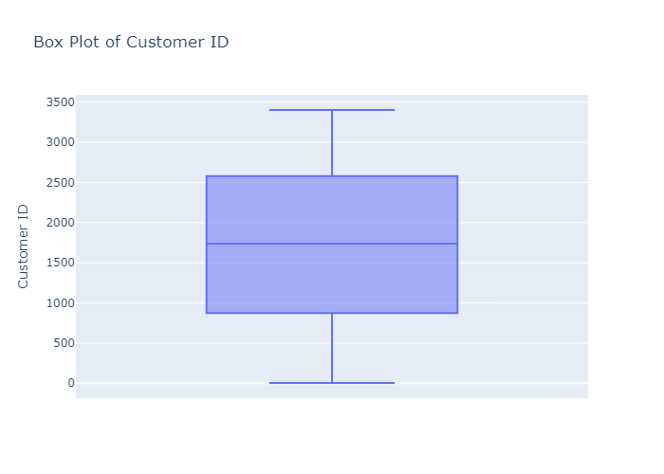

Box Plot of Product Base Margin
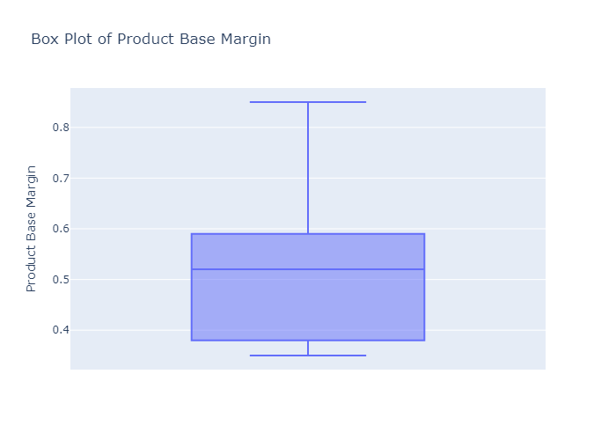

Box Plot of Postal Code
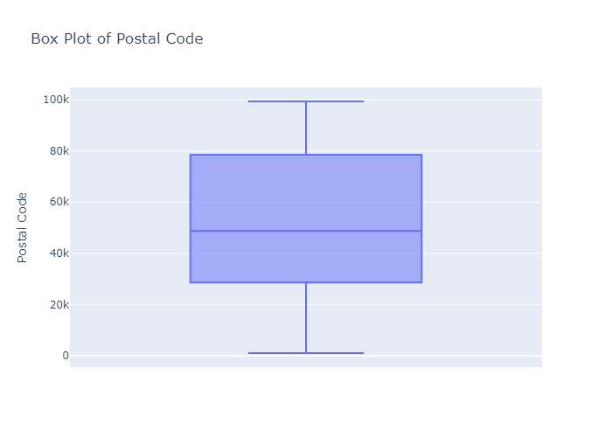

Box Plot of Profit
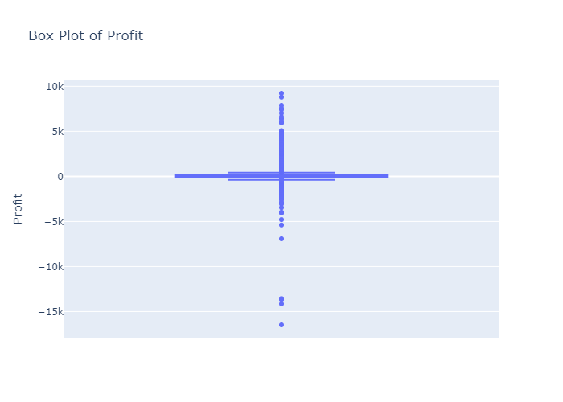

Box Plot of Quantity ordered new
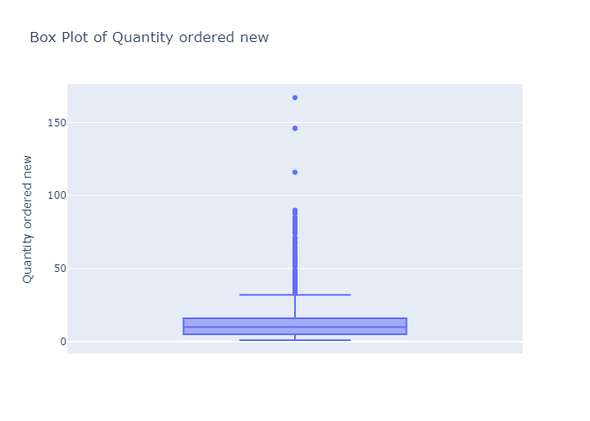

Box Plot of Sales
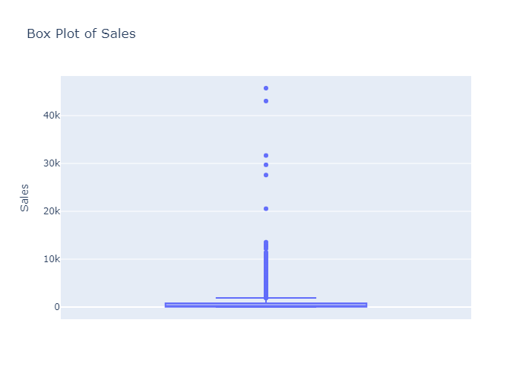

Box Plot of Order ID
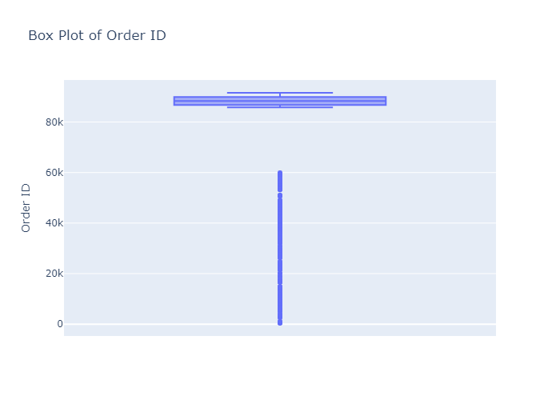

Scatter Plot: Row ID vs Discount
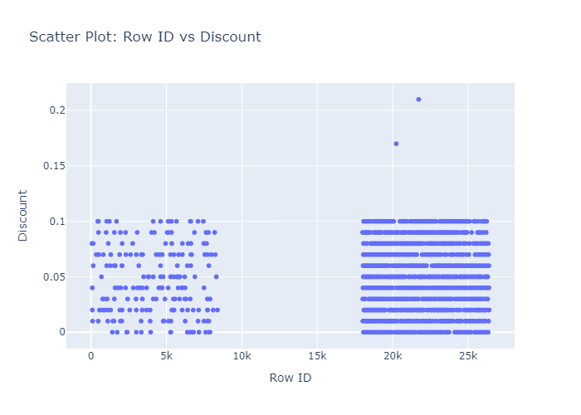

Correlation Heatmap

